Player Type
Position Code | Position Name | Type | Crossing | Finishing | Passing | Volleys | Dribbling | Curve | Freekick Accuracy | BallControl | Pace | Agility | Shot Power | Jumping | Strength | Long Shots | Aggression | Interceptions | Positioning | Marking | Tackle | Goalkeeper Diving | Goalkeeper Handling | GoalkeeperKicking | Goalkeeper Positioning | Goalkeeper Reflexes | Total | Stamina | Vision | Composure
CF | Center Forward | Attack | 0.8 | 1 | 1 | 0.8 | 0.8 | 0.2 | 0 | 0.8 | 0.6 | 1 | 0.8 | 0.6 | 0.8 | 0.4 | 0.8 | 1 | 0.6 | 1 | 0.6 | 0 | 0 | 0 | 0 | 0 | 13.6
ST | Striker | Attack | 0.2 | 1 | 0.2 | 0.8 | 1 | 1 | 0 | 1 | 1 | 0.8 | 1 | 0.6 | 1 | 0.8 | 0.8 | 0.4 | 0.8 | 1 | 0.4 | 0 | 0 | 0 | 0 | 0 | 13.8
RW | Right Winger | Attack | 0.4 | 0.6 | 1 | 0.6 | 1 | 0.8 | 0 | 1 | 1 | 0.8 | 0.4 | 0.6 | 0.6 | 0.6 | 0.8 | 1 | 0.6 | 0.8 | 1 | 0 | 0 | 0 | 0 | 0 | 13.6
LW | Left Winger | Attack | 0.4 | 0.6 | 1 | 0.6 | 1 | 0.8 | 0 | 1 | 1 | 0.8 | 0.4 | 0.6 | 0.6 | 0.6 | 0.8 | 1 | 0.6 | 0.8 | 1 | 0 | 0 | 0 | 0 | 0 | 13.6
GK | Goalkeeper | Goalkeeper | 0 | 0 | 0.6 | 0 | 0.2 | 0.2 | 0 | 0.2 | 0.2 | 1 | 0.4 | 1 | 1 | 0.4 | 0.4 | 0 | 0 | 0.2 | 0 | 1 | 1 | 1 | 1 | 1 | 10.8
CB | Center Back | Defense | 0.6 | 0.2 | 1 | 0.8 | 1 | 0.4 | 0 | 0.6 | 0.8 | 0.8 | 0.8 | 1 | 1 | 0.6 | 0.6 | 0.8 | 1 | 0.8 | 0.6 | 0 | 0 | 0 | 0 | 0 | 13.4
CDM | Central Defensive Midfielder | Defense | 0.4 | 0 | 0.4 | 0.6 | 0.6 | 0.6 | 0 | 0.8 | 0.8 | 1 | 0.2 | 1 | 1 | 0.8 | 1 | 1 | 0.6 | 1 | 1 | 0 | 0 | 0 | 0 | 0 | 12.8
LB | Left Back | Defense | 0.2 | 0 | 0.6 | 0.4 | 0.6 | 0.6 | 0 | 0.6 | 0.8 | 0.8 | 0.2 | 0.4 | 0.6 | 0.6 | 0.8 | 0.8 | 0.4 | 0.6 | 1 | 0 | 0 | 0 | 0 | 0 | 10
RB | Right Back | Defense | 0.2 | 0 | 0.6 | 0.4 | 0.6 | 0.6 | 0 | 0.6 | 0.8 | 0.8 | 0.2 | 0.4 | 0.6 | 0.6 | 0.8 | 0.8 | 0.4 | 0.6 | 1 | 0 | 0 | 0 | 0 | 0 | 10
LWB | Left Wing Back | Defense | 0.2 | 0 | 0.6 | 0.4 | 0.6 | 0.6 | 0 | 0.6 | 0.8 | 0.8 | 0.2 | 0.4 | 0.6 | 0.6 | 0.8 | 0.8 | 0.4 | 0.6 | 1 | 0 | 0 | 0 | 0 | 0 | 10
RWB | Right Wing Back | Defense | 0.2 | 0 | 0.6 | 0.4 | 0.6 | 0.6 | 0 | 0.6 | 0.8 | 0.8 | 0.2 | 0.4 | 0.6 | 0.6 | 0.8 | 0.8 | 0.4 | 0.6 | 1 | 0 | 0 | 0 | 0 | 0 | 10
CAM | Central Attacking Midfielder | Attack | 0.4 | 0.8 | 0.6 | 0.6 | 1 | 0.8 | 1 | 1 | 1 | 1 | 0.8 | 0.6 | 0.8 | 0.4 | 1 | 0.6 | 1 | 0.8 | 1 | 0 | 0 | 0 | 0 | 0 | 15.2
CM | Central Midfielder | Mid | 0.4 | 0.6 | 0.8 | 0.6 | 0.2 | 0.4 | 1 | 0.4 | 0.4 | 0.2 | 0.6 | 0.6 | 0.8 | 0.4 | 0.2 | 0.2 | 0.4 | 0.8 | 0.2 | 0 | 0 | 0 | 0 | 0 | 9.2
LM | Left Midfielder | Mid | 0.4 | 0.4 | 0.8 | 0.6 | 0.2 | 0.6 | 1 | 0.4 | 0.2 | 0.2 | 0.6 | 0.6 | 0.6 | 0.4 | 0.2 | 0.2 | 0.2 | 0.6 | 0.2 | 0 | 0 | 0 | 0 | 0 | 8.4
RM | Right Midfielder | Mid | 0.4 | 0.4 | 0.8 | 0.6 | 0.2 | 0.6 | 1 | 0.4 | 0.2 | 0.2 | 0.6 | 0.6 | 0.6 | 0.4 | 0.2 | 0.2 | 0.2 | 0.6 | 0.2 | 0 | 0 | 0 | 0 | 0 | 8.4

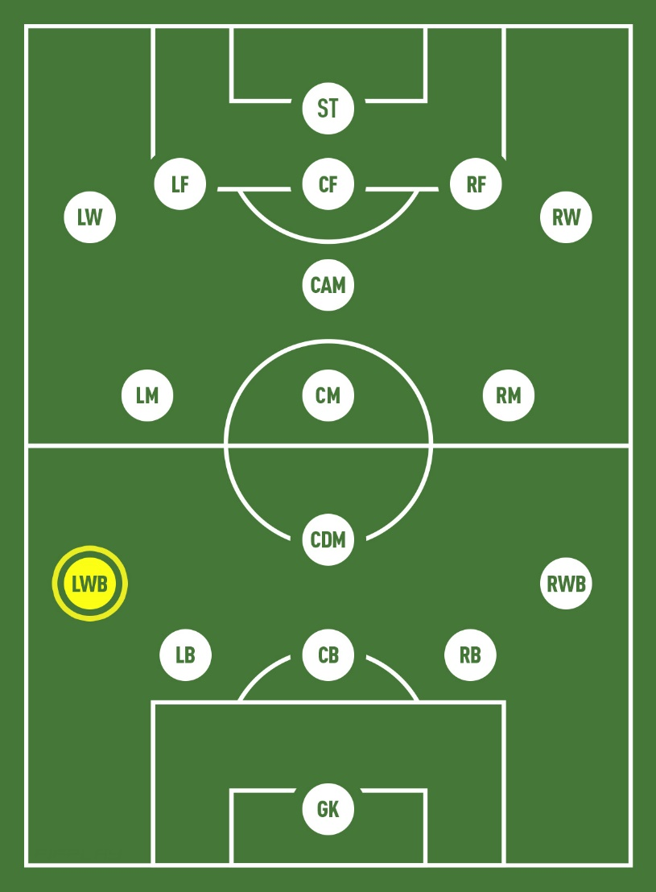

Goalkeeper
must master the correct positioning in the goal
must develop their kicking, punting, jumping, ball handling, and catching skills
must have excellent hand-eye coordination and footwork,
must have quick reflexes
needs to be able to anticipate what is coming by reading the opponent and following the ball
must communicate effectively with their teammates.

Right and Left Full Backs
must be light on their feet and able to move quickly
must master skills such as short passes, dribbling, tackling, speed, endurance, acceleration, agility, concentration, discipline, composure, anticipation, and confidence.

Center Back
must be good at short and long passes, heading the ball, dribbling, jumping, tackling, strength, concentration, aggression, and anticipation.

Sweeper
known for their fitness and speed
must have precise timing for tackles, quick decision making, good communication with the team, excellent passing and dribbling technique
must be able to anticipate moves

Defending/Holding Midfielder
Must be in excellent running shape
must perfect long and short passes, tackling, and jumping and heading the ball
Must master other skills like endurance, acceleration, strength, discipline, anticipation, and acceleration.

Center Midfielder
must have excellent ball skills
must be in good shape to undertake excessive running

Right and Left Midfielder or Winger
must master ball control, long passing, shooting, dribbling, speed, acceleration, agility, creativity, confidence, composure, and aggression.

Attacking Midfielder
Must have proper technique and accuracy in their ball control
Must develop short passing and shooting skills
balance, acceleration, speed, creativity, composure, and confidence are also essential attributes.

Striker
must be good shooters
must be quick, unpredictable, and in good shape
must have a great first touch (click here to go to my article explaining what “first touch” refers to in soccer.)
dribbling, acceleration, balance, agility, confidence, and composure are critical.

Center Forward
must focus on correct technique when using the ball, dribbling, shooting, and passing
must maintain composure throughout the game
must be quick thinkers, as well as creative by staying one step ahead of the opponents
speed and precision are a must
must have a great vision with good decision making by understanding the game and the best plays to make
self-confidence, patience, acceleration, balance, and agility must also be focused on.

