Sheet1
Issue ID | 1
Description | A difference in ID requirements.
 | Post method "Add a book" - ID - positive integer. | 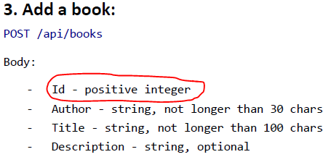
 | Put method "Update a book" - ID - positive number. | 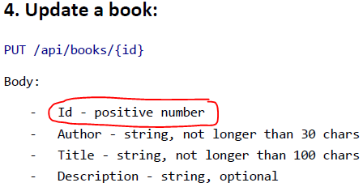
Severity | High
Team | QA
Level | SRS testing
Document Base | Library Manager API Documentation

Bug ID | 1
Description | POST method doesn't save author name.
Precondition
Post condition | Saves book data in DB.
Test Method | Black Box
Variety | Positive
Execution | Automation
Evaluation | Manual
Severity | Critical
Priority
Team | QA
Level | Service testing
Document Base | Library Manager API Documentation
Step | Action | Expected Result | Actual Result
1 | Add a book with valid data. | Status code - 200 OK | Status code - 200 OK
2 | Get a book with the same ID from DB. | The author of the book has been saved | The author value is null.
 |  | The title of the book has been saved. | The title of the book has been saved.
 |  | The description of the book has been saved. | The description of the book has been saved.

Bug ID | 2
Description | POST method doesn't save book with author name length 30 chars.
Precondition
Post condition | Saves book data in DB.
Test Method | Black Box
Variety | Positive
Execution | Automation
Evaluation | Manual
Severity | Medium
Priority
Team | QA
Level | Service testing
Document Base | Library Manager API Documentation
Step | Action | Expected Result | Actual Result
1 | Add a book with author name length 30 chars. | Status code - 200 OK | Status code - 400 Bad Request

Bug ID | 3
Description | POST method doesn't save book with title length 100 chars.
Precondition
Post condition | Saves book data in DB.
Test Method | Black Box
Variety | Positive
Execution | Automation
Evaluation | Manual
Severity | Medium
Priority
Team | QA
Level | Service testing
Document Base | Library Manager API Documentation
Step | Action | Expected Result | Actual Result
1 | Add a book with title length 100 chars. | Status code - 200 OK | Status code - 400 Bad Request

Bug ID | 4
Description | PUT method doesn't change book description.
Precondition | Saved book data in DB.
Post condition | Changed book data in DB.
Test Method | Black Box
Variety | Positive
Execution | Automation
Evaluation | Manual
Severity | Critical
Priority
Team | QA
Level | Service testing
Document Base | Library Manager API Documentation
Step | Action | Expected Result | Actual Result
1 | Add a book with valid data. | Status code - 200 OK | Status code - 200 OK
2 | Change a book with the same ID with new data. | Status code - 200 OK | Status code - 200 OK
3 | Get a book with the same ID from DB. | The author of the book has been changed. | The author of the book has been changed.
 |  | The title of the book has been changed. | The title of the book has been changed.
 |  | The description of the book has been changed. | The description of the book hasn't been changed.

