MAPS
MAPS | MAPNAME | MAPTILE | COLOR | AREA MODIFIER TABLE F
1 | MAP1_ | 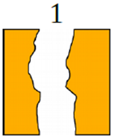 | YELLOW | Yellow | 0
2 | MAP2_ | 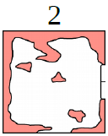 | RED | RED | 10
3 | MAP3_ | 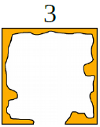 | YELLOW | GREEN | 5
4 | MAP4_ | 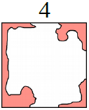 | RED | BLUE | 20
5 | MAP5_ | 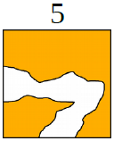 | YELLOW
6 | MAP6_ | 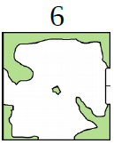 | GREEN
7 | MAP7_ | 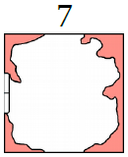 | RED
8 | MAP8_ | 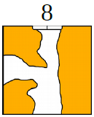 | YELLOW
9 | MAP9_ | 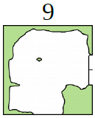 | GREEN
10 | MAP10_ | 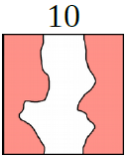 | RED
11 | MAP11_ | 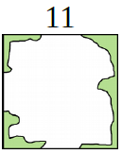 | GREEN
12 | MAP12_ | 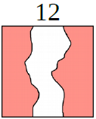 | RED
13 | MAP13_ | 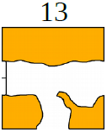 | YELLOW
14 | MAP14_ | 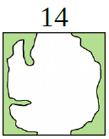 | GREEN
15 | MAP15_ | 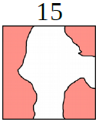 | RED
16 | MAP16_ | 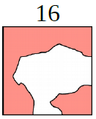 | RED
17 | MAP17_ | 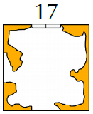 | YELLOW
18 | MAP18_ | 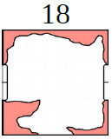 | RED
19 | MAP19_ | 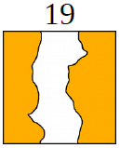 | YELLOW
20 | MAP20_ | 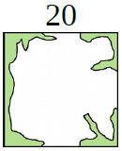 | GREEN
21 | MAP21_ | 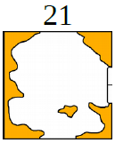 | YELLOW
22 | MAP22_ | 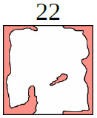 | RED
23 | MAP23_ | 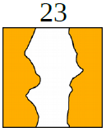 | YELLOW
24 | MAP24_ | 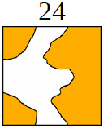 | YELLOW
25 | MAP25_ | 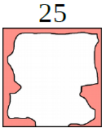 | RED
26 | MAP26_ | 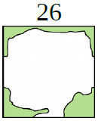 | GREEN
27 | MAP27_ | 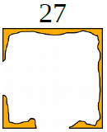 | YELLOW
28 | MAP28_ | 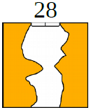 | YELLOW
29 | MAP29_ | 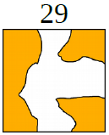 | YELLOW
30 | MAP30_ | 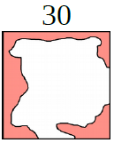 | RED
31 | MAP31_ | 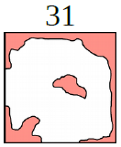 | RED
32 | MAP32_ | 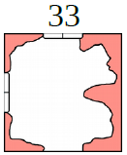 | YELLOW
33 | MAP33_ |  | RED
34 | MAP34_ | 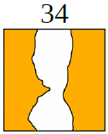 | YELLOW
35 | MAP35_ | 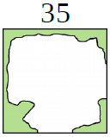 | GREEN
36 | MAP36_ | 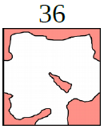 | RED
37 | MAP37_ | 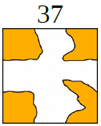 | YELLOW
38 | MAP38_ | 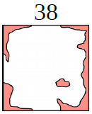 | RED
39 | MAP39_ | 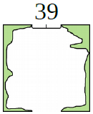 | GREEN
40 | MAP40_ | 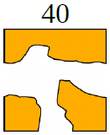 | YELLOW
41 | MAP41_ | 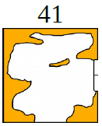 | YELLOW
42 | MAP42_ | 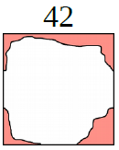 | RED
43 | MAP43_ | 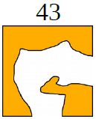 | YELLOW
44 | MAP44_ | 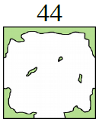 | GREEN
45 | MAP45_ | 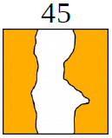 | YELLOW
46 | MAP46_ | 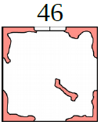 | RED
47 | MAP47_ | 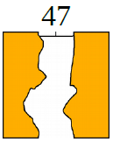 | YELLOW
48 | MAP48_ | 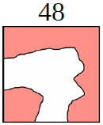 | RED
49 | MAP49_ | 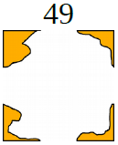 | YELLOW
50 | MAP50_ | 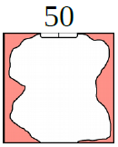 | RED
51 | MAP51_ | 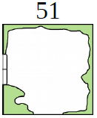 | GREEN
52 | MAP52_ |  | YELLOW
53 | MAP53_ |  | RED
54 | MAP54_ |  | GREEN
55 | MAP55_ |  | YELLOW
56 | MAP56_ |  | RED
57 | MAP57_ |  | GREEN
58 | MAP58_ |  | RED
59 | MAP59_ |  | YELLOW
60 | MAP60_ |  | RED
61 | MAP61_ |  | RED
62 | MAP62_ |  | YELLOW
63 | MAP63_ |  | GREEN
64 | MAP64_ |  | YELLOW
65 | MAP65_ |  | GREEN
66 | MAP66_ |  | YELLOW
67 | MAP67_ |  | YELLOW
68 | MAP68_ |  | GREEN
69 | MAP69_ |  | RED
70 | MAP70_ |  | YELLOW
71 | MAP71_ |  | GREEN
72 | MAP72_ |  | RED
73 | MAP73_ |  | YELLOW
74 | MAP74_ |  | RED
75 | MAP75_ |  | YELLOW
76 | MAP76_ |  | YELLOW
77 | MAP77_ |  | RED
78 | MAP78_ |  | YELLOW
79 | MAP79_ |  | RED
80 | MAP80_ |  | GREEN
81 | MAP81_ |  | RED
82 | MAP82_ |  | YELLOW
83 | MAP83_ |  | GREEN
84 | MAP84_ |  | RED
85 | MAP85_ |  | YELLOW
86 | MAP86_ |  | RED
87 | MAP87_ |  | YELLOW
88 | MAP88_ |  | GREEN
89 | MAP89_ |  | YELLOW
90 | MAP90_ |  | RED
91 | MAP91_ |  | BLUE
92 | MAP92_ |  | BLUE
93 | MAP93_ |  | BLUE
94 | MAP94_ |  | BLUE
95 | MAP95_ |  | BLUE
96 | MAP96_ |  | BLUE
97 | MAP97_ |  | BLUE
98 | MAP98_ |  | BLUE
99 | MAP99_ |  | BLUE
100 | MAP100_ |  | BLUE

