g1-3
Importance of environmental issues varies across gender, education, age and income
Percentage of respondents rating climate change and environmental issues as very important

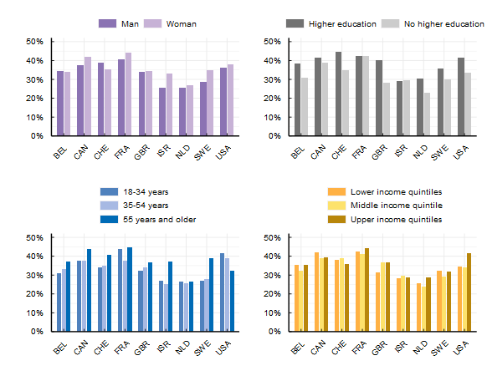

Note: This survey item asked respondents: "How important are each of the following issues to you personally?" Respondents rated the level of importance on a 5-point scale from "not at all important" to "very important". The figure shows the percentage of respondents rating climate change and environmental issues as very important. Lower income quintiles refers to income quintiles 1 and 2, middle income quintile refers to income quintile 3 and upper income quintiles refers to income quintiles 4 and 5.
Source: OECD (2022), Environmental Policies and Individual Behaviour Change Survey

Country | Characteristic | Proportion
BEL | Man | 0.34
BEL | Woman | 0.34
CAN | Man | 0.37
CAN | Woman | 0.42
CHE | Man | 0.39
CHE | Woman | 0.35
FRA | Man | 0.41
FRA | Woman | 0.44
GBR | Man | 0.34
GBR | Woman | 0.35
ISR | Man | 0.26
ISR | Woman | 0.33
NLD | Man | 0.26
NLD | Woman | 0.27
SWE | Man | 0.29
SWE | Woman | 0.35
USA | Man | 0.36
USA | Woman | 0.38
BEL | 18-34 years | 0.31
BEL | 35-54 years | 0.33
BEL | 55 years and older | 0.37
CAN | 18-34 years | 0.37
CAN | 35-54 years | 0.37
CAN | 55 years and older | 0.44
CHE | 18-34 years | 0.34
CHE | 35-54 years | 0.35
CHE | 55 years and older | 0.41
FRA | 18-34 years | 0.44
FRA | 35-54 years | 0.38
FRA | 55 years and older | 0.45
GBR | 18-34 years | 0.32
GBR | 35-54 years | 0.34
GBR | 55 years and older | 0.37
ISR | 18-34 years | 0.27
ISR | 35-54 years | 0.25
ISR | 55 years and older | 0.37
NLD | 18-34 years | 0.27
NLD | 35-54 years | 0.25
NLD | 55 years and older | 0.26
SWE | 18-34 years | 0.27
SWE | 35-54 years | 0.28
SWE | 55 years and older | 0.39
USA | 18-34 years | 0.41
USA | 35-54 years | 0.39
USA | 55 years and older | 0.32
BEL | Higher education | 0.38
BEL | No higher education | 0.31
CAN | Higher education | 0.41
CAN | No higher education | 0.39
CHE | Higher education | 0.44
CHE | No higher education | 0.35
FRA | Higher education | 0.43
FRA | No higher education | 0.42
GBR | Higher education | 0.40
GBR | No higher education | 0.28
ISR | Higher education | 0.29
ISR | No higher education | 0.30
NLD | Higher education | 0.30
NLD | No higher education | 0.23
SWE | Higher education | 0.36
SWE | No higher education | 0.30
USA | Higher education | 0.42
USA | No higher education | 0.33
BEL | Lower income quintiles | 0.35
BEL | Middle income quintile | 0.33
BEL | Upper income quintiles | 0.35
CAN | Lower income quintiles | 0.42
CAN | Middle income quintile | 0.39
CAN | Upper income quintiles | 0.39
CHE | Lower income quintiles | 0.38
CHE | Middle income quintile | 0.39
CHE | Upper income quintiles | 0.36
FRA | Lower income quintiles | 0.42
FRA | Middle income quintile | 0.41
FRA | Upper income quintiles | 0.44
GBR | Lower income quintiles | 0.31
GBR | Middle income quintile | 0.37
GBR | Upper income quintiles | 0.37
ISR | Lower income quintiles | 0.28
ISR | Middle income quintile | 0.30
ISR | Upper income quintiles | 0.29
NLD | Lower income quintiles | 0.26
NLD | Middle income quintile | 0.24
NLD | Upper income quintiles | 0.29
SWE | Lower income quintiles | 0.32
SWE | Middle income quintile | 0.29
SWE | Upper income quintiles | 0.32
USA | Lower income quintiles | 0.35
USA | Middle income quintile | 0.34
USA | Upper income quintiles | 0.42

