Table 1
The New York Public Library
Connections
2018
A guide for formerly incarcerated people
in New York City
The New York Public Library
Connections
2018
A guide for formerly incarcerated people in New York City

Twenty-Third Edition
Edited by
The Correctional Services Staff of The New York Public Library

Connections 2018
Single copies of Connections are available free of charge to incarcerated and formerly incarcerated people throughout New York State, as well as to agencies who provide services to justice involved people. Send all requests to:
Correctional Services
The New York Public Library 445 5th Avenue
New York, NY 10016
Connections 2018 is available as a PDF file online at:
nypl.org/corrections
2
© The New York Public Library, Astor, Lenox and Tilden Foundations, 2018 All rights reserved.
The name “The New York Public Library” and the representation of the lion appearing in this work are registered marks and the property of The New York Public Library, Astor, Lenox and Tilden Foundations.
Twenty-third edition published 2018 ISBN 978-0-87104-802-8
About This Directory
Every agency listed in Connections has been contacted in order to provide you with current and relevant information. Where list- ings could not be verified by phone, the organization website was accessed for basic program and contact information. Please be advised that the moment Connections is printed, it is out of date.
Organizations change constantly—ask questions to the agency you contact for the most up-to-date information on services. Please note that all information about rights is not intended as legal advice.
Connections contains a selective listing of resources in New York City. If you feel we have missed a particularly valuable resource, please let us know. If you represent an agency that would like to be included in Connections, please contact us: Correctional Services, The New York Public Library, 445 5th Avenue, New York, NY 10016.
Due to budget restrictions, our print run is limited. Therefore, if you are an agency working with formerly incarcerated people, we ask that you use the online PDF version of Connections (see previous page) with clients when possible, rather than requesting bulk shipments of the book. If you are incarcerated at a New York City Department of Corrections jail, please ask for a copy of the book in the intake area or programs office in your facility.
Access our Spanish translation of Connections 2017. The trans-
lation, Conexiones 2017, is available online as a PDF at nypl.org/ 3
corrections. Spanish speakers who are incarcerated can request up to 40 printed pages at a time, to be sent via mail by writing to: Correctional Services, 445 5th Avenue, New York NY 10016.
NOTE to the Reader: For your convenience, three symbols are used in this edition. A happy face A next to a telephone number means that when we called during normal business hours, a live

person answered the phone. The symbol next to the name of an organization means they have Spanish speaking staff, or interpret- ers for Spanish speakers. A bridge next to the name of an organization means they work with people who are currently incarcer- ated, and the organization can be contacted pre-release, or by court or attorney referral.

People frequently write asking for publications similar to Connections that cover areas of New York State outside of the City. We know of the following guides:
Westchester Connections
Westchester Library http://connections.westchesterlibraries.org
Making Moves: A Listing of Transitional Services in the Rochester, NY and Monroe County Area
Monroe County Library System- Extension and Outreach Department 115 South Avenue, Rochester, NY 14604 www3.libraryweb.org/services.aspx?id=479821&terms=making%20 moves
Connections: A Guide to Transitional Services in Erie County Buffalo & Erie County Public Library – Institutional Services 1 Lafayette Square, Buffalo, NY 14203 www.buffalolib.org/sites/default/files/pdf/2016-Connections.pdf Spanish Version: www.buffalolib.org/sites/default/files/pdf/ ConnectionsSpanish2011.pdf
Community Connections: Livingston & Wyoming Counties Community Connections: Ontario & Wayne Counties Pioneer Library System- Outreach Department
2557 State Route 21, Canandaigua, NY 14424
4 Telephone: 585.394.8260
Livingston & Wyoming: https://pls-net.org/sites/default/files/2016- LivWyo_CommunityConn.pdf
Ontario & Wayne: https://pls-net.org/sites/default/files/2017- OntWay_CommunityConn.pdf
Finding Your Way: A Resource Guide for Ex-Offenders Returning to Cayuga, Cortland, Seneca, Tioga, and Tompkins Counties
Finger Lakes Library System
119 East Green Street, Ithaca, NY 14850
English and Spanish Version: www.flls.org/wp-content/ uploads/2012/11/FLLS-Reentry-Guide-2016-1.pdf
Hudson Valley Connections: A resource guide for
ex-offenders returning to Columbia, Dutchess, Greene, Putnam or Ulster counties in New York State
Mid-Hudson Library System – Outreach Services Department 103 Market Street, Poughkeepsie, NY 12601 http://midhudson.org/wp-content/uploads/2012/11/2016-HV- Connections.pdf
Coming Back to Ulster County
Unitarian Universalist Congregation of the Catskills 320 Sawkill Road, Kingston, NY 12401
Telephone: 845.331.2884 https://sites.google.com/site/uucckingston/home/coming-back-to- ulster-county
Capitol Regions Connections
The Center for Law and Justice
Pine West Plaza, Building 2, Washington Ave. Ext., Albany, NY 12205 www.cflj.org/cflj/Connections.pdf
Schenectady County Resource Booklet www.schenectadycounty.com/sites/default/files/Schenectady%20 County%20Resource%20Booklet.pdf
5
If your county of residence is not listed here, you may also write to your County Reentry Task Force, listed below:
Nassau Reentry Task Force: Department of Social Services 60 Charles Lindbergh Blvd, Suite 240, Uniondale, NY 11553
Telephone: 516.227.7025
Suffolk Reentry Task Force: Probation Department Box 205, Yaphank, NY 11980
Telephone: 631.852.5100
Broome Reentry Task Force: Department of Mental Health 229–231 State Street, 6th Floor, Binghamton, NY 13901 Telephone: 607.778.1364
Niagara Reentry Task Force: Community Missions 1570 Buffalo Avenue, Niagara Falls, NY 14303 Telephone: 716.285.3403 x2258
Oneida Reentry Task Force
209 Elizabeth Street, Utica, NY 13501
Telephone: 315.798.3644
Onondaga Reentry Task Force: District Attorney’s Office 505 South State Street, Syracuse, NY 13202 Telephone: 315.435.2985 x7411
6
Orange Reentry Task Force: RECAP, Inc.
280 Broadway, 2nd Floor, Newburgh, NY 12550 Telephone: 845.421.6247
Acknowledgments
The 2018 edition has been updated by Sarah Ball, Abby Buckingham, Ryan Chikaraishi, Ella Milliken Detro, Rajene Hardeman, Kate Heenan, Mark Simon Haydn, Emily Jacobson, Alec Lichtenberg, Jo Polanco, and Alexis Welch. A special thanks goes to Ashley C. Sawyer, Esq. and the team at Youth Represent for their help compiling information on Raise the Age.
Many thanks go to Khalil Cumberbatch, Robin McGinty, Joyce McMillan, Johnny Perez, and Roy Waterman for contributing their eloquent words. The profiles included in this edition showcase the incredible strength and grace of five people, but they represent the spirit of many more. We are so grateful that this brilliant group of people shared their experiences with us and all of our readers.
We are so proud to showcase the artwork of five currently incarcerated artists. Our beautiful cover was illustrated by A.S. and you will find more excellent work throughout this book. We truly appreciate everyone who entered our cover art contest in its inaugural year. We hope that you inspire other artists to reach out and share their work.
Artists! You may request instructions and a template for submitting art for the 2019 edition of Connections, by writing to Correctional Services, New York Public Library, 445 Fifth Avenue, New York, NY
10016. 7
Much support and learning is always gained from NYPL’s affiliation with the New York Reentry Education Network. We are appreciative of the many people who participated in discussions to improve Connections and make it more useful, especially those who wrote to us from prisons with their feedback. Many thanks go to the Library’s Creative Services team for their support and hard work. A huge thanks to the BookOps and Logistics teams who are responsible for its distribution.
Funding for Connections is provided by the New York State Education Department, Division of Library Development.
History
Connections was first created in 1982 by Steve Likosky, The New York Public Library’s first correctional services librarian. The first edition was a list of resources 42 pages long. Today Connections lists over 500 agencies and services, reflecting the network of reentry support in New York City as it has grown and evolved.
In 1982, the total US incarcerated population was 500,000. Today there are almost 7 million adults incarcerated or under correctional control such as probation or parole. Another nearly 2 million juveniles are incarcerated or court involved. Every community is affected by incarceration—personally, collectively, financially, and ethically.
People returning home to New York City have an amazing wealth of resources to ease the strain of justice involvement and rebuild healthy paths. Accessing those resources can be overwhelming, but also life- changing. We hope Connections is a trustworthy place to start.
8
Contents
The New York Public Library 10
Organizations for Formerly Incarcerated People 16
Education 33
Housing 51
Financial Assistance 70
Physical & Mental Health 79
Addiction 102
Legal Services 116
Immigrants 135
Veterans 150
People with Disabilities 156
Women 165
Older People 175
LGBTQI People 188
9
Youth & Family Resources 197
Cultural Resources 222
Consumer Affairs &
Transportation 230
The Job Search 239
Index 327
The New York Public Library
A WORD AF TER A WORD AF TER A WORD IS POWER.
– MARG ARET AT WOOD
The New York Public Library

The New York Public Library (NYPL) has been an essential provider of free books, information, ideas, and education for all New Yorkers for over 100 years. The Library has four research centers and 88 neighborhood libraries in the Bronx, Manhattan, and Staten Island. NYPL offers far more than access to books and materials, including thousands of free programs a year, serving everyone from toddlers to teens to seniors. The public libraries in Brooklyn and Queens also offer a wealth of services, described throughout this book.
The Library’s programs for adults range from literacy and English classes to computer training to job-search help and personal-finance education. This brief overview provides an introduction to these valu- able free resources, which are open to all New Yorkers.
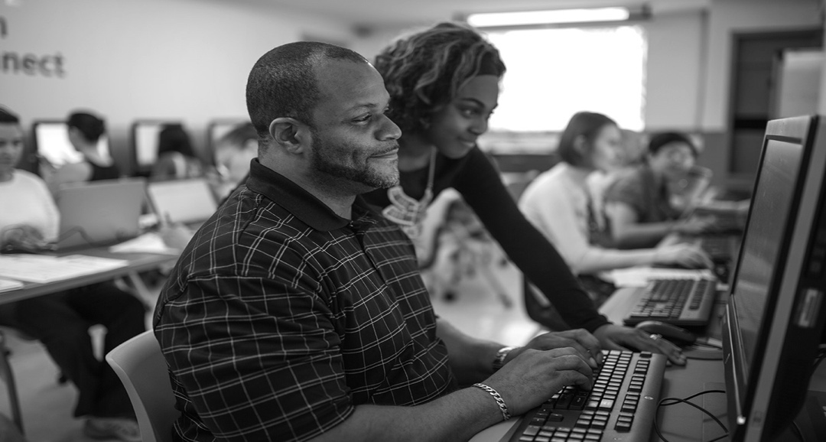
11
COMPUTER TRAINING
& PUBLIC-ACCESS COMPUTERS
NYPL’s TechConnect computer training program offers nearly 100 technology classes at libraries throughout the Bronx, Manhattan, and Staten Island. Learn to use computers and tablets, set up an email account, become acquainted with social media, and find out how to look for and apply to jobs online, plus much more.
Classes are available for all skill levels, from beginner to advanced, and are held Monday–Friday at most NYPL locations and on weekends at selected sites. Many classes, which are taught by expe- rienced instructors, are also offered in Spanish and Chinese.
Browse the TechConnect class schedule at nypl.org/computers or call 917.ASK.NYPL to find a class at a library near you.
NYPL has thousands of public-access computers across its 92 loca- tions. Reservations are not required, but can be made up to a day in advance at pcreserve.nypl.org with your library card. Sessions generally last 45 minutes. Desktop computers provide Internet access, word-processing, and printing for library cardholders.
Branches also offer laptops for library use. Free Wi-Fi is available at all locations.
Libraries with the longest hours and most public-access computers and computer classes include the Bronx Library Center (310 East Kingsbridge Road) and Mid-Manhattan @ SASB (5th Avenue and 42th Street).
LITERACY & ENGLISH CLASSES
English classes for Speakers of Other Languages (ESOL) for begin- ning, intermediate, and advanced students are available at more than 40 libraries in the Bronx, Manhattan, and Staten Island. Classes are
12 held year-round in 10-week cycles. Most classes meet two days a
week for two hours each day. Select classes meet on Saturday morn- ings for four hours. To register for classes, students must attend an information session, which is held four times a year. To find orienta- tion locations, dates, times, and get more information, visit nypl. org/English.
Libraries in the Bronx, Manhattan, and Staten Island also host English conversation groups, where ESOL students can practice speak-
ing English with volunteer facilitators or using the We Are New York
(WANY) television series. For locations, dates, and times, see nypl
.org/English.
NYPL provides literacy classes for adults who speak English but
have difficulty reading and writing. New readers and writers take small group classes facilitated by volunteer tutors who are recruited, trained, and guided by NYPL staff members. For more information, contact the Adult Literacy Center at the Bronx Library Center (310 East Kingsbridge Road, Bronx; 718.579.4222).
JOB SEARCH & FINANCIAL PLANNING
NYPL serves as one of New York’s primary resources of informa- tion and one-on-one support for patrons looking for jobs, seeking help with professional skills, and managing personal finances. The Business Library, on Madison Avenue at 34th Street, and the Bronx Library Center Career Services, on 310 East Kingsbridge Road, house comprehensive materials and offer free, individualized work and financial counseling by appointment.
The Business Library is a circulating and research library that features extensive business and finance resources, job-search help, and small business support. It houses business, trade, and popular- science periodicals, plus premium online business and finance databases. Career Services, on the Library’s lower level, is a
one-stop-shop for job seekers at all levels. Its collection includes hundreds of books on jobs and careers, resumes, cover letters, interview tips, and more, which can be checked out. A large collec- tion of e-books on the same subjects is also available. Nearly every day, The Business Library presents classes on topics of interest
to job seekers, and patrons can schedule free one-on-one coach- 13
ing sessions. Free coaching services are by appointment only. For questions, contact jscnypl@nypl.org or call 212.592.7006.
NYPL offers a wealth of information and services to assist patrons in making wise financial choices easily accessed at nypl.org/ moneymatters. There, you will find a calendar of regular classes and programs on budgeting, investing, tax assistance, college planning and financial aid, avoiding scams and fraud, as well as a selection of web resources which may help with day to day finan- cial decisions. Free counseling is available by appointment on personal money matters, credit-crisis counseling, and Medicare counseling. The Financial Literacy Central, also on the Library’s lower level, has books to borrow.
Small business resources of all kinds can be found at The Business Library. SCORE provides free advice to small business managers and entrepreneurs (start-up, preparing a business plan, applying for a business loan, forming a corporation or partnership), one-
on-one appointments, and workshops and seminars. For more information about SCORE or to schedule an appointment, call 212.592.7033. The Business Library sponsors its annual New York StartUP! Business Plan Competition for residents of the Bronx, Manhattan, and Staten Island, which awards cash prizes.
Prospective entrepreneurs gain practical information about start- ing and growing a business while using the comprehensive small business resources at The Business Library. For details about the competition, visit nypl.org/bizplan.
The Bronx Library Center Career Services Division sup- ports learning through a comprehensive career services program encompassing the following areas: employer development, career counseling, job search assistance (resume writing, cover letter writing, interviewing skills, identifying job leads, using the internet and social media), graduate school counseling and information, and internship assistance. Other resources include community resource referrals, career workshops, recruitment events and assistance navigating premium business databases. There are 19 additional Career Services locations in the Bronx and upper Manhattan. For more information contact ceis@nypl.org, call 718.579.4260, or
14 register for an appointment online: bit.ly/2hX2fDK.
Grand Central Single Stop at NYPL offers free, confidential, one-on-one advice and help with public benefits screening, applica- tion assistance, enrollment, service referrals, unemployment, health insurance, Supplemental Nutrition Assistance Program (SNAP), and immigration services (applying for citizenship). Services are avail- able on the second floor of Grand Central Library (135 East 46th Street, 2nd Floor) Mon–Fri from 10–6. For more information email singlestop@nypl.org, or call 212.576.0024.
SERVICES FOR PEOPLE WITH DISABILITIES
The Andrew Heiskell Braille and Talking Book Library (40
West 20th Street) provides reading materials for people who are blind, visually impaired, or have a biologically based reading disability or a physical disability that makes it difficult to hold a book or turn pages. Audiobooks, as well as an audiobook player, can be mailed
to your home free of charge, or downloaded from our website. The library also provides access to assistive technology, including magni- fiers and text-to-speech software, and offers one-on-one assistive technology training. Call 212.206.5400, email talkingbooks@ nypl.org, or go to nypl.org/printdisabilities for more informa- tion.
For patrons who are Deaf or hard of hearing, ASL interpretation or real-time CART captioning for library programs can be arranged. Please email accessibility@nypl.org at least two weeks ahead of time to request accommodations. For more information on inclusive services and accommodations, go to nypl.org/accessibility.
FAMILY & CULTURAL PROGRAMMING
NYPL offers programs, classes, and events for children and teens in most locations across Manhattan, the Bronx, and Staten Island,
including story hours for infants, toddlers, preschoolers, and school- age children, science and art workshops for children of all ages, homework help and tutoring, musical performances, and much more. Adults can find an array of cultural programs, including lectures, concerts, films, exhibitions, and author talks. Visit nypl.org to find
programs at the library nearest you. 15
We look forward to welcoming you to The New York Public Library.
To find an NYPL location in your neighborhood, or to learn more, call 917.ASK.NYPL or visit: nypl.org/locations.
Organizations for Formerly

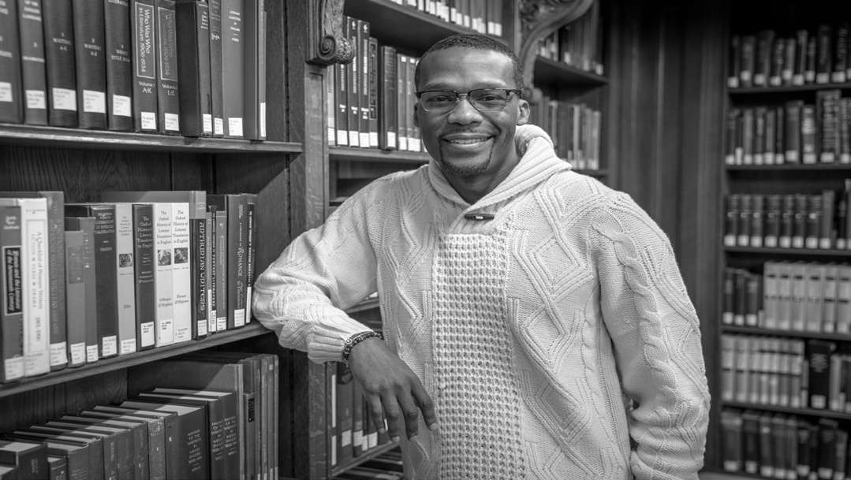
Incarcerated People

RE ADER, MY STORY ENDS WITH FREEDOM.
– HARRIET A . JACOBS

JOHNNY PEREZ
I was arrested at 21 years old and sentenced to 15 years in prison on robbery charges. In the beginning, I could not fathom doing so much time, but after a few years I managed to get a routine down and began to see my environment and my sentence as an opportunity to learn about myself, the world, and the people who live in it. I gravi- tated toward programs that allowed for me to build hard skills which
I imagined would one day help me when I was finally able to search
for employment. I worked in the law library because it allowed me to 17
use a computer and learn Microsoft Word. I worked as a grievance
clerk, and learned about conflict resolution. Toward the end of my sentence, I facilitated classes on ART, conflict resolution, and social living skills. I approached my classes as if they were a job paying
a living wage. I did not know it at the time, but the same jobs I did while in prison placed me in the best position to be hired once I was released. However, there is never progress without hardship.
After 12 years, 10 months, and a few hours, the Department of Corrections released me into a world that had become foreign to me. The world was a different place than the one I remembered. I stared at the cartoon characters in Times Square and laughed. Touchscreen phones were a puzzle to me. The prices of food were inflated beyond
belief. Thank God for my mother, who allowed me to live with her upon my release. Living with my mother relieved many of the pres- sures people returning into society face, especially the urgency to find a job and time to acclimate to society.
Volunteering was a great way to get my foot in the door of an agency without them taking the “risk” of hiring me. What I would lose in salary, I would gain in rapport and access to people who were in a position to hire me one day. So I volunteered at the Police Athletic League in Harlem where I shared my experience of incarceration with teenagers who were just like me at that age. It was rewarding, and led to speaking opportunities where I approached the audience as if I was facilitating a class in prison.
I took advantage of anything and everything I was eligible for. The Connections book served as an information guide to agencies I never knew existed. I applied for public assistance and food stamps as soon as I was released. I applied for rental assistance so that I could help my mother while I lived in her living room. Eventually I asked
my parole officer to grant me a referral to CEO. After an orienta- tion, I began working as a porter at CUNY colleges and for the Parks Department. The work was not what I imagined myself doing, but it was work, and gave me a few bucks in my pocket while I continued my job search.
I read the book in your hands just like you are now; searching for answers on how to navigate a world that I was not sure I was pre- pared for. So I tell you, you are stronger than you think you are and more resilient than most people out here. What separates us, and gives us an edge, is that we know what it feels to have nothing and to come face to face with unimaginable adversity that we have normal- ized. Box time, for example. See your environment as a place of learning and soon someone else’s prison will be your university.
I wish I could say it was easy to find employment, but after more than
18 50 interviews, I felt defeated and discouraged. However, I thought 19
about all the adversity I had to overcome during those years in prison and it provided perspective and motivation. “Johnny, you already sur- vived the hard part. This is a walk in the park.” I would say to myself out loud with deep conviction. Weeks later, a person I met through my volunteer work at PAL forwarded me a job opening at a law firm that was looking to hire someone to help people who are returning home from prison. I submitted my resume and a cover letter describ- ing my experience with incarceration and how I am the best person to help someone with reentry. You can only imagine my happiness when I was called in for an interview, then called back for a second one, and was eventually hired.
For programs specialized to serve court-involved or disconnected youth, please see page 202 in Youth and Family Resources.

THE FORTUNE SOCIETY
29-76 Northern Blvd., Long Island City (Queens), NY 11101 Telephone: 212.691.7554
www.fortunesociety.org
The Fortune Society (Fortune) is one of the nation’s preeminent reentry service organizations, serving nearly 6,000 criminal justice– involved people each year. Fortune serves anyone who has had a touch point with the adult criminal justice system and readily accepts walk-ins. Fortune offers assistance with benefits enrollment, case management, housing, education, employment services, outpatient substance abuse treatment, outpatient mental health services, family services, food and nutrition programming, HIV/AIDS services, and lifetime aftercare. They also offer alternatives to incarceration (ATI), including specialized services for individuals with substance abuse and mental health issues.
Fortune serves men and women at three primary New York City–area locations: the central service center in Long Island City, and the Fortune Academy and Castle Gardens in West Harlem. They provide discharge planning services on Rikers Island, as well as outreach
20 activities in NYS DOCCS facilities. Walk-ins are welcome at the Long Island City headquarters for potential or returning clients, Mon.–Thurs. 8–8. No legal services are offered at Fortune. Fortune serves people 16 and over.
OSBORNE ASSOCIATION
www.osborneny.org
809 Westchester Avenue, Bronx, NY 10455
Telephone: 718.707.2600 A
175 Remsen Street, Suite 800, Brooklyn, NY 11201
Telephone: 718.637.6560
388 Ann Street, Newburgh, NY 12550

Telephone: 845.345.9845
The Osborne Association assists defendants, formerly incarcer- ated people on probation and parole, people in prison, and families of current or formerly incarcerated people. It offers a wide range of educational, vocational, support, and health services inside and
outside New York courts, prisons, and jails, including court advocacy, outpatient substance use disorder treatment, job readiness and employment services, walk-in harm-reduction services, intensive HIV/ AIDS case management, and support for families.
Osborne’s Prevention and Treatment Services provides support groups and low-threshold treatment, in English and Spanish, for those at risk for or coping with substance abuse, HIV/AIDS, hepatitis, and other chronic health conditions.
Osborne’s Workforce Development programs offer comprehensive employment training to people with criminal records, including vocational and educational assessments, job readiness workshops, resume preparation, training focused on construction and food ser- vices, internships, and job placement with follow-up support.
Osborne offers one-on-one and group mentoring that includes tradi-
tional approaches of companionship, confidence building, academic, 21
social, and career guidance, along with leadership development and support.

Parenting education classes, children’s visiting centers, video visiting, and other family-based programs are offered to help couples and families maintain relationships when a relative is incarcerated.
Upon written request, Osborne provides incarcerated people with letters of reasonable assurance. Osborne’s buildings are accessible to people with disabilities. Call ahead to determine which ID and documents to bring to your first visit.
EXODUS TRANSITIONAL COMMUNITY
www.etcny.org
2271 3rd Avenue, 2nd Floor, New York, NY 10035 Telephone: 917.492.0990 A
97-99 Cannon Street, Poughkeepsie, NY 12601
Telephone: 845.452.7620
85 Grand Street, Newburgh, NY 12550
Telephone: 845.565.2700

criminal justice system, along with supportive counseling, educa- tional support, vocational training, and workforce-development works to reduce recidivism and help GOSO participants become contribut- ing members of their communities.
During a young man’s first visit to the GOSO office, staff determines immediate housing, counseling, and treatment needs. As appropri- ate, GOSO refers each young man to agencies that can provide him with the comprehensive services he may need to establish stability in his life. These services might include mental health, drug treatment, anger management, and emergency housing.

NETWORK IN THE COMMUNITY
Exodus Transitional Community (Exodus) delivers innovative program-
ming to adults and youth affected by the justice system. Exodus offers youth on probation ages 16–24 the ARCHES program, and also offers the NextSTEPS and CommonUnity programs for youth affected by the justice system. Participants receive mentoring, TASC preparation, job preparation, a stipend, hot meals, and MetroCards. For people returning from jail or prison, Exodus provides workshops and case management to help secure housing, substance treatment, health referrals and benefits, support groups, and employment. The Exodus Wellness Center is an 822 OASAS–licensed substance abuse outpatient program that provides mental health assessments, indi- vidual counseling, and groups such as Anger Management, Relapse
22 Prevention, and Thinking for a Change, as well as gender-specific groups for adults. Programs are also offered in select NYS prisons.

GETTING OUT AND STAYING OUT (GOSO)

75 East 116th Street, New York, NY 10029 Telephone: 212.831.5020 A www.gosonyc.org
Getting Out and Staying Out (GOSO) is a reentry program for justice- involved men 16–24 years old. Fewer than 10 percent of GOSO participants return to jail, as compared to a national average of 67 percent for the age group. GOSO uses early intervention within the
555 Bergen Avenue, 3rd Floor, Bronx, NY 10455 Telephone: 347.584.8601 A www.networkssi.org
Network in the Community delivers intensive therapeutic reentry support supplemented by case management, job readiness, and training referrals to adult individuals released from incarceration. Anger management training and substance abuse prevention pro- gramming—satisfying parole requirements as per conditions of release—are offered in the evenings at five New York City sites, allowing participants to begin taking steps toward finding employ-
ment, enrolling in education, or participating in job-skills training 23

during the daytime. Therapeutic sessions are led by licensed CBT therapists, and co-facilitated by formerly incarcerated men and women trained in the Network format. Call for an appointment.
THE LAZARUS, DOUGLASS, TUBMAN COMMUNITY

415 Atlantic Avenue, Brooklyn, NY 11217
Telephone: 718.797.2184 A
http://thedbna.org/dbna-initiatives/lazarus-douglass-tubman- community/
The Lazarus, Douglass, Tubman Community (LDTC) is a community- based organization with comprehensive prison reentry and prison ministry programs. LDTC offers a variety of services, including assistance for returning citizens and their families, inside-the-wall correspondence, holiday gifts for children of incarcerated parents, and many more supportive, educational, and cultural programs for families affected by incarceration.
LANDING STRIP SUPPORT MEETINGS— ALTERNATIVES TO VIOLENCE PROJECT (AVP)
AVP New York State Office: P.O. Box 6851, Ithaca, NY 14851 Telephone: 800.909.8920
www.avpny.org
The Alternatives to Violence Project (AVP) is a grassroots volunteer program dedicated to reducing violence in our lives, in our homes, in our schools, in our prisons, in our streets, and in our society. Landing Strip serves those interested in finding a safe place where the chal- lenges of transition can be shared openly and understood by those who have already faced reentry.
Landing Strip Support Meetings take place weekly in Brooklyn, the Bronx, and Rochester. Refreshments and transportation reimburse- ment are provided for those who need it. Call for dates and times.
24
EXPONENTS
2 Washington Street, 4th Floor, New York, NY 10004 Telephone: 212.243.3434
www.exponents.org
Exponents is a nonprofit dedicated to improving the lives of individu- als affected by drug addiction, HIV/AIDS, and other illnesses, as well as incarceration. ARRIVE is a two-month recovery program offering life-skills building, training, and support services. The Second Chance Initiative is a mentoring program designed to assist with the transi- tion from incarceration to the community. Exponents offers many
more programs aimed at getting individuals back on their feet with such things as housing, medical care, and addiction treatment. Can provide letters of reasonable assurance.

CENTER FOR EMPLOYMENT OPPORTUNITIES (CEO)

50 Broadway, 18th Floor, New York, NY 10004 Telephone: 212.422.4430
www.ceoworks.org

CEO is dedicated to providing immediate, effective, and compre- hensive employment-training programs to individuals on parole
and young adults ages 18–24 on probation or involved in the crimi- nal justice system. CEO’s participants learn how to develop their resumes, search for full-time jobs, and effectively navigate a job interview under New York City’s Fair Chance Act. Orientation Class is every Friday at 8 am, and participants must bring a referral form (signed by their parole or probation officer) or their release papers.
Eligible participants can join the transitional work crew after a five-day orientation, by submitting a signed referral form, and by
providing a government-issued unexpired photo ID and original social security card (or Green Card for non-US citizens).

CENTER FOR COMMUNITY ALTERNATIVES
25

25 Chapel Street, Suite 701, Brooklyn, NY 11201

Telephone: 718.858.9658 A
www.communityalternatives.org
The Center for Community Alternatives (CCA) promotes reintegrative justice and a reduced reliance on incarceration through advocacy, services, and public policy in pursuit of civil and human rights.
CCA serves people in trouble: youth at risk, families in crisis, people struggling to address drug and alcohol problems, HIV/AIDS, and people who have been involved in the criminal justice system and are seeking community reintegration and productive, law-abiding lives.
CCA offers client-specific planning that includes treatment and recov-
ery, family reunification, completing educational goals, and gaining and sustaining work. CCA emphasizes personal empowerment, self- respect, and concern for one’s community. Open Mon.–Thu. 9–7.

BROOKLYN DISTRICT ATTORNEY’S OFFICE
210 Joralemon Street, 3rd Floor, Brooklyn, NY 11201 Telephone: 718.250.3281 www.brooklynda.org/reentry
The Brooklyn District Attorney’s Office provides second chances to individuals who have been separated from society due to incarcera- tion. Reentry means working together to find appropriate housing, to build educational and employment opportunities, and to help each individual reestablish healthy personal relationships. The Reentry Bureau includes three reentry programs: The Kings County Reentry Task Force (KCRTF), Community & Law Enforcement Resources Together (ComALERT), and the Gender-responsive Reentry and Support Program (GRASP). Between these, almost anyone who has been sentenced to incarceration or a comparable separation from family and society is eligible for services. Walk-ins are welcome.

BOWERY RESIDENTS’ COMMITTEE (BRC)
26 131 West 25th Street, 12th Floor, New York, NY 10001 Telephone: 212.803.5700
www.brc.org
BRC provides a range of services focused on overcoming addic- tion, mental and physical illness, unemployment, and homelessness. Programs are offered providing transitional housing and shelter, permanent housing, substance abuse treatment, mental health ser- vices, and workforce development enabling participants to find and maintain employment at decent wages. BRC also operates a Senior Center connecting older adults with community activities.

CMO NETWORK

653 Schenck Avenue, Brooklyn, NY 11207

Telephone: 646.597.8433 www.cmo-network.org
CMO Network supports reintegration with family, the workforce, and the community. CMO Network offers training to alter thinking and behavior that lead to criminal justice involvement. CMO Network utilizes a holistic reintegration approach, providing group support meetings in anger management, substance abuse prevention, employment readiness, legal empowerment, money management, and also offers other services such as assistance with housing, education, benefits, and parole mediation. Ask for the director of Programs & Community Outreach at the number above.

FORGING AHEAD FOR COMMUNITY EMPOWERMENT AND SUPPORT (FACES)

123 West 115th Street, New York, NY 10026 Telephone: 212.283.9180

www.facesny.org
The Health Initiatives for Reentry of Ex-offenders (HIRE) project is a
pre-release discharge planning program that exists for incarcerated 27
people soon to be released who are HIV-positive. Provides informa-
tion, counseling, legal assistance, and referrals on issues related to HIV and AIDS. Applicants must be New York City residents, be
HIV positive, and have an M11Q form. Forging Ahead for Community Empowerment and Support (FACES) provides housing for individu- als and families affected by HIV/AIDS. Write to the Client Services department for more information.

HEALING COMMUNITIES NETWORK
121 Avenue of Americas, 6th Floor, New York, NY 10013 Telephone: 212.925.6675 x293 A
www.healingcommunitiesnetwork.org
Healing Communities Network has worked in 30 correctional facilities and the New York City community for 32 years. Health Communities aim to raise the self-esteem of people in prison through faith-based group counseling so they are better able to address the challenges facing them inside and upon release. Community support meetings help formerly incarcerated men and women adjust to parole offi- cers, their new role in their families, their search for employment, and other issues surrounding reentry. Participants experience a recidivism rate of 7 percent compared to the state average of 36 percent. In-prison programs are located at Green Haven, Wallkill, Queensboro, Taconic, Bedford Hills, Edgecombe, and Vernon C. Bain Center (Rikers Island). Opportunities to become a trained facilitator and mentor are available. Call for meeting locations in the Bronx, Manhattan, and Queens.

HOUSING WORKS
301 W 37th Street, 5th floor, New York, NY 10018 Telephone: 212.465.8304 x4835 A healthcare.housingworks.org/services/case-management
Health Home Re-entry Program assists persons that are preparing for release from incarceration or are formerly incarcerated (2 years or

28 less), returning back to their NYC community and affected by chronic health conditions. The Care Management Team will provide assistance with connecting to medical, mental, dental and substance use services. Support and referrals are offered to obtain entitlements, education, legal services, job, food, transportation and housing needs. Health Home eligibility requires a person to be HIV positive or have a mental health diagnosis. If not, a person must be diagnosed with two or more of the following chronic conditions: asthma, diabetes, hypertension, obesity, heart disease, or substance abuse issues.
The SMART Program is a collaboration between Housing Works and the NYC Department of Correction (DOC) aimed at reducing the likelihood of recidivism for detainees in the custody of DOC. Specifically, the SMART program provides individual and group services to detainees
at the Manhattan and Brooklyn Detention Centers, provides assistance with transition from jail to the community and offers community-based services to help stabilize participants. This includes connections to health care, housing, case management and vocational support ser- vices. Clients eligible to enroll in the SMART Program must be housed at Brooklyn and Manhattan Detention Centers; no external referrals are accepted. The target population for this project is adult males (22 years and older).

PROJECT LIBERATION

P.O. Box 145, New York, NY 10276 Telephone: 646.360.3187 www.projectliberation.org

Project Liberation provides a holistic personal development platform for women across all stages of criminal justice involvement. Weekly
workshops conducted in 14-week intervals in locations across New York City provide life coaching, arts-based intervention, yoga, meditation, and other healing modalities. Within a supportive circle, program par- ticipants are encouraged to reconnect with their own sense of power, purpose, and possibility while being provided a space where they can feel safe, supported, empowered, and part of a community.
DRIVE CHANGE 29

630 Flushing Avenue, 5th Floor, Brooklyn, NY 11206 Telephone: 347.921.3783
www.drivechangenyc.org www.snowdaytruck.com
Drive Change is a not-for-profit social enterprise that uses the mobile- vending industry to train, employ, and mentor formerly incarcerated young people ages 18–25. This is a full-time commitment for a one- year fellowship, and fellows are paid a livable wage to work on the Drive Change food truck, Snowday. Drive Change also helps its fellows get licensed credentials, food protection and mobile-vending license.
MAGNIFICENT MEN MENTORING GROUP

16 Court Street, Brooklyn, NY 11242
Telephone: 888.239.3646 www.mm-mg.org
Magnificent Men offers workshops, forums, and seminars where men and youth of all ages can share experiences and concerns. Special events and conferences address issues such as aging, intimacy, sexual- ity, fathering, and career. Participants are encouraged to volunteer time and energy to community service projects, and engage in peer mentor- ing. The core soft-skills training for formerly incarcerated men enables participants to have a smoother transition back into society and the workplace.
BRONX CONNECT
432 East 149th Street, Bronx, NY 10455 Telephone: 718.402.6872 A bronxconnect.org
Bronx Connect is a community and faith-based organization that offers alternatives to detention and incarceration for court-involved juveniles and young adults. Bronx Connect has several programs where par-
30 ticipants can receive court advocacy, therapeutic services for loss to gun violence, mentoring, workforce development, and tutoring. It also
provides mental health and social services referrals. Most participants are court mandated by their public defender or judge. They may also be referred through Rikers Island upon their release or by one of the Bronx Connect caseworkers that work on Rikers.
JUSTLEADERSHIP USA

1900 Lexington Avenue, New York, NY 10035 Telephone: 347.454.2195 www.justleadershipusa.org

JustLeadershipUSA (JLUSA) organizes and supports decarceration advocacy campaigns on the local, state and federal levels, including its leading role to shut down Rikers Island through its CLOSERikers cam- paign. JLUSA engages formerly incarcerated individuals to help build support and raise awareness through advocacy and activism. JLUSA runs Leading with Conviction (LwC), an advanced leadership training for formerly incarcerated, mid-senior level leaders with a specific and proven track record in advocacy and community organizing. LwC is

a cohort-based, 12-month opportunity for leaders from around the country. LwC takes place both in-person and remotely through in-person forums, webinars, executive coaching, peer coaching, and regular digital communication. For those with less leadership experience, JLUSA offers Emerging Leaders Trainings to formerly incarcerated people (at least one year from release of previous incarceration) com- mitted to systemic criminal and juvenile justice reform. The Emerging Leaders Training introduces principles of responsibility, self-reflection and collective leadership, communication skills, and professional rela- tionship effectiveness. Contact JLUSA for information about leadership training, organizational membership, and volunteer opportunities.

ALLIANCE OF FAMILIES FOR JUSTICE
8 West 126th Street, 3rd Floor, New York, NY 10027 Telephone: 347.973.0580
https://afj-ny.org
31
Alliance of Families for Justice (AFJ) refers family members and formerly incarcerated individuals for counseling support services. AFJ provides monthly “Welcome Home” events and care packages for those return- ing to society. Each returning citizen is provided with a “buddy” for a year to help navigate a safe and productive return with plenty of encour- agement. For individuals and family members whose human rights

have been violated during their incarceration in prisons and local jails, AFJ refers to a pool of pro bono attorneys to provide legal support. In partnership with the Advocacy Institute and the Opportunity Agenda, AFJ trains a select cohort of family members and formerly incarcerated individuals in advocacy and communications skills to amplify the voices of those most directly affected by incarceration. AFJ also does voter
registration and voter education for formerly incarcerated people and their families.

COMMUNITY SERVICE SOCIETY
Education
633 3rd Avenue, 10th Floor, New York, NY 10017 Telephone: 212.254.8900 A
www.cssny.org
Community Service Society’s The Next Door Project offers free services for low-income New Yorkers, and helps them with conviction history requests, repairing rap sheets, applying for Certificates of Good Conduct or Certificates of Relief from Disabilities. Intake is held once a month at 9:30 and individuals must call in advance in order
to be included. Clients must bring some proof of identify. Call 212. 614.5441 for dates of sessions and to schedule an appointment.

THRIVE FOR LIFE PRISON PROJECT
E VEN THE MOST DR ASTIC REPRESSIVE ME ASURES
HAVE NOT OBSTRUCTED THE PROGRESSIVE ASCENT OF CAPTIVE MEN AND WOMEN – TO NE W HEIGHTS OF SOCIAL CONSCIOUSNESS.
– ANGEL A Y. DAVIS
30 West 16th Street,New York, NY 10011 General Information: 212.337.7544 A
Zach Presutti, Executive Director: 212.337.7524 A
www.thriveforlife.org
32 Thrive for Life Prison Project creates opportunities for spiritual development and educational resources for incarcerated and for- merly incarcerated individuals, while partnering with local universities and local employers. Thrive for Life Prison Project offers a house of studies for formerly incarcerated individuals called Ignacio House. Ignacio House provides three interdependent support services: sup- portive housing, scholarships to local universities for studies, and work for experience and training with local community corporations. This program is open to formerly incarcerated people who have graduated high school, have their HSE, and/or have started college courses while incarcerated.
ROBIN MCGINTY
“Education is the most powerful weapon which you can use to change the world.” – Nelson Mandela (1918-2013)
From all accounts, poor and working-class African-American and Latino communities have disproportionately borne the brunt of the devastat- ing impact of nearly a half-century of mass incarceration, which has
34 resulted in a pernicious form of disenfranchisement and discrimination
as a marker of what many refer to as a form of ‘second-class citizen- ship.’
The policies of ‘locking people in’ by and large, have resulted in ‘locking people out’ as a perverse mechanism of socio-economic deprivation regarding access to opportunity. In many ways, we can liken these conditions as the ‘punishment’ that seemingly never ends as grounded in the acute forms of inequity that plague our communities.
Thus, harnessing the potential of our communities through access to educational opportunity can serve as a key element in fostering an

increased awareness of our interconnectivity to the world, and makes possible the envisioning of ‘a world beyond the bars.’

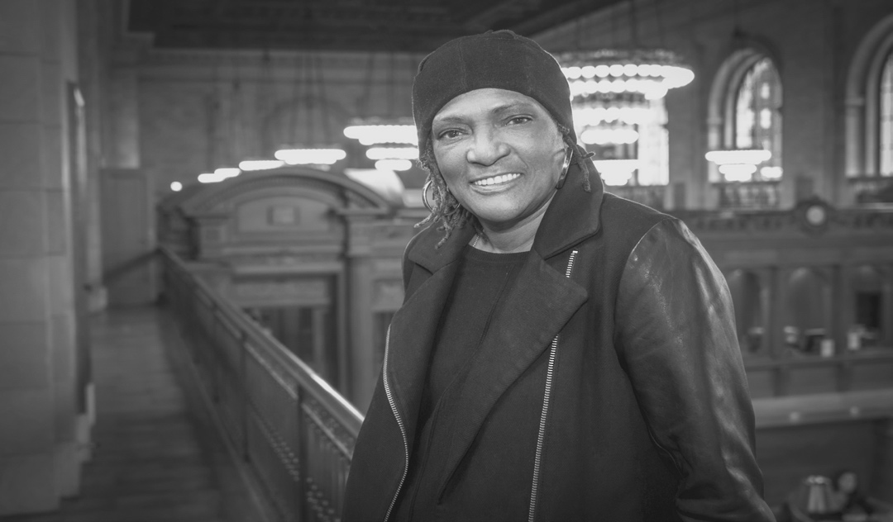
As a scholar-activist, drawing on my experience as a direct service pro- vider across a multitude of non-profit agencies and community-based organizations in New York City, I would offer it is counter-productive
to view the geography of reentry and community reintegration as a ‘static’ event specific to criminal justice. Rather, the greatest chal- lenges lie in the institutional structures and arrangements that, at every turn, serve as a re-imposition of the systemic barricades which justice-involved and formerly incarcerated people face upon return to their communities. To paraphrase a close colleague: ‘it is a given that most people who are incarcerated will at some point be released from jails and prisons, as evidenced by the thousands of people who are released from prisons and jails [across the nation] every single day.’
It is precisely this material reality that pushes us to contemplate and re-conceptualize the conventional understanding of the reentry and community reintegration framework. In characterizing the process of reentry and community reintegration as a ‘continuum’, instead of
‘static’, it is the implicit acknowledgement which forces us, as commu- nity organizers, advocates, scholars and policy-makers, to reconsider what conditions will best support people’s freedom upon their return home.
As a child born and raised in NYC’s El Barrio, education was a core
value that stood as a timeless signifier of hope and aspiration, embod- 35
ied and understood as ‘something nobody can take away from you/ algo que nadie te puede quitar’. Today as a PhD candidate in the Earth and Environmental Sciences/Geography Doctoral Program at the CUNY Graduate Center, I still hear the long-ago voices of my parents, along with those of my El Barrio ‘familia’ counseling me: “you can do it/puedes hacerlo.” And while my life journey has been rich, and has afforded me incredible opportunity involving many stops and places along the way—including the prison—the labors of life are not easy. Mindful of the endless hours I spent as a child in the library branch located on El Barrio’s 110th street, the afternoons I spent as an adult in the law library located on the grounds of New York State’s Taconic Correctional Facility, and onto the research libraries of some of the
world’s most prestigious academic institutions, it is the vernacular of “you can do it/puedes hacerlo” which stands in testimony as an
expression of what the writer Junot Diaz describes as ‘radical hope.’ As an apt metaphor for ‘life after incarceration,’ Diaz states, “radical hope is our best weapon against despair, even when despair seems justifi- able; it makes the survival of the end of your world possible.” Indeed, it is radical hope that both gestures to and gives rise to the language of possibility and promise that provokes a radical re-imagining of our lives after incarceration and imprisonment. Thus, radical hope allows us to remember that as the formerly incarcerated and imprisoned: ‘we have already survived the end of our world.’ It is this same radical hope that will sustain us as we journey forward collectively, as well as in each of our individual lives.
NYPL’s Connections stands not only as a comprehensive resource guide for the many of whom are justice-involved and those returning home from New York jails and prisons—but that which might also be imagined and understood as an important link in rethinking how we might address the myriad of relational issues the reentry and commu- nity reintegration paradigm poses.
A wide variety of opportunities exist for continuing education in New York City. A range of literacy programs help adults learn to read and improve their reading. Vocational training programs are designed
to prepare students for entry-level positions in a number of differ-
36 ent industries. Alternative degree programs allow a person to work towards a degree without necessarily having to attend classes. There are innumerable college-level programs to enroll in, as well as organiza- tions to help individuals explore what path is right for them.
Adult Literacy, High School Equivalency & ESOL
There are three levels of adult literacy classes: Beginning programs help adults learn to read and write. Intermediate programs help those who read below a sixth-grade level improve their reading and writing skills. Advanced programs assist people who read at a sixth- through eighth-grade level. Sometimes literacy programs are called Adult Basic Education (ABE) programs, while advanced adult lit- eracy programs are often referred to as pre–High School Equivalency (pre-HSE). These focus on reading, writing, math, social science, and other subjects.
Since January 2014, individuals in New York State who are seeking a High School Equivalency (HSE) diploma no longer take the GED, but instead take the Test Assessing Secondary Completion (TASC). New York State has chosen to use the TASC for the HSE exam.
The TASC includes five sections:
• Language Arts—Reading
• Language Arts—Writing (which includes an essay)
• Mathematics (which includes a calculator section and a section in which calculators are not allowed)
• Science (calculators are permitted)
• Social Studies
37

THE NEW YORK PUBLIC LIBRARY— FREE ENGLISH CLASSES

Main Office: 310 East Kingsbridge Road, Bronx, NY 10458 Telephone: 718.579.4244 A
www.nypl.org/english
www.nypl.org/events/classes/esol/spanish-classes (en Español)
The New York Public Library helps adult students (over the age of 16 and not enrolled in school) improve their communication skills in English. Two types of English classes are offered, available at more than 40 libraries in the Bronx, Manhattan, and Staten Island. ESOL
classes are for nonnative speakers to improve listening, speaking, reading, and writing. Adult Basic Education classes are for students who already speak English but want to improve their reading and writing.
These are free series-based classes, held year-round in 10-week cycles. Most classes meet two days each week, for two hours each day. Select classes meet on Saturday mornings for four hours.
Classes are for beginner, intermediate, and advanced level students. Students must attend an information session to register for classes, and registration is required in order to attend these classes. Please note: classes are open to adults, testing is required for placement, documentation is not required, space is limited, and children are not allowed at registration.
Drop-in English Conversation Classes
Already know English and want to practice speaking with other people? Come to the library, and meet other people who are practic- ing English. In these classes, intermediate level English language learners will have the opportunity to: practice English by watching We Are New York videos and talking about them, talk with library volun- teers about current events, New York City, family life, and holidays, or prepare for the United States citizenship exam.
There are also high beginner level conversation classes available for students who have filed a USCIS N400 application and are prepar-
38 ing to take the United States citizenship exam in the next six to nine months.
BROOKLYN PUBLIC LIBRARY—

ADULT LITERACY, PRE-HSE AND ESOL
10 Grand Army Plaza, Brooklyn, NY 11238 Telephone: 718.230.2191 A www.bklynlibrary.org/adult-learning
Brooklyn Public Library’s (BPL) Adult Learning Centers provide free Adult Basic Education (ABE) for beginning adult readers and writers with the help of trained volunteer tutors. Adult Learning programs
provide opportunities to increase basic skills in reading, writing, and math, prepare for HSE (formerly GED) testing, taking the TASC test, or enroll in the National External Diploma Program (NEDP), learn English, increase civic engagement and develop the skills to transi- tion to further education and jobs.
BPL offers citizenship classes, English conversation groups, family cultural events, and adult literacy courses.
ESOL classes are offered at the beginning, intermediate, and advanced level at multiple locations. Students practice listening, speaking, reading, and writing English for everyday needs. Classes are part-time, twice a week for 3 hours each day. Each session runs between 10–11 weeks.

QUEENS LIBRARY—ADULT LEARNER PROGRAM AND NEW AMERICANS PROGRAM

Adult Learner Program
89-11 Merrick Blvd., Jamaica, NY 11432
Telephone: 718.990-8509 A www.queenslibrary.org/services/adult-literacy www.queenslibrary.org/yalp
The Adult Learner Program provides multiple services including:
ESOL classes at seven Adult Learning Centers for students 17 years 39

of age and older at the beginning, intermediate, and advanced levels, as well as English conversation groups. In addition the program offers Adult Basic Education classes in basic math, reading and writing skills, assistance in obtaining a High School Diploma through pre-HSE classes, TASC testing (formerly the GED) and the National External Diploma Program (NEDP), citizenship preparation, technol- ogy training, social service assistance and referrals with trained case managers.
New Americans Program
89-11 Merrick Blvd., Jamaica, NY 11432
Telephone: 718.990.0894 A
www.queenslibrary.org/newamericans
www.queenslibrary.org/esol
The Queens Library New Americans Program offers free workshops in the most widely spoken immigrant languages of Queens. Topics include: new immigrants’ acculturation, such as citizenship and
job-training information, advice on helping children learn, starting a business, health and social services. Also provides free readings, concerts, and workshops celebrating the literary, performing, and folk arts of immigrants from Asia, Africa, Europe, Latin America, and the Caribbean. The program provides ESOL classes at beginning, intermediate, and advanced levels as well as English conversation groups. The NYCitizenship program offers free services including appointments with an attorney for help with citizenship applications, information sessions about the citizenship process and its benefits, and free and confidential financial counseling. Additional immigration legal services (visas, Green Cards, etc.) are offered by appointment by the Immigrant Justice Corps. New Americans Corners are also available in each Queens Library Branch and adult learning centers including information on citizenship, ESOL classes, and citizenship preparation classes.
QUEENS LIBRARY—YOUNG ADULT LITERACY PROGRAM

89-11 Merrick Blvd., Jamaica, NY 11432
40 Telephone: 718.480.4230 A or 917.615.3198 A
www.queenslibrary.org/yalp
The Queens Library Young Adult Literacy Program (YALP) provides free educational assistance to young adults 16–24 years of age. YALP serves as a resource and referral center, providing young adult participants with a wide array of instructional, vocational, recreational, family support, and social services. Also offered are Job Readiness/Resume Preparation Workshops, Job Referrals, Computer-Assisted Instruction, Multicultural Workshops, Internships, and 5 hours of case management services weekly. This program is offered at three locations, Central Library (Jamaica), Far Rockaway,
and Astoria. Free Metrocards, Stipends, field trips, and incentives are available to participants.

OPTIONS COLLEGE COUNSELING— GODDARD RIVERSIDE COMMUNITY CENTER

352 West 110th Street, New York, NY 10025 Telephone: 646.758.6550 A
www.goddard.org/grcc/programs/ChildrenYouth/options
Offers one-to-one assistance with choosing and applying to college and other post-secondary education options, financial aid, scholar- ships, internships, essay-writing, and portfolios. The resource center offers up-to-date materials and Internet access. Appointments can be made Mon.–Thu. 11–5, and walk-in hours are Wed. 2–3:30.

CITY UNIVERSITY OF NEW YORK (CUNY)— ADULT LITERACY AND HSE PROGRAM

Telephone: 646.664.8016 A
www.literacy.cuny.edu

Provides free services in adult literacy, HSE preparation, and English for speakers of other languages (ESOL) classes for those age 19 and older. Classes are held at 14 City University of New York (CUNY) campuses throughout the five boroughs; it is necessary to contact each program directly (telephone numbers can be found on the
website) to register for classes. Each semester is 12 to 14 weeks 41
long (September through December, and January through May), and
it is important to call before the sessions begin, as classes can fill up fast.

LITERACY PARTNERS
75 Maiden Lane, 11th Floor, New York, NY 10038 Telephone: 212.725.9200 A www.literacypartners.org/programs
Provides HSE (Manhattan), pre-HSE (Manhattan), and ESOL (Bronx, Brooklyn, Queens) classes for adults ages 16 and over, as well as
English conversation (all boroughs, except Staten Island). Visit the website or call for locations, schedules, and registration information.
NEW YORK CITY DEPARTMENT OF EDUCATION— OFFICE OF ADULT AND CONTINUING EDUCATION
schools.nyc.gov/community/AdultEd/default.htm
The Office of Adult and Continuing Education offers free day, evening, and Saturday classes. Basic education, ESOL, and HSE test prepa- ration are available for adults 21 or older. All classes are taught by certified teachers. Classes are held at schools and community insti- tutions throughout the five boroughs. Students can take classes at any site regardless of which borough they live in. Call a specific site or go in person to register and test to determine placement.
Bronx Adult Learning Center
3450 East Tremont Avenue, Room 323, Bronx, NY 10465
Telephone: 718.863.4057
Brooklyn Adult Learning Center
475 Nostrand Avenue, Room 109, Brooklyn, NY 11216
Telephone: 718.638.2635
M.S. 61
42 400 Empire Blvd., Brooklyn, NY 11225 Telephone: 718.221.6703
Alternative Education Complex
500 8th Avenue (entrance at 269 West 35th Street), 7th Floor, New York, NY 10018
Telephone: 212.868.1650
Queens Adult Learning Center
27-35 Jackson Avenue, 3rd Floor, Long Island City, NY 11101 Telephone: 718.361.9480
Adult Educational Services
90-01 Sutphin Blvd., Jamaica, NY 11435 (Entrance is on 90th Avenue—Rufus King Avenue)

Telephone: 718.557.2568

CHINESE-AMERICAN PLANNING COUNCIL — ADULT LITERACY PROGRAM

165 Eldridge Street, 2nd Floor, New York, NY 10012 Telephone: 212.941.0041
www.cpc-nyc.org/programs
The Chinese-American Planning Council Adult Literacy Program provides free classes held in the mornings, afternoons, and evenings in Manhattan, Brooklyn, and Queens to help adult students learn the necessary skills for communication and professional development. The program provides six levels of classes to ensure level-appropriate instruction, from beginners to more advanced students. The program offers dedicated and highly qualified native and bilingual instructors and small class sizes for personalized attention and individual help.
Job development, workshops, and support are also available to students.

NEW YORK STATE DEPARTMENT OF EDUCATION— HSE TESTING OFFICE

43
P.O. Box 7348, Albany, NY 12224 Telephone: 518.474.5906
www.acces.nysed.gov/hse/high-school-equivalency-hse
Provides information about the HSE test, including the application process, eligibility criteria, documentation requirements, test sites, and test schedule. The test application can be downloaded and printed from the website.

PER SCHOLAS INSTITUTE FOR TECHNOLOGY
Telephone: 718.991.8400 A
www.perscholas.org
804 East 138th Street, Bronx, NY 10454 630 Flushing Avenue, Brooklyn, NY 11206
Per Scholas Institute provides tuition-free technology-education training and career-placement services. Graduates receive ongoing professional and career-development services. Courses range from IT support and cybersecurity to quality assurance, and last between 8 and 18 weeks. After completing the training, graduates are eli- gible to test for professional certifications including CompTIA, A+, Network+, or Cisco. Graduates have an 80 percent job-placement rate. Per Scholas courses are designed for unemployed or underem- ployed adults 18 and older interested in a career in technology. Must possess high school diploma or HSE and basic reading and math skills. Visit the website for additional eligibility information and to apply online.
OPPORTUNITIES FOR A BETTER TOMORROW (OBT)
783 4th Avenue, Brooklyn, NY 11232
Telephone: 718.369.0303 www.obtjobs.org

44 Opportunities for a Better Tomorrow (OBT) is a nonprofit that ser- vices youth ages 17–24 who are in need of employment, their HSE diploma, or college access services. By combining services like counseling, workforce-development training, academic support, and employment opportunities, OBT builds productive, self-sufficient, and financially secure adults from the ground up. OBT’s youth programs include HSE classes, clerical job skills and certifications, advanced certifications in the medical and tech field, and paid internship programs. OBT also offers educational and employment services to adults 18 and over, including HSE and English classes, certifications, and direct job-placement assistance. Multiple locations in Brooklyn and Queens.
Continuing Education

CITY UNIVERSITY OF NEW YORK (CUNY)

1114 Avenue of the Americas, 15th Floor, New York, NY 10036 Telephone: 212.997.2869
www.cuny.edu

City University of New York (CUNY) is the nation’s leading urban public university serving more than 540,000 students at 24 col- leges and institutions in New York City. CUNY’s open admissions policy ensures that any person who has a high school diploma or equivalency from a New York State school is eligible for admission into any of its community colleges. Specific eligibility requirements exist for admission into its senior colleges. Contact CUNY at the above address or telephone number to request course schedules for specific colleges. CUNY also offers adult education: ESOL and pre- HSE, HSE, and college-transition preparation. Visit CUNY’s Welcome Center at the address listed above, Mon.–Thu. 9–6, Fri. 12–5, and ask to speak with a college admissions counselor. Various languages spoken. Accessible to people with disabilities. Due to high all volume, contact the Help Desk for Students via email for quickest response: aonline@mail.cuny.edu
THE COLLEGE INITIATIVE 45

555 West 57th Street, 6th Floor, New York, NY 10019 Telephone: 212.887.6204 A www.johnjaypri.org/educational-initiatives/college-initiative
College Initiative (CI), a Prisoner Reentry Institute (PRI) educational ini- tiative, helps make the college dreams of formerly incarcerated and court-involved men and women a reality by providing the guidance and practical assistance they need to enroll in college and succeed there. In order to become part of College Initiative you must have your high school diploma or HSE. CI also provides correspondence to individuals who are still incarcerated, focusing on providing informa-
tion regarding higher education. Please call to set up an appointment for your initial consultation.

FUTURE NOW
Bronx Community College

Gould Residence Hall, 5th Floor, 2155 University Avenue Bronx, New York 10453
Telephone: 718.289.5852 A
www.bcc.cuny.edu/Future-Now
Future Now at Bronx Community College offers free HSE preparatory classes through the New York City Department of Education’s P2G Program for students aged 17½–20, and through the Department of Youth and Community Development (DYCD) for students ages 17–24. For DYCD program, students must reside in the following zip codes: 10452, 10453, 10457, 10458, 10468.
Future Now also offers free college enrollment and ongoing support upon attainment of HSE. Services include college preparatory classes, peer mentoring, internships, and individual tutoring. All stu- dents who successfully enroll in college become immediate members of Club IMPACT (Improving My Progress at College Today), a striving student-led organization that provides support to students while they complete their college education.
46
COLLEGE & COMMUNITY FELLOWSHIP
475 Riverside Drive, Suite 1626, New York, NY 10115
Telephone: 646.380.7777 A
www.collegeandcommunity.org
College & Community Fellowship (CCF) guides formerly incarcerated women seeking to reclaim their lives through the stages of higher education while promoting their leadership, self-advocacy, artistic expression, and long-term success. College counseling and financial advisement is offered to participants. Academic scholarships and incentives such as transportation assistance, book assistance, and
school supplies are given per school semester for participants. Appointments must be made for intake. CCF offers mentorship to incarcerated women who are within 90 days of their release.

STATE UNIVERSITY OF NEW YORK (SUNY)
Center for Student Recruitment & SUNY Welcome Center 33 West 42nd Street, 18th Floor, New York, NY 10036 Telephone: 212.364.5821
www.suny.edu
SUNY consists of 64 academic institutions throughout New York State, including universities, undergraduate colleges, technology institutes, and community colleges. SUNY offers online degree and certificate programs. The SUNY Application Viewbook describes the campuses and programs offered and can be downloaded or ordered from the website. The Recruitment Center provides one-on-one
and group counseling on college selection and financial aid, assists with the admissions application, and maintains a computer lab for completing and submitting your online application, admissions appli- cation, and maintains a computer lab for completing and submitting your online application.
Financial Aid
47

The website www.finaid.org is an online resource that provides a comprehensive summary of financial aid information, advice, and tools. Describes scholarships, fellowships, grants, loans, and other assistance available to students, as well as specialized aid for stu-
...
go to nypl.org/moneymatters and click on the counseling icon. 77
Financial Counseling can help individuals plan for their future. Financial professionals offer their expertise free of charge and will answer questions about any personal money matters one might have. Half-hour sessions are private and confidential. Clients should bring any documents that might be relevant to their question. For an appointment with a financial counselor, please go to nypl.org/ moneymatters and click on the counseling icon.
Medicare Counseling answers questions about Medicare, prescrip- tion drug plans, and coverage costs. A representative from the New York City Department for the Aging’s Health Insurance Information
Counseling and Assistance Program (HIICAP) answers Medicare ques- tions. Free 45-minute one-on-one confidential counseling sessions are available on Fri. 2–6 in The Business Library. For an appointment with a Medicare counselor, please go to nypl.org/moneymatters and click on the counseling icon.

CAMBA

2211 Church Avenue, Brooklyn, NY 11226
Telephone: 718.282.0108 www.camba.org/programs/economicdevelopment
CAMBA offers financial counseling services such as: money management and credit repair, services to Housing Preservation and Development (HPD) Section 8 recipients, foreclosure prevention
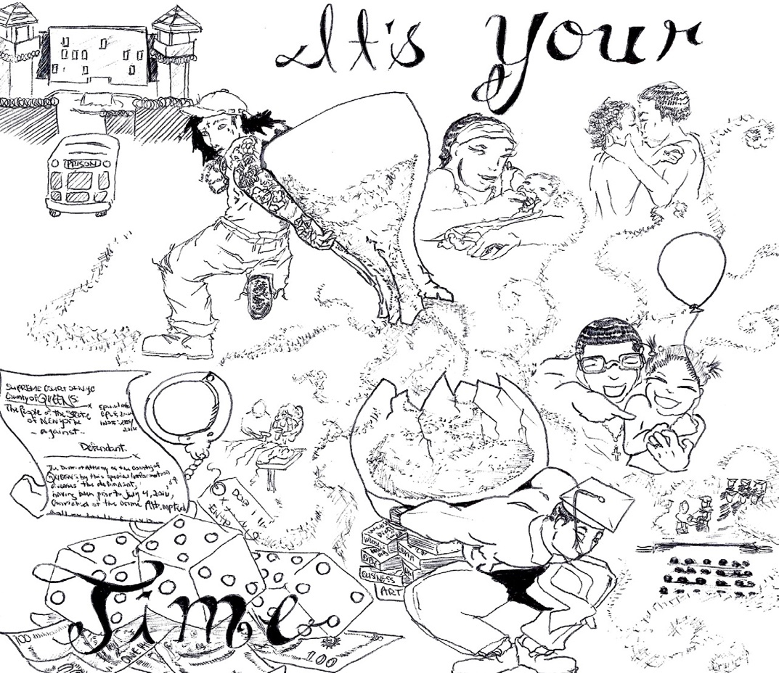
counseling, and acculturation education for refugees who come to New York to reunite with their families. Call to make an appointment.

MONEY MANAGEMENT INTERNATIONAL
Telephone: 866.889.9347 (24 hours, 7 days a week) A
www.moneymanagement.org
1501 Broadway, 12th Floor, Suite 12021, New York, NY 10036
78
903 Sheridan Ave, 2nd Floor, Suite 1, Bronx NY, 10451
300 Cadman Plaza W, 12th Floor, Suite 12160, Brooklyn NY,
...
70A Greenwich Avenue, Suite 337, New York, NY 10011 Telephone: 917.722.6912 A
www.shopliftingprevention.org
The National Association for Shoplifting Prevention (NASP) is the nationwide leader in shoplifting prevention efforts. NASP’s unparal- leled shoplifter research and ongoing collaboration with community stakeholders—crime prevention,law enforcement, retailers, criminal and juvenile justice—has been the basis for all its organizational activities, programs, and services. Call for help in avoiding shoplifting or to inquire about the Shoplifters Alternative Course (SA Course). If court ordered, sign up for the SA Course can be done either online or via telephone. The SA Course is available for adults in Spanish in the CD and workbook form only, not the online version.
115
For detailed information on how to clean up one’s rap sheet, restore one’s rights, and avoid discrimination while looking for work, see The Job Search, pages 280–288.

LEGAL ACTION CENTER (LAC)
225 Varick Street, New York, NY 10014 Telephone: 212.243.1313 A www.lac.org
The Legal Action Center is a nonprofit organization providing free legal services to formerly incarcerated people, recovering alcohol- ics, and substance abusers. It will help clients obtain their rap sheet (arrest and conviction record) and provide information on how to clean up one’s rap sheet (seal records, correct inaccuracies, and obtain Certificates of Relief from Disabilities and Certificates of Good Conduct from the courts). It will also counsel clients on their rights when seeking employment. For those who feel they have been unfairly discriminated against as a formerly incarcerated person,

or for those who want information on how to obtain bonding for a particular job, the Legal Action Center can be of help. It also offers advice and representation on a range of legal problems for people with HIV infection and their families, past and current substance abusers, women, and children.
Artwork by Daniel Peña
Individuals should keep a copy of their prison release papers as they might prove useful in becoming eligible for certain benefits or programs. If they are lost, people formerly incarcerated in state
facilities can write to those facilities for copies. Those formerly incar- cerated in New York City may call 311 and ask for Inmate Jail Release Services.

NEW YORK CITY BAR LEGAL REFERRAL SERVICE
42 West 44th Street, New York, NY 10036 Telephone: 212.626.7373 / Spanish: 212.626.7374
www.citybarlegalreferral.org
117
...
134 New York University School of Law, Furman Hall, 245 Sullivan Street, 5th Floor, New York, NY 10012
KHALIL CUMBERBATCH

achieved once I had all this additional support and mentorship behind me. Then when I said I wanted to complete a master's degree in five years, I turned to the same support systems for help once again and felt assured I could overcome any obstacle in my path. And I did it, I now have my Masters of Social Work degree.
136
I know now that reentry actually starts from the time you enter prison, not from the time you leave. That if you're waiting until the moment you leave prison to think thoughtfully and intricately about your re-entry, you're already behind. The resources available in Connections gave me advance knowledge of places like The Fortune Society, and others, available to support and guide me during the most pivotal points of my reentry.
I knew what some of the goals of my reentry were going to be, but I didn’t always know exactly how to get there, what steps to take, what barriers to anticipate, or where to turn to ask questions. For example, I knew I wanted to continue my college education shortly after my release, but I didn’t know what schools would accept
me, how financial aid operated, or what fees were associated with applying. But I didn’t let that deter my dream, instead I sought out resources to counsel me through the process.
And I did it. I got out in February, and I was enrolled in classes by November. When I said that I wanted to finish my undergradu-
ate study in two years, I felt more confident that my goal could be

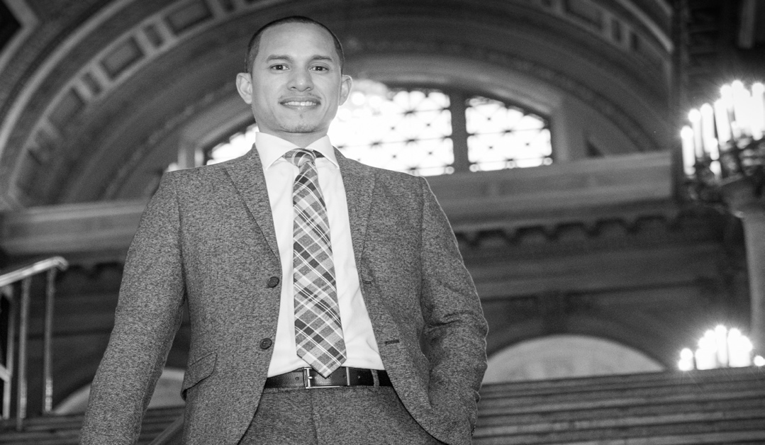
But before I could walk the stage to collect my degree, another unan- ticipated obstacle protruded into my path: Immigration and Customs Enforcement (ICE). While I had known there may be immigration consequences associated with my conviction, I was inadequately pre- pared for it to happen. This wasn’t on my radar as part of my reentry plan. So once again, I was looking for a resource that could answer the many questions swirling in my head and navigate this unfamiliar process with me. I had never heard of Immigrant Defense Project,
a non-profit that assists people facing immigration consequences as a result of justice involvement. I never talked to anyone about what a plan would look like in case ICE came to detain me. If you are not a U.S. citizen and you have a criminal conviction, please use Connections to locate a resource that can assist you with your plan- ning pre-release. It’s important for you to start the planning process
right now while serving your sentence and gather information to fully understand your rights.
For example, when Immigration Customs Enforcement came to my home and said that they were there to conduct an investigation, had I known what rights I had in this situation, I could have asked some questions, such as: "Can I see the warrant?" or, "Can I see what paperwork you have. Is it signed by a judge?” This would have helped me to ascertain whether or not they legally can enter my home and detain me. In my case, they were not legally allowed to enter my residence, but I was unaware of that at the time and therefore let them in.
—Moreover, I cannot stress enough, how important it is to network and build a support system while serving your sentence so upon release you can leverage that network to aid in your reentry. Reentry is so tough. I know it's tough, and I know it's time-consuming, exhausting, and at times discouraging. It’s easy to get swept up into the unexpected “priorities” that pop up after you’re released, but you can’t lose sight of the long-term reentry goals you set for yourself.
137
138
You have to prioritize yourself and your reentry even though at times that may be extremely difficult. Despite all of the challenges you may face, don’t ever forget that a successful, fulfilling, and happy life is waiting for you on the other side. You just have to go and claim it.
Immigration
Immigration laws and policies change frequently. It is important to stay up to date with these changes and to understand your rights. Always speak to a lawyer or contact one of the organizations listed in this chapter to find legal support and advice. As a general rule, do not discuss your immigration status with anyone but a lawyer.
...
NEW YORK CITY DEPARTMENT OF TRANSPORTATION— PARKING PERMITS FOR PEOPLE WITH DISABILITIES
164
Call for information on obtaining a special parking permit for physi- cally disabled residents. Apply online for both New York State and New York City permits.

NEW YORK CITY TAXI AND LIMOUSINE COMMISSION— WHEELCHAIR-ACCESSIBLE TAXI SERVICE

www.accessibledispatch.com
Telephone: 646.599.9999 (dispatch)
The New York City Taxi and Limousine Commission provides wheelchair-accessible yellow taxi dispatching services. Wheelchair- accessible yellow taxis will respond to trips originating in Manhattan and ending anywhere in the five boroughs, Westchester and Nassau counties, and the three regional airports. There are no extra costs to passengers. To book a taxi, call 311 or call the dispatch directly. Users may also book online at the address above.

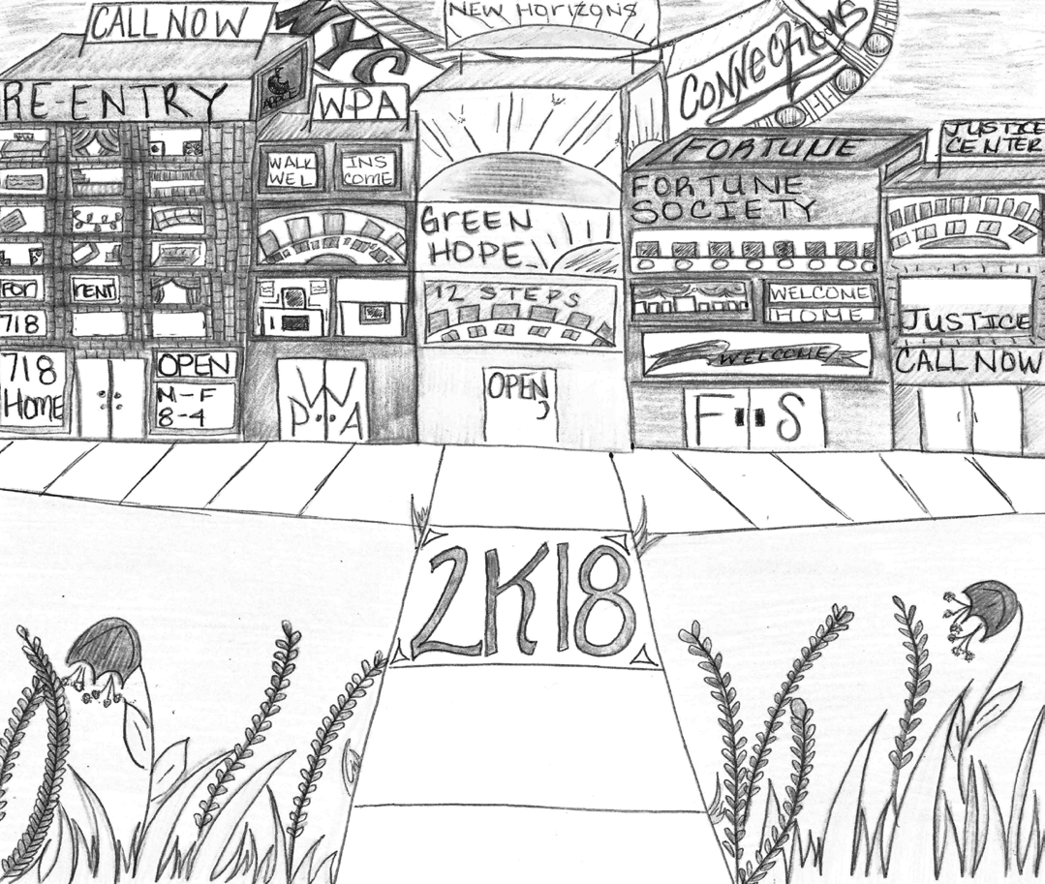
NEW YORK STATE OFFICE FOR PEOPLE WITH DEVELOPMENTAL DISABILITIES

www.opwdd.ny.gov
The Office for People with Developmental Disabilities (OPWDD) certifies and regulates more than 700 nonprofit providers who deliver direct care to individuals with developmental disabilities. These providers offer a wide variety of services and supports, which visitors can review in OPWDD’s online provider directory at www.providerdirectory.opwdd.ny.gov. For information on referral services, please call the OPWDD at one of the local Developmental Disabilities Regional Offices below:
Queens: 718.217.5890
Brooklyn: 718.642.6000
Manhattan: 646.766.3222
Bronx: 718.430.0885
Staten Island: 718.983.5233
Women
...
Youth & Family Resources
WHEN WE ARE YOUNG, THE WORDS ARE SCAT TERED ALL AROUND US. AS THE Y ARE ASSEMBLED BY
E XPERIENCE , SO ALSO ARE WE , SENTENCE BY SENTENCE , UNTIL THE STORY TAKES SHAPE .
– LOUISE ERDRICH, THE PL AGUE OF DOVES
196
JOYCE MCMILLAN

children are anger, visits, and housing. Parents are only allowed to visit their children once a week for two hours, which equates to four days a year. The shortage of visits are a huge barrier because it’s very difficult to maintain a relationship with a child who is growing and whose personality is changing so quickly when you are only seeing your child 4 days out of the year.


Both parents and children become angry during the process of sepa- ration. What I discovered is I had to put the anger aside to focus on a more important task. The anger makes it difficult to find and maintain supports, and the supports are needed to accomplish the goal of reunification.
198
Connections did for me exactly what the title says. After being incarcerated, I was released to homelessness. I began living in a three-quarter house in Bushwick, Brooklyn. I spent a lot of time think- ing about how to best support myself without risking my freedom.
One of the things I thought about was my environment being a direct link to my choices.
Upon my release I was given a book titled Connections, and began to skim through it. Its sections included up-to-date, relevant resources needed to successfully re-enter society. It became my resource guide.
I was in need of affordable housing, employment that could sustain me. And I was seeking to reunite with my child who was in foster care. For me, the most challenging thing was regaining custody of my daughter.
I learned many things about the Administration of Children Services (ACS) and Foster Care as a whole. It was a process that seemed impossible to navigate. The biggest barriers to regaining custody of
I never stopped being angry, but I used my anger to educate myself on the system and its intersectionality to other systems. I became empowered. I was no longer an angry victim. Today I am the Director of Programming at Child Welfare Organizing Project, where I manage programs designed to heal, educate, advocate, and organize parents, children, families, and community to transform the current punitive and traumatizing system into a REAL child welfare system that preserves families while providing proper supports to foster the family unit and help them thrive.
199
Resources for Court-Involved & Disconnected Youth
...
The Head Start Program (ages 3–5) provides preschool develop- ment services to age and income eligible children and their families. Includes education, health, nutrition, and social services. Call 311 or visit www1.nyc.gov/nyc-resources/service/1132/head-start- program for more information.
221
Many museums have special rates or are free on certain days or evenings. Call for information on current exhibits, fees, and travel directions.

AMERICAN MUSEUM OF NATURAL HISTORY
81 Central Park West (at 79th Street), New York, NY 10024 Telephone: 212.769.5100
www.amnh.org
Discover information about human cultures, the natural world, and the universe through wide-ranging programs and education, exhibi- tions, and scientific collections. Museum is open daily, 10–5:45. Any donation amount is appreciated to enter.


BROOKLYN MUSEUM

200 Eastern Parkway, Brooklyn, NY 11238
Telephone: 718.638.5000 www.brooklynmuseum.org
Artwork by John Espinoza
Includes a world-renowned Egyptian art collection. On the first Saturday of every month, the Brooklyn Museum hosts a free night of culture from 5–11 pm, with live music, dance, movie screenings, arts and crafts, guided tours, and more.

METROPOLITAN MUSEUM OF ART

1000 5th Avenue (at 82nd Street), New York, NY 10028 Telephone: 212.535.7710
...
Second, entry-level work can provide important contacts for further employment. This is especially true when one exhibits excellent habits and a strong work ethic, despite having limited responsibility. When one takes a low-level position, it is essential to set long-range goals to move forward. Avoid the attitude “I’ll never take such a low- paying job.” For the vast majority of people, there are no sustainable shortcuts to wealth.
For many, returning home to one’s community can be overwhelm- ing—especially after a lengthy prison term. Remember, always, that there is never any reason to be defensive, or apologetic, about who you are. The task now is to take control over your life. The decision as to whether or not one returns to prison will rest, ultimately, with each person as an individual—not with parole officers, friends, or family members. Finding a job, and holding on to it, will be an impor- tant step for most in readjusting. We hope The Job Search will be of help in this regard.
Organizations for Job Seekers
HONOR THE HANDS THAT HARVEST YOUR CROPS.
– DOLORES HUERTA
ROY WATERMAN

people returning from prison and I am very thankful for that. I had a community of people who were invested in my success before I

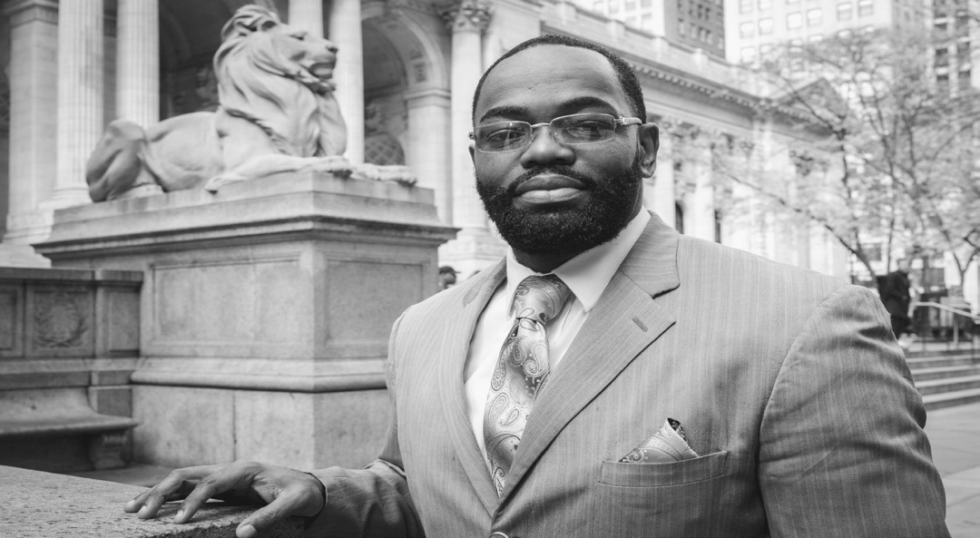
was even released. I had a place to rest my head at night. I had a job already set up for me. I also believe that therapy is very important for successful reentry. I started seeing a therapist right away because
I had seen and experienced some things while in prison and I knew I needed professional help to sort out these things in my head. I am still seeing a therapist almost nine years after my release. We all
could use some sort of therapy or counseling, so don’t automatically rule it out of your reentry plans.
246
I am a formerly incarcerated man who spent almost 13 years in state and federal prison. I look at Connections as a resource guide to assist those who are incarcerated, and those who are coming home. When you’re incarcerated, you have a lot of free time in your hands, and it’s nothing to go through this book and take notes on pages that you feel could be beneficial to you upon your release.
When people return home, we typically have a parole or probation officer who is on our back to get employment immediately. They repeat the usual phrase, “get a job, or I am sending you back to prison.” This can be so disheartening to some returning home who have possibly never worked a traditional job. It’s one thing to get a job, but you’re not going to know how to maintain and keep the job if you know nothing about what it means to be an employee. If you know nothing about the importance of showing up to work on time, the importance of how you should be speaking to and treating your coworkers, or how you should be conducting yourself in the work- place, how will you be successful? You won’t. Job readiness training is a pivotal tool for anyone to learn how to be successful at work.
My transition back home was not as difficult as it has been for some
Before I came home, I was selling desserts and food in prison. It’s crazy because I never realized that it could be something that I can make a living out of. I just took it as a hobby, something to help keep me busy while in prison. I believe food is very therapeutic. It helped me escape the conditions of prison while I was preparing a meal. I believe that food has the uncanny ability of bringing people together. Strangers, enemies, friends… food is that one thing, because we all got to eat. Right? We all have to eat.
I realized when I was in prison that selling food and desserts was a hustle, so when I came home, I started a baking business. I realized I needed to use my passion for food in a way where I could make a living, and also hire formerly incarcerated people for food prep and serving. I started taking a business course to learn all about entre- preneurship and how to run a successful business. I became a chef and in 2012 I started my own catering business of Southern and Caribbean food, which is still operational today.
We live in a society now where you have to have multiple legit hustles going on at the same time. Entrepreneurship, especially for those who are formerly incarcerated, is critical to one’s growth and devel- opment because, as I realized early on in my reentry, I wasn’t going to get paid anywhere near my worth if I continued to work for others. You have to ask yourself, what am I most passionate about? What do I love to do? Can I make money off of it? Is it a hobby or a business? What problem am I solving by starting this business? These are ques- tions you need to ask no matter what business you are starting.
...

