Sheet1
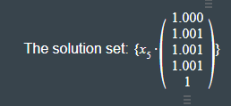
330 | 270 | 188 | 129 | 80 | 997
240 | 238 | 216 | 177 | 127 | 998
180 | 198 | 218 | 215 | 187 | 998
137 | 162 | 206 | 239 | 254 | 998
116 | 126 | 171 | 237 | 347 | 997
1003 | 994 | 999 | 997 | 995

0.33 | 0.27 | 0.188 | 0.129 | 0.08
0.24 | 0.238 | 0.216 | 0.177 | 0.127
0.18 | 0.198 | 0.218 | 0.215 | 0.187
0.137 | 0.162 | 0.206 | 0.239 | 0.254
0.116 | 0.126 | 0.171 | 0.237 | 0.347

