Geometry and loads
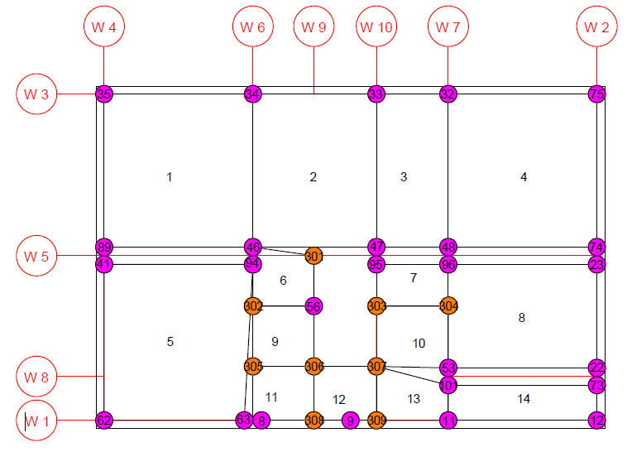
Thrusts to compensate for retrofitted vaults

Author: | Aline F. Bönzli
Date: | 2024-01-16
Item: | Vaults Ground floor
 |  | Length |  | Area | Height |  | Thickness | Live load and vault material |  | Filling material |  |  |  |  | Total
Number | Direction | Lx | Ly | A | fx | fy | s | Mass | Load | Mass | Volume | Total mass | Surface mass | Load | Load
[-] | [-] | [m] | [m] | [m2] | [m] | [m] | [m] | [kg/m2] | [N/m2] | [kg/m3] | [m3] | [kg] | [kg/m2] | [N/m2] | [N/m2]
1 | Y | 5.18 | 5.62 | 29.11 | 0 | 1.225 | 0.15 | 373 | 3663 | 1400 | 10.92 | 15287 | 525 | 5151 | 8814
2 | Y | 4.3 | 5.62 | 24.17 | 0 | 1.225 | 0.15 | 373 | 3663 | 1400 | 9.06 | 12690 | 525 | 5151 | 8814
3 | Y | 2.5 | 5.62 | 14.05 | 0 | 1.225 | 0.15 | 373 | 3663 | 1400 | 5.27 | 7378 | 525 | 5151 | 8814
4 | Y | 5.17 | 5.62 | 29.06 | 0 | 1.225 | 0.15 | 373 | 3663 | 1400 | 10.90 | 15257 | 525 | 5151 | 8814
5 | X | 5.18 | 5.73 | 29.68 | 1.225 | 0 | 0.15 | 373 | 3663 | 1400 | 11.13 | 15586 | 525 | 5151 | 8814
8 | X | 5.17 | 4.2 | 21.71 | 1.225 | 0 | 0.15 | 373 | 3663 | 1400 | 8.14 | 11402 | 525 | 5151 | 8814
14 | Y | 5.17 | 1.53 | 7.91 | 0 | 0.1 | 0.15 | 373 | 3663 | 1400 | 1.06 | 1480 | 187 | 1836 | 5498

