Sheet1
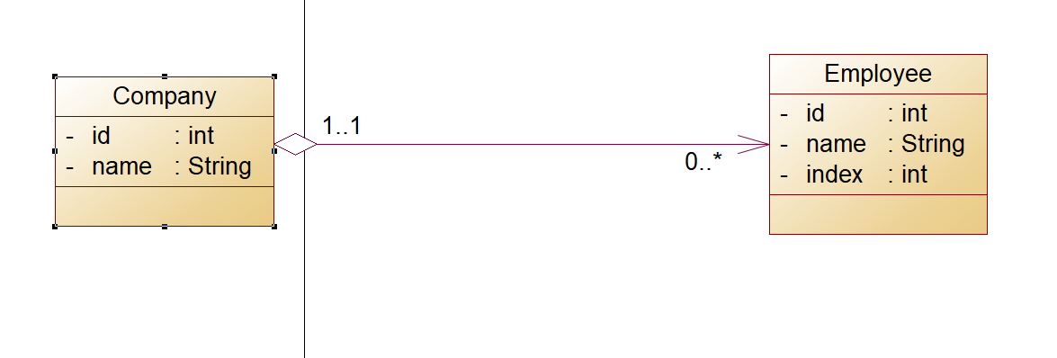
 |  |  | employee
 |  | Column1 | Column2 | Column3 | Column4
 | company | id | name | index | company_fk
Column1 | Column2 | 1 | bogdan | 4382 | 1
id | name | 2 | bogdan2 | 4381 | 2
1 | microsoft | 3 | bogdan3 | 4383 | 3
2 | epic | 4 | bogdan4 | 4384 | 2
3 | symphony

