Аркуш1
 |  |  | diag = 1

 | 1 | 1 | 1 | 1 | 1
 | 0 | 0 | 0 | 0 | 0
 | 1 | 1 | 1 | 1 | 1 |  | 0 | 0 | 0
 | 1 | 1 | 0 | 1 | 1 |  | 1 | 1 | 1
 | 0 | 1 | 1 | 1 | 1 | z,y,x (0,5,0) | 1 | 1 | 1
 | 0 | 1 | 1 | 1 | 0 |  | 0 | 1 | 1
 | 0 | 1 | 1 | 1 | 1 |  | 0 | 1 | 1
z | 1 | 1 | 1 | 1 | 1 |  | 0 | 1 | 1 | for | i = 0 | i < cube.GetLength(0) | ++i
 | 0 | 0 | 0 | 0 | 0 |  |  |  |  |  | for | j = 0 | j < cube.GetLength(0) | ++j
 | 0 | 1 | 1 | 1 | 1
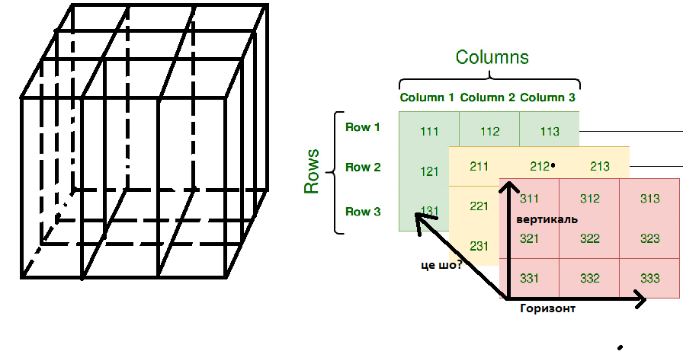
 | notX_Line | = false

 |  |  |  |  |  |  |  |  |  |  | z = 0, y = 0..2, x0..2
 |  |  |  |  |  |  |  |  |  |  | z = 0..2, y = 0, x = 0..2
 |  |  |  |  |  |  |  |  |  |  | z = 0..2, y = 0..2, x = 0

 |  |  |  |  |  |  | a | temp_horiz | a
 |  |  |  |  |  |  | 0 | 0 | 0
 |  |  |  |  |  |  | 0 | 1
 |  |  |  |  |  |  | 1 | 0
 |  |  |  |  |  |  | 1 | 1

