Graph
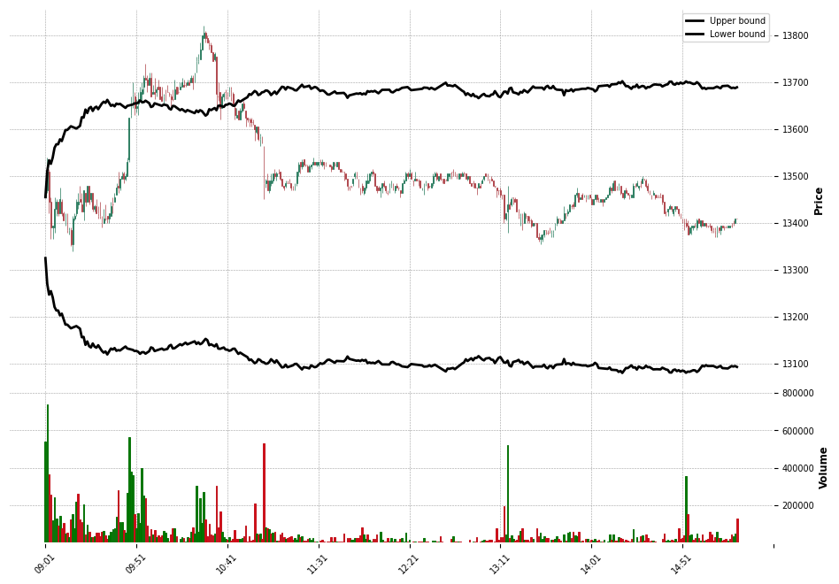
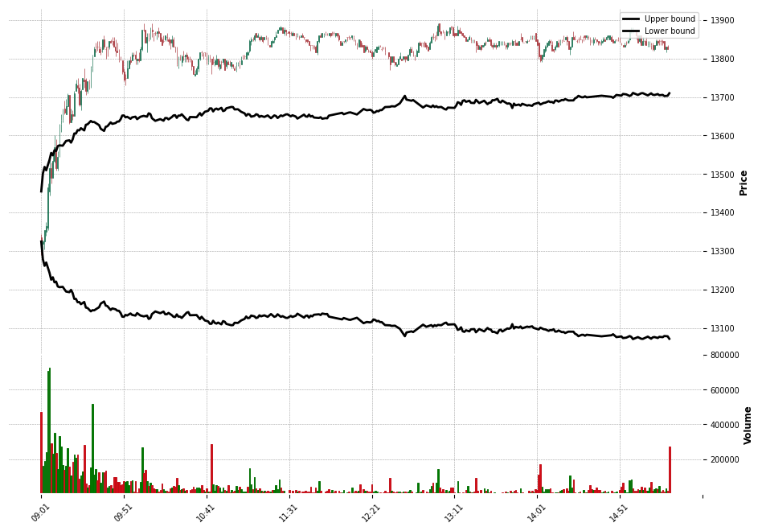
 | Upper | Lower | Close | VWAP | Position
09:01:00 | 13,481.35 | 13,298.91 | 13,470.00 | 13,466.67 | 0
09:02:00 | 13,510.54 | 13,270.00 | 13,510.00 | 13,488.81 | 0
09:03:00 | 13,533.70 | 13,247.06 | 13,445.00 | 13,482.38 | 0
09:04:00 | 13,526.02 | 13,254.66 | 13,390.00 | 13,471.75 | 0
09:05:00 | 13,539.28 | 13,241.53 | 13,395.00 | 13,466.60 | 0
09:06:00 | 13,560.27 | 13,220.75 | 13,430.00 | 13,461.76 | 0
09:07:00 | 13,567.81 | 13,213.28 | 13,445.00 | 13,460.38 | 0
09:08:00 | 13,567.83 | 13,213.26 | 13,420.00 | 13,459.16 | 0
09:09:00 | 13,578.40 | 13,202.79 | 13,450.00 | 13,458.56 | 0
09:10:00 | 13,574.65 | 13,206.51 | 13,420.00 | 13,457.69 | 0
09:11:00 | 13,586.17 | 13,195.10 | 13,405.00 | 13,455.98 | 0
09:12:00 | 13,598.24 | 13,183.14 | 13,420.00 | 13,455.19 | 0
09:13:00 | 13,598.25 | 13,183.13 | 13,385.00 | 13,454.06 | 0
09:14:00 | 13,601.99 | 13,179.43 | 13,390.00 | 13,453.34 | 0
09:15:00 | 13,606.25 | 13,175.22 | 13,355.00 | 13,449.79 | 0
09:16:00 | 13,604.43 | 13,177.01 | 13,410.00 | 13,446.85 | 0
09:17:00 | 13,603.38 | 13,178.05 | 13,415.00 | 13,446.06 | 0
09:18:00 | 13,601.36 | 13,180.05 | 13,445.00 | 13,445.48 | 0
09:19:00 | 13,605.03 | 13,176.42 | 13,445.00 | 13,445.56 | 0
09:20:00 | 13,606.94 | 13,174.52 | 13,445.00 | 13,445.91 | 0
09:21:00 | 13,625.54 | 13,156.11 | 13,425.00 | 13,445.71 | 0
09:22:00 | 13,624.72 | 13,156.92 | 13,470.00 | 13,445.84 | 0
09:23:00 | 13,641.93 | 13,139.88 | 13,445.00 | 13,445.86 | 0
09:24:00 | 13,634.45 | 13,147.28 | 13,480.00 | 13,446.36 | 0
09:25:00 | 13,644.67 | 13,137.16 | 13,445.00 | 13,446.47 | 0
09:26:00 | 13,647.47 | 13,134.39 | 13,465.00 | 13,446.56 | 0
09:27:00 | 13,638.87 | 13,142.91 | 13,430.00 | 13,446.51 | 0
09:28:00 | 13,645.58 | 13,136.26 | 13,435.00 | 13,446.40 | 0
09:29:00 | 13,648.03 | 13,133.84 | 13,420.00 | 13,446.20 | 0
09:30:00 | 13,642.62 | 13,139.20 | 13,415.00 | 13,445.89 | 0
09:31:00 | 13,649.66 | 13,132.22 | 13,415.00 | 13,445.71 | 0
09:32:00 | 13,654.70 | 13,127.23 | 13,400.00 | 13,445.15 | 0
09:33:00 | 13,658.63 | 13,123.34 | 13,410.00 | 13,444.73 | 0
09:34:00 | 13,656.07 | 13,125.88 | 13,410.00 | 13,444.50 | 0
09:35:00 | 13,662.58 | 13,119.42 | 13,410.00 | 13,444.34 | 0
09:36:00 | 13,655.33 | 13,126.61 | 13,420.00 | 13,444.09 | 0
09:37:00 | 13,649.78 | 13,132.10 | 13,435.00 | 13,443.94 | 0
09:38:00 | 13,651.96 | 13,129.95 | 13,440.00 | 13,443.85 | 0
09:39:00 | 13,648.76 | 13,133.11 | 13,455.00 | 13,444.02 | 0
09:40:00 | 13,654.65 | 13,127.28 | 13,475.00 | 13,444.81 | 0
09:41:00 | 13,653.16 | 13,128.76 | 13,475.00 | 13,446.76 | 0
09:42:00 | 13,654.05 | 13,127.87 | 13,495.00 | 13,447.55 | 0
09:43:00 | 13,651.93 | 13,129.97 | 13,500.00 | 13,448.57 | 0
09:44:00 | 13,648.17 | 13,133.70 | 13,495.00 | 13,449.14 | 0
09:45:00 | 13,645.42 | 13,136.42 | 13,500.00 | 13,449.59 | 0
09:46:00 | 13,649.71 | 13,132.18 | 13,530.00 | 13,452.76 | 0
09:47:00 | 13,650.14 | 13,131.74 | 13,625.00 | 13,464.52 | 0
09:48:00 | 13,651.91 | 13,130.00 | 13,650.00 | 13,474.31 | 0
09:49:00 | 13,652.66 | 13,129.25 | 13,675.00 | 13,483.97 | 0
09:50:00 | 13,655.21 | 13,126.73 | 13,645.00 | 13,487.40 | 0
...

