Case Investigation Details
Consultation Info
Previous Consultation |  |  | radio | Yes | No
Date of First Consult |  |  | text
Name of facility where first consult was done |  |  | text

Disposition at Time of Report
Disposition |  |  | radio | Admitted in hospital | Admitted in quarantine facility | In home quarantine | Discharged to home | Others
Admitted in hospital |  |  | text
Date admitted in hospital |  |  | text
Time admitted in hospital |  |  | text
Admitted in isolation / quarantine facility |  |  | text
Date isolated/quarantined in facility |  |  | text
Time isolated/quarantined in facility |  |  | text
Date isolated/quarantined at home |  |  | text
Time isolated/quarantined at home |  |  | text
If discharged Date of Discharge MMDDYYYY |  |  | text
Others |  |  | text

Health Status |  |  | radio | Asymptomamtic | Mild | Moderate | Severe | Critical

Case Classification |  |  | radio | Suspect | Probable | Confirmed | Non-COVID

Vaccination Information
Date of vaccinationRow1 |  |  | text
Name of VaccineRow1 |  |  | text
Dose numberRow1 |  |  | text
Vaccination centerfacilityRow1 |  |  | text
Region of health facilityRow1 |  |  | text
Adverse Event/s 1 |  |  | radio | Yes | No

Date of vaccinationRow2 |  |  | text
Name of VaccineRow2 |  |  | text
Dose numberRow2 |  |  | text
Vaccination centerfacilityRow2 |  |  | text
Region of health facilityRow2 |  |  | text
Adverse Event/s 2 |  |  | radio | Yes | No

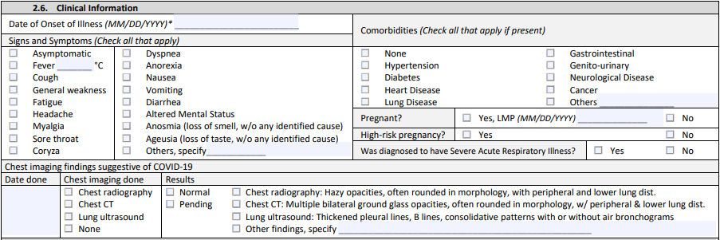
Clinical Info
Date of Onset of Illness
Signs and Symptoms (check group) (on)
 | SSAsymptomatic |  | check
 | SSFever |  | check
 |  | SSFever Value | text
 | SSCough |  | check
 | SSGeneral weakness |  | check
 | SSFatigue |  | check
 | SSHeadache |  | check
 | SSMyalgia |  | check
 | SSSore throat |  | check
 | SSCoryza |  | check
 | SSDyspnea |  | check
 | SSAnorexia |  | check
 | SSNausea |  | check
 | SSVomiting |  | check
 | SSDiarrhea |  | check
 | SSAltered Mental Status |  | check
 | SSAnosmia |  | check
 | SSAgeusia |  | check
 | SSOthers |  | check
 |  | Other Signs and Symptoms | text
Comorbidities (check group) (on)
 | CNone |  | check
 | CHypertension |  | check
 | CDiabetes |  | check
 | CHeart Disease |  | check
 | CLung Disease |  | check
 | CGastrointestinal |  | check
 | CGenito-urinary |  | check
 | CNeurological Disease |  | check
 | CCancer |  | check
 | COthers |  | check
 |  | Other comorbidities | text
Pregnant |  |  | radio | Yes | No
LMP |  |  | text
High-risk pregnancy |  |  | radio | Yes | No
Severe Acute Respiratory Illness |  |  | radio | Yes | No

Date of Chest Imaging |  |  | text
Imaging Done |  |  | radio | Chest radiography | Chest CT | Lung ultrasound | None
Chest imaging results |  |  | radio | Normal | Pending | Chest radiography | Chest CT | Lung ultrasound | Other | NEED TO FIX VALUES
Other chest imaging results |  |  | text

Lab Info
Tested positive before |  |  | radio | Yes | No
Date of specimen collection |  |  | text
Laboratory |  |  | text
RT-PCR Count |  |  | text

Date collected 1 |  |  | text
Date result released 1 |  |  | text
Laboratory 1 |  |  | text
Test Type 1 |  |  | radio | RT-PCR (OPS) | RT-PCR (NPS) | RT-PCR (OPS and NPS) | Antigen test | Antibody test | Other test
Antigen reason 1 |  |  | text
Antigen brand of kit 1 |  |  | text
Other lab test type 1 |  |  | text
Results1 |  |  | radio | Normal | Positive | Negative | Equivocal | Others
Other lab result 1 |  |  | text

Date collected 2 |  |  | text
Date result released 2 |  |  | text
Laboratory 2 |  |  | text
Test Type 2 |  |  | radio | RT-PCR (OPS) | RT-PCR (NPS) | RT-PCR (OPS and NPS) | Antigen test | Antibody test | Other test
Antigen reason 2 |  |  | text
Antigen brand of kit 2 |  |  | text
Other lab test type 2 |  |  | text
Results2 |  |  | radio | Normal | Positive | Negative | Equivocal | Others
Other lab result 2 |  |  | text

Outcome/Condition at Time of Report
Outcome |  |  | radio | Active | Recovered | Died
Date of Recovery |  |  | text
Date of Death |  |  | text
Immediate Cause |  |  | text
Underlying Cause |  |  | text
Antecedent Cause |  |  | text
Contributory Conditions |  |  | text

Contact Tracing
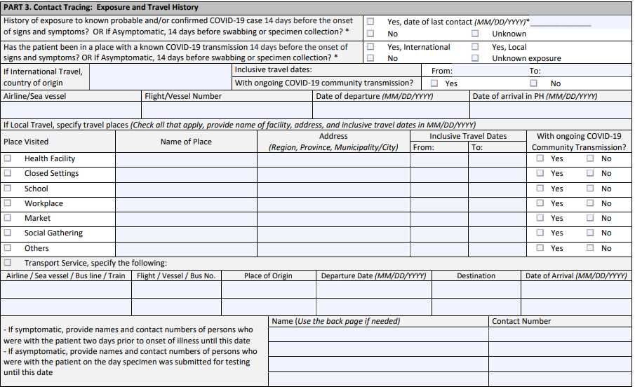
ExposureHistory | radio | Yes | No | Unknown
Date of last contact | text
TravelHistory | radio | Yes, International | Yes, Local | No | Unknown Exposure
If International Travel country of origin | text
From | text
To | text
CommunityTransmission-Int | radio | Yes | No
AirlineSea vessel | text
FlightVessel NumberRow1 | text
Date of departure | text
Date of arrival in PH | text

LHealth Facility | check | on
Name of PlaceHealth Facility | text
Address Region Province MunicipalityCityHealth Facility | text
FromHealth Facility | text
ToHealth Facility | text
CommunityTransmission-Local1 | radio | Yes | No

LClosed Settings | check | on
Name of PlaceClosed Settings | text
Address Region Province MunicipalityCityClosed Settings | text
FromClosed Settings | text
ToClosed Settings | text
CommunityTransmission-Local2 | radio | Yes | No

LSchool | check | on
Name of PlaceSchool | text
Address Region Province MunicipalityCitySchool | text
FromSchool | text
ToSchool | text
CommunityTransmission-Local3 | radio | Yes | No

LWorkplace | check | on
Name of PlaceWorkplace | text
Address Region Province MunicipalityCityWorkplace | text
FromWorkplace | text
ToWorkplace | text
CommunityTransmission-Local4 | radio | Yes | No

LMarket | check | on
Name of PlaceMarket | text
Address Region Province MunicipalityCityMarket | text
FromMarket | text
ToMarket | text
CommunityTransmission-Local6 | radio | Yes | No

LSocial Gathering | check | on
Name of PlaceSocial Gathering | text
Address Region Province MunicipalityCitySocial Gathering | text
FromSocial Gathering | text
ToSocial Gathering | text
CommunityTransmission-Local5 | radio | Yes | No

LOthers | check | on
Name of PlaceOthers | text
Address Region Province MunicipalityCityOthers | text
FromOthers | text
ToOthers | text
CommunityTransmission-Local7 | radio | Yes | No

LTransport Service
Airline Sea vessel Bus line TrainRow1 | text
Flight Vessel Bus NoRow1 | text
Place of OriginRow1 | text
Departure Date Row1 | text
DestinationRow1 | text
Date of Arrival Row1 | text

Airline Sea vessel Bus line TrainRow2 | text
Flight Vessel Bus NoRow2 | text
Place of OriginRow2 | text
Departure Date Row2 | text
DestinationRow2 | text
Date of Arrival Row2 | text

Close contact name 1 | text
Close contact number 1 | text
Close contact name 2 | text
Close contact number 2 | text
Close contact name 3 | text
Close contact number 3 | text
Close contact name 4 | text
Close contact number 4 | text

