7_26 and 27_2010 Adjustments
 |  | trtmplotid | vh2o_071410 | vh2o_072610_wmrCalib | adj_vh2o_072610 | neil hansen_vh2o_072610 | vh2o_073010
2010-07-15 | Our probe electronics went on blink, sent our electronics into shop, used Regensis CSU probe electronics 7/15 thru < 7/22; on 7/22 ran our returned electronics on our probe (blk D) and regenesis probe (blk B). Our electronics back into shop on 7/23 and Regensis electronics exhibiting problems. 7/26/10 borrowed Neil Hansens CSU probe and read all plots over 2 (7/26 and7/27) days. This calibration information is about adjusting his readings to our readings. Got our electronics back for the 7/30/10 on readings. | D11 | 13.75 | 15.05 | 15.05 | 15.05
 |  | D11 | 21.239424686 | 22.170959502 | 17.8567804 | 22.419260857 | 19.108961361
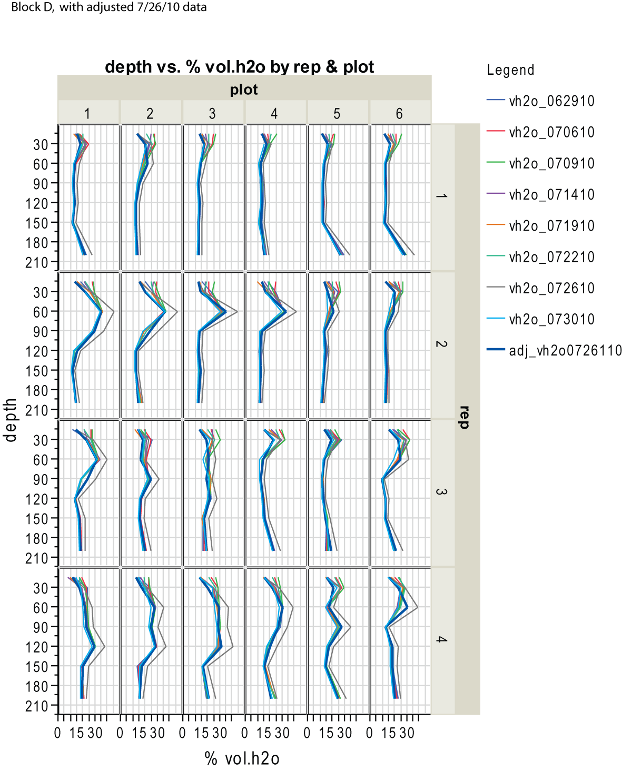
 |  | D11 | 13.179595001 | 16.62729832 | 13.6528046 | 15.392447726 | 11.80755919
 |  | D11 | 11.808945607 | 14.917335434 | 12.3560726 | 12.844407077 | 11.295695723
 | Hansen's probe tended to give us high readings (see plots) using our calibration. Using his calibration equation (which seems to be for only heavier soils) the soil moisture looked good for the heavier soils, but was noteably lower for the lighter (drier) soils; Hansen's calibration equation was Soil water content (in/ft)=3.593 (CPN Count Ratio) – 1.986 . | D11 | 13.047909765 | 15.734720613 | 12.9759279 | 14.092158941 | 12.117563147
 |  | D11 | 11.927363489 | 13.756615167 | 11.4758529 | 10.961834089 | 11.379928509
 |  | D11 | 21.42861115 | 27.547584108 | 21.9340858 | 28.106382512 | 19.602152801
 |  | D12 | 24.166666667 | 13.45 | 13.45 | 13.45
 | To adjust the readings from his probe using our calibration equation we did the following: We used the 150cm and 200cm depth readings for the Beans (soil water for these depths tend to change very little thru the season) to define a regression relationship between the last good %vol.h2o from our intact probe to the %vol.h2o from Neils probe. We then applied this regression relationship to all 7/26/10 % vol.h2o data. There are some descrepencies, but it's reasonably close (???). See the following plots and regression results. | D12 | 23.230860495 | 24.621363805 | 19.7150181 | 25.116156114 | 20.531110758
 |  | D12 | 18.767885448 | 26.776848951 | 21.3496071 | 27.340219087 | 17.085408637
 |  | D12 | 14.187316689 | 18.306889968 | 14.9265048 | 17.690938003 | 13.471928055
 |  | D12 | 11.932716918 | 14.953785527 | 12.3837141 | 12.901322074 | 11.501891916
 |  | D12 | 11.932716918 | 15.251112927 | 12.6091892 | 13.36102013 | 11.336580224
 |  | D12 | 13.800324764 | 16.3251483 | 13.4236723 | 14.959018131 | 12.56101715
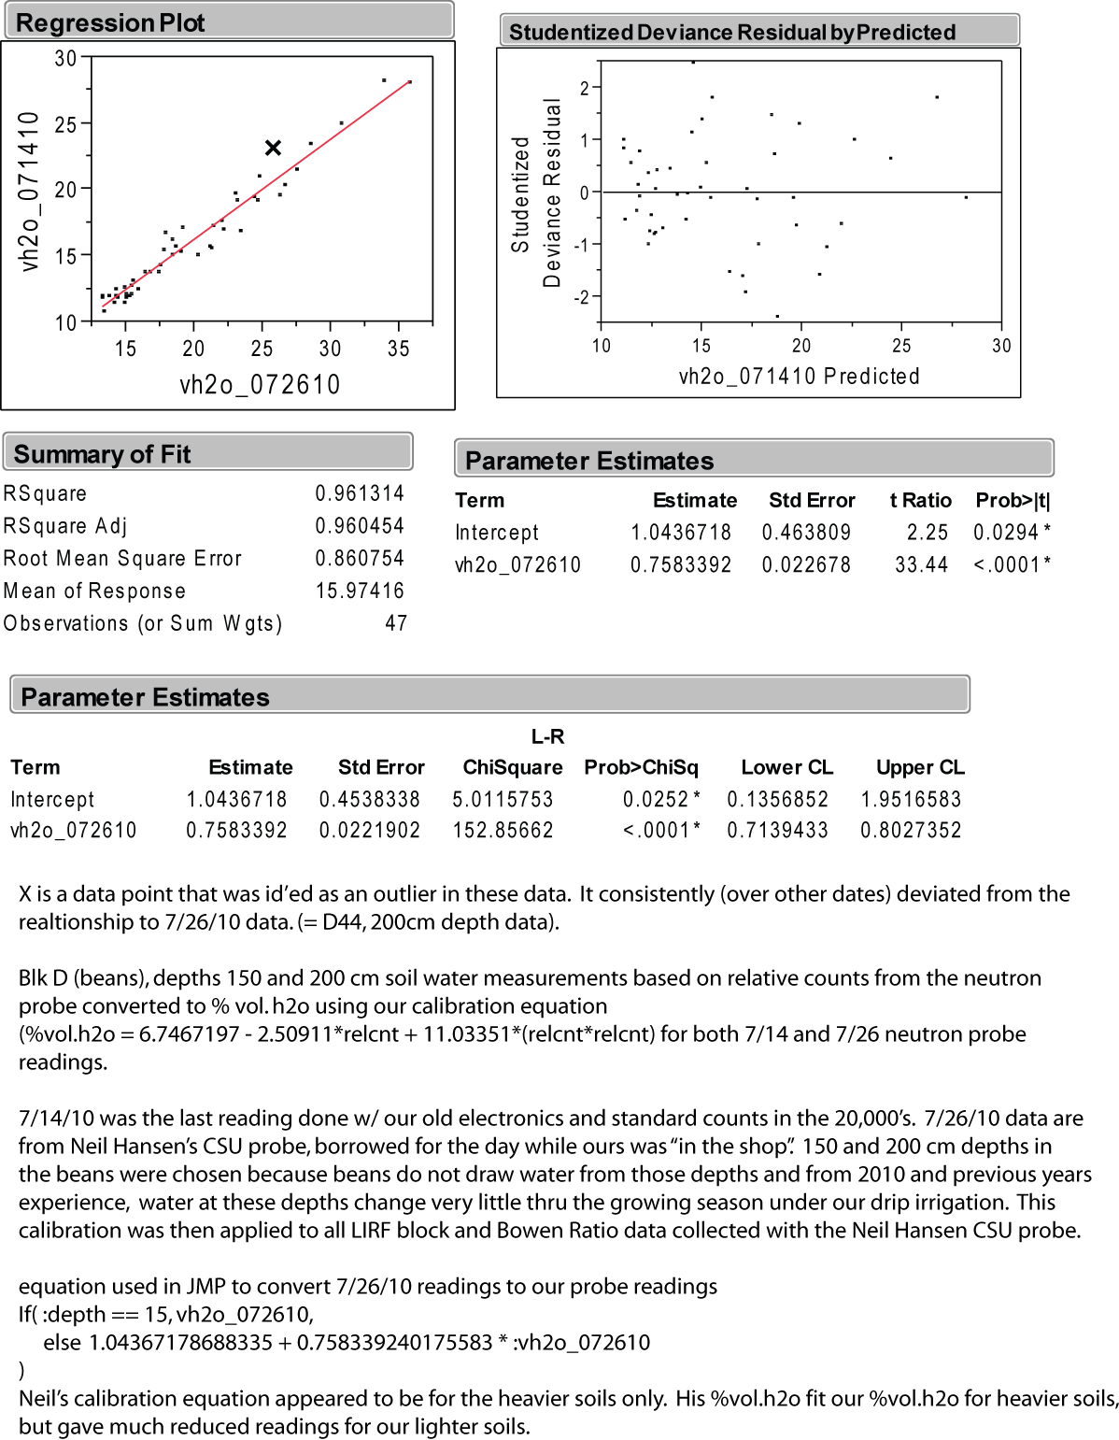
 |  | D13 | 17.55 | 13.2 | 13.2 | 13.2
 |  | D13 | 19.763358742 | 21.342930945 | 17.2288538 | 21.460462056 | 17.299912708
 |  | D13 | 14.089420232 | 17.494071632 | 14.3101128 | 16.6007969 | 13.005727212
 |  | D13 | 12.173668331 | 14.234565629 | 11.8383015 | 11.754265975 | 11.541337978
 |  | D13 | 12.643731263 | 15.834791806 | 13.0518158 | 14.24101355 | 11.862601998
 |  | D13 | 12.74893845 | 15.371500336 | 12.7004837 | 13.544899352 | 12.333388854
 |  | D13 | 12.071494352 | 15.377253829 | 12.7048468 | 13.553655505 | 11.736199435
 |  | D14 | 15.3 | 12.9 | 12.9 | 12.9
 |  | D14 | 18.588541 | 20.884126169 | 16.8809242 | 20.917580543 | 15.311212081
 |  | D14 | 11.502029175 | 14.291019134 | 11.8811124 | 11.846205586 | 10.613117676
 |  | D14 | 12.596081067 | 14.788998417 | 12.2587496 | 12.643015548 | 12.002691526
 |  | D14 | 13.256403257 | 16.413178014 | 13.4904287 | 15.085982356 | 12.201415586
 |  | D14 | 11.461683802 | 14.836311016 | 12.2946286 | 12.717442852 | 10.767517659
 |  | D14 | 17.033443337 | 19.104273154 | 15.5311918 | 18.724164108 | 15.603863886
 |  | D15 | 14.55 | 11.1 | 11.1 | 11.1
 |  | D15 | 18.007525481 | 19.733630559 | 16.0084582 | 19.516595994 | 15.660455408
 |  | D15 | 12.640881178 | 15.655640841 | 12.9159586 | 13.97395087 | 11.850611535
 |  | D15 | 11.827484856 | 14.36120222 | 11.934335 | 11.96003558 | 11.192018937
 |  | D15 | 12.442346084 | 14.733511101 | 12.2166714 | 12.555454014 | 11.389079645
 |  | D15 | 11.964893995 | 14.242617676 | 11.8444077 | 11.767400205 | 11.136158706
 |  | D15 | 28.148283393 | 33.912883536 | 26.7611421 | 33.959871083 | 26.571858242
 |  | D16 | 16.25 | 11.15 | 11.15 | 11.15
 |  | D16 | 18.899708975 | 19.86064947 | 16.1047816 | 19.674206755 | 16.474647609
 |  | D16 | 12.01806299 | 15.083403012 | 12.4820082 | 13.102713603 | 11.034269844
 |  | D16 | 12.72022068 | 15.015651943 | 12.4306299 | 12.997639762 | 11.707793487
 |  | D16 | 12.593242249 | 14.976255985 | 12.4007544 | 12.936346688 | 11.850611535
 |  | D16 | 11.47959448 | 14.140938818 | 11.7673006 | 11.601033289 | 10.544277888
 |  | D16 | 28.090449184 | 35.776163682 | 28.1741406 | 35.540356777 | 26.688921772
 |  | D21 | 20.5 | 13.3 | 13.3 | 13.3
 |  | D21 | 26.273079654 | 27.19786317 | 21.6688787 | 27.760514451 | 22.02572388
 |  | D21 | 35.254011927 | 44.870713906 | 35.0708949 | 42.615328752 | 34.096929327
 |  | D21 | 28.927747119 | 36.995361004 | 29.0987057 | 36.547314422 | 27.132142454
 |  | D21 | 13.381884808 | 18.003164203 | 14.6961776 | 17.288154945 | 12.461833797
 |  | D21 | 10.725646548 | 13.324305531 | 11.1480155 | 10.221939124 | 10.400227601
 |  | D21 | 13.775455079 | 17.369412368 | 14.2155788 | 16.430051908 | 14.011359828
 |  | D22 | 26.15 | 15 | 15 | 15
 |  | D22 | 25.432231174 | 24.600753485 | 19.6993885 | 25.094265731 | 20.562367547
 |  | D22 | 36.407704225 | 45.826029757 | 35.7953484 | 43.307064873 | 35.435061675
 |  | D22 | 19.134675642 | 30.035738495 | 23.8209509 | 30.488056246 | 18.211719105
 |  | D22 | 11.959524422 | 14.377443609 | 11.9466514 | 11.986304041 | 11.187537527
 |  | D22 | 11.861337463 | 14.342275399 | 11.919982 | 11.929389043 | 10.922660188
 |  | D22 | 16.654881948 | 17.875616104 | 14.5994529 | 17.117409953 | 15.050744745
 |  | D23 | 17.5 | 12.1 | 12.1 | 12.1
 |  | D23 | 18.06929703 | 17.109648877 | 14.0185899 | 16.071049617 | 15.289612379
 |  | D23 | 32.05668173 | 44.714638578 | 34.9525368 | 42.501498757 | 30.533641242
 |  | D23 | 12.638031766 | 16.078383859 | 13.2365412 | 14.600015841 | 11.913111389
 |  | D23 | 11.972953398 | 15.106047092 | 12.4991801 | 13.137738217 | 11.731459636
 |  | D23 | 13.686434987 | 16.73831753 | 13.7369948 | 15.550058488 | 12.378559775
 |  | D23 | 11.793081054 | 14.979066915 | 12.402886 | 12.940724765 | 11.347968507
 |  | D24 | 15.5 | 12.766666667 | 12.7666667 | 12.766666667
 |  | D24 | 20.898661607 | 19.276583643 | 15.6618616 | 18.943067944 | 16.100216344
 |  | D24 | 31.812966843 | 41.71764671 | 32.6798003 | 40.268679632 | 29.455803354
 |  | D24 | 12.192845569 | 16.159285254 | 13.2978919 | 14.718223912 | 11.695980941
 |  | D24 | 12.464787578 | 14.140938818 | 11.7673006 | 11.601033289 | 11.731459636
 |  | D24 | 12.052526638 | 15.015651943 | 12.4306299 | 12.997639762 | 11.096151198
 |  | D24 | 11.911987367 | 13.261498518 | 11.1003865 | 10.112487206 | 11.082854777
 |  | D25 | 17.35 | 13.45 | 13.45 | 13.45
 |  | D25 | 21.394021868 | 19.733630559 | 16.0084582 | 19.516595994 | 15.292696409
 |  | D25 | 17.918594479 | 25.798622193 | 20.6077793 | 26.346395672 | 16.080879519
 |  | D25 | 12.871739376 | 16.09333965 | 13.2478827 | 14.621906224 | 12.431483357
 |  | D25 | 15.057335449 | 17.115946828 | 14.0233659 | 16.079805771 | 13.612489938
 |  | D25 | 12.467595791 | 15.817092552 | 13.0383937 | 14.214745089 | 12.070980065
 |  | D25 | 11.806299833 | 13.284075073 | 11.1175072 | 10.151889896 | 10.788895527
 |  | D26 | 18.55 | 12.25 | 12.25 | 12.25
 |  | D26 | 24.044579708 | 24.716323201 | 19.7870295 | 25.216851879 | 19.26112837
 |  | D26 | 16.735017581 | 22.950845621 | 18.4481986 | 23.299254277 | 15.277281737
 |  | D26 | 11.795723465 | 14.60660647 | 12.1204346 | 12.354062485 | 11.297962431
 |  | D26 | 12.359965122 | 14.559959582 | 12.0850605 | 12.279635181 | 11.541337978
 |  | D26 | 13.123947272 | 15.481139414 | 12.7836273 | 13.711266267 | 12.355952143
 |  | D26 | 12.613128102 | 14.869790238 | 12.3200172 | 12.769979773 | 11.50884149
 |  | D31 | 20.766666667 | 13.95 | 13.95 | 13.95
 |  | D31 | 23.734756644 | 27.886803411 | 22.1913291 | 28.439116343 | 22.426882226
 |  | D31 | 33.751683059 | 39.743076548 | 31.1824063 | 38.745108934 | 31.312786906
 |  | D31 | 18.034958903 | 29.754459158 | 23.6076457 | 30.225371643 | 17.86147162
 |  | D31 | 13.631752341 | 16.132279906 | 13.2774127 | 14.678821221 | 12.944980673
 |  | D31 | 17.283071421 | 21.350390469 | 17.2345107 | 21.469218209 | 15.978082625
 |  | D31 | 17.630769366 | 22.033291108 | 17.752381 | 22.261650095 | 16.533909523
 |  | D32 | 13.5 | 14.25 | 14.25 | 14.25 | 14.2
 |  | D32 | 20.673716195 | 22.564340486 | 18.1550966 | 22.865824682 | 18.987153895
 |  | D32 | 20.010645522 | 19.519799892 | 15.846302 | 19.249533314 | 17.451013739
 |  | D32 | 22.719350542 | 30.995197051 | 24.548546 | 31.372427743 | 21.800551243
 |  | D32 | 16.049297547 | 19.86064947 | 16.1047816 | 19.674206755 | 14.719540617
 |  | D32 | 15.64817761 | 18.661785947 | 15.1956364 | 18.155014135 | 13.977225513
 |  | D32 | 19.453849097 | 24.391201945 | 19.5404773 | 24.870983818 | 17.589298004
 |  | D33 | 23.2 | 13.5 | 13.5 | 13.5 | 14.25
 |  | D33 | 23.464599697 | 23.629336916 | 18.9627252 | 24.047905396 | 21.662181882
 |  | D33 | 19.114155476 | 26.054820611 | 20.8020647 | 26.609080275 | 15.869475149
 |  | D33 | 22.595040693 | 23.513299703 | 18.8747296 | 23.920941171 | 20.738839805
 |  | D33 | 20.929374432 | 26.907948812 | 21.4490252 | 27.471561388 | 19.681494531
 |  | D33 | 15.710196872 | 21.101523764 | 17.0457853 | 21.175887069 | 15.688817683
 |  | D33 | 19.199424079 | 23.163615612 | 18.6095504 | 23.53567042 | 18.397836713
 |  | D34 | 20.8 | 15.3 | 15.3 | 15.3 | 15.35
 |  | D34 | 29.199834346 | 28.559760337 | 22.7016587 | 29.091449773 | 23.475943478
 |  | D34 | 13.301351503 | 16.667318056 | 13.6831531 | 15.449362724 | 11.437266815
 |  | D34 | 12.114292214 | 15.191231319 | 12.5637786 | 13.269080519 | 11.47414289
 |  | D34 | 14.535371192 | 16.846839085 | 13.8192909 | 15.703291173 | 13.480156986
 |  | D34 | 15.350690685 | 18.991194361 | 15.4454397 | 18.579687576 | 13.985751702
 |  | D34 | 23.437226228 | 28.455197441 | 22.6223646 | 28.990754009 | 21.923167393
 |  | D35 | 15.7 | 13.15 | 13.15 | 13.15 | 14.65
 |  | D35 | 24.131876301 | 23.705576438 | 19.0205406 | 24.131088853 | 20.790027063
 |  | D35 | 12.58472983 | 16.048507663 | 13.2138849 | 14.556235073 | 12.083219611
 |  | D35 | 11.999188266 | 13.795636929 | 11.5054446 | 11.02750524 | 11.091716868
 |  | D35 | 12.450756599 | 14.513449043 | 12.0497897 | 12.205207876 | 11.316115802
 |  | D35 | 15.465980726 | 17.76500583 | 14.5155728 | 16.968555344 | 14.968835785
 |  | D35 | 16.808060072 | 23.401640271 | 18.7900539 | 23.798355023 | 16.712759477
 |  | D36 | 17.55 | 15.5 | 15.5 | 15.5 | 15.8
 |  | D36 | 29.342026343 | 28.696521805 | 22.8053703 | 29.222792075 | 24.554240752
 |  | D36 | 21.70452616 | 31.428878045 | 24.8774233 | 31.766454647 | 19.009256364
 |  | D36 | 10.338989779 | 11.644406366 | 9.87408206 | 7.0916142711 | 9.5723935625
 |  | D36 | 12.520374338 | 15.131557775 | 12.5185258 | 13.177140908 | 11.920346725
 |  | D36 | 12.509095072 | 14.285633645 | 11.8770284 | 11.837449432 | 11.45107892
 |  | D36 | 19.606052308 | 26.187855268 | 20.9029501 | 26.744800653 | 19.071987052
 |  | D41 | 7.55 | 11.65 | 11.65 | 11.65 | 13.9
 |  | D41 | 18.988326165 | 20.407301373 | 16.5193292 | 20.344052493 | 17.49586005
 |  | D41 | 22.779936596 | 27.264039415 | 21.7190627 | 27.826185602 | 19.43294775
 |  | D41 | 23.286477497 | 28.577970666 | 22.7154683 | 29.10896208 | 20.782146079
 |  | D41 | 29.704335056 | 37.66843632 | 29.6091252 | 37.094574012 | 27.820499674
 |  | D41 | 19.182964225 | 24.617240798 | 19.7118915 | 25.111778038 | 18.129870019
 |  | D41 | 19.722368075 | 23.025552263 | 18.5048516 | 23.382437735 | 18.115664956
 |  | D42 | 15.7 | 12.25 | 12.25 | 12.25 | 14.55
 |  | D42 | 21.103300242 | 21.372780364 | 17.2514898 | 21.49548667 | 19.223929613
 |  | D42 | 27.973673516 | 35.05662525 | 27.6284863 | 34.93618219 | 24.674136268
 |  | D42 | 23.92973018 | 30.636715488 | 24.2766953 | 31.044071989 | 22.174006305
 |  | D42 | 27.294207392 | 36.340250796 | 28.60191 | 36.008810986 | 27.455785456
 |  | D42 | 15.555112302 | 21.24612887 | 17.155445 | 21.346632061 | 15.466275755
 |  | D42 | 16.144890847 | 18.390114152 | 14.989617 | 17.800389921 | 15.123887741
 |  | D43 | 14.4 | 12.85 | 12.85 | 12.85 | 13.6
 |  | D43 | 24.668858348 | 24.317535566 | 19.4846132 | 24.792178437 | 23.125350605
 |  | D43 | 28.17520951 | 36.82957914 | 28.9729868 | 36.411594044 | 25.908830644
 |  | D43 | 29.682042163 | 36.192117404 | 28.4895746 | 35.886224838 | 27.729024683
 |  | D43 | 27.882622127 | 40.135669581 | 31.480125 | 39.051574304 | 27.465342689
 |  | D43 | 15.09109121 | 20.205938221 | 16.3666276 | 20.098880197 | 14.854232591
 |  | D43 | 20.349316575 | 26.598365848 | 21.2142563 | 27.160717941 | 20.617151234
 |  | D44 | 15.85 | 14.85 | 14.85 | 14.85 | 15.466666667
 |  | D44 | 24.566712179 | 27.685620796 | 22.0387644 | 28.24210289 | 22.900706345
 |  | D44 | 29.05259264 | 38.359830594 | 30.1334366 | 37.650589755 | 27.618556211
 |  | D44 | 27.677136131 | 33.578876583 | 26.5078515 | 33.670918019 | 25.00029636
 |  | D44 | 16.981069591 | 25.019369253 | 20.0168413 | 25.536451479 | 16.599964119
 |  | D44 | 15.034588334 | 18.353459182 | 14.9618201 | 17.752231077 | 14.597786393
 |  | D44 | 23.15527603 | 25.739086955 | 20.5626314 | 26.285102598 | 22.066842276
 |  | D45 | 16.4 | 15.35 | 15.35 | 15.35 | 14.85
 |  | D45 | 26.54924187 | 26.106264112 | 20.8410763 | 26.661617195 | 23.760801662
 |  | D45 | 15.500541961 | 21.179298882 | 17.1047652 | 21.26782668 | 14.49163899
 |  | D45 | 23.592238219 | 34.777512547 | 27.4168242 | 34.699766048 | 23.713159699
 |  | D45 | 15.517847802 | 20.880455618 | 16.8781406 | 20.913202466 | 14.993063502
 |  | D45 | 14.253736295 | 17.442842558 | 14.2712638 | 16.530747673 | 13.192389886
 |  | D45 | 24.903777215 | 30.798898285 | 24.3996849 | 31.192926597 | 23.206257899
 |  | D46 | 15.3 | 14.75 | 14.75 | 14.75 | 14.1
 |  | D46 | 24.903777215 | 28.61441397 | 22.7431047 | 29.143986694 | 24.968894277
 |  | D46 | 22.035337137 | 38.228590263 | 30.0339119 | 37.545515914 | 22.240137339
 |  | D46 | 13.036138135 | 15.374376847 | 12.702665 | 13.549277428 | 12.601948628
 |  | D46 | 16.808060072 | 22.213146806 | 17.8887727 | 22.467419701 | 16.135718375
 |  | D46 | 16.977333654 | 22.121175381 | 17.8190271 | 22.36234586 | 16.278388898
 |  | D46 | 20.907433336 | 24.765966311 | 19.8246759 | 25.2693888 | 18.705254862

2013 events
6/14/2012 TDR Problems - Time out errors (Trase was not able to zero or take measurments). First errors recieved by Kieth during Regenesis measurments. Message read something to the effect of ' command error '. Subsequent messages were ' Zero failed or cannot make measurement because zero not set '. Connections seemed fine... performed troubleshooting tests per soil moisture instructions on 6/21 and sent in for repair 6/22. Replacement TDR arrived from Parlier, CA on 6/26. Soil moisture replaced bad "pulser" and our unit was returned/arrived on 6/28.

6/22/12 NP cable problems - Cable stops set to wrong depths. 1st stop was set to 46.7 cm instead of 30 cm. 2nd stop was set to 77.9 cm instead of 60 cm. 3rd was 107.2 cm instead of 90 cm. 4th was 135.8 cm instead of 120 cm. 5th was 163.1 cm instead of 150 cm. 6th was 213.6 instead of 200 cm. Both New NP and Old NP were set to correct depths and read side by side on 6/26/12.

6/26/12 Old NP exhibiting electronics problems - Kieth pressed a button to activate the NP and nothing happened. He then hit "Reset" button and the display read " S T A R T I N G" with some time passing between letters appearing. Then pressed STD button and during STD CNT each second that appeared on the display countdown took approx. 15 seconds. Canceled out and waited. Probe seemed to work fine afterwards. Keith has had to use the "Reset" button one other time earlier this season.

