Overview
Generator 3.1 x64 - |  | Generator 3.1 x86 - |  | Generator 4.1 x64 - |  | Generator 4.1 x86 - |  | Generator 4.2 x64 - |  | Generator 4.2 x86 - |  | Generator 5.1 x64 - |  | Generator 5.1 x86 -
ms | Ticks | ms | Ticks | ms | Ticks | ms | Ticks | ms | Ticks | ms | Ticks | ms | Ticks | ms | Ticks
972 | 9729994 | 1322 | 13229258 | 483 | 4835531 | 521 | 5218188 | 515 | 5156935 | 467 | 4675704 | 870 | 8703205 | 928 | 9282494
997 | 9962707 | 1098 | 10979043 | 531 | 5306884 | 516 | 5158510 | 566 | 5659265 | 507 | 5067748 | 829 | 8295593 | 969 | 9689715
809 | 8088348 | 866 | 8652941 | 490 | 4902179 | 485 | 4846013 | 520 | 5203539 | 460 | 4599969 | 845 | 8444012 | 888 | 8879241
945 | 9453207 | 1092 | 10927575 | 540 | 5396387 | 515 | 5156427 | 498 | 4980121 | 505 | 5055030 | 891 | 8916214 | 944 | 9442322
790 | 7904149 | 1136 | 11356440 | 490 | 4906409 | 481 | 4804498 | 481 | 4807668 | 476 | 4752490 | 1165 | 11647834 | 912 | 9123536
951 | 9504784 | 1156 | 11559534 | 523 | 5228443 | 516 | 5156948 | 514 | 5140875 | 505 | 5055965 | 1021 | 10210256 | 1163 | 11624500
851 | 8516288 | 821 | 8212499 | 487 | 4871142 | 462 | 4629295 | 480 | 4795324 | 474 | 4735667 | 958 | 9575625 | 1011 | 10116416
969 | 9683684 | 926 | 9254134 | 530 | 5300458 | 502 | 5013110 | 498 | 4983284 | 503 | 5036788 | 951 | 9511772 | 1013 | 10123347
899 | 8988836 | 866 | 8662076 | 529 | 5287021 | 467 | 4671025 | 491 | 4905563 | 473 | 4726632 | 902 | 9022252 | 1059 | 10597627
970 | 9706743 | 894 | 8942806 | 554 | 5542524 | 505 | 5053299 | 528 | 5278922 | 510 | 5096441 | 915 | 9149388 | 968 | 9679468
911 | 9106555 | 874 | 8734407 | 484 | 4836087 | 489 | 4891932 | 496 | 4967465 | 462 | 4627063 | 874 | 8736285 | 964 | 9636152
979 | 9784706 | 843 | 8431769 | 508 | 5080324 | 510 | 5097664 | 539 | 5389765 | 506 | 5057115 | 891 | 8908042 | 1071 | 10711401
930 | 9306945 | 923 | 9233484 | 480 | 4798597 | 476 | 4753940 | 490 | 4896876 | 481 | 4804219 | 919 | 9190553 | 880 | 8801006
976 | 9755178 | 837 | 8367977 | 515 | 5153183 | 508 | 5087941 | 516 | 5158542 | 506 | 5066829 | 934 | 9346489 | 952 | 9515903
900 | 9006955 | 863 | 8628137 | 489 | 4891993 | 466 | 4656704 | 561 | 5611559 | 462 | 4613225 | 863 | 8625503 | 894 | 8943786
1045 | 10449591 | 837 | 8373452 | 505 | 5044195 | 508 | 5082452 | 502 | 5023623 | 513 | 5132972 | 944 | 9441811 | 986 | 9860998
1026 | 10251681 | 878 | 8774932 | 500 | 5005189 | 471 | 4710115 | 479 | 4787247 | 497 | 4967029 | 804 | 8037824 | 1024 | 10239285
974 | 9742712 | 832 | 8319989 | 561 | 5603503 | 509 | 5085329 | 504 | 5040088 | 499 | 4993614 | 1115 | 11151823 | 1000 | 9999357
917 | 9171229 | 917 | 9170300 | 546 | 5461488 | 475 | 4755036 | 477 | 4767852 | 464 | 4643181 | 1262 | 12621406 | 921 | 9208665
1001 | 10009384 | 878 | 8781368 | 559 | 5595668 | 522 | 5214048 | 516 | 5155945 | 504 | 5034926 | 929 | 9288229 | 976 | 9756615
911 | 9114430 | 898 | 8980954 | 538 | 5382356 | 490 | 4903762 | 492 | 4925260 | 466 | 4662483 | 781 | 7807092 | 1073 | 10732471
982 | 9814484 | 847 | 8467667 | 555 | 5546908 | 530 | 5299205 | 519 | 5187261 | 505 | 5051321 | 839 | 8390698 | 959 | 9594141
898 | 8983345 | 879 | 8798801 | 551 | 5512089 | 529 | 5285807 | 552 | 5519359 | 468 | 4675880 | 836 | 8358503 | 926 | 9251620
974 | 9743419 | 841 | 8405782 | 559 | 5582190 | 595 | 5955185 | 502 | 5020664 | 507 | 5067997 | 938 | 9381348 | 946 | 9463539
924 | 9238430 | 866 | 8661907 | 551 | 5519124 | 481 | 4804189 | 494 | 4941461 | 465 | 4659063 | 800 | 8005972 | 910 | 9105093
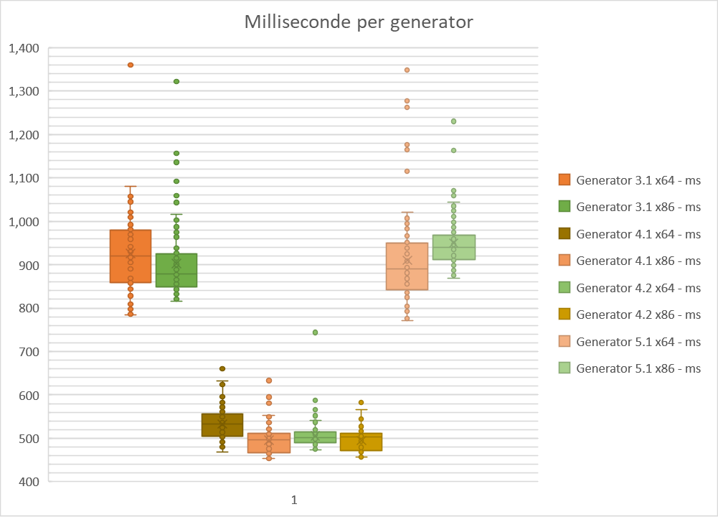
981 | 9804244 | 1003 | 10025078 | 558 | 5575370 | 581 | 5811381 | 500 | 5004103 | 505 | 5042914 | 878 | 8781028 | 995 | 9950793
898 | 8987352 | 841 | 8416504 | 543 | 5425974 | 633 | 6334647 | 477 | 4769491 | 465 | 4648789 | 805 | 8042157 | 1070 | 10698720
992 | 9920588 | 918 | 9180246 | 573 | 5730146 | 591 | 5905282 | 504 | 5034255 | 512 | 5120830 | 874 | 8746871 | 1004 | 10033036
942 | 9410120 | 843 | 8429581 | 542 | 5422328 | 510 | 5103406 | 485 | 4849182 | 511 | 5115836 | 834 | 8340769 | 1028 | 10286016
993 | 9938542 | 888 | 8881046 | 563 | 5627104 | 517 | 5168725 | 510 | 5104296 | 583 | 5831906 | 957 | 9567008 | 974 | 9737518
919 | 9190353 | 870 | 8697643 | 541 | 5415422 | 457 | 4574683 | 506 | 5054447 | 504 | 5034127 | 1007 | 10068500 | 879 | 8790374
987 | 9866377 | 871 | 8705027 | 564 | 5642688 | 515 | 5148525 | 507 | 5076615 | 517 | 5167282 | 876 | 8765447 | 921 | 9213868
930 | 9302129 | 826 | 8266466 | 538 | 5377115 | 462 | 4621447 | 476 | 4761847 | 464 | 4640354 | 800 | 7995427 | 902 | 9018512
963 | 9631009 | 884 | 8831486 | 565 | 5651540 | 502 | 5018372 | 505 | 5045889 | 545 | 5452304 | 894 | 8942675 | 942 | 9416892
905 | 9048294 | 816 | 8161718 | 539 | 5387318 | 465 | 4652774 | 475 | 4748321 | 494 | 4942480 | 776 | 7756646 | 894 | 8936499
909 | 9087240 | 873 | 8730430 | 572 | 5718458 | 495 | 4949022 | 505 | 5052335 | 533 | 5333811 | 898 | 8976171 | 967 | 9674103
787 | 7869615 | 847 | 8468454 | 541 | 5413817 | 454 | 4536522 | 490 | 4899885 | 468 | 4676830 | 780 | 7801446 | 916 | 9161499
851 | 8513293 | 860 | 8605890 | 571 | 5704227 | 497 | 4972755 | 512 | 5124288 | 506 | 5057162 | 859 | 8597681 | 952 | 9514603
789 | 7889173 | 878 | 8782500 | 536 | 5361061 | 461 | 4603930 | 493 | 4924711 | 479 | 4789279 | 793 | 7929718 | 898 | 8983671
850 | 8501445 | 832 | 8316753 | 563 | 5635074 | 497 | 4971083 | 501 | 5006964 | 518 | 5176956 | 973 | 9729965 | 928 | 9279915
828 | 8280087 | 865 | 8646997 | 539 | 5384644 | 473 | 4734200 | 489 | 4889083 | 467 | 4673138 | 828 | 8278043 | 882 | 8818612
930 | 9295004 | 827 | 8268377 | 558 | 5584605 | 530 | 5298091 | 525 | 5252320 | 523 | 5230750 | 896 | 8958811 | 963 | 9629740
852 | 8520853 | 882 | 8822722 | 540 | 5396464 | 481 | 4812658 | 474 | 4741192 | 481 | 4806917 | 842 | 8419836 | 880 | 8801669
948 | 9483229 | 829 | 8287959 | 559 | 5593043 | 497 | 4963351 | 493 | 4928720 | 515 | 5155908 | 900 | 8999093 | 998 | 9980920
852 | 8516103 | 902 | 9025742 | 534 | 5333963 | 460 | 4601814 | 482 | 4819461 | 478 | 4773300 | 868 | 8683337 | 945 | 9454051
1018 | 10183932 | 828 | 8276383 | 557 | 5577697 | 501 | 5013371 | 502 | 5024128 | 512 | 5124691 | 927 | 9270043 | 1035 | 10349925
869 | 8691865 | 897 | 8974989 | 538 | 5379234 | 458 | 4576667 | 484 | 4842306 | 465 | 4652381 | 855 | 8546766 | 897 | 8960897
860 | 8595725 | 849 | 8486946 | 507 | 5071794 | 501 | 5008568 | 493 | 4921860 | 513 | 5123986 | 995 | 9947363 | 928 | 9280812
793 | 7928279 | 892 | 8915728 | 491 | 4902940 | 478 | 4780537 | 475 | 4756575 | 483 | 4831030 | 931 | 9317315 | 905 | 9055383
858 | 8581694 | 833 | 8337177 | 505 | 5052265 | 508 | 5078397 | 500 | 4997301 | 515 | 5155913 | 974 | 9737587 | 950 | 9493343
858 | 8585415 | 987 | 9863283 | 497 | 4970806 | 463 | 4630714 | 515 | 5151007 | 477 | 4762032 | 868 | 8679289 | 907 | 9074808
1031 | 10304741 | 877 | 8767949 | 510 | 5101874 | 497 | 4971791 | 587 | 5864991 | 516 | 5159749 | 993 | 9925689 | 955 | 9547697
986 | 9861706 | 905 | 9059579 | 504 | 5042470 | 469 | 4690578 | 517 | 5177546 | 460 | 4602368 | 881 | 8814523 | 954 | 9544908
973 | 9729376 | 935 | 9349863 | 513 | 5126066 | 492 | 4917963 | 504 | 5036418 | 507 | 5077278 | 899 | 8986936 | 975 | 9751194
920 | 9199603 | 883 | 8827813 | 536 | 5356427 | 458 | 4587500 | 483 | 4827039 | 478 | 4775101 | 825 | 8249745 | 937 | 9364555
1057 | 10568590 | 1094 | 10941752 | 550 | 5498589 | 528 | 5279887 | 500 | 5008534 | 511 | 5112009 | 1017 | 10168802 | 1044 | 10441659
1080 | 10802615 | 1013 | 10126353 | 504 | 5039890 | 465 | 4642761 | 486 | 4856242 | 470 | 4701318 | 857 | 8574630 | 928 | 9275709
1025 | 10253514 | 926 | 9261465 | 514 | 5143374 | 503 | 5031706 | 510 | 5102544 | 521 | 5211893 | 966 | 9662828 | 930 | 9306847
992 | 9911381 | 849 | 8483558 | 487 | 4876102 | 487 | 4872536 | 498 | 4973887 | 513 | 5129971 | 843 | 8423362 | 883 | 8824859
1050 | 10506716 | 926 | 9260553 | 508 | 5074465 | 517 | 5167085 | 512 | 5123517 | 527 | 5267399 | 1348 | 13485863 | 935 | 9357168
951 | 9510232 | 881 | 8812004 | 491 | 4914693 | 483 | 4836420 | 504 | 5035533 | 477 | 4772224 | 1014 | 10131278 | 868 | 8676843
1021 | 10210978 | 925 | 9255630 | 513 | 5130506 | 503 | 5026729 | 510 | 5105602 | 509 | 5081238 | 910 | 9108060 | 923 | 9232610
920 | 9193728 | 895 | 8941686 | 492 | 4916211 | 475 | 4746988 | 504 | 5038067 | 468 | 4686371 | 870 | 8696195 | 920 | 9199618
1015 | 10152138 | 936 | 9364427 | 516 | 5160615 | 503 | 5032560 | 498 | 4984788 | 506 | 5058789 | 1004 | 10038147 | 948 | 9477288
967 | 9673604 | 836 | 8363489 | 483 | 4833194 | 464 | 4634861 | 490 | 4899796 | 475 | 4752828 | 838 | 8381722 | 915 | 9151384
1050 | 10494338 | 975 | 9751065 | 510 | 5091100 | 507 | 5075472 | 500 | 4996361 | 506 | 5056419 | 943 | 9435498 | 939 | 9382998
959 | 9587029 | 877 | 8769985 | 488 | 4880596 | 477 | 4768355 | 505 | 5051642 | 473 | 4726518 | 932 | 9319286 | 877 | 8770472
1021 | 10215701 | 877 | 8766292 | 510 | 5106769 | 512 | 5123320 | 515 | 5147071 | 516 | 5165411 | 897 | 8970383 | 943 | 9436157
945 | 9449413 | 901 | 9011836 | 482 | 4813416 | 462 | 4615231 | 541 | 5414960 | 489 | 4891580 | 807 | 8065512 | 913 | 9124004
945 | 9449721 | 938 | 9376285 | 509 | 5097465 | 505 | 5047623 | 519 | 5183183 | 516 | 5157791 | 1277 | 12772153 | 944 | 9442777
795 | 7947455 | 915 | 9150575 | 485 | 4847649 | 488 | 4885136 | 484 | 4838753 | 464 | 4637127 | 1122 | 11214054 | 923 | 9232767
890 | 8899893 | 865 | 8653240 | 513 | 5124393 | 502 | 5015020 | 504 | 5044951 | 506 | 5062248 | 1003 | 10034306 | 967 | 9672167
844 | 8445315 | 917 | 9163523 | 525 | 5254807 | 456 | 4566806 | 511 | 5107806 | 457 | 4567244 | 995 | 9948299 | 917 | 9169196
891 | 8903766 | 878 | 8781668 | 583 | 5825052 | 506 | 5059428 | 520 | 5201064 | 516 | 5165428 | 925 | 9247187 | 1013 | 10131141
917 | 9178504 | 1059 | 10595013 | 574 | 5743914 | 457 | 4570223 | 494 | 4940912 | 460 | 4592291 | 858 | 8586313 | 995 | 9942936
906 | 9059814 | 1016 | 10159611 | 544 | 5444434 | 514 | 5140422 | 495 | 4949355 | 520 | 5207665 | 983 | 9827453 | 1066 | 10659196
798 | 7972638 | 943 | 9427546 | 541 | 5401538 | 481 | 4810363 | 500 | 4998528 | 497 | 4963294 | 825 | 8252433 | 936 | 9363548
845 | 8451708 | 858 | 8584786 | 550 | 5504208 | 550 | 5493294 | 514 | 5144916 | 529 | 5289937 | 929 | 9292372 | 955 | 9548006
788 | 7878431 | 865 | 8642225 | 627 | 6271674 | 493 | 4938137 | 490 | 4898725 | 496 | 4967667 | 785 | 7848971 | 895 | 8949452
846 | 8467569 | 846 | 8460988 | 633 | 6324211 | 507 | 5068797 | 502 | 5020220 | 566 | 5659985 | 860 | 8598279 | 946 | 9462609
786 | 7851717 | 856 | 8562996 | 531 | 5317509 | 461 | 4605888 | 505 | 5045230 | 495 | 4948860 | 800 | 7993300 | 914 | 9136059
845 | 8457112 | 880 | 8797002 | 561 | 5604158 | 512 | 5125107 | 508 | 5081754 | 517 | 5165739 | 843 | 8434166 | 922 | 9222865
790 | 7898620 | 821 | 8214208 | 491 | 4911207 | 453 | 4521376 | 480 | 4796760 | 462 | 4624687 | 771 | 7712424 | 887 | 8870598
905 | 9047875 | 870 | 8694310 | 553 | 5530928 | 536 | 5365260 | 488 | 4883577 | 509 | 5081876 | 909 | 9090436 | 924 | 9245239
908 | 9076984 | 828 | 8278414 | 499 | 4987019 | 463 | 4626069 | 508 | 5082045 | 466 | 4664723 | 859 | 8585875 | 883 | 8822878
1360 | 13602071 | 967 | 9674935 | 545 | 5448543 | 517 | 5169587 | 501 | 5009923 | 510 | 5100132 | 930 | 9304338 | 951 | 9514644
911 | 9113616 | 964 | 9644143 | 596 | 5966522 | 455 | 4553999 | 490 | 4897567 | 478 | 4780998 | 873 | 8727873 | 927 | 9272521
980 | 9798557 | 893 | 8925184 | 624 | 6236801 | 527 | 5264352 | 523 | 5227151 | 532 | 5317222 | 930 | 9296881 | 942 | 9410642
920 | 9198881 | 822 | 8219131 | 660 | 6603834 | 461 | 4613287 | 483 | 4832563 | 457 | 4568510 | 803 | 8032559 | 889 | 8894084
966 | 9663308 | 867 | 8669376 | 627 | 6266103 | 553 | 5527992 | 512 | 5115868 | 501 | 5009054 | 933 | 9326784 | 950 | 9496213
908 | 9079845 | 823 | 8235633 | 533 | 5328909 | 471 | 4709739 | 505 | 5055350 | 457 | 4575318 | 970 | 9699083 | 900 | 9001600
1009 | 10089359 | 943 | 9421817 | 584 | 5845200 | 514 | 5147753 | 509 | 5086258 | 510 | 5098275 | 1176 | 11764044 | 940 | 9404610
923 | 9226517 | 858 | 8587036 | 525 | 5251847 | 468 | 4673714 | 475 | 4748505 | 471 | 4713693 | 846 | 8456880 | 894 | 8935771
978 | 9776452 | 855 | 8547880 | 533 | 5327989 | 499 | 4994982 | 744 | 7448062 | 520 | 5195624 | 1004 | 10044266 | 925 | 9256862
915 | 9153633 | 945 | 9452449 | 481 | 4808144 | 455 | 4544809 | 487 | 4868121 | 477 | 4772549 | 811 | 8110867 | 875 | 8744179
858 | 8576093 | 886 | 8856854 | 523 | 5225583 | 512 | 5125932 | 523 | 5231351 | 508 | 5078598 | 872 | 8715358 | 919 | 9193606
815 | 8150439 | 923 | 9232883 | 469 | 4697758 | 464 | 4640468 | 525 | 5251037 | 467 | 4667053 | 804 | 8043067 | 1230 | 12300197
852 | 8519143 | 849 | 8487037 | 588 | 5875590 | 507 | 5066717 | 517 | 5165433 | 512 | 5124828 | 860 | 8595535 | 1044 | 10434687
784 | 7841402 | 936 | 9358396 | 503 | 5033889 | 460 | 4598297 | 476 | 4758016 | 476 | 4759400 | 813 | 8133154 | 908 | 9088032
853 | 8530946 | 1043 | 10431491 | 519 | 5191239 | 502 | 5016350 | 537 | 5370557 | 507 | 5063549 | 869 | 8687330 | 940 | 9395282

925.57 | 9255725.31 | 902.71 | 9027142.91 | 533.32 | 5333294.43 | 495.67 | 4956702.14 | 506.01 | 5060131.24 | 494.99 | 4949900.86 | 910.46 | 9104612.2 | 950.05 | 9500552.11

Generator 3.1 x64 -|925.57|9255725.31| |  | Generator 3.1 x86 -|902.71|9027142.91| |  | Generator 4.1 x64 -|533.32|5333294.43| |  | Generator 4.1 x86 -|495.67|4956702.14| |  | Generator 4.2 x64 -|506.01|5060131.24| |  | Generator 4.2 x86 -|494.99|4949900.86| |  | Generator 5.1 x64 -|910.46|9104612.2| |  | Generator 5.1 x86 -|950.05|9500552.11|

