Coding guide Q1,Q2
Tag used as intended in tag description
Choose from the dropdown list (Yes/No). 1) Consider the surrounding words to determine the tag is used as intended. 2) If the tag has no description select No. 3) If No do not answer the rest of the questions. 4) No for file paths, URLs (parts), package names

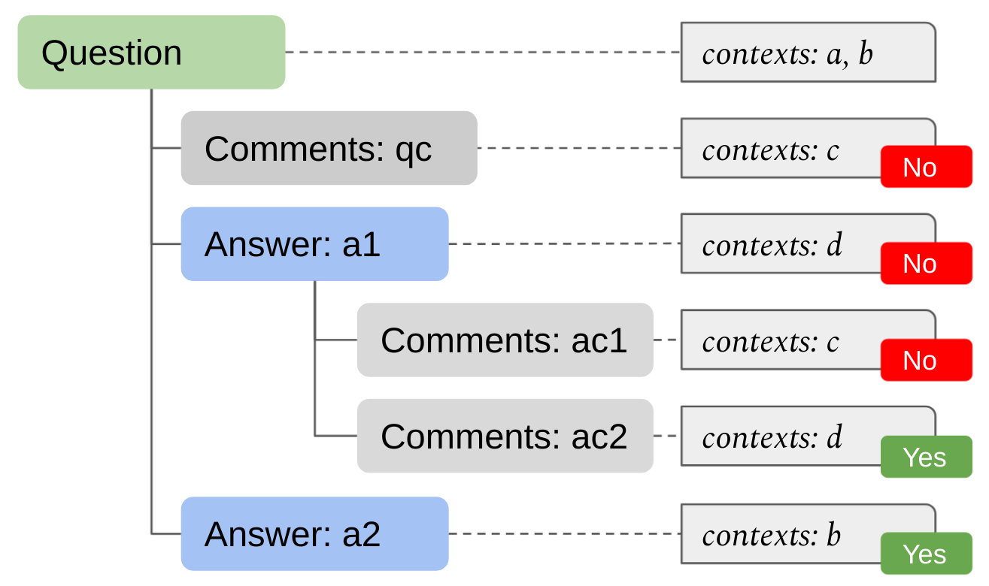
Tag overlap
Choose from the dropdown list (Yes/No). Follow the figure below.

