8nodes-cloudonefs
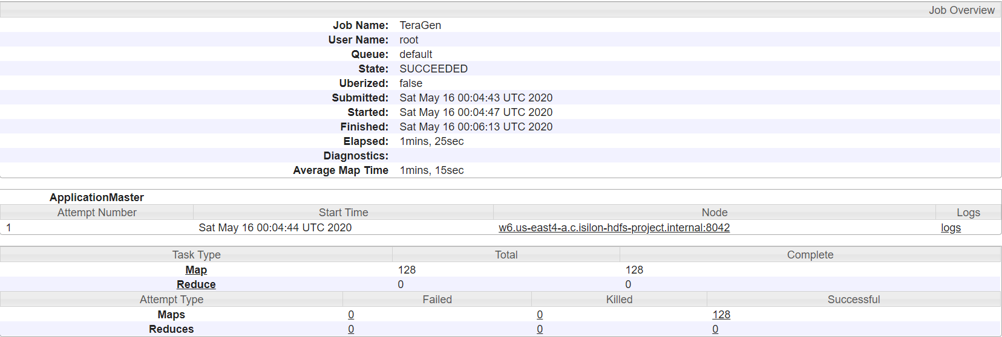
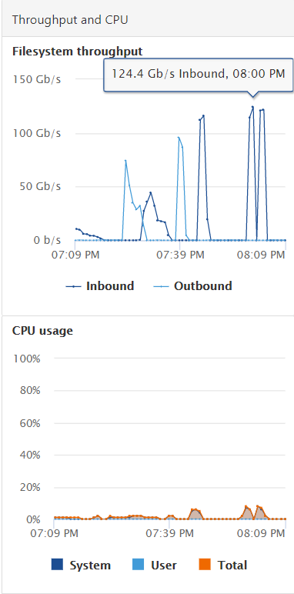
8 nodes | 8 nodes | time ./terabench.sh -p teragen -m 128 -M 8172 -d 10000000000 -B 256 -D HDP
256 bsize | 256MB bsize
14.2GB/s | 14.2GB/s | File System Counters
 |  | FILE: Number of bytes read=0
 |  | FILE: Number of bytes written=29314066
 |  | FILE: Number of read operations=0
 |  | FILE: Number of large read operations=0
 |  | FILE: Number of write operations=0
 |  | HDFS: Number of bytes read=11205
 |  | HDFS: Number of bytes written=1000000000000
 |  | HDFS: Number of read operations=768
 |  | HDFS: Number of large read operations=0
 |  | HDFS: Number of write operations=256
 |  | Job Counters
 |  | Launched map tasks=128
 |  | Other local map tasks=128
 |  | Total time spent by all maps in occupied slots (ms)=77336632
 |  | Total time spent by all reduces in occupied slots (ms)=0
 |  | Total time spent by all map tasks (ms)=9667079
 |  | Total vcore-milliseconds taken by all map tasks=9667079
 |  | Total megabyte-milliseconds taken by all map tasks=79192711168
 |  | Map-Reduce Framework
 |  | Map input records=10000000000
 |  | Map output records=10000000000
 |  | Input split bytes=11205
 |  | Spilled Records=0
 |  | Failed Shuffles=0
 |  | Merged Map outputs=0
 |  | GC time elapsed (ms)=92344
 |  | CPU time spent (ms)=12756150
 |  | Physical memory (bytes) snapshot=112761221120
 |  | Virtual memory (bytes) snapshot=558359687168
 |  | Total committed heap usage (bytes)=201127362560
 |  | Peak Map Physical memory (bytes)=910049280
 |  | Peak Map Virtual memory (bytes)=4391542784
 |  | org.apache.hadoop.examples.terasort.TeraGen$Counters
 |  | CHECKSUM=3028416809717741100
 |  | File Input Format Counters
 |  | Bytes Read=0
 |  | File Output Format Counters
 |  | Bytes Written=1000000000000

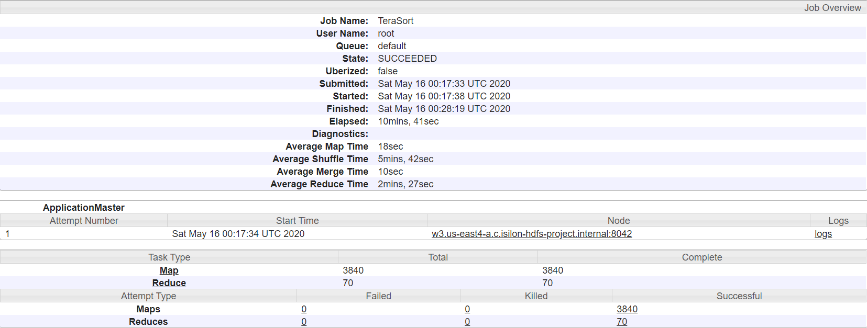
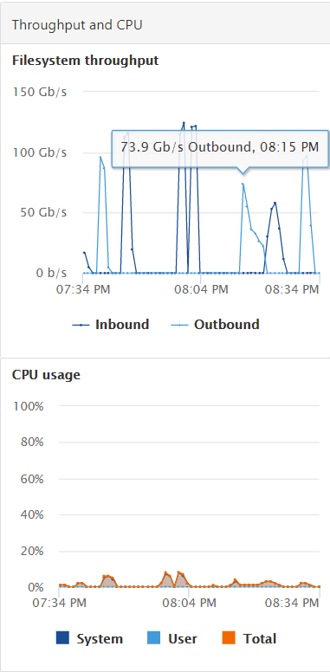
 | time ./terabench.sh -p terasort -m 128 -M 8172 -r 70 -R 8172 -B 256 -D HDP

 | File System Counters
 | FILE: Number of bytes read=1040002922018
 | FILE: Number of bytes written=2080908935938
 | FILE: Number of read operations=0
 | FILE: Number of large read operations=0
 | FILE: Number of write operations=0
 | HDFS: Number of bytes read=1000000483840
 | HDFS: Number of bytes written=1000000000000
 | HDFS: Number of read operations=11870
 | HDFS: Number of large read operations=0
 | HDFS: Number of write operations=140
 | Job Counters
 | Launched map tasks=3840
 | Launched reduce tasks=70
 | Rack-local map tasks=3840
 | Total time spent by all maps in occupied slots (ms)=555004688
 | Total time spent by all reduces in occupied slots (ms)=280314504
 | Total time spent by all map tasks (ms)=69375586
 | Total time spent by all reduce tasks (ms)=35039313
 | Total vcore-milliseconds taken by all map tasks=69375586
 | Total vcore-milliseconds taken by all reduce tasks=35039313
 | Total megabyte-milliseconds taken by all map tasks=568324800512
 | Total megabyte-milliseconds taken by all reduce tasks=287042052096
 | Map-Reduce Framework
 | Map input records=10000000000
 | Map output records=10000000000
 | Map output bytes=1020000000000
 | Map output materialized bytes=1040001612800
 | Input split bytes=483840
 | Combine input records=0
 | Combine output records=0
 | Reduce input groups=10000000000
 | Reduce shuffle bytes=1040001612800
 | Reduce input records=10000000000
 | Reduce output records=10000000000
 | Spilled Records=20000000000
 | Shuffled Maps =268800
 | Failed Shuffles=0
 | Merged Map outputs=268800
 | GC time elapsed (ms)=2248320
 | CPU time spent (ms)=116200100
 | Physical memory (bytes) snapshot=7517135224832
 | Virtual memory (bytes) snapshot=17056138506240
 | Total committed heap usage (bytes)=7829334786048
 | Peak Map Physical memory (bytes)=2078318592
 | Peak Map Virtual memory (bytes)=4493529088
 | Peak Reduce Physical memory (bytes)=2387738624
 | Peak Reduce Virtual memory (bytes)=4418084864
 | Shuffle Errors
 | BAD_ID=0
 | CONNECTION=0
 | IO_ERROR=0
 | WRONG_LENGTH=0
 | WRONG_MAP=0
 | WRONG_REDUCE=0
 | File Input Format Counters
 | Bytes Read=1000000000000
 | File Output Format Counters
 | Bytes Written=1000000000000
 | 2020-05-16 00:28:22,310 INFO terasort.TeraSort: done

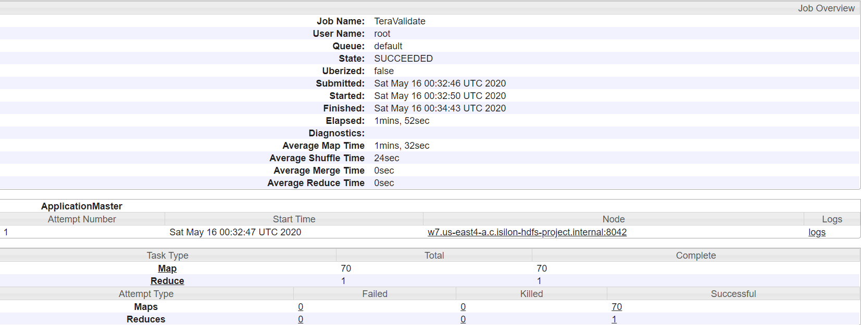
8nodes | time ./terabench.sh -p teravalidate -m 128 -M 8172 -r 70 -R 8172 -B 256 -D HDP
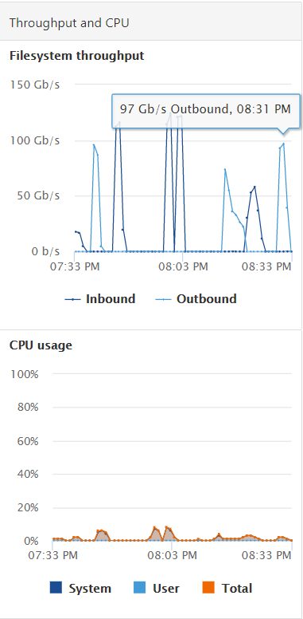
 | File System Counters
 | FILE: Number of bytes read=6236
 | FILE: Number of bytes written=16304054
 | FILE: Number of read operations=0
 | FILE: Number of large read operations=0
 | FILE: Number of write operations=0
 | HDFS: Number of bytes read=1000000008890
 | HDFS: Number of bytes written=27
 | HDFS: Number of read operations=215
 | HDFS: Number of large read operations=0
 | HDFS: Number of write operations=2
 | Job Counters
 | Launched map tasks=70
 | Launched reduce tasks=1
 | Rack-local map tasks=70
 | Total time spent by all maps in occupied slots (ms)=51865744
 | Total time spent by all reduces in occupied slots (ms)=50630
 | Total time spent by all map tasks (ms)=6483218
 | Total time spent by all reduce tasks (ms)=25315
 | Total vcore-milliseconds taken by all map tasks=6483218
 | Total vcore-milliseconds taken by all reduce tasks=25315
 | Total megabyte-milliseconds taken by all map tasks=53110521856
 | Total megabyte-milliseconds taken by all reduce tasks=51845120
 | Map-Reduce Framework
 | Map input records=10000000000
 | Map output records=210
 | Map output bytes=5810
 | Map output materialized bytes=6650
 | Input split bytes=8890
 | Combine input records=0
 | Combine output records=0
 | Reduce input groups=141
 | Reduce shuffle bytes=6650
 | Reduce input records=210
 | Reduce output records=1
 | Spilled Records=420
 | Shuffled Maps =70
 | Failed Shuffles=0
 | Merged Map outputs=70
 | GC time elapsed (ms)=208259
 | CPU time spent (ms)=11133890
 | Physical memory (bytes) snapshot=140728389632
 | Virtual memory (bytes) snapshot=310276833280
 | Total committed heap usage (bytes)=140279545856
 | Peak Map Physical memory (bytes)=2110279680
 | Peak Map Virtual memory (bytes)=4452052992
 | Peak Reduce Physical memory (bytes)=576315392
 | Peak Reduce Virtual memory (bytes)=4391170048
 | Shuffle Errors
 | BAD_ID=0
 | CONNECTION=0
 | IO_ERROR=0
 | WRONG_LENGTH=0
 | WRONG_MAP=0
 | WRONG_REDUCE=0
 | File Input Format Counters
 | Bytes Read=1000000000000
 | File Output Format Counters
 | Bytes Written=27

8nodes-dataproc
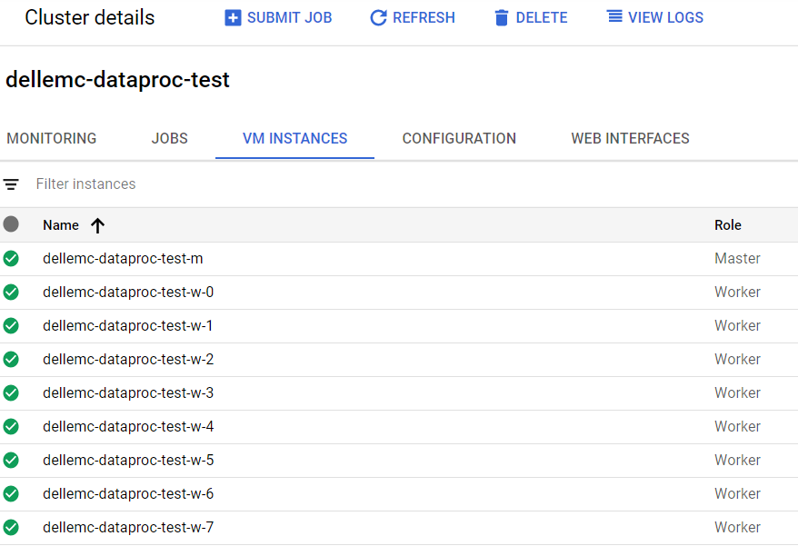
dataproc
master n1-32CPU | bbruno4u@cloudshell:~ (isilon-hdfs-project)$ time gcloud dataproc jobs submit hadoop --cluster dellemc-dataproc-test --project isilon-hdfs-project --class org.apache.hadoop.examples.terasort.TeraGen -- 10000000000 gs://my-dataproc-bucket/teragen |  | master n1-32CPU
workers n1-16CPU | ... | .TeraGen -- 10000000000 gs://my-dataproc-bucket/teragen | workers n1-16CPU
 | File System Counters | Job [cf00b9ac82ae4f8f81e9ab58da941b20] submitted.
 | FILE: Number of bytes read=0 | Waiting for job output...
 | FILE: Number of bytes written=79211314 | 20/05/17 02:37:19 INFO client.RMProxy: Connecting to ResourceManager at dellemc-dataproc-test-m/10.150.0.25:8032
 | FILE: Number of read operations=0 | 20/05/17 02:37:19 INFO client.AHSProxy: Connecting to Application History server at dellemc-dataproc-test-m/10.150.0.25:10200
 | FILE: Number of large read operations=0 | 20/05/17 02:37:20 INFO terasort.TeraGen: Generating 10000000000 using 381
 | FILE: Number of write operations=0 | 20/05/17 02:37:20 INFO mapreduce.JobSubmitter: number of splits:381
 | GS: Number of bytes read=0 | 20/05/17 02:37:20 INFO Configuration.deprecation: yarn.resourcemanager.system-metrics-publisher.enabled is deprecated. Instead, use yarn.system-metrics-publisher.enabled
 | GS: Number of bytes written=1000000000000 | 20/05/17 02:37:20 INFO mapreduce.JobSubmitter: Submitting tokens for job: job_1589677704647_0002
 | GS: Number of read operations=0 | 20/05/17 02:37:20 INFO impl.YarnClientImpl: Submitted application application_1589677704647_0002
 | GS: Number of large read operations=0 | 20/05/17 02:37:20 INFO mapreduce.Job: The url to track the job: http://dellemc-dataproc-test-m:8088/proxy/application_1589677704647_0002/
 | GS: Number of write operations=0 | 20/05/17 02:37:20 INFO mapreduce.Job: Running job: job_1589677704647_0002
 | HDFS: Number of bytes read=33360 | 20/05/17 02:37:26 INFO mapreduce.Job: Job job_1589677704647_0002 running in uber mode : false
 | HDFS: Number of bytes written=0 | 20/05/17 02:37:26 INFO mapreduce.Job: map 0% reduce 0%
 | HDFS: Number of read operations=381 | 20/05/17 02:37:43 INFO mapreduce.Job: map 1% reduce 0%
 | HDFS: Number of large read operations=0
 | HDFS: Number of write operations=0
 | Job Counters
 | Killed map tasks=1
 | Launched map tasks=382
 | Other local map tasks=382
 | Total time spent by all maps in occupied slots (ms)=89245260
 | Total time spent by all reduces in occupied slots (ms)=0
 | Total time spent by all map tasks (ms)=29748420
 | Total vcore-milliseconds taken by all map tasks=29748420
 | Total megabyte-milliseconds taken by all map tasks=91387146240
 | Map-Reduce Framework
 | Map input records=10000000000
 | Map output records=10000000000
 | Input split bytes=33360
 | Spilled Records=0
 | Failed Shuffles=0
 | Merged Map outputs=0
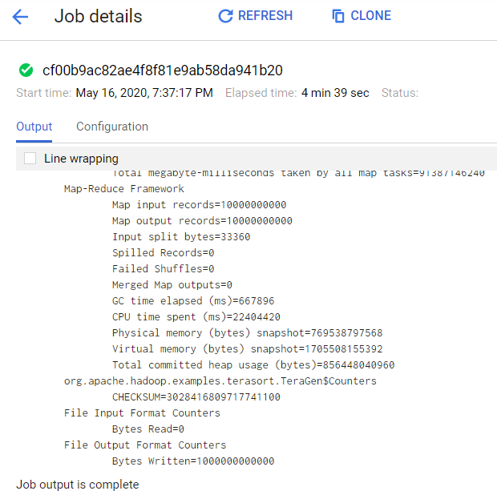
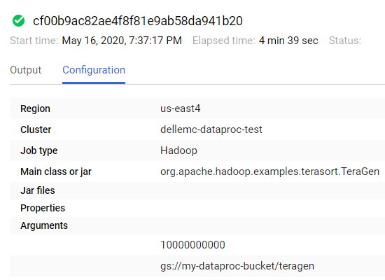
 | GC time elapsed (ms)=667896
 | CPU time spent (ms)=22404420
 | Physical memory (bytes) snapshot=769538797568
 | Virtual memory (bytes) snapshot=1705508155392
 | Total committed heap usage (bytes)=856448040960
 | org.apache.hadoop.examples.terasort.TeraGen$Counters
 | CHECKSUM=3028416809717741100
 | File Input Format Counters
 | Bytes Read=0
 | File Output Format Counters
 | Bytes Written=1000000000000
 | Job [cf00b9ac82ae4f8f81e9ab58da941b20] finished successfully.
 | done: true
 | driverControlFilesUri: gs://dataproc-staging-us-east4-1043558379631-0dplca9f/google-cloud-dataproc-metainfo/6135f6c9-cc1b-47a5-839a-262e3f3ff50a/jobs/cf00b9ac82ae4f8f81e9ab58da941b20/
 | driverOutputResourceUri: gs://dataproc-staging-us-east4-1043558379631-0dplca9f/google-cloud-dataproc-metainfo/6135f6c9-cc1b-47a5-839a-262e3f3ff50a/jobs/cf00b9ac82ae4f8f81e9ab58da941b20/driveroutput
 | hadoopJob:
 | args:
 | - '10000000000'
 | - gs://my-dataproc-bucket/teragen
 | mainClass: org.apache.hadoop.examples.terasort.TeraGen
 | jobUuid: 66f6fd82-77ca-34e4-ad21-ad731e736cda
 | placement:
 | clusterName: dellemc-dataproc-test
 | clusterUuid: 6135f6c9-cc1b-47a5-839a-262e3f3ff50a
 | reference:
 | jobId: cf00b9ac82ae4f8f81e9ab58da941b20
 | projectId: isilon-hdfs-project
 | status:
 | state: DONE
 | stateStartTime: '2020-05-17T02:41:55.611Z'
 | statusHistory:
 | #NAME?
 | stateStartTime: '2020-05-17T02:37:17.097Z'
 | #NAME?
 | stateStartTime: '2020-05-17T02:37:17.129Z'
 | #NAME?
 | state: RUNNING
 | stateStartTime: '2020-05-17T02:37:17.565Z'
 | yarnApplications:
 | #NAME?
 | progress: 1.0
 | state: FINISHED
 | trackingUrl: http://dellemc-dataproc-test-m:8088/proxy/application_1589677704647_0002/

 | real 4m43.403s
 | user 0m3.043s
 | sys 0m0.208s

 | bbruno4u@cloudshell:~ (isilon-hdfs-project)$ time gcloud dataproc jobs submit hadoop --cluster dellemc-dataproc-test --project isilon-hdfs-project --class org.apache.hadoop.examples.terasort.TeraSort -- gs://my-dataproc-bucket/teragen gs://my-dataproc-bucket/terasort

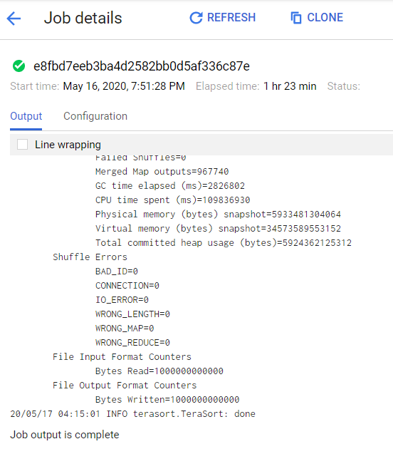
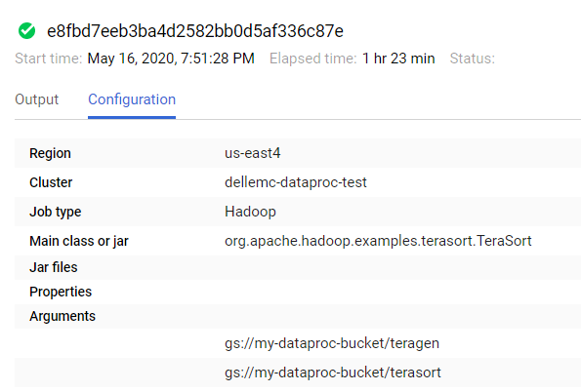
 | Job [e8fbd7eeb3ba4d2582bb0d5af336c87e] submitted.
 | Waiting for job output...
 | 20/05/17 02:51:29 INFO terasort.TeraSort: starting
 | 20/05/17 02:51:30 INFO input.FileInputFormat: Total input files to process : 381
 | Spent 400ms computing base-splits.
 | Spent 23ms computing TeraScheduler splits.
 | Computing input splits took 424ms
 | Sampling 10 splits of 7620
 | Making 127 from 100000 sampled records
 | Computing parititions took 789ms
 | Spent 1215ms computing partitions.
 | 20/05/17 02:51:31 INFO client.RMProxy: Connecting to ResourceManager at dellemc-dataproc-test-m/10.150.0.25:8032
 | 20/05/17 02:51:31 INFO client.AHSProxy: Connecting to Application History server at dellemc-dataproc-test-m/10.150.0.25:10200
 | 20/05/17 02:51:32 INFO mapreduce.JobSubmitter: number of splits:7620
 | 20/05/17 02:51:33 INFO Configuration.deprecation: yarn.resourcemanager.system-metrics-publisher.enabled is deprecated. Instead, use yarn.system-metrics-publisher.enabled
 | 20/05/17 02:51:33 INFO mapreduce.JobSubmitter: Submitting tokens for job: job_1589677704647_0003
 | 20/05/17 02:51:33 INFO impl.YarnClientImpl: Submitted application application_1589677704647_0003
 | 20/05/17 02:51:33 INFO mapreduce.Job: The url to track the job: http://dellemc-dataproc-test-m:8088/proxy/application_1589677704647_0003/
 | 20/05/17 02:51:33 INFO mapreduce.Job: Running job: job_1589677704647_0003
 | 20/05/17 02:51:40 INFO mapreduce.Job: Job job_1589677704647_0003 running in uber mode : false
 | 20/05/17 02:51:40 INFO mapreduce.Job: map 0% reduce 0%
 | 20/05/17 02:52:01 INFO mapreduce.Job: map 1% reduce 0%
 | …
 | 20/05/17 04:15:01 INFO mapreduce.Job: Job job_1589677704647_0003 completed successfully
 | 20/05/17 04:15:01 INFO mapreduce.Job: Counters: 55
 | File System Counters
 | FILE: Number of bytes read=1040010567560
 | FILE: Number of bytes written=2081650728160
 | FILE: Number of read operations=0
 | FILE: Number of large read operations=0
 | FILE: Number of write operations=0
 | GS: Number of bytes read=1000000000000
 | GS: Number of bytes written=1000000000000
 | GS: Number of read operations=0
 | GS: Number of large read operations=0
 | GS: Number of write operations=0
 | HDFS: Number of bytes read=830580
 | HDFS: Number of bytes written=0
 | HDFS: Number of read operations=7620
 | HDFS: Number of large read operations=0
 | HDFS: Number of write operations=0
 | Job Counters
 | Killed map tasks=1
 | Launched map tasks=7621
 | Launched reduce tasks=127
 | Rack-local map tasks=7621
 | Total time spent by all maps in occupied slots (ms)=397180869
 | Total time spent by all reduces in occupied slots (ms)=1401910542
 | Total time spent by all map tasks (ms)=132393623
 | Total time spent by all reduce tasks (ms)=467303514
 | Total vcore-milliseconds taken by all map tasks=132393623
 | Total vcore-milliseconds taken by all reduce tasks=467303514
 | Total megabyte-milliseconds taken by all map tasks=406713209856
 | Total megabyte-milliseconds taken by all reduce tasks=1435556395008
 | Map-Reduce Framework
 | Map input records=10000000000
 | Map output records=10000000000
 | Map output bytes=1020000000000
 | Map output materialized bytes=1040005806440
 | Input split bytes=830580
 | Combine input records=0
 | Combine output records=0
 | Reduce input groups=10000000000
 | Reduce shuffle bytes=1040005806440
 | Reduce input records=10000000000
 | Reduce output records=10000000000
 | Spilled Records=20000000000
 | Shuffled Maps =967740
 | Failed Shuffles=0
 | Merged Map outputs=967740
 | GC time elapsed (ms)=2826802
 | CPU time spent (ms)=109836930
 | Physical memory (bytes) snapshot=5933481304064
 | Virtual memory (bytes) snapshot=34573589553152
 | Total committed heap usage (bytes)=5924362125312
 | Shuffle Errors
 | BAD_ID=0
 | CONNECTION=0
 | IO_ERROR=0
 | WRONG_LENGTH=0
 | WRONG_MAP=0
 | WRONG_REDUCE=0
 | File Input Format Counters
 | Bytes Read=1000000000000
 | File Output Format Counters
 | Bytes Written=1000000000000
 | 20/05/17 04:15:01 INFO terasort.TeraSort: done
 | Job [e8fbd7eeb3ba4d2582bb0d5af336c87e] finished successfully.
 | done: true
 | driverControlFilesUri: gs://dataproc-staging-us-east4-1043558379631-0dplca9f/google-cloud-dataproc-metainfo/6135f6c9-cc1b-47a5-839a-262e3f3ff50a/jobs/e8fbd7eeb3ba4d2582bb0d5af336c87e/
 | driverOutputResourceUri: gs://dataproc-staging-us-east4-1043558379631-0dplca9f/google-cloud-dataproc-metainfo/6135f6c9-cc1b-47a5-839a-262e3f3ff50a/jobs/e8fbd7eeb3ba4d2582bb0d5af336c87e/driveroutput
 | hadoopJob:
 | args:
 | - gs://my-dataproc-bucket/teragen
 | - gs://my-dataproc-bucket/terasort
 | mainClass: org.apache.hadoop.examples.terasort.TeraSort
 | jobUuid: 9cb76e4c-194a-3960-9460-54c77b075f31
 | placement:
 | clusterName: dellemc-dataproc-test
 | clusterUuid: 6135f6c9-cc1b-47a5-839a-262e3f3ff50a
 | reference:
 | jobId: e8fbd7eeb3ba4d2582bb0d5af336c87e
 | projectId: isilon-hdfs-project
 | status:
 | state: DONE
 | stateStartTime: '2020-05-17T04:15:01.952Z'
 | statusHistory:
 | state: PENDING
 | stateStartTime: '2020-05-17T02:51:28.243Z'
 | state: SETUP_DONE
 | stateStartTime: '2020-05-17T02:51:28.283Z'
 | details: Agent reported job success
 | state: RUNNING
 | stateStartTime: '2020-05-17T02:51:28.641Z'
 | yarnApplications:
 | name: TeraSort
 | progress: 1.0
 | state: FINISHED
 | trackingUrl: http://dellemc-dataproc-test-m:8088/proxy/application_1589677704647_0003/

 | real 83m38.771s
 | user 0m24.795s
 | sys 0m1.414s

 | bbruno4u@cloudshell:~ (isilon-hdfs-project)$ time gcloud dataproc jobs submit hadoop --cluster dellemc-dataproc-test --project isilon-hdfs-project --class org.apache.hadoop.examples.terasort.TeraValidate -- gs://my-dataproc-bucket/terasort gs://my-dataproc-bucket/teravalidate

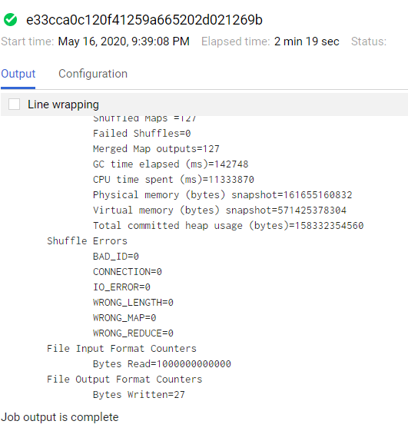
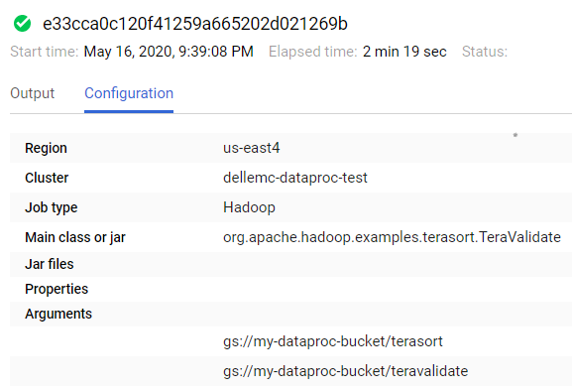
 | Job [e33cca0c120f41259a665202d021269b] submitted.
 | Waiting for job output...
 | 20/05/17 04:39:11 INFO client.RMProxy: Connecting to ResourceManager at dellemc-dataproc-test-m/10.150.0.25:8032
 | 20/05/17 04:39:11 INFO client.AHSProxy: Connecting to Application History server at dellemc-dataproc-test-m/10.150.0.25:10200
 | 20/05/17 04:39:12 INFO input.FileInputFormat: Total input files to process : 127
 | Spent 266ms computing base-splits.
 | Spent 3ms computing TeraScheduler splits.
 | 20/05/17 04:39:12 INFO mapreduce.JobSubmitter: number of splits:127
 | 20/05/17 04:39:12 INFO Configuration.deprecation: yarn.resourcemanager.system-metrics-publisher.enabled is deprecated. Instead, use yarn.system-metrics-publisher.enabled
 | 20/05/17 04:39:12 INFO mapreduce.JobSubmitter: Submitting tokens for job: job_1589677704647_0004
 | 20/05/17 04:39:12 INFO impl.YarnClientImpl: Submitted application application_1589677704647_0004
 | 20/05/17 04:39:12 INFO mapreduce.Job: The url to track the job: http://dellemc-dataproc-test-m:8088/proxy/application_1589677704647_0004/
 | 20/05/17 04:39:12 INFO mapreduce.Job: Running job: job_1589677704647_0004
 | 20/05/17 04:39:22 INFO mapreduce.Job: Job job_1589677704647_0004 running in uber mode : false
 | 20/05/17 04:39:22 INFO mapreduce.Job: map 0% reduce 0%
 | 20/05/17 04:39:43 INFO mapreduce.Job: map 1% reduce 0%
 | ...
 | 20/05/17 04:41:25 INFO mapreduce.Job: Job job_1589677704647_0004 completed successfully
 | 20/05/17 04:41:25 INFO mapreduce.Job: Counters: 55
 | File System Counters
 | FILE: Number of bytes read=11309
 | FILE: Number of bytes written=26689191
 | FILE: Number of read operations=0
 | FILE: Number of large read operations=0
 | FILE: Number of write operations=0
 | GS: Number of bytes read=1000000000000
 | GS: Number of bytes written=27
 | GS: Number of read operations=0
 | GS: Number of large read operations=0
 | GS: Number of write operations=0
 | HDFS: Number of bytes read=13970
 | HDFS: Number of bytes written=0
 | HDFS: Number of read operations=127
 | HDFS: Number of large read operations=0
 | HDFS: Number of write operations=0
 | Job Counters
 | Killed map tasks=1
 | Launched map tasks=128
 | Launched reduce tasks=1
 | Rack-local map tasks=128
 | Total time spent by all maps in occupied slots (ms)=39112911
 | Total time spent by all reduces in occupied slots (ms)=14277
 | Total time spent by all map tasks (ms)=13037637
 | Total time spent by all reduce tasks (ms)=4759
 | Total vcore-milliseconds taken by all map tasks=13037637
 | Total vcore-milliseconds taken by all reduce tasks=4759
 | Total megabyte-milliseconds taken by all map tasks=40051620864
 | Total megabyte-milliseconds taken by all reduce tasks=14619648
 | Map-Reduce Framework
 | Map input records=10000000000
 | Map output records=381
 | Map output bytes=10541
 | Map output materialized bytes=12065
 | Input split bytes=13970
 | Combine input records=0
 | Combine output records=0
 | Reduce input groups=255
 | Reduce shuffle bytes=12065
 | Reduce input records=381
 | Reduce output records=1
 | Spilled Records=762
 | Shuffled Maps =127
 | Failed Shuffles=0
 | Merged Map outputs=127
 | GC time elapsed (ms)=142748
 | CPU time spent (ms)=11333870
 | Physical memory (bytes) snapshot=161655160832
 | Virtual memory (bytes) snapshot=571425378304
 | Total committed heap usage (bytes)=158332354560
 | Shuffle Errors
 | BAD_ID=0
 | CONNECTION=0
 | IO_ERROR=0
 | WRONG_LENGTH=0
 | WRONG_MAP=0
 | WRONG_REDUCE=0
 | File Input Format Counters
 | Bytes Read=1000000000000
 | File Output Format Counters
 | Bytes Written=27
 | Job [e33cca0c120f41259a665202d021269b] finished successfully.
 | done: true
 | driverControlFilesUri: gs://dataproc-staging-us-east4-1043558379631-0dplca9f/google-cloud-dataproc-metainfo/6135f6c9-cc1b-47a5-839a-262e3f3ff50a/jobs/e33cca0c120f41259a665202d021269b/
 | driverOutputResourceUri: gs://dataproc-staging-us-east4-1043558379631-0dplca9f/google-cloud-dataproc-metainfo/6135f6c9-cc1b-47a5-839a-262e3f3ff50a/jobs/e33cca0c120f41259a665202d021269b/driveroutput
 | hadoopJob:
 | args:
 | - gs://my-dataproc-bucket/terasort
 | - gs://my-dataproc-bucket/teravalidate
 | mainClass: org.apache.hadoop.examples.terasort.TeraValidate
 | jobUuid: 3c5b66e5-edfa-3921-8ce3-64513b8b0b14
 | placement:
 | clusterName: dellemc-dataproc-test
 | clusterUuid: 6135f6c9-cc1b-47a5-839a-262e3f3ff50a
 | reference:
 | jobId: e33cca0c120f41259a665202d021269b
 | projectId: isilon-hdfs-project
 | status:
 | state: DONE
 | stateStartTime: '2020-05-17T04:41:27.238Z'
 | statusHistory:
 | state: PENDING
 | stateStartTime: '2020-05-17T04:39:08.613Z'
 | state: SETUP_DONE
 | stateStartTime: '2020-05-17T04:39:08.658Z'
 | details: Agent reported job success
 | state: RUNNING
 | stateStartTime: '2020-05-17T04:39:09.007Z'
 | yarnApplications:
 | name: TeraValidate
 | progress: 1.0
 | state: FINISHED
 | trackingUrl: http://dellemc-dataproc-test-m:8088/proxy/application_1589677704647_0004/

 | real 2m22.861s
 | user 0m2.223s
 | sys 0m0.215s

 | Sumary

16nodes-cloudonefs

time ./terabench.sh -p teragen -m 272 -M 16172 -d 10000000000 -B 256 -D HDP

File System Counters
FILE: Number of bytes read=0
FILE: Number of bytes written=62292786
FILE: Number of read operations=0
FILE: Number of large read operations=0
FILE: Number of write operations=0
HDFS: Number of bytes read=23815
HDFS: Number of bytes written=1000000000000
HDFS: Number of read operations=1632
HDFS: Number of large read operations=0
HDFS: Number of write operations=544
Job Counters
Launched map tasks=272
Other local map tasks=272
Total time spent by all maps in occupied slots (ms)=177776144
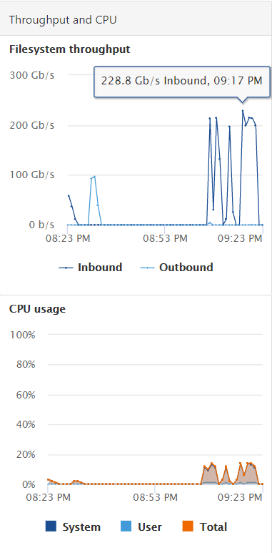
Total time spent by all reduces in occupied slots (ms)=0
Total time spent by all map tasks (ms)=11111009
Total vcore-milliseconds taken by all map tasks=11111009
Total megabyte-milliseconds taken by all map tasks=182042771456
Map-Reduce Framework
Map input records=10000000000
Map output records=10000000000
Input split bytes=23815
Spilled Records=0
Failed Shuffles=0
Merged Map outputs=0
GC time elapsed (ms)=149028
CPU time spent (ms)=13800720
Physical memory (bytes) snapshot=235364126720
Virtual memory (bytes) snapshot=1186447241216
Total committed heap usage (bytes)=426514579456
Peak Map Physical memory (bytes)=903196672
Peak Map Virtual memory (bytes)=4388818944
org.apache.hadoop.examples.terasort.TeraGen$Counters
CHECKSUM=3028416809717741100
File Input Format Counters
Bytes Read=0
File Output Format Counters
Bytes Written=1000000000000

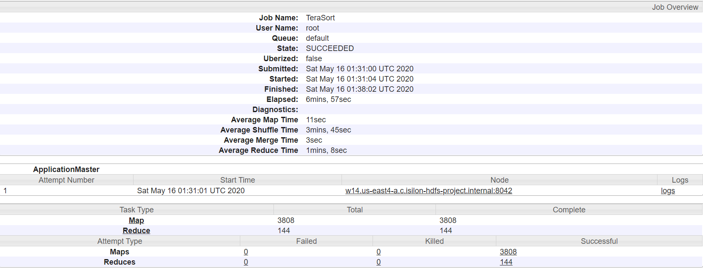
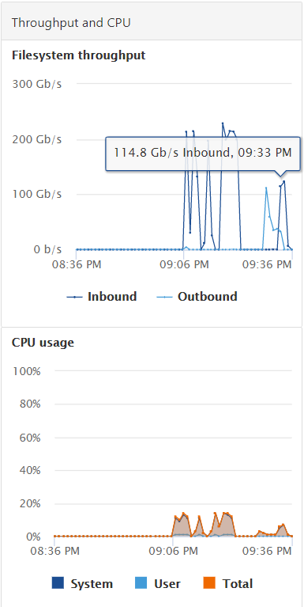
./terabench.sh -p terasort -m 272 -M 16172 -r 144 -R 16172 -B 256 -D HDP

File System Counters
FILE: Number of bytes read=1040005997706
FILE: Number of bytes written=2080927013014
FILE: Number of read operations=0
FILE: Number of large read operations=0
FILE: Number of write operations=0
HDFS: Number of bytes read=1000000479808
HDFS: Number of bytes written=1000000000000
HDFS: Number of read operations=12144
HDFS: Number of large read operations=0
HDFS: Number of write operations=288
Job Counters
Launched map tasks=3808
Launched reduce tasks=144
Rack-local map tasks=3808
Total time spent by all maps in occupied slots (ms)=703207680
Total time spent by all reduces in occupied slots (ms)=687091696
Total time spent by all map tasks (ms)=43950480
Total time spent by all reduce tasks (ms)=42943231
Total vcore-milliseconds taken by all map tasks=43950480
Total vcore-milliseconds taken by all reduce tasks=42943231
Total megabyte-milliseconds taken by all map tasks=720084664320
Total megabyte-milliseconds taken by all reduce tasks=703581896704
Map-Reduce Framework
Map input records=10000000000
Map output records=10000000000
Map output bytes=1020000000000
Map output materialized bytes=1040003290112
Input split bytes=479808
Combine input records=0
Combine output records=0
Reduce input groups=10000000000
Reduce shuffle bytes=1040003290112
Reduce input records=10000000000
Reduce output records=10000000000
Spilled Records=20000000000
Shuffled Maps =548352
Failed Shuffles=0
Merged Map outputs=548352
GC time elapsed (ms)=1203291
CPU time spent (ms)=90800690
Physical memory (bytes) snapshot=7579055570944
Virtual memory (bytes) snapshot=17244216299520
Total committed heap usage (bytes)=7914761748480
Peak Map Physical memory (bytes)=2074570752
Peak Map Virtual memory (bytes)=4491796480
Peak Reduce Physical memory (bytes)=2375057408
Peak Reduce Virtual memory (bytes)=4421111808
Shuffle Errors
BAD_ID=0
CONNECTION=0
IO_ERROR=0
WRONG_LENGTH=0
WRONG_MAP=0
WRONG_REDUCE=0
File Input Format Counters
Bytes Read=1000000000000
File Output Format Counters
Bytes Written=1000000000000
2020-05-16 01:38:04,106 INFO terasort.TeraSort: done

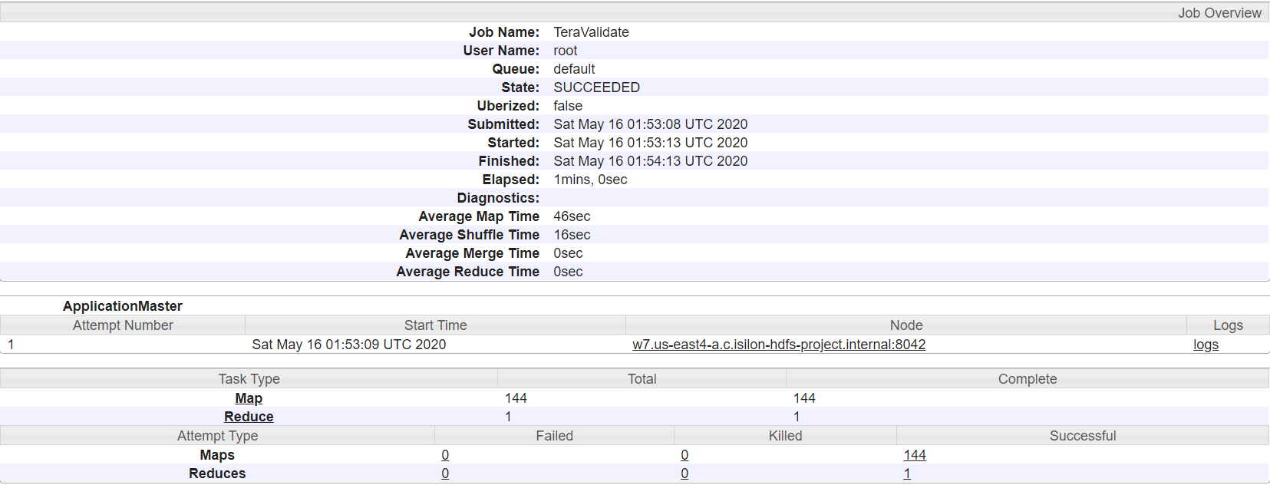
./terabench.sh -p teravalidate -m 272 -M 16172 -r 144 -R 16172 -B 256 -D HDP

File System Counters
FILE: Number of bytes read=12822
FILE: Number of bytes written=33297745
FILE: Number of read operations=0
FILE: Number of large read operations=0
FILE: Number of write operations=0
HDFS: Number of bytes read=1000000018288
HDFS: Number of bytes written=27
HDFS: Number of read operations=437
HDFS: Number of large read operations=0
HDFS: Number of write operations=2
Job Counters
Launched map tasks=144
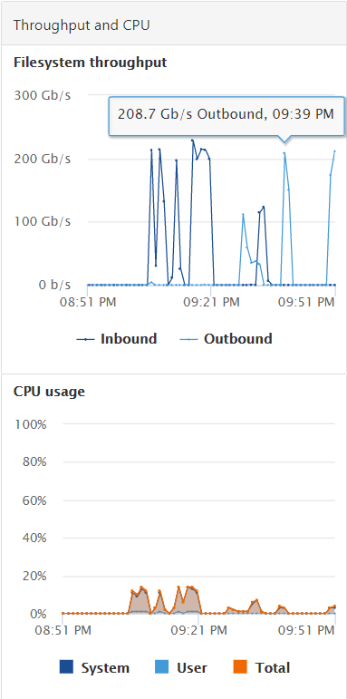
Launched reduce tasks=1
Rack-local map tasks=144
Total time spent by all maps in occupied slots (ms)=105782672
Total time spent by all reduces in occupied slots (ms)=36730
Total time spent by all map tasks (ms)=6611417
Total time spent by all reduce tasks (ms)=18365
Total vcore-milliseconds taken by all map tasks=6611417
Total vcore-milliseconds taken by all reduce tasks=18365
Total megabyte-milliseconds taken by all map tasks=108321456128
Total megabyte-milliseconds taken by all reduce tasks=37611520
Map-Reduce Framework
Map input records=10000000000
Map output records=432
Map output bytes=11952
Map output materialized bytes=13680
Input split bytes=18288
Combine input records=0
Combine output records=0
Reduce input groups=289
Reduce shuffle bytes=13680
Reduce input records=432
Reduce output records=1
Spilled Records=864
Shuffled Maps =144
Failed Shuffles=0
Merged Map outputs=144
GC time elapsed (ms)=243381
CPU time spent (ms)=12281720
Physical memory (bytes) snapshot=289044803584
Virtual memory (bytes) snapshot=633767321600
Total committed heap usage (bytes)=288440188928
Peak Map Physical memory (bytes)=2109366272
Peak Map Virtual memory (bytes)=4479045632
Peak Reduce Physical memory (bytes)=537055232
Peak Reduce Virtual memory (bytes)=4387201024
Shuffle Errors
BAD_ID=0
CONNECTION=0
IO_ERROR=0
WRONG_LENGTH=0
WRONG_MAP=0
WRONG_REDUCE=0
File Input Format Counters
Bytes Read=1000000000000
File Output Format Counters
Bytes Written=27

23nodes-cloudonefs
terabench.sh -p teragen -m 322 -M 18768 -d 10000000000 -B 256 -D HDP

File System Counters
FILE: Number of bytes read=0
FILE: Number of bytes written=73746584
FILE: Number of read operations=0
FILE: Number of large read operations=0
FILE: Number of write operations=0
HDFS: Number of bytes read=28193
HDFS: Number of bytes written=1000000000000
HDFS: Number of read operations=1932
HDFS: Number of large read operations=0
HDFS: Number of write operations=644
Job Counters
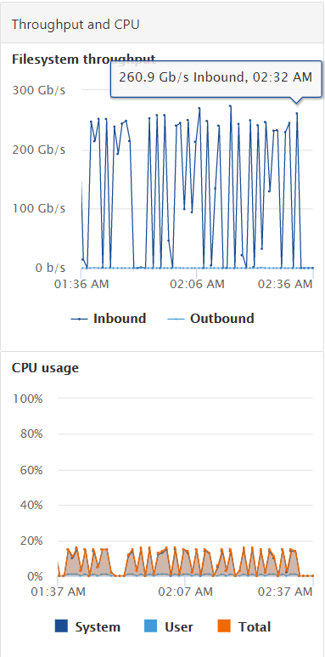
Launched map tasks=322
Other local map tasks=322
Total time spent by all maps in occupied slots (ms)=219319546
Total time spent by all reduces in occupied slots (ms)=0
Total time spent by all map tasks (ms)=11543134
Total vcore-milliseconds taken by all map tasks=11543134
Total megabyte-milliseconds taken by all map tasks=224583215104
Map-Reduce Framework
Map input records=10000000000
Map output records=10000000000
Input split bytes=28193
Spilled Records=0
Failed Shuffles=0
Merged Map outputs=0
GC time elapsed (ms)=154424
CPU time spent (ms)=13471320
Physical memory (bytes) snapshot=434412670976
Virtual memory (bytes) snapshot=4296849416192
Total committed heap usage (bytes)=448937852928
Peak Map Physical memory (bytes)=1387114496
Peak Map Virtual memory (bytes)=13370474496
org.apache.hadoop.examples.terasort.TeraGen$Counters
CHECKSUM=3028416809717741100
File Input Format Counters
Bytes Read=0
File Output Format Counters
Bytes Written=1000000000000

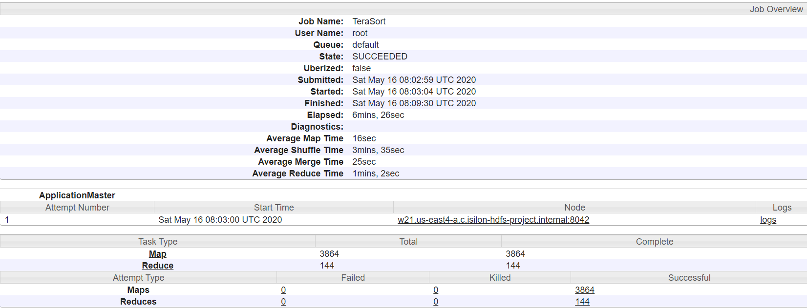
time ./terabench.sh -p terasort -m 272 -M 16172 -r 144 -R 16172 -B 256 -D HDP

File System Counters
FILE: Number of bytes read=1040006079800
FILE: Number of bytes written=2080940183684
FILE: Number of read operations=0
FILE: Number of large read operations=0
FILE: Number of write operations=0
HDFS: Number of bytes read=1000000486864
HDFS: Number of bytes written=1000000000000
HDFS: Number of read operations=12312
HDFS: Number of large read operations=0
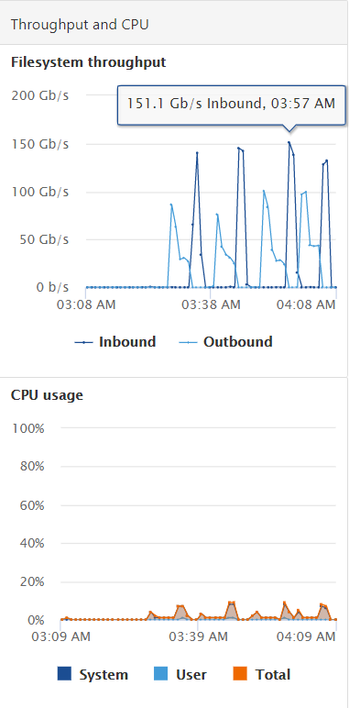
HDFS: Number of write operations=288
Job Counters
Launched map tasks=3864
Launched reduce tasks=144
Rack-local map tasks=3864
Total time spent by all maps in occupied slots (ms)=1004492128
Total time spent by all reduces in occupied slots (ms)=700597104
Total time spent by all map tasks (ms)=62780758
Total time spent by all reduce tasks (ms)=43787319
Total vcore-milliseconds taken by all map tasks=62780758
Total vcore-milliseconds taken by all reduce tasks=43787319
Total megabyte-milliseconds taken by all map tasks=1028599939072
Total megabyte-milliseconds taken by all reduce tasks=717411434496
Map-Reduce Framework
Map input records=10000000000
Map output records=10000000000
Map output bytes=1020000000000
Map output materialized bytes=1040003338496
Input split bytes=486864
Combine input records=0
Combine output records=0
Reduce input groups=10000000000
Reduce shuffle bytes=1040003338496
Reduce input records=10000000000
Reduce output records=10000000000
Spilled Records=20000000000
Shuffled Maps =556416
Failed Shuffles=0
Merged Map outputs=556416
GC time elapsed (ms)=8967244
CPU time spent (ms)=266533150
Physical memory (bytes) snapshot=11275910840320
Virtual memory (bytes) snapshot=53510860275712
Total committed heap usage (bytes)=12495926853632
Peak Map Physical memory (bytes)=2914631680
Peak Map Virtual memory (bytes)=13494390784
Peak Reduce Physical memory (bytes)=7711936512
Peak Reduce Virtual memory (bytes)=13410349056
Shuffle Errors
BAD_ID=0
CONNECTION=0
IO_ERROR=0
WRONG_LENGTH=0
WRONG_MAP=0
WRONG_REDUCE=0
File Input Format Counters
Bytes Read=1000000000000
File Output Format Counters
Bytes Written=1000000000000
2020-05-16 08:09:33,052 INFO terasort.TeraSort: done

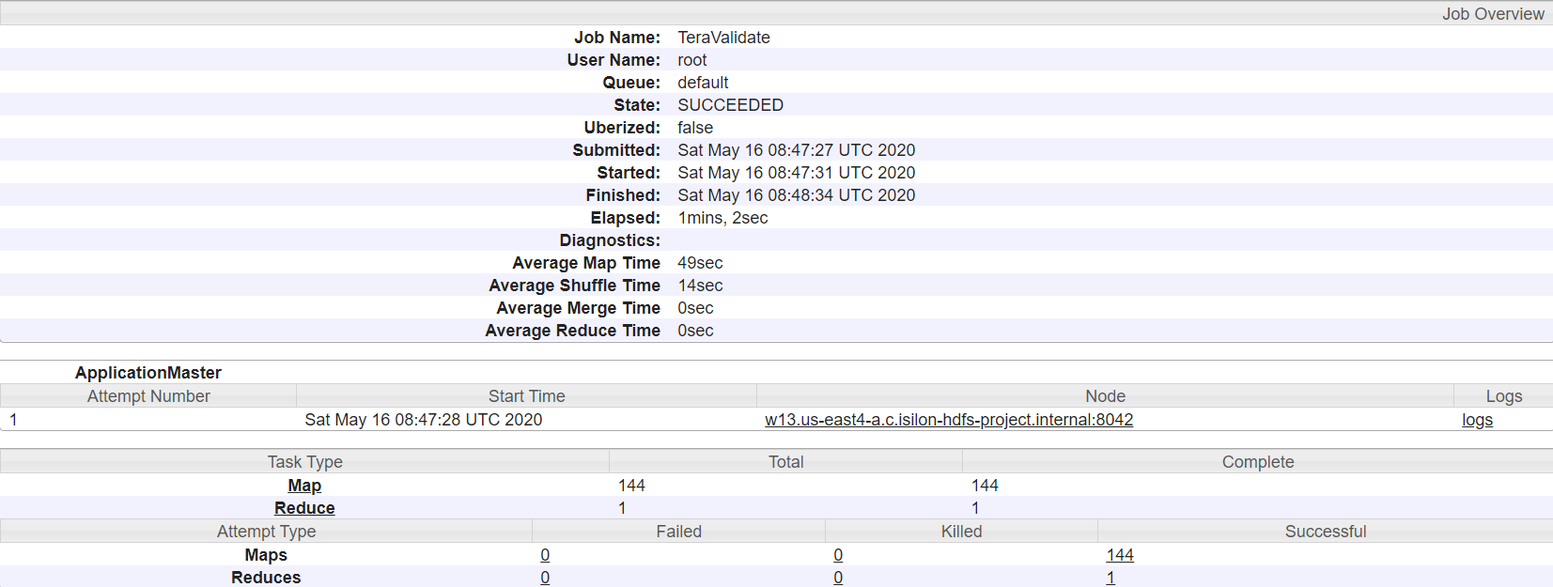
time ./terabench.sh -p teravalidate -m 144 -M 12172 -B 256 -D HDP

File System Counters
FILE: Number of bytes read=12822
FILE: Number of bytes written=33299050
FILE: Number of read operations=0
FILE: Number of large read operations=0
FILE: Number of write operations=0
HDFS: Number of bytes read=1000000018288
HDFS: Number of bytes written=27
HDFS: Number of read operations=437
HDFS: Number of large read operations=0
HDFS: Number of write operations=2
Job Counters
Launched map tasks=144
Launched reduce tasks=1
Rack-local map tasks=144
Total time spent by all maps in occupied slots (ms)=136817651
Total time spent by all reduces in occupied slots (ms)=562097
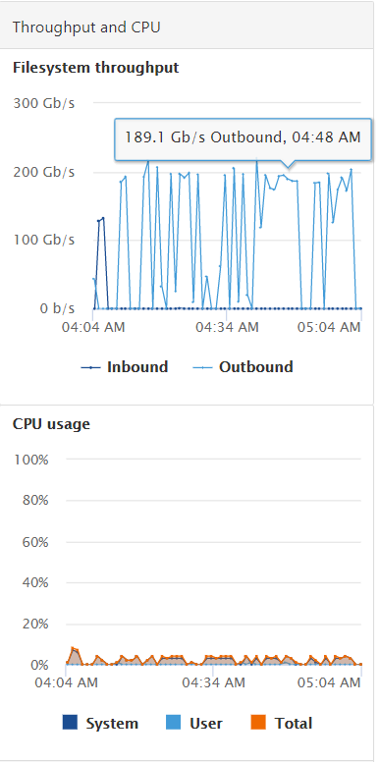
Total time spent by all map tasks (ms)=7200929
Total time spent by all reduce tasks (ms)=24439
Total vcore-milliseconds taken by all map tasks=7200929
Total vcore-milliseconds taken by all reduce tasks=24439
Total megabyte-milliseconds taken by all map tasks=140101274624
Total megabyte-milliseconds taken by all reduce tasks=575587328
Map-Reduce Framework
Map input records=10000000000
Map output records=432
Map output bytes=11952
Map output materialized bytes=13680
Input split bytes=18288
Combine input records=0
Combine output records=0
Reduce input groups=289
Reduce shuffle bytes=13680
Reduce input records=432
Reduce output records=1
Spilled Records=864
Shuffled Maps =144
Failed Shuffles=0
Merged Map outputs=144
GC time elapsed (ms)=339174
CPU time spent (ms)=14373810
Physical memory (bytes) snapshot=486045843456
Virtual memory (bytes) snapshot=1935709593600
Total committed heap usage (bytes)=534992912384
Peak Map Physical memory (bytes)=3641634816
Peak Map Virtual memory (bytes)=13499822080
Peak Reduce Physical memory (bytes)=529059840
Peak Reduce Virtual memory (bytes)=13377327104
Shuffle Errors
BAD_ID=0
CONNECTION=0
IO_ERROR=0
WRONG_LENGTH=0
WRONG_MAP=0
WRONG_REDUCE=0
File Input Format Counters
Bytes Read=1000000000000
File Output Format Counters
Bytes Written=27

Graphs
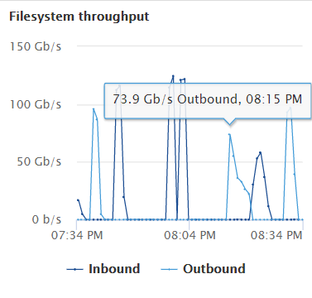
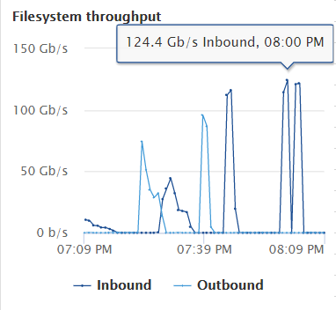
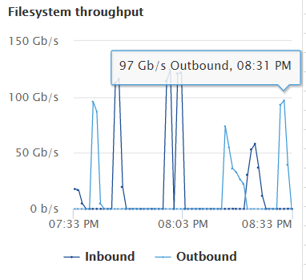
Graphs
 |  |  |  |  | 1TB Hadoop Benchmarks
 |  |  | nodes |  | TeraGen | TeraSort | TeraValidate
 |  | onefs | 8 | cloud onefs | 85 | 641 | 112
 |  | gs | 8 | google storage | 175 | 1977 | 81

1TB Hadoop Benchmarks (run-times logrithmically scaled)
 | OneFS TeraGen Throughput |  |  |  |  | OneFS TeraSort Throughput |  | OneFS TeraValidate Throughput

