Legend 1898
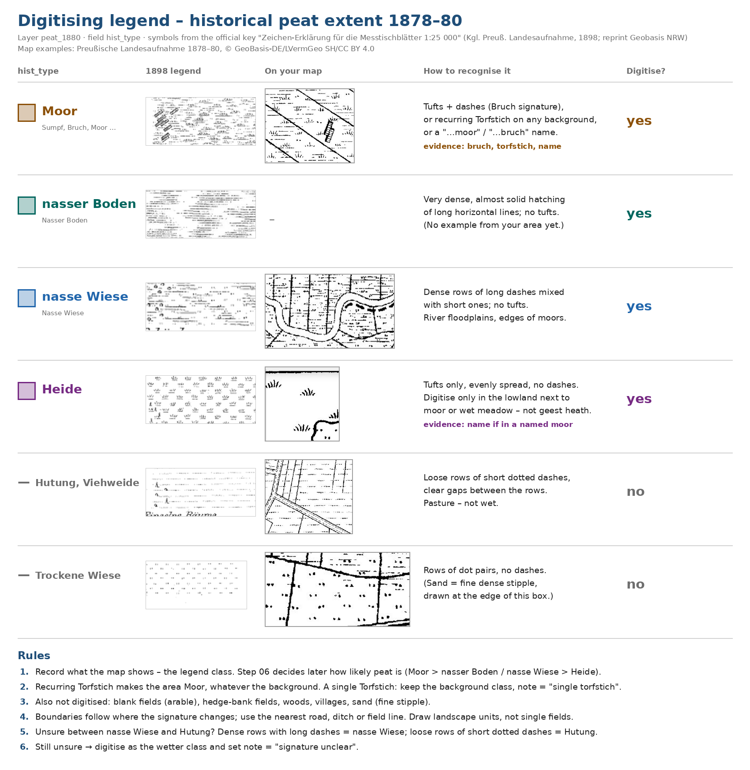
Digitising legend (picture)

