Nimble
Kundendaten
Kunde -- Projekt | ITSG -- AP400 DiGeN
Datum | 2019-08-21
Version | 0.00.011

StoreServe Storage System | System 1 | System 2 | Bemerkungen
Storage System Name | A-DCB-STO0100 | B-DCB-STO0100
Group name
Management IP address | 10.40.210.40 | 10.40.193.40
Discovery IP address | 10.40.204.150 / 10.40.205.150 | 10.40.204.170 / 10.40.205.170 | iSCSI only
Network address
Subnet mask | 255.255.254.0 | 255.255.254.0
Default gateway
Administrator password
Controller A diagnostic IP address | 10.40.210.41 | 10.40.193.41 | mgmt subnet
Controller B diagnostic IP address | 10.40.210.42 | 10.40.193.42 | mgmt subnet
Domain name | ad.nublar.de | ad.nublar.de
DNS server IP addresses, up to 5
Time zone
NTP (time) server IP address

Subnet Label | Nimble A iSCSI-A | Nimble A iSCSI-B | Nimble B iSCSI-A | Nimble B iSCSI-B
Network Address | 10.40.204.0 | 10.40.205.0 | 10.40.204.0 | 10.40.205.0
Subnet Mask | 255.255.255.0 | 255.255.255.0 | 255.255.255.0 | 255.255.255.0
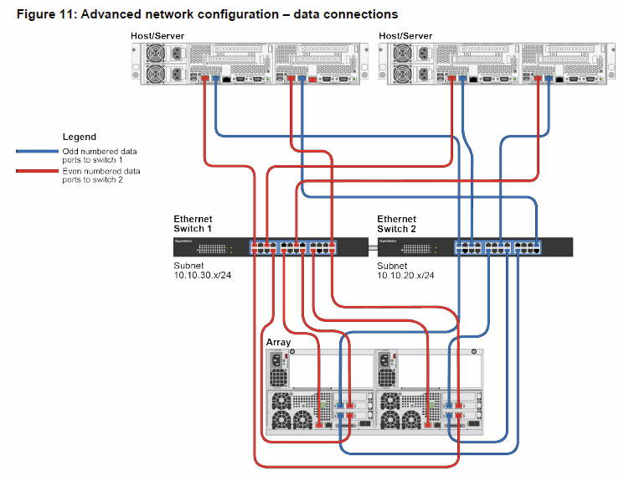
Traffic Type: • Data only • Management only • Management + Data | data | data | data | data
Traffic Assignment – For iSCSI arrays only: • iSCSI + Group • iSCSI only • Group only | iscsi_group | iscsi_group | iscsi_group | iscsi_group
Discovery IP address – For iSCSI arrays only
IP Address Zone – For iSCSI arrays only: • Single • Bisect • Even/Odd | single | single | single | single
MTU: • Standard (1500 bytes) • Jumbo (9000 bytes) • Custom number of bytes | standard | standard | standard | standard
VLAN ID – 1 to 4094
Interfaces assigned to this subnet: • CS210 models: eth1, eth2, eth3, eth4 • CS-series 1GbE models: eth1, eth2, eth3, eth4, eth5, eth6 • CS-G-series 10GbE models: eth1, eth2, tg1, tg2, tg3, tg4 • CS300, CS500 and CS700 models: eth1, eth2, eth3, eth4, eth5, eth6 • AF3000, AF5000, AF7000, AF9000 models: eth1, eth2, eth3, eth4, eth5, eth6 | eth1a, eth3a | eth1b, eth3b | eth1a, eth3a | eth1b, eth3b
Subnet Type: • Data only • Management + data • VLAN | data | data | data | data
Data IP address – For Data-only subnet type | 10.40.204.151 10.40.204.152 | 10.40.205.151 10.40.205.152 | 10.40.204.171 10.40.204.172 | 10.40.205.171 10.40.205.172
Tagged for VLAN – Enables access to multiple subnets using tagged Frames | untagged | untagged | untagged | untagged

Mail Notification | Wert | Spalte1
Sender (from) email address | A-DCB-STO0100@ad.nublar.de | B-DCB-STO0100@ad.nublar.de
Recipient email addresses
SMTP server IP address

Call Home | Wert
HTTP proxy server IP address
HTTP proxy server port
HTTP proxy server user name
HTTP proxy server password

