Sheet1
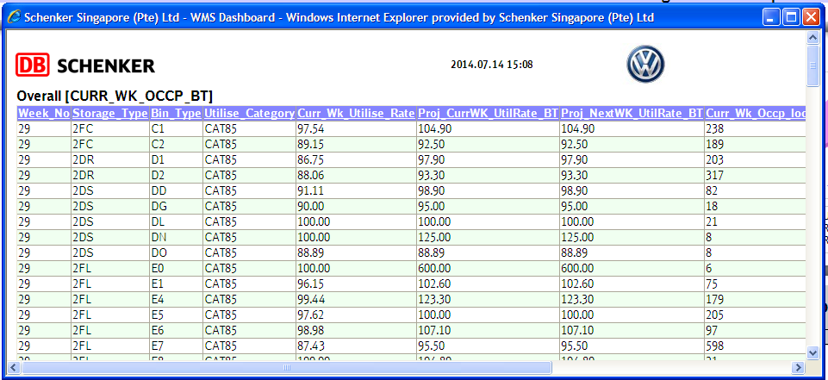
1.1.1 Current Utilization Rate – Bin Type Level
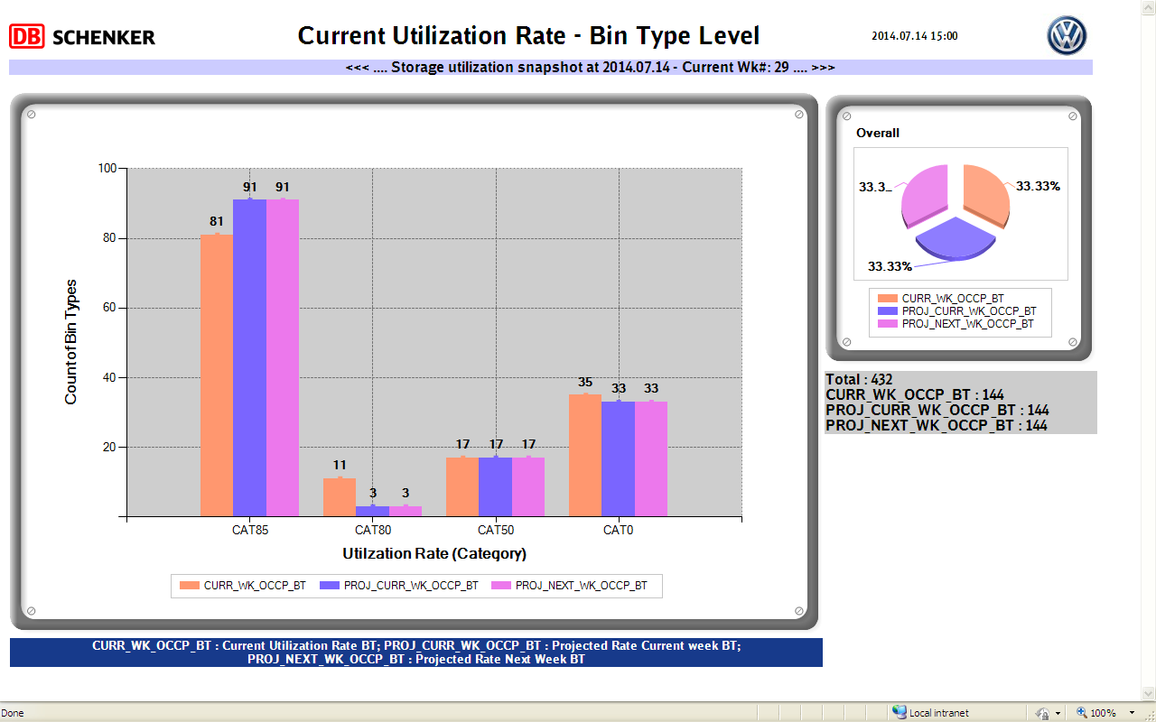

Zoom – Bar chart


Zoom – Pie chart

