Sheet1
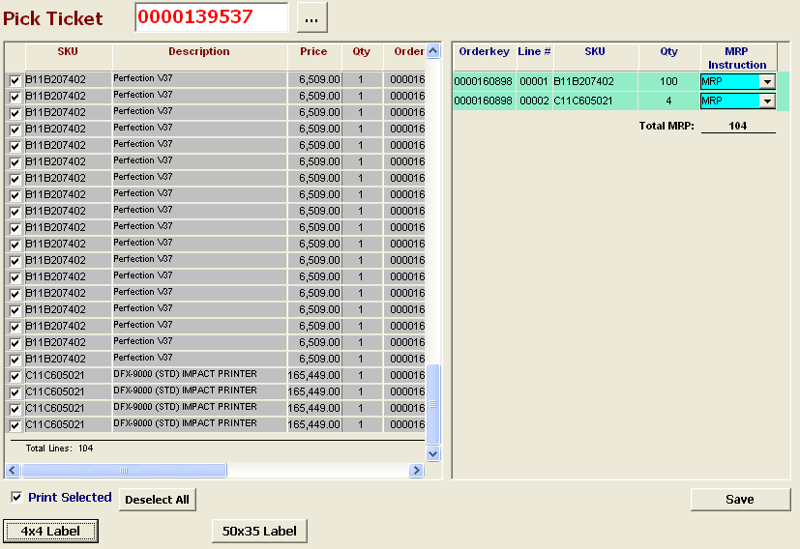
MRP STICKER GENERATE SCREEN IN WMS

