Sheet1
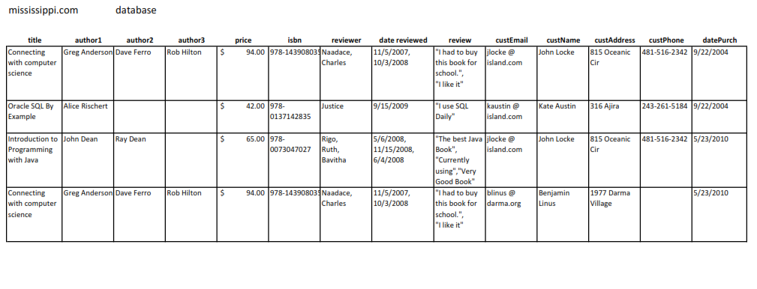

 |  |  |  |  | AuthorId | Author Name
BookId | book title |  |  |  | 1 | Greg Anderson
1 | Connecting with computer science |  |  |  | 2 | Alice Rischert
2 | Oracle SQL By Example |  |  |  | 3 | John Dean
3 | Introduction to Programming with Java |  |  |  | 4 | Dave Ferro
 |  |  |  |  | 5 | Ray Dean
 |  |  |  |  | 6 | Rob Hilton

BAID | BookId | AuthorId | book title | Author Name
1 | 1 | 1 | Connecting with computer science | Greg Anderson
2 | 1 | 4 | Connecting with computer science | Dave Ferro
3 | 1 | 6 | Connecting with computer science | Rob Hilton
4 | 2 | 2 | Oracle SQL By Example | Alice Rischert
5 | 3 | 3 | Introduction to Programming with Java | John Dean
6 | 3 | 4 | Introduction to Programming with Java | Dave Ferro

Reviewer Id | Reviewer Name | DateReviewed Id | date reviewed
1 | Naadace | 1 | 2007-11-05
2 | Charles | 2 | 2008-10-03
3 | Justice | 3 | 2009-09-15
4 | Rigo | 4 | 2008-05-06
5 | Ruth | 5 | 2008-11-15
6 | Bavitha | 6 | 2008-06-04

Column1 | Column2
1 | Oracle SQL By Example
2 | Introduction to Programming with Java
3 | Connecting with computer science

RDID | Reviewer Id | DateReviewed Id | Reviewer Name | date reviewed | review
1 | 1 | 1 | Naadace | 2007-11-05 | "I had to buy this book for school"
2 | 2 | 2 | Charles | 2008-10-03 | "I like it"
3 | 3 | 3 | Justice | 2009-09-15 | "I use SQL Daily"
4 | 4 | 4 | Rigo | 2008-05-06 | "The best Java Book"
5 | 5 | 5 | Ruth | 2008-11-15 | "Currently Using"
6 | 6 | 6 | Bavitha | 2008-06-04 | "Very Good Book"

3NF

Customer table
CustomerId | First Name | Last Name | custEmail | custAddress | custPhone
1 | John | Locke | jlocke @island.com | 815 Oceanic Cir | 481-516-2342
2 | Kate | Austin | kaustin @island.com | 316 Ajira | 243-261-5184
3 | Benjamin | Linus | blinus @darma.org | 1977 Darma Village

Purchase table
datePurch Id | datePurch
1 | 2004-09-22
2 | 2010-05-23

Author table
AuthorId | First Name | Last Name
1 | Greg | Anderson
2 | Alice | Rischert
3 | John | Dean
4 | Dave | Ferro
5 | Ray | Dean
6 | Rob | Hilton

Book table |  |  | isbn
BookId | book title | price | 978-143908035
1 | Connecting with computer science | $94.00 | 978-0137142835
2 | Oracle SQL By Example | $42.00 | 978-0073047027
3 | Introduction to Programming with Java | $65.00

Review table
BookId | Reviewer Id | Reviewer Name | date reviewed | review
1 | 1 | Naadace | 2007-11-05 | "I had to buy this book for school"
1 | 2 | Charles | 2008-10-03 | "I like it"
2 | 3 | Justice | 2009-09-15 | "I use SQL Daily"
3 | 4 | Rigo | 2008-05-06 | "The best Java Book"
3 | 5 | Ruth | 2008-11-15 | "Currently Using"
3 | 6 | Bavitha | 2008-06-04 | "Very Good Book"

Mississippi db table
BAID | BookId | AuthorId | CustomerId | datePurch Id
1 | 1 | 1 | 1 | 1
2 | 1 | 4 | 1 | 1
3 | 1 | 6 | 1 | 1
4 | 2 | 2 | 2 | 1
5 | 3 | 3 | 1 | 2
6 | 1 | 1 | 3 | 2
7 | 3 | 5 | 1 | 2
8 | 1 | 4 | 3 | 2

