Site List
BOM Code | SAP Number | Type | Module | Reuse/replace | Action | De-installation Week | Expected Quantity | Actual Quantity | Remark
02311APA | 10027276 | RF 1800M | RRU3953 | Reuse | dismantled must be returned to SH03 in Schenker against rezervation No. |  |  |  | Including 3 PCS bracket and power connector
02311PRD | 10030662 | RF 1800M | RRU5905 | Reuse | dismantled must be returned to SH03 in Schenker against rezervation No. |  |  |  | Including 3 PCS bracket and power connector
02311BBK | 10027272 | RF 1800M | RRU3953w | Reuse | dismantled must be returned to SH03 in Schenker against rezervation No. |  |  |  | Including 3 PCS bracket and power connector
02311UWH | 10030658 | RF 1800M | RRU5904 | Reuse | dismantled must be returned to SH03 in Schenker against rezervation No. |  |  |  | Including 3 PCS bracket and power connector
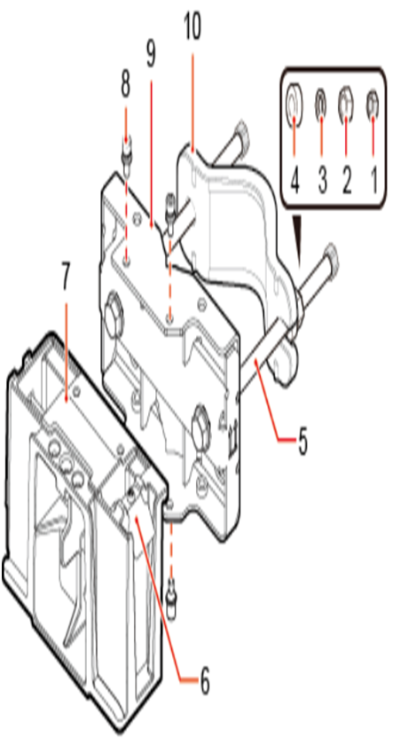
02311QFY | 10029705 | RF 2100M | RRU3953 | Reuse | dismantled must be returned to SH03 in Schenker against rezervation No. |  |  |  | Including 3 PCS bracket and power connector
02312CME | 10030566 | RF 2600M | RRU5304 | Reuse | dismantled must be returned to SH03 in Schenker against rezervation No. |  |  |  | Including 3 PCS bracket and power connector
02311HEF | 10029714 | RF 2600M | RRU3281 | Reuse | dismantled must be returned to SH03 in Schenker against rezervation No. |  |  |  | Including 3 PCS bracket and power connector
02311KVB | 10029713 | RF 2600M | RRU3268 | Reuse | dismantled must be returned to SH03 in Schenker against rezervation No. |  |  |  | Including 3 PCS bracket and power connector
02312CHP | 10031468 | RF 3500M | AAU5613 | Reuse | dismantled must be returned to SH03 in Schenker against rezervation No.
02312DWE | 10031469 | RF 3500M | AAU5313 | Reuse | dismantled must be returned to SH03 in Schenker against rezervation No.
02311HVE | 10027275 | RF 900M | RRU3953 | Reuse | dismantled must be returned to SH03 in Schenker against rezervation No.
02310MNS | 10024251 | RF 900M | RRU3936 | Reuse | dismantled must be returned to SH03 in Schenker against rezervation No.
02312BCY | 10030661 | RF 900M | RRU5905 | Reuse | dismantled must be returned to SH03 in Schenker against rezervation No.
02311DYP | 10026879 | RF 1800+2100M | AAU3940 | Reuse | dismantled must be returned to SH03 in Schenker against rezervation No. |  |  |  |  | (1) Plastic cap
03058542 | 10031088 | BBP/MPT | UMPTg2 | Reuse | dismantled must be returned to SH03 in Schenker against rezervation No. |  |  |  |  | (2) Standard M10 nut
03022HEJ | 10027340 | BBP/MPT | UBBPd3 | Reuse | dismantled must be returned to SH03 in Schenker against rezervation No. |  |  |  |  | (3) Spring washer
03022HEL | 10027271 | BBP/MPT | UBBPd5 | Reuse | dismantled must be returned to SH03 in Schenker against rezervation No. |  |  |  |  | (4) Thick flat washer
03022HEM | 10026709 | BBP/MPT | UBBPd6 | Reuse | dismantled must be returned to SH03 in Schenker against rezervation No. |  |  |  |  | (5) Square-neck bolt
03058707 | 10031385 | BBP/MPT | UBBPg2a | Reuse | dismantled must be returned to SH03 in Schenker against rezervation No. |  |  |  |  | (6) Hoist clamp on the main bracket
02310WYG | 10027269 | BBU | BBU3910 | Reuse | dismantled must be returned to SH03 in Schenker against rezervation No. |  |  |  | including 1 UPEUd，1 PCS power cable | (7) Main bracket
02310WYG | no SAP No | BBU | BBU3910 | Reuse | dismantled to be decomposed |  |  |  | including 2 UPEUd，2 PCS power cable- to be decomposed | (8) Inner hexagon screw
02311VBK | 10031384 | BBU | BBU5900 | Reuse | dismantled must be returned to SH03 in Schenker against rezervation No. |  |  |  | including 1 UPEUe，1 PCS power cable | (9) Pole installation bracket
02311VBK | no SAP No | BBU | BBU5900 | Reuse | dismantled to be decomposed |  |  |  | including 2 UPEUe，2 PCS power cable- to be decomposed | (10) Auxiliary bracket
02310SFM | 10027273 |  | UPEUd | Reuse | dismantled must be returned to SH03 in Schenker against rezervation No. |  |  |  | return of second UPEUd and 1pcs power cable
02310MNR |  | RF 1800M | RRU3936 | Reuse | dismantled must be returned to SH03 in Schenker against rezervation No.
02310UPA | 10027420 | RF 2100M | RRU3826 | Reuse | dismantled must be returned to SH03 in Schenker against rezervation No.
02310MNS | 10024251 | RF 900M | RRU3936 | Reuse | dismantled must be returned to SH03 in Schenker against rezervation No.
02319897 |  |  | UPEUc | Reuse | dismantled must be returned to SH03 in Schenker against rezervation No.
02310KKQ |  | RF 2100M | RRU3826 | Reuse | dismantled must be returned to SH03 in Schenker against rezervation No.
02316791 |  | RF 2100M | RRU3804 | Reuse | dismantled must be returned to SH03 in Schenker against rezervation No.
02310UNY |  | RF 2100M | RRU3824 | Reuse | dismantled must be returned to SH03 in Schenker against rezervation No.
02310HFW |  | RF 900M | RRU3926 | Reuse | dismantled must be returned to SH03 in Schenker against rezervation No.
03054885 |  | MPT | UMPTb1 | Reuse | dismantled must be returned to SH03 in Schenker against rezervation No.
03054886 |  | MPT | UMPTb2 | Reuse | dismantled must be returned to SH03 in Schenker against rezervation No.
03022ACJ |  | BBP | UBRIb | Reuse | dismantled must be returned to SH03 in Schenker against rezervation No.
03020KWP |  | BBP | WBBPb3 | Reuse | dismantled must be returned to SH03 in Schenker against rezervation No.
03020PSS |  | BBP | WBBPb3 | Reuse | dismantled must be returned to SH03 in Schenker against rezervation No.
03021HPR |  | BBP | WBBPf4 | Reuse | dismantled must be returned to SH03 in Schenker against rezervation No.
02112722 |  | BBU | BBU3900 | Reuse | dismantled must be returned to SH03 in Schenker against rezervation No.
 |  | PDU | PDU | Reuse | dismantled must be returned to SH03 in Schenker against rezervation No.

