Risk matrix explanation
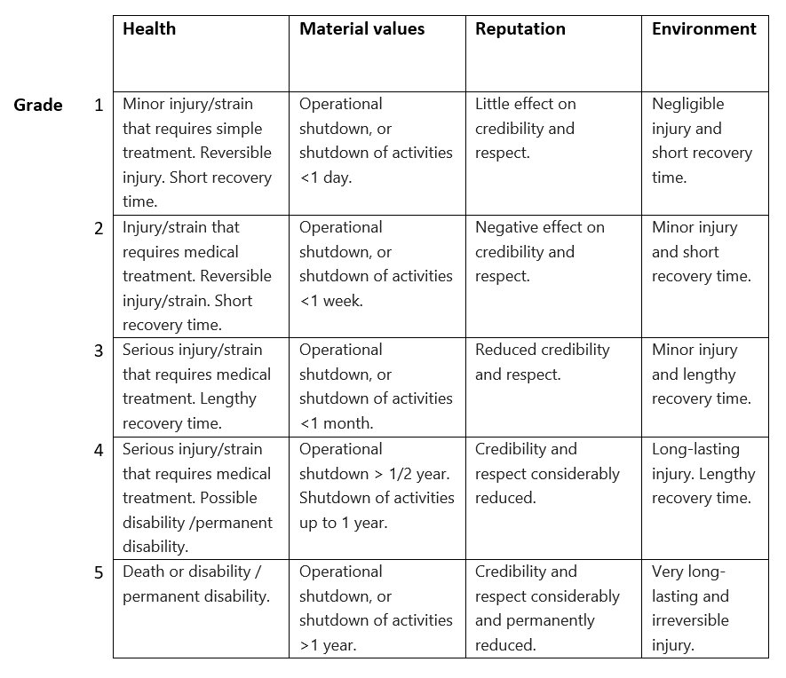
Red | Unacceptable risk. Measures needs to be implemented.
Yellow | Medium risk. Measures needs to be considered.
Green | Acceptable risk. Measures can be considered.

Risk = Probability x Consequence
Consequence
5. Very serious | 5 | 10 | 15 | 20 | 25
4. Serious | 4 | 8 | 12 | 16 | 20
3. Moderate | 3 | 6 | 9 | 12 | 15
2. Small | 2 | 4 | 6 | 8 | 10
1. Very small | 1 | 2 | 3 | 4 | 5
 | 1. Very small | 2. Small | 3. Medium | 4. High | 5. Very high
 | Probability

