セットアップ
■セットアップ

 | 1. Realmの追加

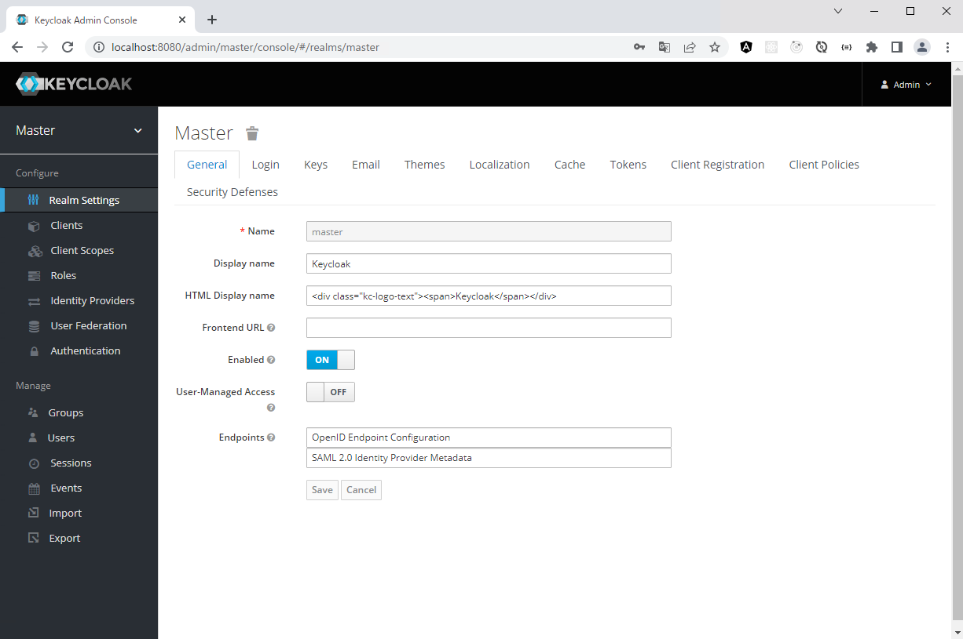

この辺りをクリックして
Add realmをクリック

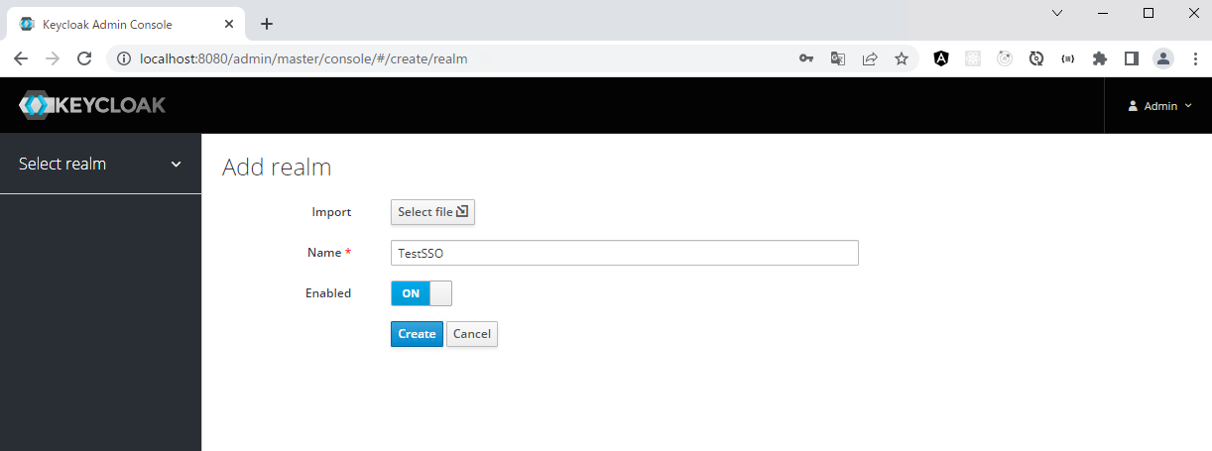

名前を入力

名前を入力

 | 2. Clientの追加

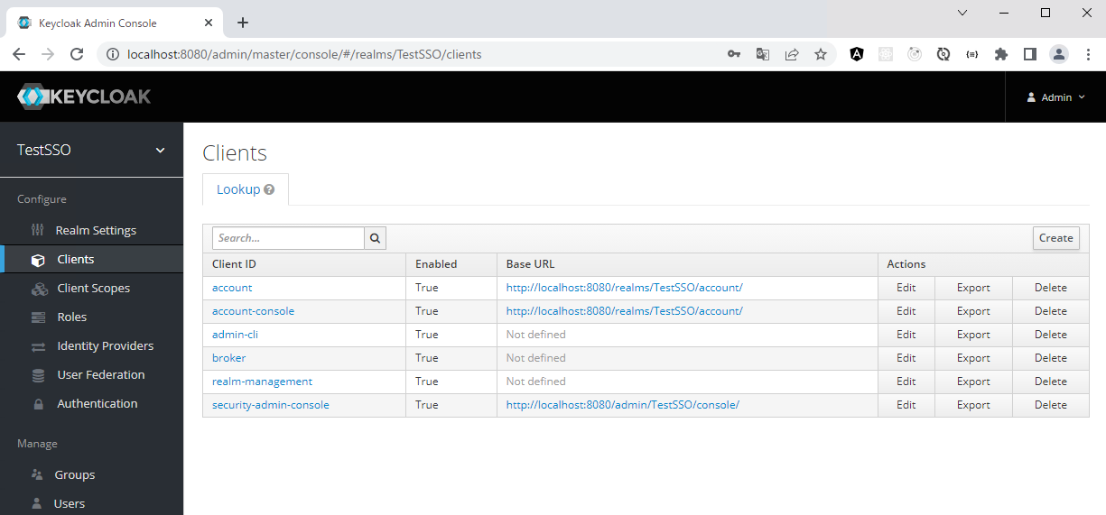

Create

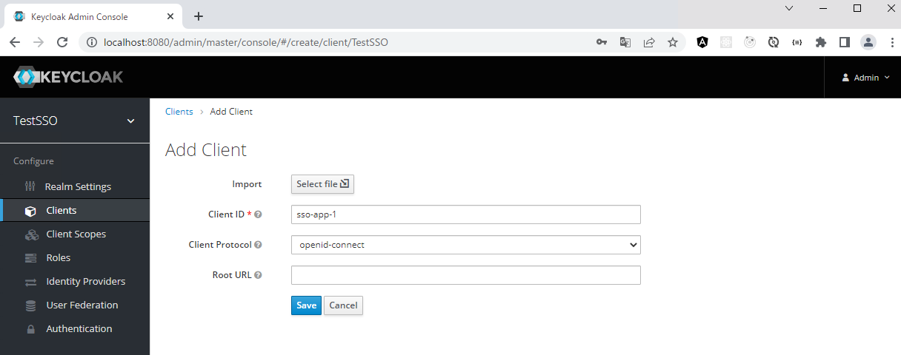

名前を入力

Create

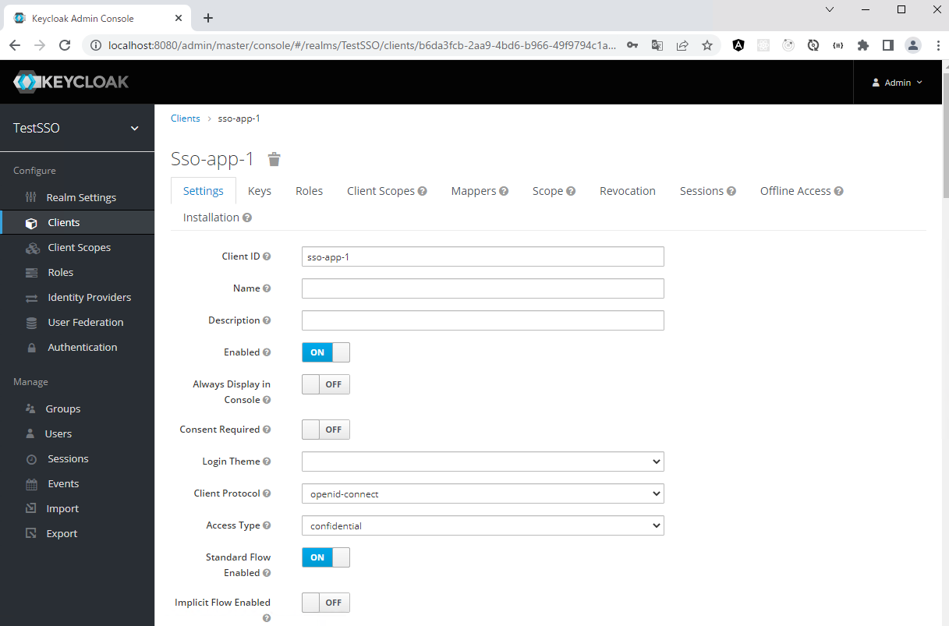

変更

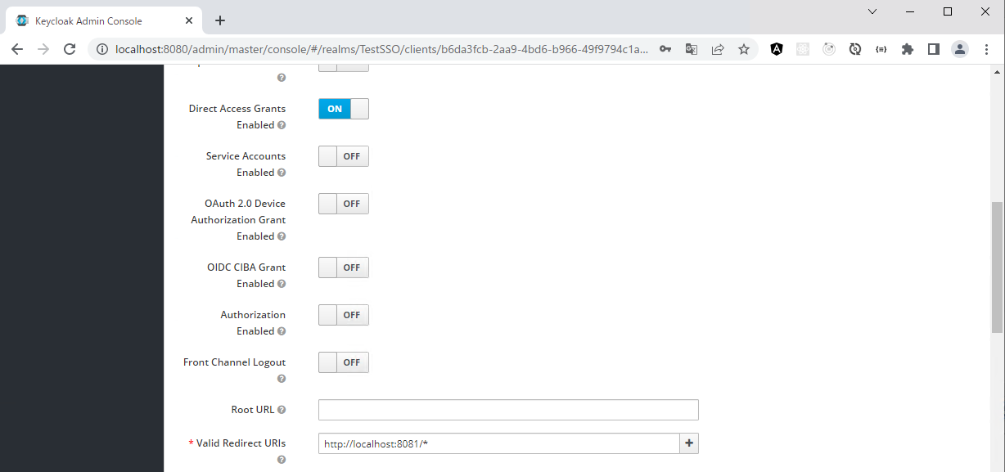

入力

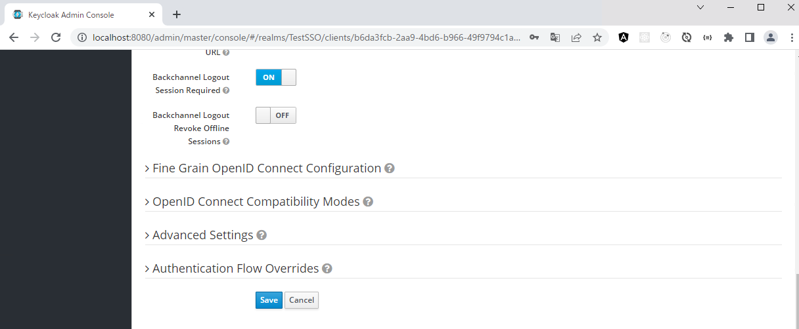

Save

 | 3. Roleの追加

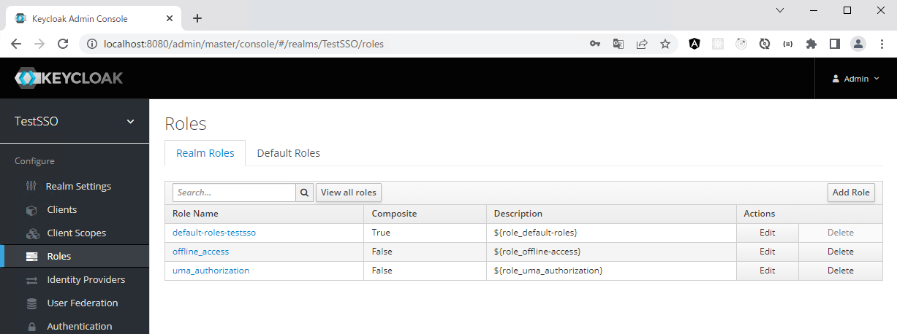

Add Role

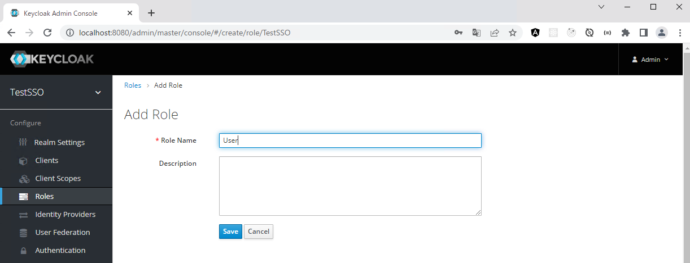

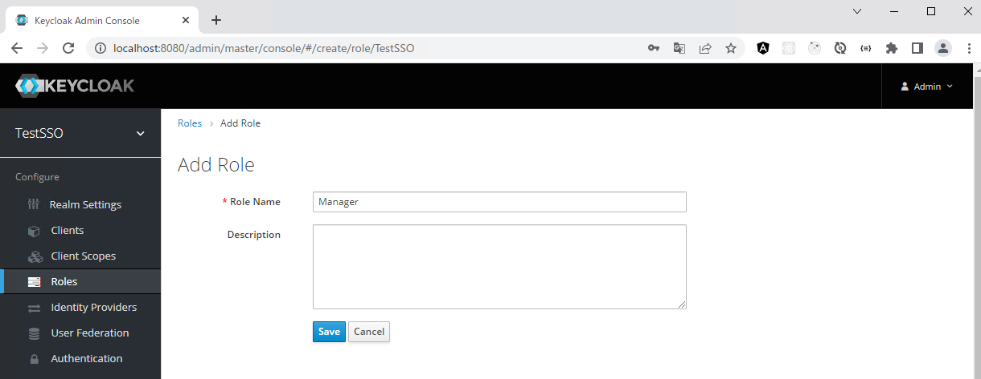

 | 3. Userの作成

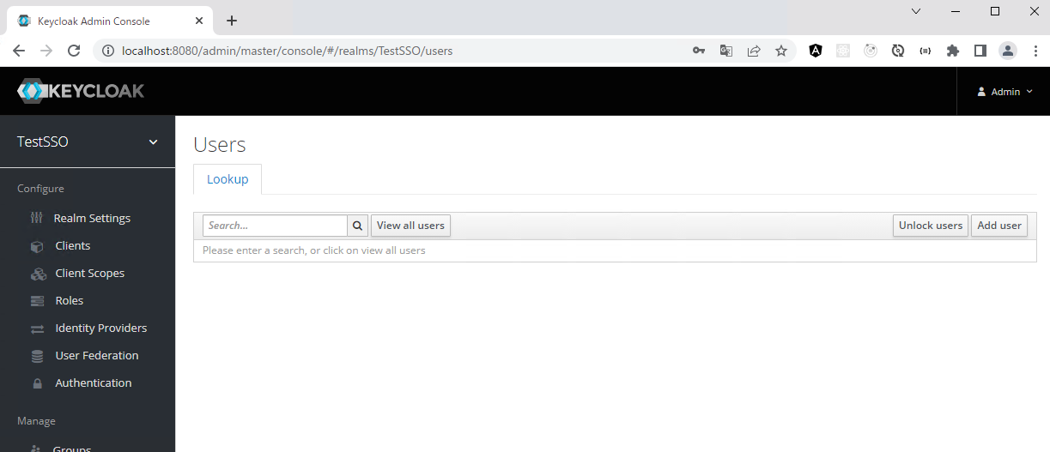

Add user

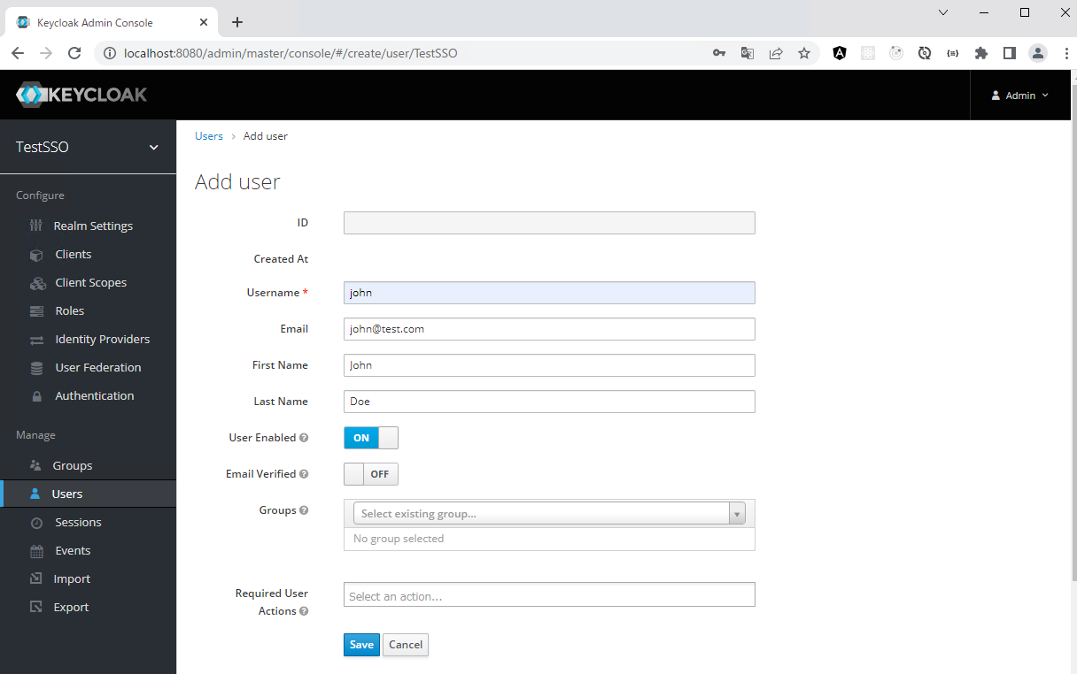

Save

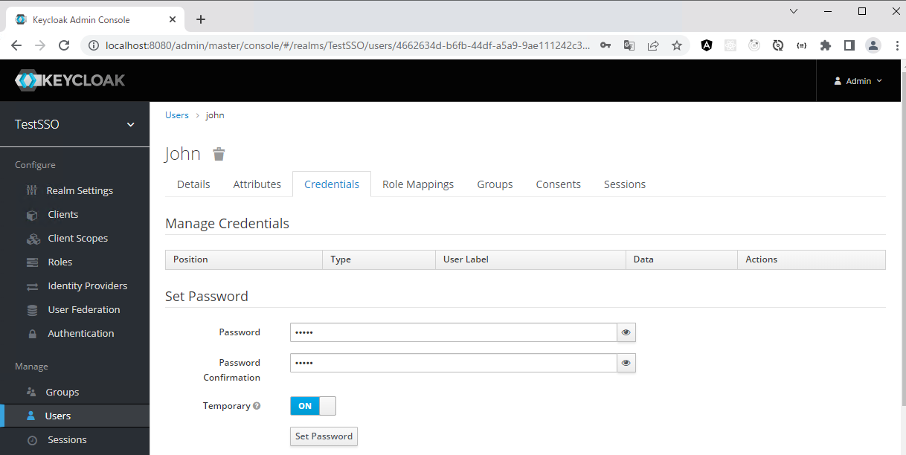

Set Password

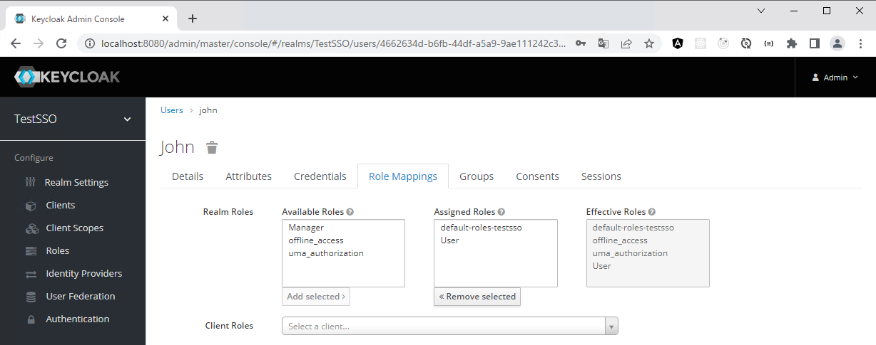

追加

PKCE
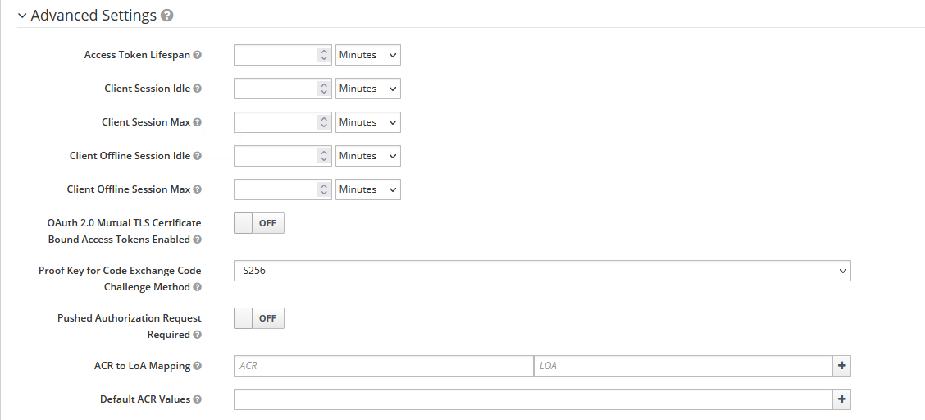
■PKCE

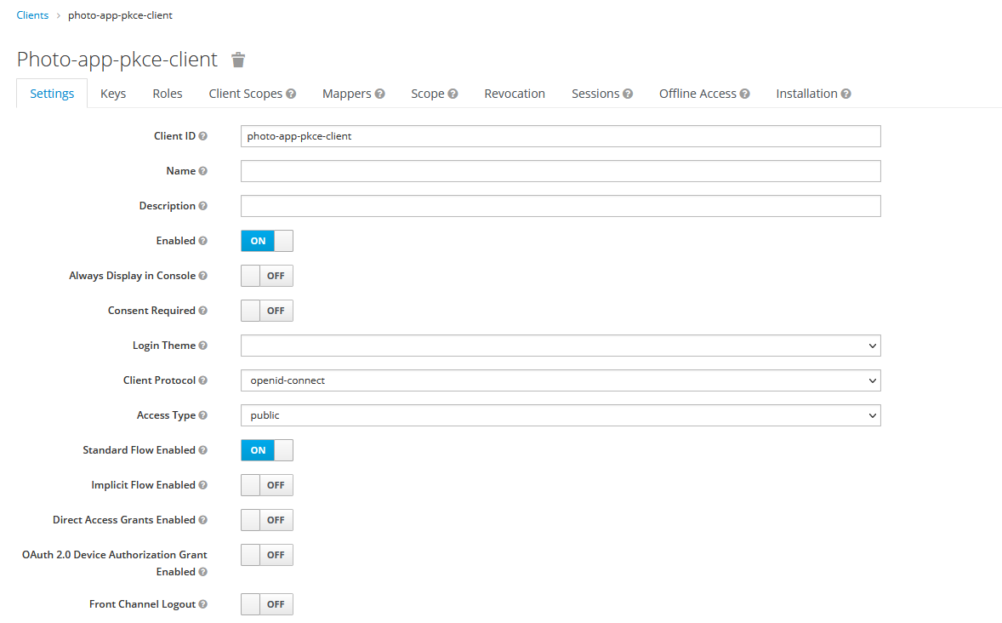

puyblic

OFF

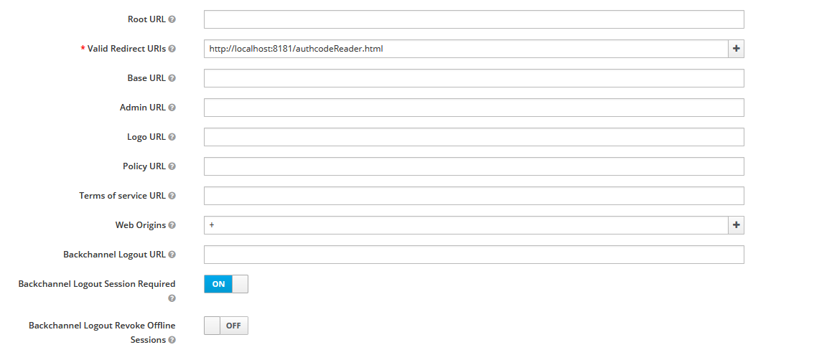
htmlになる

+

構成
■OAuth 2.0 in Spring Boot Applicationsの構成

 | https://orioglobaljp.udemy.com/course/oauth2-in-spring-boot-applications/learn/lecture/20359891#overview

<web-client>
http://localhost:8087
OAuth2Client
<api-gateway>
http://localhost:8082
<resource-server>
http://localhost:8081
OAuth2ResourceServer

③JWT
④JWT

②JWT

①/users

<keycloak>
http://localhost:8088
Authorization Server
・realm: Appsdeveloperblog
・clientId: photo-app-code-flow-client

<web-client-02>
http://localhost:8088
OAuth2Client
8087でログインすれば8080にもログインできる。
<keycloak>
http://localhost:8088
Authorization Server
・realm: Appsdeveloperblog
・clientId: photo-app-code-flow-client-02

<pkce-client>
http://localhost:8181
OAuth2Client
SPAを模して、JavascriptでPKCE
<keycloak>
http://localhost:8088
Authorization Server
・realm: Appsdeveloperblog
・clientId: photo-app-pkce-client

