Introduction
ADMS
16.0.0
Customer Field Definition Mapping Tables
Document Date: Apr 24, 2024
This Excel workbook is a supplement to the Customer List Compiler User Guide.
Copyright
Copyright 2025, GE Vernova and/or its affiliates ("GE Vernova"). All Rights Reserved. This document is the confidential and
proprietary information of GE Vernova and may not be reproduced, transmitted, stored, or copied in whole or in part, or
used to furnish information to others, without the prior written permission of GE Vernova.

Service Point Types
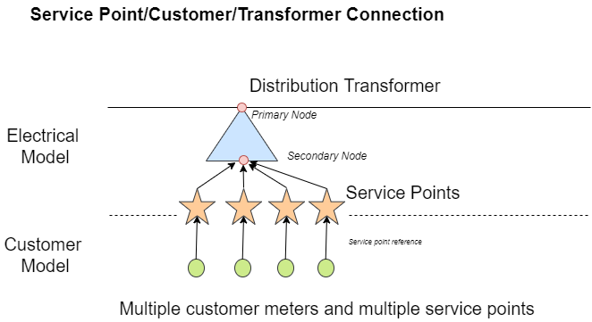
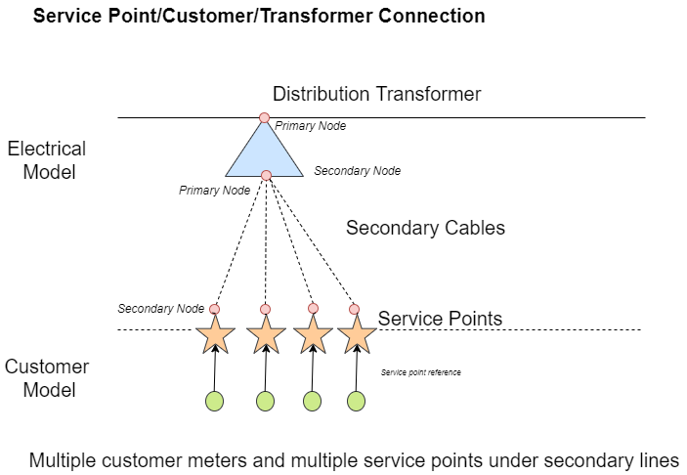
Service Points Type:
There are multiple ways to define the "ServicePoint" field. The following drawings present the options:
Option 1: Single customer meter and Single Service Point
Option 2: Multiple customer meters to a single Service Point.
Option 3: Multiple customer meters with Multiple Service Points
Option 4: Multiple customer meters with Multiple Service Points under Secondary Lines (service drops)

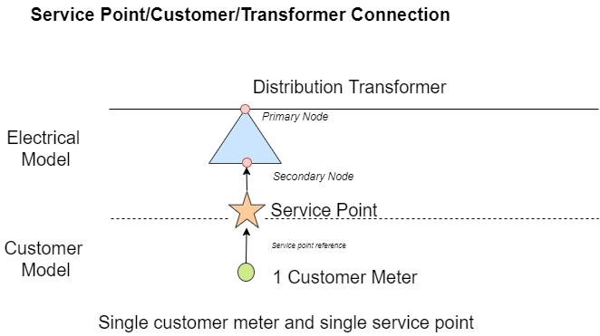

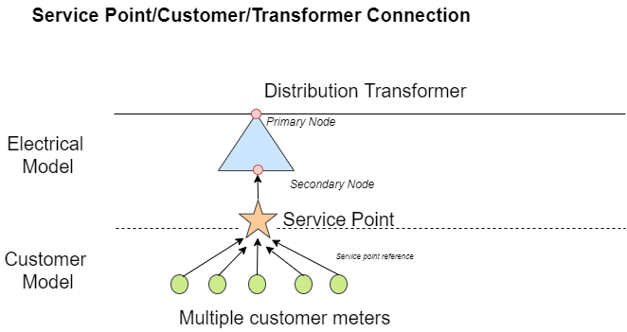

Option 3: Multiple customer meters with Multiple Service Points

