Sheet2
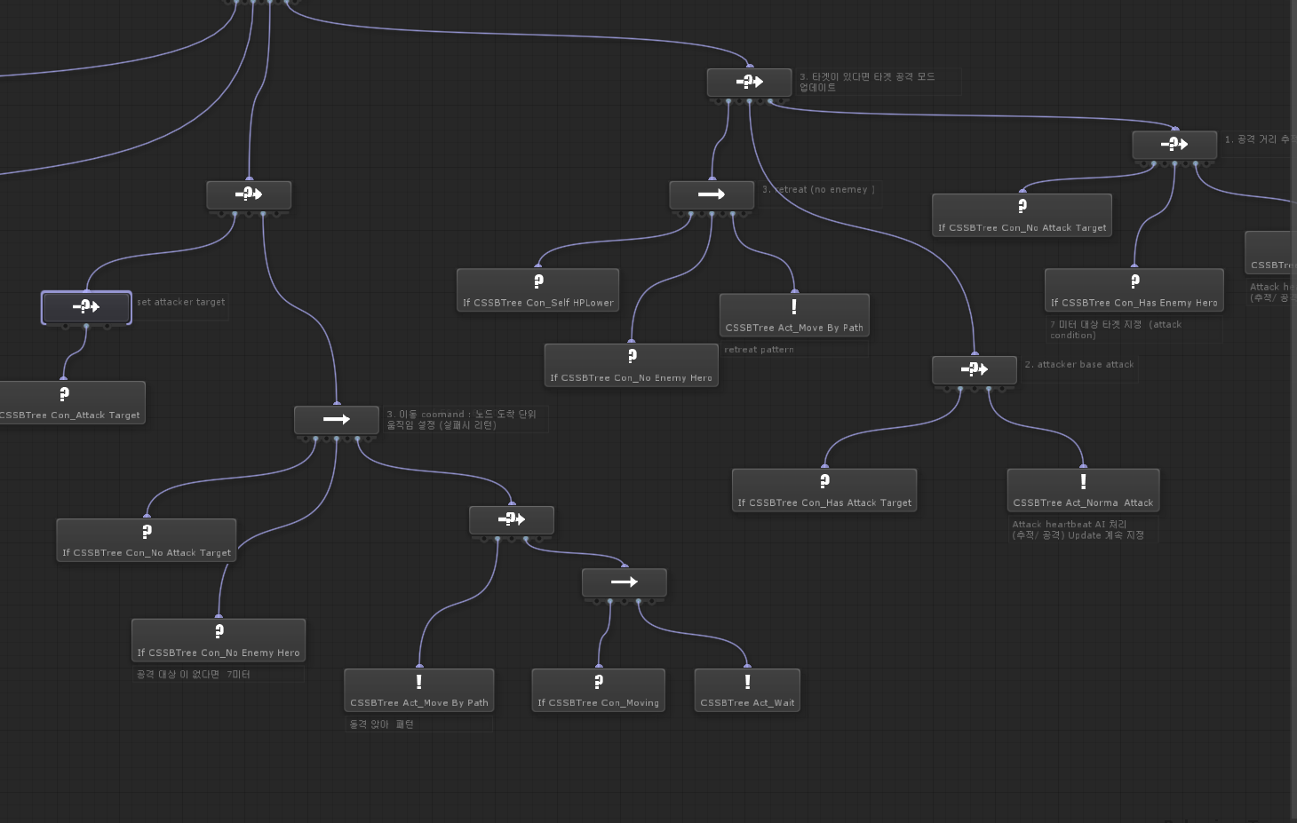
 |  | 2과
 | 1 | PIANO_BOOK | AIPBNKOOO
 | 2 | OPEN_PENCIL_CASE | NCP?EOIEPENLSAC-
 | 3 | DOLL_DOOR | LODOLOD?R
 | 4 | THIS_THAT | ?TITHSHAT | o | p | e | n
 | 5 | (WHAT_WHO_IT) | HWOAWHTIT | y |  | u
 | 6 | THANKS_MOM | TSMKHONAM |  | o |  | r
 | 7 | WELCOME_(TO)_KOREA | ?EMOWELCTRO?OKEA | b | o | o | k

 |  | 3과
 |  | CLOSE_OPEN | OCLEPONSE
 |  | SIT_DOWN_PLEASE | OD--TWE-IPNSSLEA
 |  | STAND_UP_-- | -U-NAPDST
great look? |  | LOOK_GREAT | RGOELOTAK
 |  | MOUTH_NOSE | ESNUOOMSE
 |  | OPEN_YOUR_BOOK | OPENY-U-O-RBOOK
 |  | CLOSE_THE_DOOR | CLOET-S--HERDOO-
 |  | MELON_

 |  | 4과
 |  | LIKE_BREAD
 |  | RICE_CAKE
 |  | MILK_JUICE
 |  | DO_YOU_LIKE
 |  | I_LIKE_JAM

