factory_info
factory_id | hasWorkshift | hasNumberOfCargoDock | hasOriginModel | (origin model in real)
0 | RoundTheClockWorkshift | 10 | depot | depot
1 | StandardWorkshift | 1 | supplier | algriculture origin freshproduce, small
2 | ExtendWorkshift | 3 | supplier | scaled freshproduce processing
3 | StandardWorkshift | 3 | supplier | handcraft, clothing, furniture supplier
4 | ExtendWorkshift | 6 | supplier | scaled supermarket supplier
5 | StandardWorkshift | 1 | distributor | local market, grocery stores ensemble
6 | ExtendWorkshift | 3 | distributor | supermarkets
7 | StandardWorkshift | 3 | supplier | reprocessing supplier
8 | RoundTheClockWorkshift | 6 | hub | industrial and algriculture distribution center
9 | RoundTheClockWorkshift | 3 | recycle | recycle site
10 | StandardWorkshift | 1 | distributor | luxury markets, fashion stores, car-free street trade ensemble

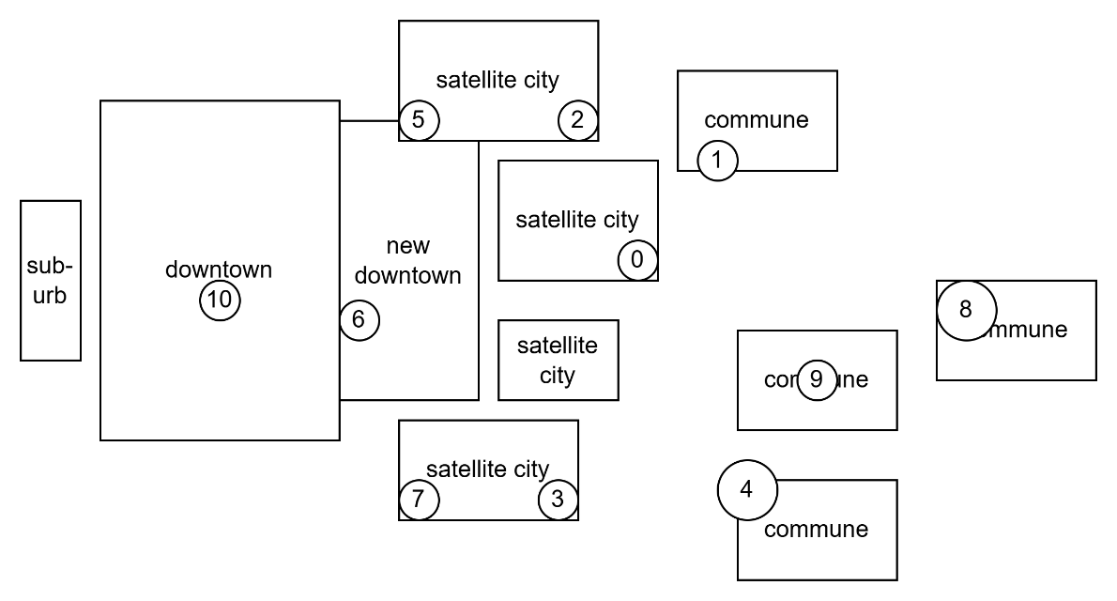

factory_id | Origin (Example)
... | ...
21 | Electronics Warehouse
22 | Local Distribution Hub
23 | Local Distribution Hub
24 | Electronics Warehouse
25 | Specialty Goods Outlet
... | ...

vehicle_info
vehicle_id | hasLoadingCapacity(kg) | hasLoadingVolume(pallets) | hasNumberOfFuelConsumption(L/km) | hasProductAdaptivity | isElectricVehicle | hasWorkshiftEndsAt
1 | 4000 | 6 | 0.10 | NormalDelivery | 0 | 840
2 | 6000 | 8 | 0.15 | NormalDelivery | 0 | 840
3 | 4000 | 6 | 0.10 | WasteCollection | 0 | 360
4 | 4000 | 6 | 0.12 | ColdChain | 0 | 840
5 | 4000 | 6 | 0.12 | HighSecurityDelivery | 0 | 840
6 | 9000 | 15 | 0.20 | NormalDelivery | 0 | 840
7 | 10800 | 18 | 0.22 | NormalDelivery | 0 | 840
8 | 9000 | 15 | 0.25 | ColdChain | 0 | 840
9 | 15000 | 24 | 0.25 | NormalDelivery | 0 | 840
10 | 24000 | 33 | 0.30 | NormalDelivery | 0 | 840
11 | 24000 | 33 | 0.30 | NormalDelivery | 0 | 840

 |  | add 10-15% electric vehicles in 1.5t-10t capacity range
 |  | the EU logistic standard is the EPAL Euro Pallet

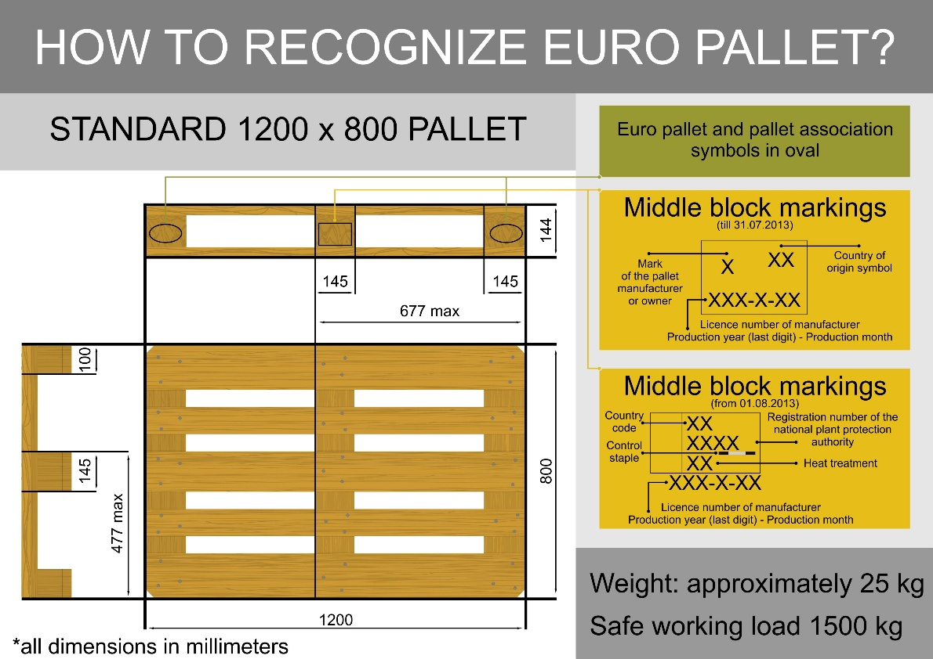
 |  |  |  | NormalDelivery | adaptToProductType |  | GeneralCargo
 |  |  |  | NormalDelivery | adaptToProductType |  | FreshProduce
 |  |  |  | ColdChain | adaptToProductType |  | FrozenFood
 |  |  |  | ColdChain | adaptToProductType |  | FreshProduce
 |  |  |  | HighSecurityDelivery | adaptToProductType |  | HighValueGoods
 |  |  |  | HighSecurityDelivery | adaptToProductType |  | GeneralCargo
 |  |  |  | HighSecurityDelivery | adaptToProductType |  | FreshProduce
 |  |  |  | WasteCollection | adaptToProductType |  | HazardousMaterial

 |  |  |  |  |  |  |  | Shift Name,Schedule,% of Fleet,Primary Mission
 |  |  |  |  |  |  |  | A (Golden Window),05:00 - 14:00,40%,"Fresh Food, Bakery, Traffic Beaters"
 |  |  |  |  |  |  |  | B (Day),08:00 - 17:00,40%,"Standard B2B, Offices, Industrial"
 |  |  |  |  |  |  |  | C (Late),13:00 - 22:00,15%,"E-commerce, Evening Returns, Home Delivery, Recycle"
 |  |  |  |  |  |  |  | D (Night),21:00 - 06:00,5%,"Line-haul (Hub-to-Hub), Emergency, Recycle"
 |  |  |  |  |  |  |  | logic: the drivers do not start the new order which comes within one hour before they finish their job today. That is, when the vehicle start from the depot, if current time is 300(5h), the workshift ends at 840 instead of 360. The reward will punish the allocation to the vehicles whose workshift end is near. We do NOT model the human resource system.

