1
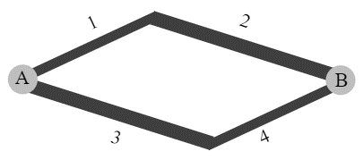
 | link | volume | travel time
t=1+0.02v | 1 | 150 | 4 | Total Volume = | 300
t=6+0.01v | 2 | 150 | 7.5
t=6+0.01v | 3 | 150 | 7.5
t=1+0.02v | 4 | 150 | 4

 |  | volume | travel time
 | path x | 150 | 11.5
 | path y | 150 | 11.5

2
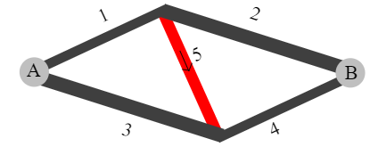
 | link | volume | travel time
t=1+0.02v | 1 | 180 | 4.6 | Total Volume = | 300
t=6+0.01v | 2 | 120 | 7.2
t=6+0.01v | 3 | 120 | 7.2
t=1+0.02v | 4 | 180 | 4.6
t=2+0.01v | 5 | 60 | 2.6

 |  | volume | travel time
 | path x | 120 | 11.8
 | path y | 120 | 11.8 | goal seek to 0
 | path z | 60 | 11.8 | 0

