Data
Guest Bookings Current Year
Table shows number of guests per room

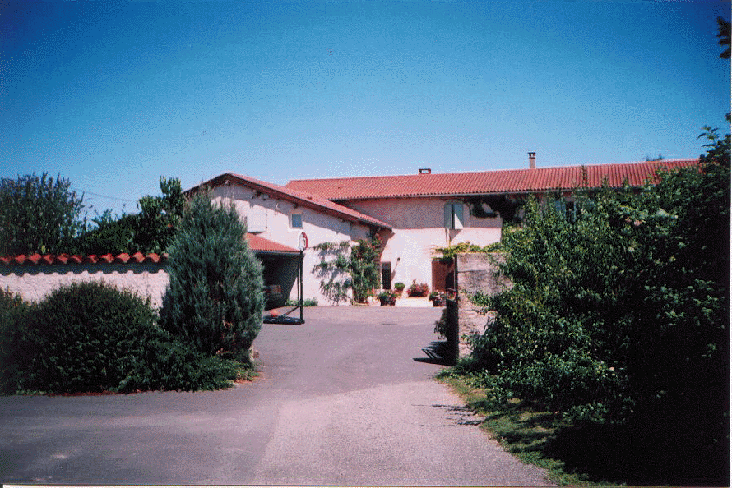
Week | Room 1 | Room 2 | Room 3
1 | 2 | 0 | 1
2 | 2 | 0 | 1
3 | 0 | 3 | 3
4 | 0 | 0 | 3
5 | 3 | 5 | 4
6 | 3 | 0 | 1
7 | 4 | 6 | 5
8 | 4 | 6 | 5

Chart1
Holiday Bookings
 | Room 1 | Room 2 | Room 3
1 | 2 | 0 | 1
2 | 2 | 0 | 1
3 | 0 | 3 | 3
4 | 0 | 0 | 3
5 | 3 | 5 | 4
6 | 3 | 0 | 1
7 | 4 | 6 | 5
8 | 4 | 6 | 5

