Overview
Overview |  |  |  | System Name |  | Sub System Name |  | Screen ID |  | Screen Name | Page
 |  |  |  | Purchase Processing Managerment |  | Contract Principles Management |  | CP001~CP003

 | 1. | Overview，Purpose，Attention

 |  | Current status:
 |  |  | Old system have many issues, make trouble for end user.

 |  | Purpose of building this system:
 |  |  | Build new systems faster, easier to use
 |  |  | Add more some functions: Import/Export, Supplier Check Management,…

 |  | Evaluate effectiveness:
 |  |  | Save time to create Purchase Request, Purchase Order (20 minutes/1 Purchase Request)

 |  | User flow diagram
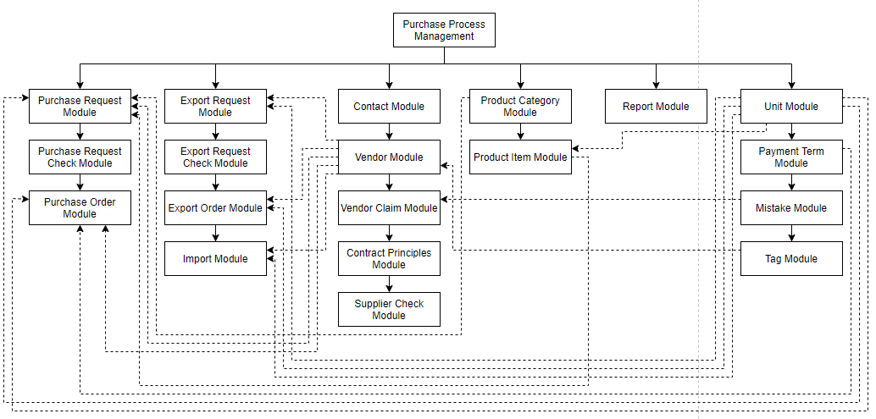

Purchase Order Module

Purchase Request Check Module

 | 2. | History
 | ＮＯ |  | Name |  | Date |  | Review | Date | Note
 | 1 |  | Vũ Đức Phong |  | 24/5/2021
 | 2
 | 3
 | 4
 | 5
 | 6
 | 7
 | 8
 | 9
 | 10

ContractList
Screen design |  |  |  |  | System Name |  |  |  | Sub System Name |  | Screen ID |  |  |  |  | Screen Name |  |  | Page
 |  |  |  |  | Purchase Processing Managerment |  |  |  | Contract Principles Management |  | CP001 |  |  |  |  | ContractList

Search name...
 | 1. | Mockup Screen
 | 1.1. Main Screen
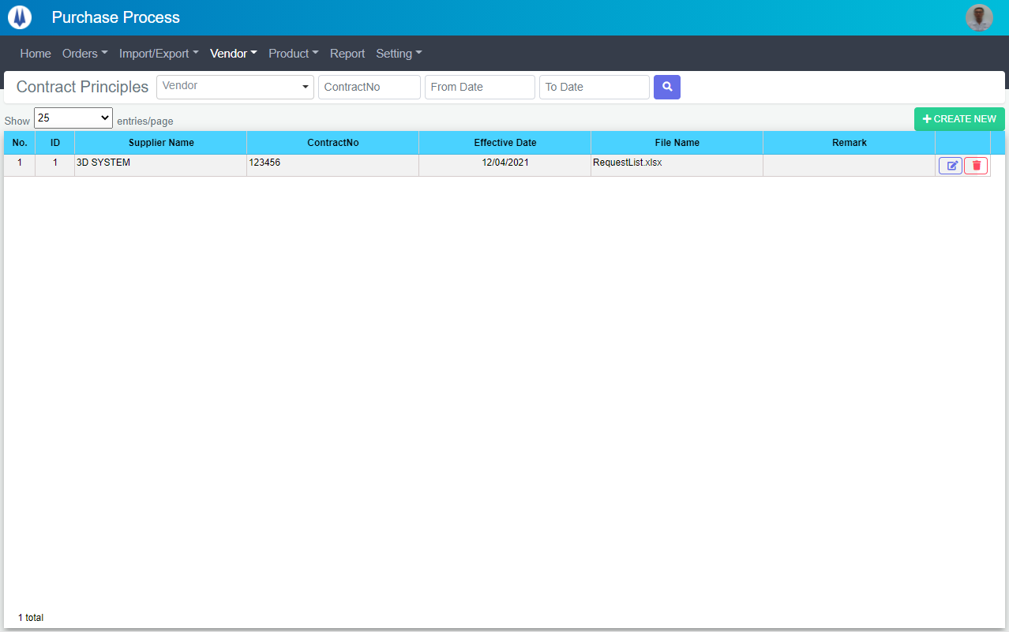
IT

M01
M02
M08
L01
L02
L03
L09
M07
M03
M04
M05
M06
SEARCH
Option 1
Option 2
M09
Checkbox 1
Checkbox 2
V

L04
L05
L06
L07
Naming Rule:
- Controls of Main Screen: M01, M02, M03...
- Controls of List (Data Table): L01, L02, L03...
L08

 | Main Screen
 | No |  | Item Name |  |  |  |  | Label |  | Item Type | Input Regulation | Tab Index | I/O | Required | Default Text |  | Length | Note
 | M01 |  | - |  |  |  |  | Contract Principles |  | Label | Cannot Edit | - | O | - | - |  | - | -
 | M02 |  | - |  |  |  |  | Vendor |  | ComboBox | - | - | I | - | - |  | - | -
 | M03 |  | - |  |  |  |  | ContractNo |  | TextBox | FullAndhalf | - | I | - | - |  | - | -
 | M04 |  | - |  |  |  |  | From Date |  | DateTime | FullAndhalf | - | I | - | - |  | - | -
 | M05 |  | - |  |  |  |  | To Date |  | DateTime | FullAndhalf | - | I | - | - |  | - | -
 | M06 |  | - |  |  |  |  | - |  | Button | - | - | O | - | - |  | - | Button Search
 | M07 |  | - |  |  |  |  | Show | entries/page |  | ComboBox | - | - | I | - | - |  | - | -
 | M08 |  | - |  |  |  |  | + CREATE NEW |  | Button | - | - | O | - | - |  | - | Button Create New
 | M09 |  | - |  |  |  |  | - |  | List | - | - | O | - | - |  | - | -

 | List Item
 | No |  | Item Name |  |  |  |  | Label |  | Item Type | Input Regulation | Tab Index | I/O | Required | Default Value |  | Length | Note
 | L01 |  | - |  |  |  |  | No. |  | Label | Cannot Edit | - | O | - | - |  | - | -
 | L02 |  | - |  |  |  |  | ID |  | Label | Cannot Edit | - | O | - | - |  | - | -
 | L03 |  | - |  |  |  |  | Supplier Name |  | Label | Cannot Edit | - | O | - | - |  | - | -
 | L04 |  | - |  |  |  |  | ContractNo |  | Label | Cannot Edit | - | O | - | - |  | - | -
 | L05 |  | - |  |  |  |  | Effective Date |  | Label | Cannot Edit | - | O | - | - |  | - | -
 | L06 |  | - |  |  |  |  | File Name |  | Label | Cannot Edit | - | O | - | - |  | - | -
 | L07 |  | - |  |  |  |  | Remark |  | Label | Cannot Edit | - | O | - | - |  | - | -
 | L08 |  | - |  |  |  |  | - |  | Button | - | - | O | - | - |  | - | Button Update
 | L09 |  | - |  |  |  |  | - |  | Button | - | - | O | - | - |  | - | Button Delete

 | 2. | Description
 |  | 2.1. | Click button "Search" (M06):
 |  |  | Search Contract by Vendor (M02), ContractNo (M03), FromDate (M04), ToDate (M05)
 |  |  | ※ If Vendor (M02), ContractNo (M03), FromDate (M04), ToDate (M05) is not input, find all Contract

 |  | 2.2. | Click button "CREATE NEW" (M08):
 |  |  | Open new pop-up "Add New Contract" (Screen ID: CP002)

 |  | 2.3. | Combobox Show (M07):
 |  |  | ・ | Value:
 |  |  |  |  |  | ・ | 15
 |  |  |  |  |  | ・ | 25
 |  |  |  |  |  | ・ | 50
 |  |  | ・ | When changing the value, changes the number of items to be displayed per page.

 |  | 2.4. | Click button "Update" (L08):
 |  |  | Open new pop-up "Update Contract" (Screen ID: CP003)

 |  | 2.4. | Click button "DELETE" (L09):
 |  |  | Open message box "Are you sure delete this contract?"
 |  |  | ・ | Select "Yes": Delete selected record, close message box.
 |  |  | ・ | Select "No": Close message box.

AddNewContract
Screen design |  |  |  |  | System Name |  | Sub System Name |  | Screen ID |  |  |  |  | Screen Name |  |  | Page
 |  |  |  |  | Purchase Processing Managerment |  | Contract Principles Management |  | CP002 |  |  |  |  | AddNewContract

 |  |  |  |  |  |  |  |  |  |  |  |  |  |  |  |  |  | #REF!
 | 1. | Mockup Screen
 | 1.1. Main Screen
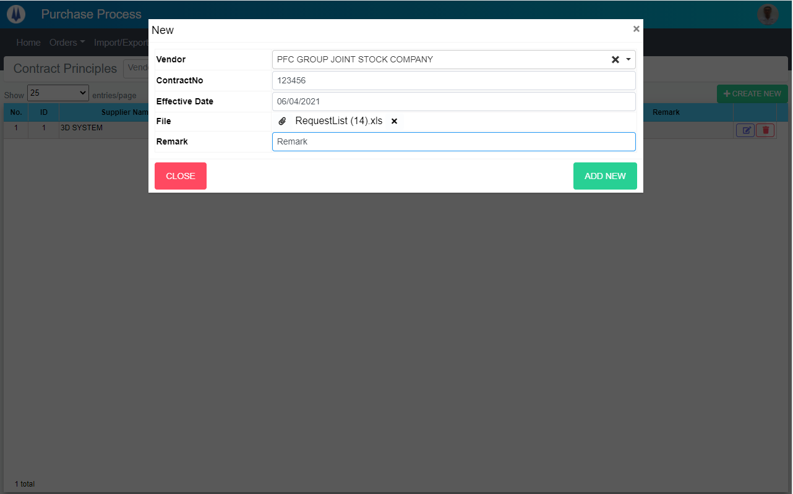
Search name...
M01
IT
M02
SEARCH
M03
Option 1
Option 2
M04
M06
M07
Checkbox 1
Checkbox 2
V
M05
M08
Naming Rule:
- Controls of Main Screen: M01, M02, M03...
- Controls of List (Data Table): L01, L02, L03...
M09
M10

 | Main Screen
 | No |  | Item Name |  |  | Label |  | Item Type | Input Regulation | Tab Index | I/O | Required | Default Text |  | Length | Note
 | M01 |  | - |  |  | New |  | Label | Cannot Edit | - | O | - | - |  | - | -
 | M02 |  | - |  |  | Vendor |  | ComboBox | - | - | I | - | - |  | - | -
 | M03 |  | - |  |  | ContractNo |  | TextBox | - | - | I | - | - |  | - | -
 | M04 |  | - |  |  | Effective Date |  | DateTime | - | - | I | - | - |  | - | -
 | M05 |  |  |  |  | File |  | Button | - | - | O | - | - |  | - | Button Choose File
 | M06 |  | - |  |  |  |  | Label | - | - | O | - | - |  | - | File Name
 | M07 |  | - |  |  |  |  | Button | - | - | O | - | - |  | - | Remove File
 | M08 |  | - |  |  | Remark |  | TextBox | - | - | I | - | - |  | - | -
 | M09 |  | - |  |  | CLOSE |  | Button | - | - | O | - | - |  | - | Button Close
 | M10 |  | - |  |  | ADD NEW |  | Button | - | - | O | - | - |  | - | Button Add New

 | 2. | Description
 |  | 2.1. | Click button "CLOSE" (M09):
 |  |  | Close pop-up Add New Contract

 |  | 2.2. | Click button "ADD NEW" (M10):
 |  |  | ・ | Create new Contract
 |  |  | ・ | Close pop-up Add New Contract
 |  |  | ・ | Re-load Contract List
 |  |  | ・ | Show message "Add New Item Successfully"

 |  | 2.3. | Click button "FILE" (M05):
 |  |  | Open popup choose file

 |  | 2.4. | Click button "Remove file" (M07):
 |  |  | Remove file selected

UpdateContract
Screen design |  |  |  |  | System Name |  | Sub System Name |  | Screen ID |  |  |  |  | Screen Name |  |  | Page
 |  |  |  |  | Purchase Processing Managerment |  | Contract Principles Management |  | CP003 |  |  |  |  | UpdateContract

 | 1. | Mockup Screen
 | 1.1. Main Screen
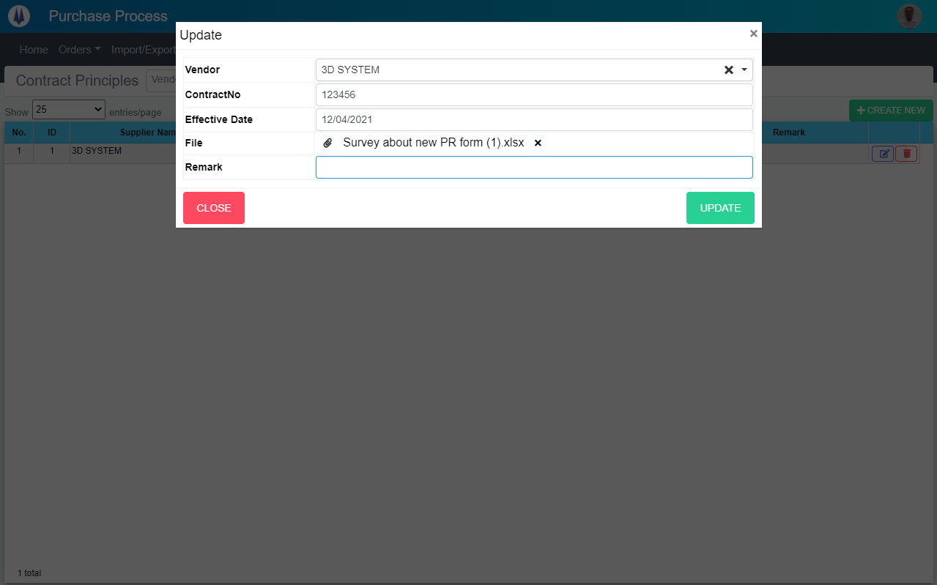
Search name...
M01
IT
M02
SEARCH
M03
Option 1
Option 2
M04
M06
M07
Checkbox 1
Checkbox 2
V
M05
M08
Naming Rule:
- Controls of Main Screen: M01, M02, M03...
- Controls of List (Data Table): L01, L02, L03...
M09
M10

 | Main Screen
 | No |  | Item Name |  |  | Label |  | Item Type | Input Regulation | Tab Index | I/O | Required | Default Text |  | Length | Note
 | M01 |  | - |  |  | Update |  | Label | Cannot Edit | - | O | - | - |  | - | -
 | M02 |  | - |  |  | Vendor |  | ComboBox | - | - | I | - | - |  | - | -
 | M03 |  | - |  |  | ContractNo |  | TextBox | - | - | I | - | - |  | - | -
 | M04 |  | - |  |  | Effective Date |  | DateTime | - | - | I | - | - |  | - | -
 | M05 |  |  |  |  | File |  | Button | - | - | O | - | - |  | - | Button Choose File
 | M06 |  | - |  |  |  |  | Label | - | - | O | - | - |  | - | File Name
 | M07 |  | - |  |  |  |  | Button | - | - | O | - | - |  | - | Remove File
 | M08 |  | - |  |  | Remark |  | TextBox | - | - | I | - | - |  | - | -
 | M09 |  | - |  |  | CLOSE |  | Button | - | - | O | - | - |  | - | Button Close
 | M10 |  | - |  |  | UPDATE |  | Button | - | - | O | - | - |  | - | Button Update

 | 2. | Description
 |  | 2.1. | Click button "CLOSE" (M09):
 |  |  | Close pop-up Update Contract

 |  | 2.2. | Click button "UPDATE" (M10):
 |  |  | ・ | Update Contract
 |  |  | ・ | Close pop-up Update Contract
 |  |  | ・ | Re-load Contract List
 |  |  | ・ | Show message "Update Item Successfully"

 |  | 2.3. | Click button "FILE" (M05):
 |  |  | Open popup choose file

 |  | 2.4. | Click button "Remove file" (M07):
 |  |  | Remove file selected

