Overview
Overview |  |  |  | System Name |  | Sub System Name |  | Screen ID |  | Screen Name | Page
 |  |  |  | Purchase Processing Managerment |  | EO Management |  | EO001~EO005

 | 1. | Overview，Purpose，Attention

 |  | Current status:
 |  |  | Old system have many issues, make trouble for end user.

 |  | Purpose of building this system:
 |  |  | Build new systems faster, easier to use
 |  |  | Add more some functions: Import/Export, Supplier Check Management,…

 |  | Evaluate effectiveness:
 |  |  | Save time to create Purchase Request, Purchase Order (20 minutes/1 Purchase Request)

 |  | User flow diagram

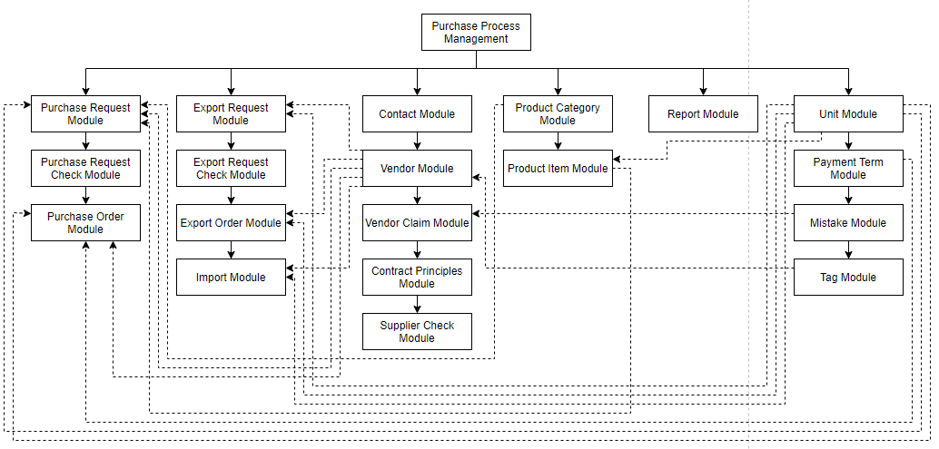

Purchase Order Module

Purchase Request Check Module

 | 2. | History
 | ＮＯ |  | Name |  | Date |  | Review | Date | Note
 | 1 |  | Vũ Đức Phong |  | 24/5/2021
 | 2
 | 3
 | 4
 | 5
 | 6
 | 7
 | 8
 | 9
 | 10

EOList
Screen design |  |  |  |  | System Name |  |  |  | Sub System Name |  | Screen ID |  |  |  |  | Screen Name |  |  | Page
 |  |  |  |  | Purchase Processing Managerment |  |  |  | EO Management |  | EO001 |  |  |  |  | EOList

 | 1. | Mockup Screen
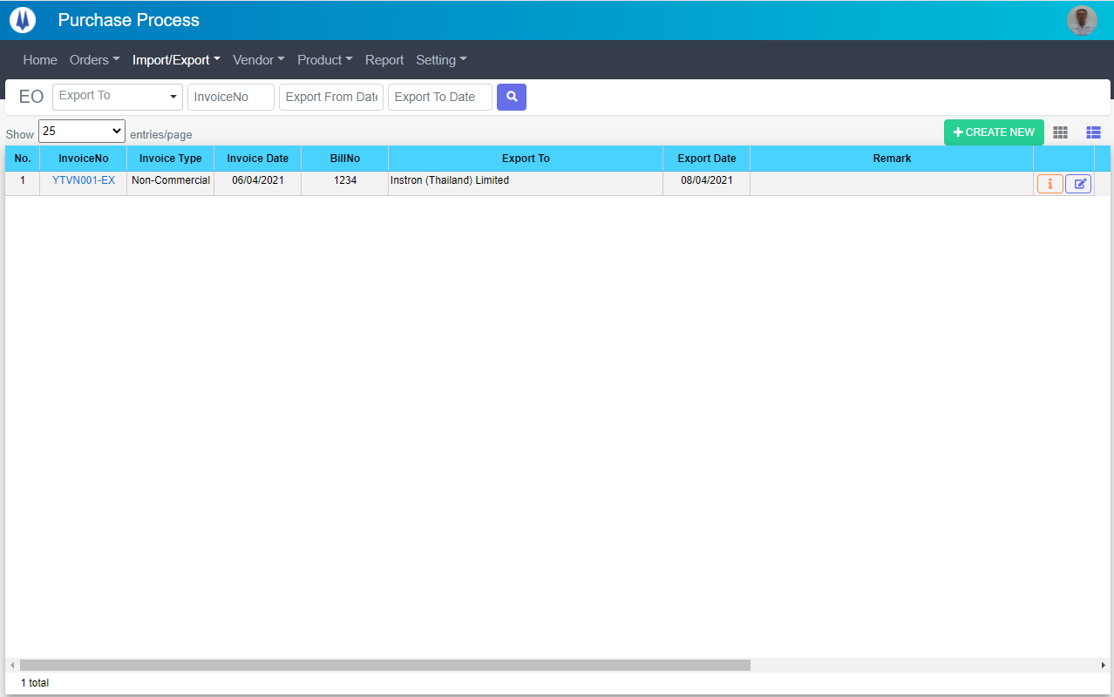
Search name...
IT

M01
M02
M03
M04
M05
L01
L02
L03
L04
L05
L06
L07
L09
M07
L08
M06
M09
L10
M10
M08
SEARCH
Option 1
Option 2

Checkbox 1
Checkbox 2
V

Naming Rule:
- Controls of Main Screen: M01, M02, M03...
- Controls of List (Data Table): L01, L02, L03...

 | Main Screen
 | No |  | Item Name |  |  |  |  | Label |  | Item Type | Input Regulation | Tab Index | I/O | Required | Default Text |  | Length | Note
 | M01 |  | - |  |  |  |  | EO |  | Label | Cannot Edit | - | O | - | - |  | - | -
 | M02 |  | - |  |  |  |  | - |  | ComboBox | - | - | I | - | Export To |  | - | -
 | M03 |  | - |  |  |  |  | - |  | TextBox | HalfOnly | - | I | - | InvoiceNo |  | -
 | M04 |  | - |  |  |  |  | - |  | DateTime | HalfOnly | - | I | - | Export From Date |  | -
 | M05 |  | - |  |  |  |  | - |  | DateTime | HalfOnly | - | I | - | Export To Date |  | -
 | M06 |  | - |  |  |  |  | - |  | Button | - | - | O | - | - |  | - | Button Search
 | M07 |  | - |  |  |  |  | Show | entries/page |  | ComboBox | - | - | I | - | - |  | - | -
 | M08 |  | - |  |  |  |  | + CREATE NEW |  | Button | - | - | O | - | - |  | - | Button Create New
 | M09 |  | - |  |  |  |  | - |  | Button | - | - | O | - | - |  | - | Button EO Item List
 | M10 |  | - |  |  |  |  | - |  | List | - | - | O | - | - |  | - | -

 | List
 | No |  | Item Name |  |  |  |  | Label |  | Item Type | Input Regulation | Tab Index | I/O | Required | Default Text |  | Length | Note
 | L01 |  | - |  |  |  |  | No. |  | Label | Cannot Edit | - | O | - | - |  | - | -
 | L02 |  | - |  |  |  |  | InvoiceNo |  | Label | Cannot Edit | - | O | - | - |  | - | -
 | L03 |  | - |  |  |  |  | Invoice Type |  | Label | Cannot Edit | - | O | - | - |  | - | -
 | L04 |  | - |  |  |  |  | Invoice Date |  | Label | Cannot Edit | - | O | - | - |  | - | -
 | L05 |  | - |  |  |  |  | BillNo |  | Label | Cannot Edit | - | O | - | - |  | - | -
 | L06 |  | - |  |  |  |  | Export To |  | Label | Cannot Edit | - | O | - | - |  | - | -
 | L07 |  | - |  |  |  |  | Export Date |  | Label | Cannot Edit | - | O | - | - |  | - | -
 | L08 |  | - |  |  |  |  | Remark |  | Label | Cannot Edit | - | O | - | - |  | - | -
 | L09 |  | - |  |  |  |  | - |  | Button | - | - | O | - | - |  | - | Button Detail
 | L10 |  | - |  |  |  |  | - |  | Button | - | - | O | - | - |  | - | Button Update

 | 2. | Description
 |  |  | 2.1. | Click button "Search" (M06):
 |  |  |  | Search EO list by Export To (M02), InvoiceNo (M03), Export From Date(M04), Export To Date(M05)
 |  |  |  | ※ If Export To (M02), InvoiceNo (M03), Export From Date(M04), Export To Date(M05) is not input, find all EO

 |  |  | 2.2. | Click button "CREATE NEW" (M08):
 |  |  |  | Open new pop-up "AddNewEO" (Screen ID: EO003)

 |  |  | 2.3. | Combobox Show (M07):
 |  |  |  | ・ | Value:
 |  |  |  |  |  | ・ | 15
 |  |  |  |  |  | ・ | 25
 |  |  |  |  |  | ・ | 50
 |  |  |  | ・ | When changing the value, changes the number of items to be displayed per page.

 |  |  | 2.4. | Click button "DETAIL" (L09):
 |  |  |  | Open new pop-up "DetailEO" (Screen ID: EO005)

 |  |  | 2.5. | Click button "UPDATE" (L10):
 |  |  |  | Open new pop-up "UpdateEO" (Screen ID: EO004)

 |  |  | 2.6. | Click button (M09):
 |  |  |  | Open screen "EOItemList" (Screen ID: EO002)

EOItemList
Screen design |  |  |  |  | System Name |  |  |  | Sub System Name |  | Screen ID |  |  |  |  | Screen Name |  |  | Page
 |  |  |  |  | Purchase Processing Managerment |  |  |  | EO Management |  | EO002 |  |  |  |  | EOItemList

 | 1. | Mockup Screen
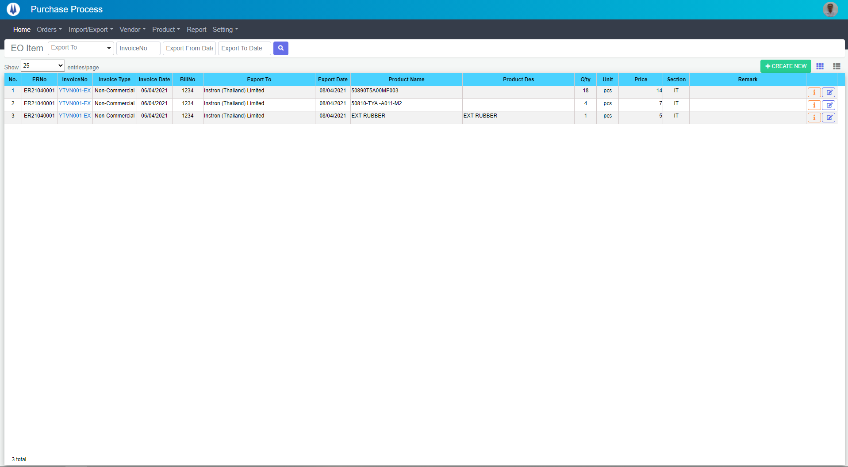
Search name...
M01
M02
M03
M04
M05
L01
L02
L03
L04
L05
L06
L07
L09
L16
M07
L10
L08
M06
L11
L17
M10
M08
M09
L12
L13
L14
L15
IT

SEARCH
Option 1
Option 2

Checkbox 1
Checkbox 2
V

Naming Rule:
- Controls of Main Screen: M01, M02, M03...
- Controls of List (Data Table): L01, L02, L03...

 | Main Screen
 | No |  | Item Name |  |  |  |  | Label |  | Item Type | Input Regulation | Tab Index | I/O | Required | Default Text |  | Length | Note
 | M01 |  | - |  |  |  |  | EO Item |  | Label | Cannot Edit | - | O | - | - |  | - | -
 | M02 |  | - |  |  |  |  | - |  | ComboBox | - | - | I | - | Export To |  | - | -
 | M03 |  | - |  |  |  |  | - |  | TextBox | HalfOnly | - | I | - | InvoiceNo |  | -
 | M04 |  | - |  |  |  |  | - |  | DateTime | HalfOnly | - | I | - | Export From Date |  | -
 | M05 |  | - |  |  |  |  | - |  | DateTime | HalfOnly | - | I | - | Export To Date |  | -
 | M06 |  | - |  |  |  |  | - |  | Button | - | - | O | - | - |  | - | Button Search
 | M07 |  | - |  |  |  |  | Show | entries/page |  | ComboBox | - | - | I | - | - |  | - | -
 | M08 |  | - |  |  |  |  | + CREATE NEW |  | Button | - | - | O | - | - |  | - | Button Create New
 | M09 |  | - |  |  |  |  | - |  | Button | - | - | O | - | - |  | - | Button EO Item List
 | M10 |  | - |  |  |  |  | - |  | List | - | - | O | - | - |  | - | -

 | List
 | No |  | Item Name |  |  |  |  | Label |  | Item Type | Input Regulation | Tab Index | I/O | Required | Default Text |  | Length | Note
 | L01 |  | - |  |  |  |  | No. |  | Label | Cannot Edit | - | O | - | - |  | - | -
 | L02 |  | - |  |  |  |  | ERNo |  | Label | Cannot Edit | - | O | - | - |  | - | -
 | L03 |  | - |  |  |  |  | InvoiceNo |  | Label | Cannot Edit | - | O | - | - |  | - | -
 | L04 |  | - |  |  |  |  | Invoice Type |  | Label | Cannot Edit | - | O | - | - |  | - | -
 | L05 |  | - |  |  |  |  | Invoice Date |  | Label | Cannot Edit | - | O | - | - |  | - | -
 | L06 |  | - |  |  |  |  | BillNo |  | Label | Cannot Edit | - | O | - | - |  | - | -
 | L07 |  | - |  |  |  |  | Export To |  | Label | Cannot Edit | - | O | - | - |  | - | -
 | L08 |  | - |  |  |  |  | Export Date |  | Label | Cannot Edit | - | O | - | - |  | - | -
 | L09 |  | - |  |  |  |  | Product Name |  | Label | Cannot Edit | - | O | - | - |  | - | -
 | L10 |  | - |  |  |  |  | Product Des |  | Label | Cannot Edit | - | O | - | - |  | - | -
 | L11 |  | - |  |  |  |  | Q'ty |  | Label | Cannot Edit | - | O | - | - |  | - | -
 | L12 |  | - |  |  |  |  | Unit |  | Label | Cannot Edit | - | O | - | - |  | - | -
 | L13 |  | - |  |  |  |  | Price |  | Label | Cannot Edit | - | O | - | - |  | - | -
 | L14 |  | - |  |  |  |  | Section |  | Label | Cannot Edit | - | O | - | - |  | - | -
 | L15 |  | - |  |  |  |  | Remark |  | Label | Cannot Edit | - | O | - | - |  | - | -
 | L16 |  | - |  |  |  |  | - |  | Button | - | - | O | - | - |  | - | Button Detail
 | L17 |  | - |  |  |  |  | - |  | Button | - | - | O | - | - |  | - | Button Update

 | 2. | Description
 | 2.1.Main Screen
 |  |  | 2.1. | Click button "Search" (M06):
 |  |  |  | Search request info by Export To (M02), InvoiceNo (M03), Export From Date(M04), Export To Date(M05)
 |  |  |  | ※ If Export To (M02), InvoiceNo (M03), Export From Date(M04), Export To Date(M05) is not input, find all EO

 |  |  | 2.2. | Click button "CREATE NEW" (M08):
 |  |  |  | Open new pop-up "AddNewEO" (Screen ID: EO003)

 |  |  | 2.3. | Combobox Show (M07):
 |  |  |  | ・ | Value:
 |  |  |  |  |  | ・ | 15
 |  |  |  |  |  | ・ | 25
 |  |  |  |  |  | ・ | 50
 |  |  |  | ・ | When changing the value, changes the number of items to be displayed per page.

 |  |  | 2.4. | Click button "DETAIL" (L16):
 |  |  |  | Open new pop-up "DetailEO" (Screen ID: EO005)

 |  |  | 2.5. | Click button "EDIT" (L17):
 |  |  |  | Open new pop-up "UpdateEO" (Screen ID: EO004)

 |  |  | 2.6. | Click button (M09):
 |  |  |  | Open screen "EOList" (Screen ID: EO001)

AddNewEO
Screen design |  |  |  |  | System Name |  | Sub System Name |  | Screen ID |  |  |  |  | Screen Name |  |  | Page
 |  |  |  |  | Purchase Processing Managerment |  | EO Management |  | EO003 |  |  |  |  | AddNewEO

 | 1. | Mockup Screen
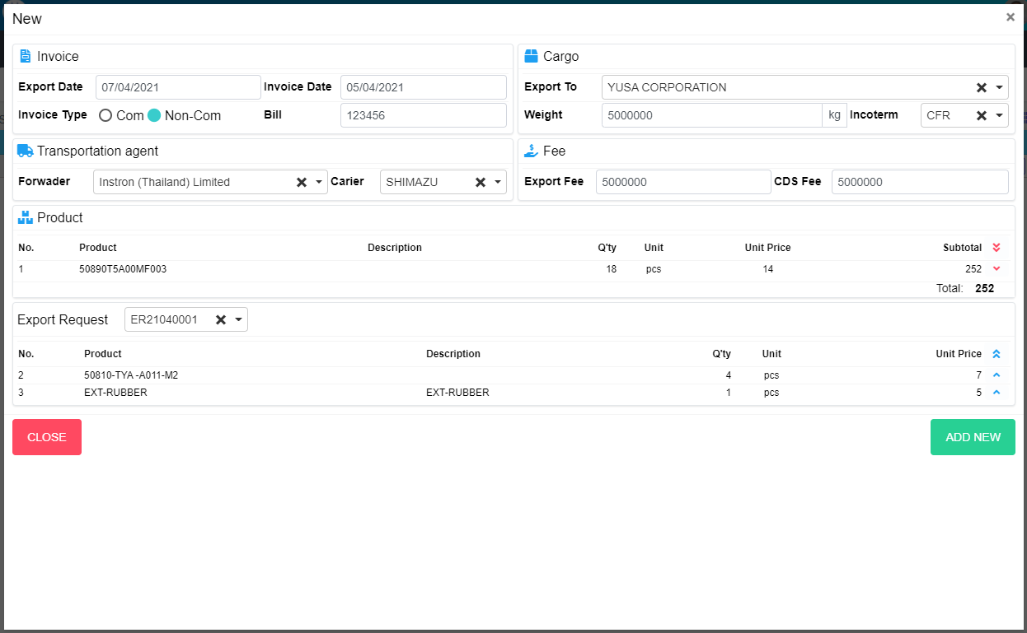
N07
L02
L01
M03
M04
M05
M06
M10
M11
M07
M15
M13
M12
M14
M01
M02
M08
M19
M21
M22
M09
M16
N01
N02
N03
N04
N05
N06
N08
N09
M18
L03
L04
L05
L07
L08
L06
M17
M20
Search name...

IT

SEARCH
Option 1
Option 2

Checkbox 1
Checkbox 2
V

Naming Rule:
- Controls of Main Screen: M01, M02, M03...
- Controls of List (Data Table): L01, L02, L03...

 | Main Screen
 | No |  | Item Name |  |  | Label |  | Item Type | Input Regulation | Tab Index | I/O | Required | Default Text |  | Length | Note
 | M01 |  | - |  |  | New |  | Label | Cannot Edit | - | O | - | - |  | - | -
 | M02 |  | - |  |  | Invoice |  | Label | Cannot Edit | - | O | - | - |  | - | -
 | M03 |  | - |  |  | Export Date |  | DateTime | - | - | I | - | - |  | - | -
 | M04 |  | - |  |  | Invoice Type |  | RadioButton | - | - | I | - | - |  | - | Choose Invoice Type
 | M05 |  | - |  |  | Invoice Date |  | DateTime | HalfOnly | - | I | - | - |  | - | -
 | M06 |  | - |  |  | Bill |  | TextBox | - | - | I | - | - |  | - | -
 | M07 |  | - |  |  | Export To |  | ComboBox | - | - | I | - | - |  | - | Choose vendor
 | M08 |  | - |  |  | Weight |  | TextBox | - | - | I | - | - |  | - | -
 | M09 |  | - |  |  | Incoterm |  | ComboBox | HalfOnly | - | I | - | - |  | - | Choose incoterm
 | M10 |  | - |  |  | Transpotation agent |  | Label | Cannot Edit | - | I | - | - |  | - | -
 | M11 |  | - |  |  | Forwader |  | ComboBox | - | - | I | - | - |  | - | Choose forwader
 | M12 |  | - |  |  | Carier |  | ComboBox | - | - | I | - | - |  | - | Choose carier
 | M13 |  | - |  |  | Fee |  | Label | Cannot Edit | - | I | - | - |  | - | -
 | M14 |  | - |  |  | Export Fee |  | TextBox | - | - | I | - | - |  | - | -
 | M15 |  | - |  |  | CDS Fee |  | TextBox | - | - | I | - | - |  | - | -
 | M16 |  | - |  |  | Product |  | Label | Cannot Edit | - | O | - | - |  | - | -
 | M17 |  | - |  |  |  |  | List | - | - | O | - | - |  | - | Product List
 | M18 |  | - |  |  | Total |  | Label | - | - | O | - | - |  | - | -
 | M19 |  | - |  |  | Export Request |  | ComboBox | HalfOnly | - | I | - | - |  | - | Choose ERNo
 | M20 |  | - |  |  |  |  | List | - | - | O | - | - |  | - | Export Request List
 | M21 |  | - |  |  | CLOSE |  | Button | - | - | O | - | - |  | - | Button Close
 | M22 |  | - |  |  | ADD NEW |  | Button | - | - | O | - | - |  | - | Button Add New

 | Product
 | No |  | Item Name |  |  | Label |  | Item Type | Input Regulation | Tab Index | I/O | Required | Default Text |  | Length | Note
 | N01 |  | - |  |  | No |  | Label | Cannot Edit | - | O | - | - |  | - | -
 | N02 |  | - |  |  | Product |  | Label | Cannot Edit | - | O | - | - |  | - | -
 | N03 |  | - |  |  | Description |  | Label | Cannot Edit | - | O | - | - |  | - | -
 | N04 |  | - |  |  | Q'ty |  | Label | Cannot Edit | - | O | - | - |  | - | -
 | N05 |  | - |  |  | Unit |  | Label | Cannot Edit | - | O | - | - |  | - | -
 | N06 |  | - |  |  | Unit Price |  | Label | Cannot Edit | - | O | - | - |  | - | -
 | N07 |  | - |  |  | Subtotal |  | Label | Cannot Edit | - | O | - | - |  | - | -
 | N08 |  | - |  |  |  |  | Button | - | - | O | - | - |  | - | Button Remove All
 | N09 |  | - |  |  |  |  | Button | - | - | O | - | - |  | - | Button Remove Item

 | Export Request
 | No |  | Item Name |  |  | Label |  | Item Type | Input Regulation | Tab Index | I/O | Required | Default Text |  | Length | Note
 | L01 |  | - |  |  | No |  | Label | Cannot Edit | - | O | - | - |  | - | -
 | L02 |  | - |  |  | Product |  | Label | Cannot Edit | - | O | - | - |  | - | -
 | L03 |  | - |  |  | Description |  | Label | Cannot Edit | - | O | - | - |  | - | -
 | L04 |  | - |  |  | Q'ty |  | Label | Cannot Edit | - | O | - | - |  | - | -
 | L05 |  | - |  |  | Unit |  | Label | Cannot Edit | - | O | - | - |  | - | -
 | L06 |  | - |  |  | Unit Price |  | Label | Cannot Edit | - | O | - | - |  | - | -
 | L07 |  | - |  |  |  |  | Button | - | - | O | - | - |  | - | Button Select All
 | L08 |  | - |  |  |  |  | Button | - | - | O | - | - |  | - | Button Add Item

 | 2. | Description
 |  | 2.1 | Choose ERNo (M19)
 |  |  | Show all items in this ER (ER already confirmed and item not include in any EO)

 |  | 2.2 | Click button (N08)
 |  |  | Remove all item from product list (M17)

 |  | 2.3 | Click button (N09)
 |  |  | Remove item from product list (M17)

 |  | 2.4 | Click button (L07)
 |  |  | Add all item to product list (M17)

 |  | 2.5 | Click button (L08)
 |  |  | Add item to product list (M17)

 |  | 2.6 | Click button "CLOSE" (M21):
 |  |  | Close pop-up Add New EO (Main Screen)

 |  | 2.7 | Click button "ADD NEW" (M22):
 |  |  | ・ | Create new EO
 |  |  | ・ | Close pop-up Add New EO (Main Screen)
 |  |  | ・ | Re-load EO List
 |  |  | ・ | Show message "Add New Item Successfully"

UpdateEO
Screen design |  |  |  |  | System Name |  | Sub System Name |  | Screen ID |  |  |  |  | Screen Name |  |  | Page
 |  |  |  |  | Purchase Processing Managerment |  | EO Management |  | EO004 |  |  |  |  | UpdateEO

 | 1. | Mockup Screen
UPDATE
M03
M04
M05
M06
M10
M11
M07
M15
M13
M12
M14
M01
M02
M08
M19
M21
M22
Search name...

IT

SEARCH
M09
Option 1
Option 2

Checkbox 1
Checkbox 2
V

Naming Rule:
- Controls of Main Screen: M01, M02, M03...
- Controls of List (Data Table): L01, L02, L03...
M16
N01
N02
M17
N03
N04
N05
N06
N07
N08
N09

M18

L01
L02
M20
L03
L04
L05
L06
L07
L08

UPDATE

 | Main Screen
 | No |  | Item Name |  |  | Label |  | Item Type | Input Regulation | Tab Index | I/O | Required | Default Text |  | Length | Note
 | M01 |  | - |  |  | Update |  | Label | Cannot Edit | - | O | - | - |  | - | -
 | M02 |  | - |  |  | Invoice |  | Label | Cannot Edit | - | O | - | - |  | - | -
 | M03 |  | - |  |  | Export Date |  | DateTime | - | - | I | - | - |  | - | -
 | M04 |  | - |  |  | Invoice Type |  | RadioButton | - | - | I | - | - |  | - | Choose Invoice Type
 | M05 |  | - |  |  | Invoice Date |  | DateTime | HalfOnly | - | I | - | - |  | - | -
 | M06 |  | - |  |  | Bill |  | TextBox | - | - | I | - | - |  | - | -
 | M07 |  | - |  |  | Export To |  | ComboBox | - | - | I | - | - |  | - | Choose vendor
 | M08 |  | - |  |  | Weight |  | TextBox | - | - | I | - | - |  | - | -
 | M09 |  | - |  |  | Incoterm |  | ComboBox | HalfOnly | - | I | - | - |  | - | Choose incoterm
 | M10 |  | - |  |  | Transpotation agent |  | Label | Cannot Edit | - | I | - | - |  | - | -
 | M11 |  | - |  |  | Forwader |  | ComboBox | - | - | I | - | - |  | - | Choose forwader
 | M12 |  | - |  |  | Carier |  | ComboBox | - | - | I | - | - |  | - | Choose carier
 | M13 |  | - |  |  | Fee |  | Label | Cannot Edit | - | I | - | - |  | - | -
 | M14 |  | - |  |  | Export Fee |  | TextBox | - | - | I | - | - |  | - | -
 | M15 |  | - |  |  | CDS Fee |  | TextBox | - | - | I | - | - |  | - | -
 | M16 |  | - |  |  | Product |  | Label | Cannot Edit | - | O | - | - |  | - | -
 | M17 |  | - |  |  |  |  | List | - | - | O | - | - |  | - | Product List
 | M18 |  | - |  |  | Total |  | Label | - | - | O | - | - |  | - | -
 | M19 |  | - |  |  | Export Request |  | ComboBox | HalfOnly | - | I | - | - |  | - | Choose ERNo
 | M20 |  | - |  |  |  |  | List | - | - | O | - | - |  | - | Export Request List
 | M21 |  | - |  |  | CLOSE |  | Button | - | - | O | - | - |  | - | Button Close
 | M22 |  | - |  |  | UPDATE |  | Button | - | - | O | - | - |  | - | Button Update

 | Product
 | No |  | Item Name |  |  | Label |  | Item Type | Input Regulation | Tab Index | I/O | Required | Default Text |  | Length | Note
 | N01 |  | - |  |  | No |  | Label | Cannot Edit | - | O | - | - |  | - | -
 | N02 |  | - |  |  | Product |  | Label | Cannot Edit | - | O | - | - |  | - | -
 | N03 |  | - |  |  | Description |  | Label | Cannot Edit | - | O | - | - |  | - | -
 | N04 |  | - |  |  | Q'ty |  | Label | Cannot Edit | - | O | - | - |  | - | -
 | N05 |  | - |  |  | Unit |  | Label | Cannot Edit | - | O | - | - |  | - | -
 | N06 |  | - |  |  | Unit Price |  | Label | Cannot Edit | - | O | - | - |  | - | -
 | N07 |  | - |  |  | Subtotal |  | Label | Cannot Edit | - | O | - | - |  | - | -
 | N08 |  | - |  |  |  |  | Button | - | - | O | - | - |  | - | Button Remove All
 | N09 |  | - |  |  |  |  | Button | - | - | O | - | - |  | - | Button Remove Item

 | Export Request
 | No |  | Item Name |  |  | Label |  | Item Type | Input Regulation | Tab Index | I/O | Required | Default Text |  | Length | Note
 | L01 |  | - |  |  | No |  | Label | Cannot Edit | - | O | - | - |  | - | -
 | L02 |  | - |  |  | Product |  | Label | Cannot Edit | - | O | - | - |  | - | -
 | L03 |  | - |  |  | Description |  | Label | Cannot Edit | - | O | - | - |  | - | -
 | L04 |  | - |  |  | Q'ty |  | Label | Cannot Edit | - | O | - | - |  | - | -
 | L05 |  | - |  |  | Unit |  | Label | Cannot Edit | - | O | - | - |  | - | -
 | L06 |  | - |  |  | Unit Price |  | Label | Cannot Edit | - | O | - | - |  | - | -
 | L07 |  | - |  |  |  |  | Button | - | - | O | - | - |  | - | Button Select All
 | L08 |  | - |  |  |  |  | Button | - | - | O | - | - |  | - | Button Add Item

 | 2. | Description
 |  | 2.1 | Choose ERNo (M19)
 |  |  | Show all items in this ER (ER already confirmed and item not include in any EO)

 |  | 2.2 | Click button (N08)
 |  |  | Remove all item from product list (M17)

 |  | 2.3 | Click button (N09)
 |  |  | Remove item from product list (M17)

 |  | 2.4 | Click button (L07)
 |  |  | Add all item to product list (M17)

 |  | 2.5 | Click button (L08)
 |  |  | Add item to product list (M17)

 |  | 2.6 | Click button "CLOSE" (M21):
 |  |  | Close pop-up Add New EO (Main Screen)

 |  | 2.7 | Click button "UPDATE" (M22):
 |  |  | ・ | Update EO
 |  |  | ・ | Close pop-up Update EO (Main Screen)
 |  |  | ・ | Re-load EO List
 |  |  | ・ | Show message "Update Item Successfully"

DetailEO
Screen design |  |  |  | System Name |  | Sub System Name |  | Screen ID |  |  |  |  | Screen Name |  |  | Page
 |  |  |  | Purchase Processing Managerment |  | EO Management |  | EO005 |  |  |  |  | DetailEO

 | 1. | Mockup Screen
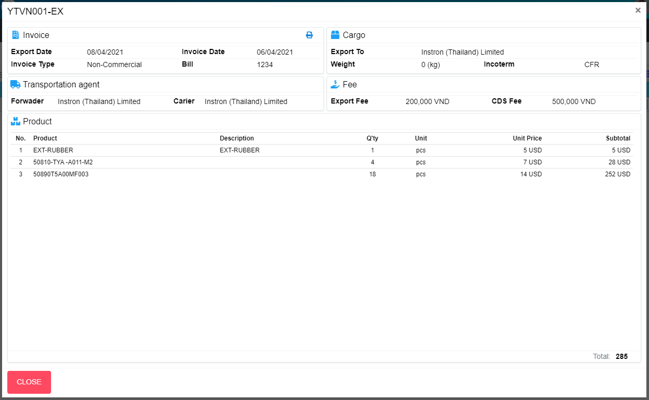
M04
M05
M06
M07
M08
M13
M15
M09
M14
M11
M16
M01
M02
M10
M18
L06
L01
L02
L03
M07
M20
M21
L04
L05
M03
Search name...

IT

SEARCH
Option 1
Option 2
M12
M17
Checkbox 1
Checkbox 2
V

M19
Naming Rule:
- Controls of Main Screen: M01, M02, M03...
- Controls of List (Data Table): L01, L02, L03...

 | Main Screen
 | No |  | Item Name |  | Label |  | Item Type | Input Regulation | Tab Index | I/O | Required | Default Text |  | Length | Note
 | M01 |  | - |  |  |  | Label | Cannot Edit | - | O | - | - |  | - | EO No
 | M02 |  | - |  | Invoice |  | Label | Cannot Edit | - | O | - | - |  | - | -
 | M03 |  | - |  |  |  | Button | - | - | O | - | - |  | - | Button Print EO
 | M04 |  | - |  | Export Date |  | Label | Cannot Edit | - | O | - | - |  | - | -
 | M05 |  | - |  | Invoice Type |  | Label | Cannot Edit | - | O | - | - |  | - | -
 | M06 |  | - |  | Invoice Date |  | Label | Cannot Edit | - | O | - | - |  | - | -
 | M07 |  | - |  | Bill |  | Label | Cannot Edit | - | O | - | - |  | - | -
 | M08 |  | - |  | Cargo |  | Label | Cannot Edit | - | O | - | - |  | - | -
 | M09 |  | - |  | Export To |  | Label | Cannot Edit | - | O | - | - |  | - | -
 | M10 |  | - |  | Weight |  | Label | Cannot Edit | - | O | - | - |  | - | -
 | M11 |  | - |  | Incoterm |  | Label | Cannot Edit | - | O | - | - |  | - | -
 | M12 |  | - |  | Transportation agent |  | Label | Cannot Edit | - | O | - | - |  | - | -
 | M13 |  | - |  | Forwader |  | Label | Cannot Edit | - | O | - | - |  | - | -
 | M14 |  | - |  | Carier |  | Label | Cannot Edit | - | O | - | - |  | - | -
 | M15 |  | - |  | Fee |  | Label | Cannot Edit | - | O | - | - |  | - | -
 | M16 |  | - |  | Export Fee |  | Label | Cannot Edit | - | O | - | - |  | - | -
 | M17 |  | - |  | CDS Fee |  | Label | Cannot Edit | - | O | - | - |  | - | -
 | M18 |  | - |  | Product |  | Label | Cannot Edit | - | O | - | - |  | - | -
 | M19 |  | - |  |  |  | List | - | - | O | - | - |  | - | Product List
 | M20 |  | - |  | Total |  | Label | Cannot Edit | - | O | - | - |  | - | -
 | M21 |  | - |  | CLOSE |  | Button | - | - | O | - | - |  | - | Button Close

 | Product
 | No |  | Item Name |  | Label |  | Item Type | Input Regulation | Tab Index | I/O | Required | Default Text |  | Length | Note
 | L01 |  | - |  | No. |  | Label | Cannot Edit | - | O | - | - |  | - | -
 | L02 |  | - |  | Product |  | Label | Cannot Edit | - | O | - | - |  | - | -
 | L03 |  | - |  | Description |  | Label | Cannot Edit | - | O | - | - |  | - | -
 | L04 |  | - |  | Q'ty |  | Label | Cannot Edit | - | O | - | - |  | - | -
 | L05 |  | - |  | Unit |  | Label | Cannot Edit | - | O | - | - |  | - | -
 | L06 |  | - |  | Unit Price |  | Label | Cannot Edit | - | O | - | - |  | - | -
 | L07 |  | - |  | Subtotal |  | Label | Cannot Edit | - | O | - | - |  | - | -

 | 2. | Description
 |  | 2.1 | Click button "Print" (M03)
 |  |  | Print EO

 |  | 2.2 | Click button "CLOSE" (M21):
 |  |  | Close pop-up Detail EO (Main Screen)

