Overview
Overview |  |  |  | System Name |  | Sub System Name |  | Screen ID |  | Screen Name | Page
 |  |  |  | Purchase Processing Managerment |  | ER Management |  | ER001~ER005

 | 1. | Overview，Purpose，Attention

 |  | Current status:
 |  |  | Old system have many issues, make trouble for end user.

 |  | Purpose of building this system:
 |  |  | Build new systems faster, easier to use
 |  |  | Add more some functions: Import/Export, Supplier Check Management,…

 |  | Evaluate effectiveness:
 |  |  | Save time to create Purchase Request, Purchase Order (20 minutes/1 Purchase Request)

 |  | User flow diagram

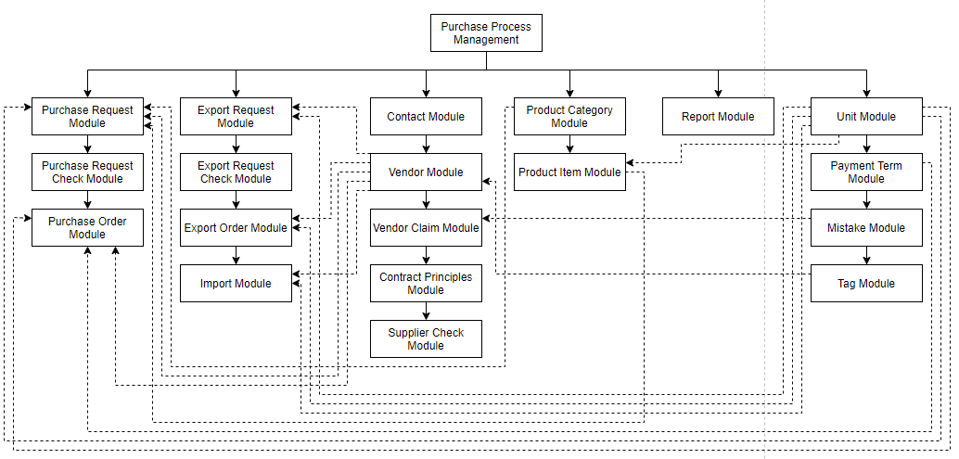

Purchase Order Module

Purchase Request Check Module

 | 2. | History
 | ＮＯ |  | Name |  | Date |  | Review | Date | Note
 | 1 |  | Vũ Đức Phong |  | 24/5/2021
 | 2
 | 3
 | 4
 | 5
 | 6
 | 7
 | 8
 | 9
 | 10

ERList
Screen design |  |  |  |  | System Name |  |  |  | Sub System Name |  | Screen ID |  |  |  |  | Screen Name |  |  | Page
 |  |  |  |  | Purchase Processing Managerment |  |  |  | ER Management |  | ER001 |  |  |  |  | ERList

Search name...
 | 1. | Mockup Screen
 | 1.1. Main Screen
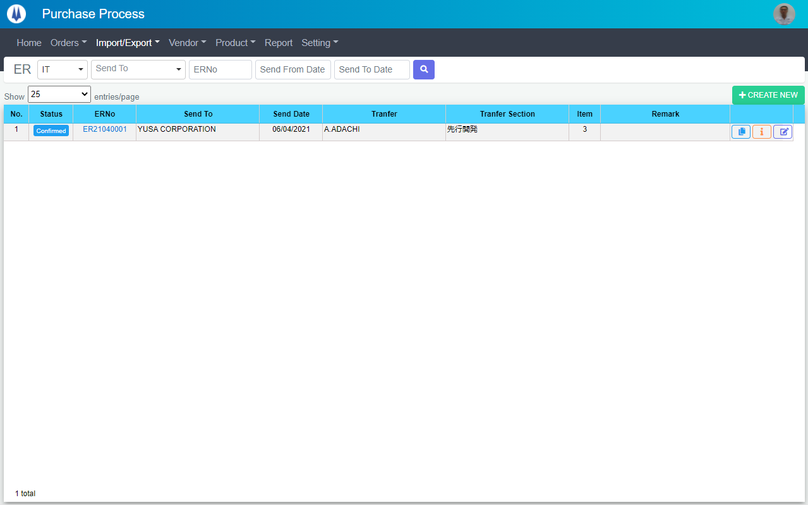
IT

M01
M02
M03
M04
M05
L01
L02
L03
L04
L05
L06
L07
L08
L12
M08
L09
M06
L11
M07
SEARCH
M09
Option 1
Option 2

M10
Checkbox 1
Checkbox 2
V
L10

Naming Rule:
- Controls of Main Screen: M01, M02, M03...
- Controls of List (Data Table): L01, L02, L03...

 | Main Screen
 | No |  | Item Name |  |  |  |  | Label |  | Item Type | Input Regulation | Tab Index | I/O | Required | Default Text |  | Length | Note
 | M01 |  | - |  |  |  |  | ER |  | Label | Cannot Edit | - | O | - | - |  | - | -
 | M02 |  | - |  |  |  |  | - |  | ComboBox | - | - | I | - | - |  | - | -
 | M03 |  | - |  |  |  |  | - |  | ComboBox | - | - | I | - | Send To |  | - | -
 | M04 |  | - |  |  |  |  | - |  | TextBox | HalfOnly | - | I | - | ERNo |  | - | -
 | M05 |  | - |  |  |  |  | - |  | DateTime | HalfOnly | - | I | - | Send From Date |  | - | -
 | M06 |  | - |  |  |  |  | - |  | DateTime | HalfOnly | - | I | - | Send To Date |  | - | -
 | M07 |  | - |  |  |  |  | - |  | Button | - | - | O | - |  |  | - | Button Search
 | M08 |  | - |  |  |  |  | Show | entries/page |  | ComboBox | - | - | I | - |  |  | - | -
 | M09 |  | - |  |  |  |  | + CREATE NEW |  | Button | - | - | O | - |  |  | - | Button Create New
 | M10 |  | - |  |  |  |  |  |  | List | - | - | O | - |  |  | - | -

 | List
 | No |  | Item Name |  |  |  |  | Label |  | Item Type | Input Regulation | Tab Index | I/O | Required | Default Text |  | Length | Note
 | L01 |  | - |  |  |  |  | No. |  | Label | Cannot Edit | - | O | - | - |  | - | -
 | L02 |  | - |  |  |  |  | Status |  | Label | Cannot Edit | - | O | - | - |  | - | -
 | L03 |  | - |  |  |  |  | ERNo |  | Label | Cannot Edit | - | O | - | - |  | - | -
 | L04 |  | - |  |  |  |  | Send To |  | Label | Cannot Edit | - | O | - | - |  | - | -
 | L05 |  | - |  |  |  |  | Send Date |  | Label | Cannot Edit | - | O | - | - |  | - | -
 | L06 |  | - |  |  |  |  | Tranfer |  | Label | Cannot Edit | - | O | - | - |  | - | -
 | L07 |  | - |  |  |  |  | Tranfer Section |  | Label | Cannot Edit | - | O | - | - |  | - | -
 | L08 |  | - |  |  |  |  | Item |  | Label | Cannot Edit | - | O | - | - |  | - | -
 | L09 |  | - |  |  |  |  | Remark |  | Label | Cannot Edit | - | O | - | - |  | - | -
 | L10 |  | - |  |  |  |  | - |  | Button | - | - | O | - | - |  | - | Button Clone
 | L11 |  | - |  |  |  |  | - |  | Button | - | - | O | - | - |  | - | Button Detail
 | L12 |  | - |  |  |  |  | - |  | Button | - | - | O | - | - |  | - | Button Update

 | 2. | Description
 | 2.1.Main Screen
 |  |  | 2.1.1. | Click button "Search" (M07):
 |  |  |  | Search ER by PIC Group (M02), Send To(M03), ER No (M04), Send From Date (M05), Send To Date (M06)
 |  |  |  | ※ If PIC Group (M02), Send To(M03), ER No (M04), Send From Date (M05), Send To Date (M06) is not input, find all ER

 |  |  | 2.1.2. | Click button "CREATE NEW" (M09):
 |  |  |  | Open new pop-up "Add New ER" (Screen ID: ER002)

 |  |  | 2.1.3. | Combobox Show (M08):
 |  |  |  | ・ | Value:
 |  |  |  |  |  | ・ | 15
 |  |  |  |  |  | ・ | 25
 |  |  |  |  |  | ・ | 50
 |  |  |  | ・ | When changing the value, changes the number of items to be displayed per page.

 |  |  | 2.1.4. | Click button "DETAIL" (L11):
 |  |  |  | Open new pop-up "Detail ER" (Screen ID: ER004)

 |  |  | 2.1.5. | Click button "UPDATE" (L12):
 |  |  |  | Open new pop-up "Update ER" (Screen ID: ER003)

 |  |  | 2.1.7. | Click button "CLONE" (L10):
 |  |  |  | Open new pop-up "Clone ER" (Screen ID: ER005)

AddNewER
Screen design |  |  |  |  | System Name |  | Sub System Name |  | Screen ID |  |  |  |  | Screen Name |  |  | Page
 |  |  |  |  | Purchase Processing Managerment |  | ER Management |  | ER002 |  |  |  |  | AddNewER

 | 1. | Mockup Screen
 | 1.1. Main Screen
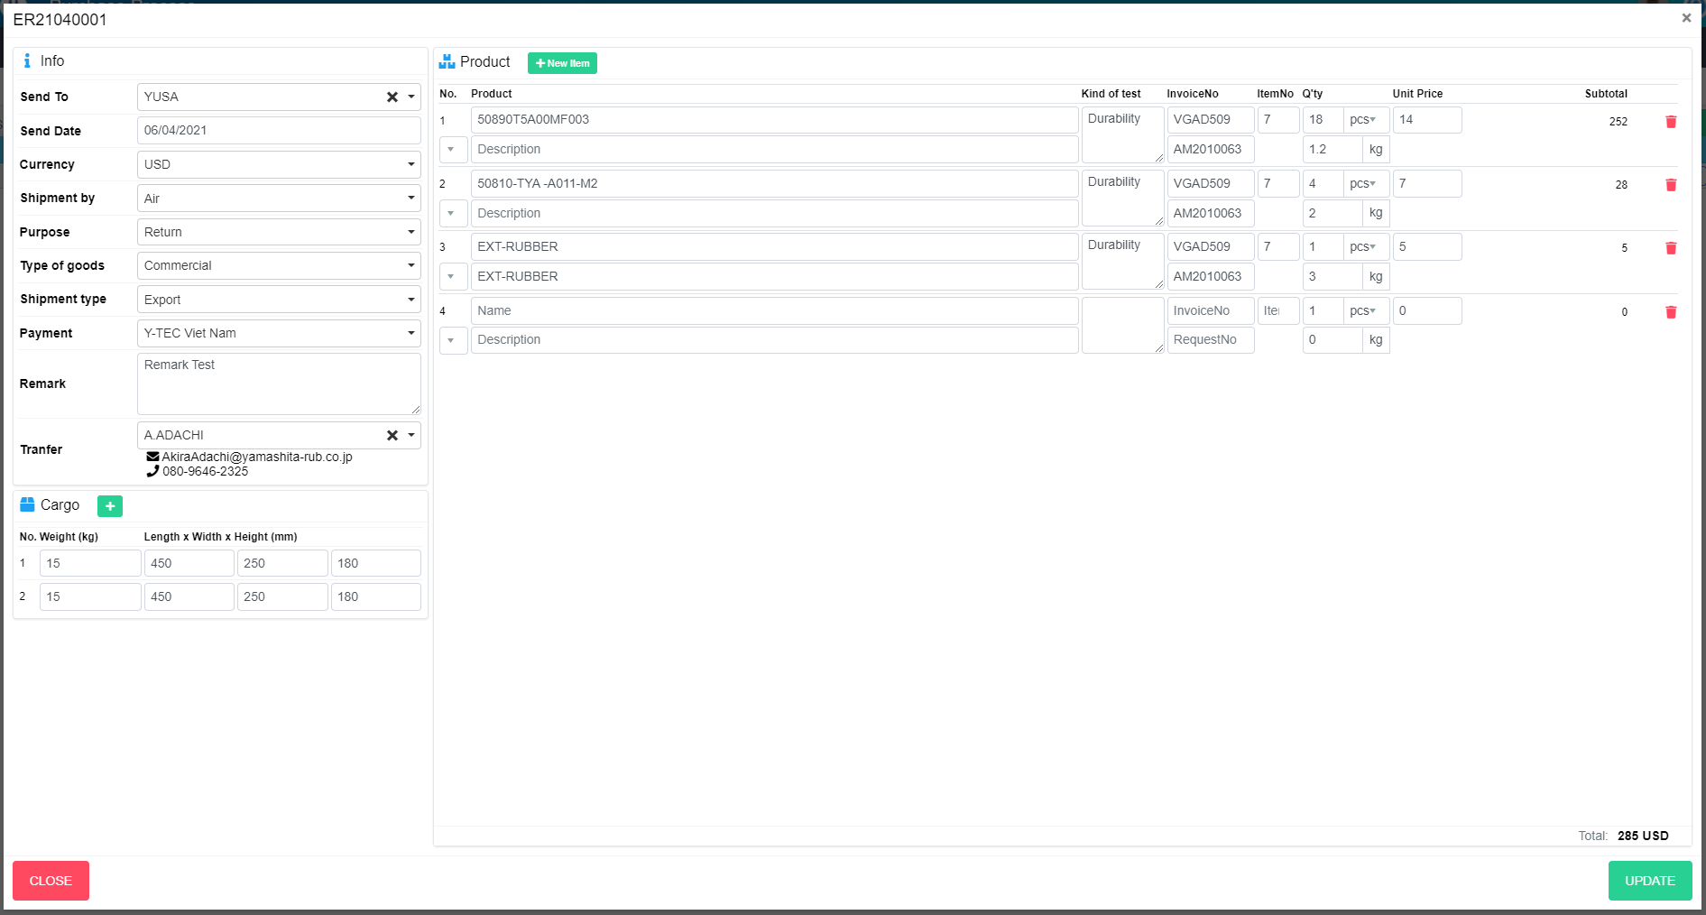
NEW
M01
M18
M19
Search name...
M02
M20
IT
M03
M04
SEARCH
M05
Option 1
Option 2
M06
M07
Checkbox 1
Checkbox 2
V
M08
M09
L09
L10
L01
L05
Naming Rule:
- Controls of Main Screen: M01, M02, M03...
- Controls of List (Data Table): L01, L02, L03...
M10
L03
L06
M11
L02
L04
L08
L11
L12
L13
L14
L07
M12
M13
M15
M14
M16
M17

N01
N02
N03
N04
N05
N06

M21

M22
M23
ADD NEW

ER2001001
 | Main Screen
 | No |  | Item Name |  |  | Label |  | Item Type | Input Regulation | Tab Index | I/O | Required | Default Text |  | Length | Note
 | M01 |  |  |  |  | New |  | Label | Cannot Edit | - | O | - | - |  | - | -
 | M02 |  |  |  |  | Info |  | Label | Cannot Edit | - | O | - | - |  | - | -
 | M03 |  |  |  |  | Send To |  | ComboBox | - | - | I | - | - |  | - | Choose vendor
 | M04 |  |  |  |  | Send Date |  | DateTime | - | - | I | - | - |  | - | -
 | M05 |  |  |  |  | Curency |  | ComboBox | - | - | I | - | - |  | - | Choose currency
 | M06 |  |  |  |  | Shipment by |  | ComboBox | - | - | I | - | - |  | - | Choose shipment by
 | M07 |  |  |  |  | Purpose |  | ComboBox | - | - | I | - | - |  | - | Choose purpose
 | M08 |  |  |  |  | Type of goods |  | ComboBox | - | - | I | - | - |  | - | Choose type of goods
 | M09 |  |  |  |  | Shipment type |  | ComboBox | - | - | I | - | - |  | - | Choose shipment type
 | M10 |  |  |  |  | Payment |  | ComboBox | - | - | I | - | - |  | - | Choose payment
 | M11 |  |  |  |  | Remark |  | TextBox | FullAndhalf | - | I | - | - |  | - | -
 | M12 |  |  |  |  |  |  | ComboBox | - | - | I | - | - |  | - | Select receiver
 | M13 |  |  |  |  |  |  | Label | Cannot Edit | - | O | - | - |  | - | Mail of receiver
 | M14 |  |  |  |  |  |  | Label | Cannot Edit | - | O | - | - |  | - | Phone of reciever
 | M15 |  |  |  |  | Cargo |  | Label | Cannot Edit | - | O | - | - |  | -
 | M16 |  |  |  |  |  |  | Button | - | - | O | - | - |  | - | Button new box
 | M17 |  |  |  |  |  |  | List | - | - | O | - | - |  | - | Box list
 | M18 |  |  |  |  | Product |  | Label | HalfOnly | - | O | - | - |  | - | -
 | M19 |  |  |  |  | New Item |  | Button | HalfOnly | - | O | - | - |  | - | Add new item
 | M20 |  |  |  |  |  |  | List | - | - | O | - | - |  | - | Product list
 | M21 |  |  |  |  | Total |  | Label | Cannot Edit | - | O | - | - |  | -
 | M22 |  |  |  |  | CLOSE |  | Button | - | - | O | - | - |  | - | Button Close
 | M23 |  |  |  |  | ADD NEW |  | Button | - | - | O | - | - |  | - | Button Add New

 | Product List
 | No |  | Item Name |  |  | Label |  | Item Type | Input Regulation | Tab Index | I/O | Required | Default Text |  | Length | Note
 | L01 |  |  |  |  | No |  | Label | Cannot Edit | - | O | - | - |  | -
 | L02 |  |  |  |  | No |  | ComboBox | - | - | I | - | - |  | - | Choose CargoNo
 | L03 |  |  |  |  | Product |  | TextBox | HalfOnly | - | I | - | Name |  | -
 | L04 |  |  |  |  | Product |  | TextBox | HalfOnly | - | I | - | Description |  | -
 | L05 |  |  |  |  | Kind of test |  | TextBox | HalfOnly | - | I | - | - |  | -
 | L06 |  |  |  |  | InvoiceNo |  | TextBox | HalfOnly | - | I | - | InvoiceNo |  | -
 | L07 |  |  |  |  | InvoiceNo |  | TextBox | HalfOnly | - | I | - | RequestNo |  | -
 | L08 |  |  |  |  | ItemNo |  | TextBox | HalfOnly | - | I | - | ItemNo |  | -
 | L09 |  |  |  |  | Q'ty |  | TextBox | HalfOnly | - | I | - | - |  | -
 | L10 |  |  |  |  | Q'ty |  | ComboBox | - | - | I | - | - |  | - | Choose Unit
 | L11 |  |  |  |  | Q'ty |  | TextBox | HalfOnly | - | I | - | - |  | - | Weight
 | L12 |  |  |  |  | Unit Price |  | TextBox | HalfOnly | - | I | - | - |  | - | Choose Unit
 | L13 |  |  |  |  | Subtotal |  | Label | Cannot Edit | - | O | - | - |  | - | Sub Total
 | L14 |  |  |  |  |  |  | Button | Cannot Edit | - | O | - | - |  | - | Button remove Item

 | Cargo List
 | No |  | Item Name |  |  | Label |  | Item Type | Input Regulation | Tab Index | I/O | Required | Default Text |  | Length | Note
 | N01 |  |  |  |  | No |  | Label | Cannot Edit | - | O | - | - |  | -
 | N02 |  |  |  |  | Weight (kg) |  | ComboBox | - | - | I | - | - |  | - | Choose BoxNo
 | N03 |  |  |  |  | Length x Width x Height (mm) |  | TextBox | HalfOnly | - | I | - | Length |  | -
 | N04 |  |  |  |  | Length x Width x Height (mm) |  | TextBox | HalfOnly | - | I | - | Width |  | -
 | N05 |  |  |  |  | Length x Width x Height (mm) |  | TextBox | HalfOnly | - | I | - | Height |  | -
 | N06 |  |  |  |  |  |  | Button | Cannot Edit | - | O | - | - |  | - | Button remove Item

 | 2. | Description
 |  | 2.1. | Click button "Add Item" (M19):
 |  |  | Add new item to product list (M20)

 |  | 2.1. | Click button (L14)
 |  |  | Remove item from product list (M20)

 |  | 2.3. | Click button "Add" (M16):
 |  |  | Add new item to box list (M17)

 |  | 2.4. | Click button (N06)
 |  |  | Add new item to box list (M17)

 |  | 2.5. | Click button "CLOSE" (M22):
 |  |  | Close pop-up Add New ER (Main Screen)

 |  | 2.6. | Click button "ADD NEW" (M23):
 |  |  | ・ | Create new ER
 |  |  | ・ | Close pop-up Add New ER (Main Screen)
 |  |  | ・ | Re-load ER List
 |  |  | ・ | Show message "Add New Item Successfully"

 |  | 2.7 | Define value:
 |  |  | ・ | Currency (M05)
 |  |  |  | Value
 |  |  |  | VND
 |  |  |  | USD
 |  |  |  | JPY

 |  |  | ・ | Shipment by (M06)
 |  |  |  | Value
 |  |  |  | Air
 |  |  |  | Sea
 |  |  |  | Truck

 |  |  | ・ | Purpose (M07)
 |  |  |  | Value
 |  |  |  | Sample/Gif
 |  |  |  | Return
 |  |  |  | Repair

 |  |  | ・ | Type of goods (M08)
 |  |  |  | Value
 |  |  |  | Commercial
 |  |  |  | Non-commercial

 |  |  | ・ | Shipment type (M09)
 |  |  |  | Value
 |  |  |  | Export
 |  |  |  | Temp export and re-import

 |  |  | ・ | Payment (M10)
 |  |  |  | Value
 |  |  |  | Y-TEC Viet Nam
 |  |  |  | Recipient
 |  |  |  | SHA

UpdateER
Screen design |  |  |  |  | System Name |  | Sub System Name |  | Screen ID |  |  |  |  | Screen Name |  |  | Page
 |  |  |  |  | Purchase Processing Managerment |  | ER Management |  | ER002 |  |  |  |  | UpdateER

 | 1. | Mockup Screen
 | 1.1. Main Screen
M01
M18
M19
Search name...
M02
M20
IT
M03
M04
SEARCH
M05
Option 1
Option 2
M06
M07
Checkbox 1
Checkbox 2
V
M08
M09
L09
L10
L01
L05
Naming Rule:
- Controls of Main Screen: M01, M02, M03...
- Controls of List (Data Table): L01, L02, L03...
M10
L03
L06
M11
L02
L04
L08
L11
L12
L13
L14
L07
M12
M13
M15
M14
M16
M17

N01
N02
N03
N04
N05
N06

M21

M22
M23

ER2001001
 | Main Screen
 | No |  | Item Name |  |  | Label |  | Item Type | Input Regulation | Tab Index | I/O | Required | Default Text |  | Length | Note
 | M01 |  |  |  |  |  |  | Label | Cannot Edit | - | O | - | - |  | - | InvoiceNo
 | M02 |  |  |  |  | Info |  | Label | Cannot Edit | - | O | - | - |  | - | -
 | M03 |  |  |  |  | Send To |  | ComboBox | - | - | I | - | - |  | - | Choose vendor
 | M04 |  |  |  |  | Send Date |  | DateTime | - | - | I | - | - |  | - | -
 | M05 |  |  |  |  | Curency |  | ComboBox | - | - | I | - | - |  | - | Choose currency
 | M06 |  |  |  |  | Shipment by |  | ComboBox | - | - | I | - | - |  | - | Choose shipment by
 | M07 |  |  |  |  | Purpose |  | ComboBox | - | - | I | - | - |  | - | Choose purpose
 | M08 |  |  |  |  | Type of goods |  | ComboBox | - | - | I | - | - |  | - | Choose type of goods
 | M09 |  |  |  |  | Shipment type |  | ComboBox | - | - | I | - | - |  | - | Choose shipment type
 | M10 |  |  |  |  | Payment |  | ComboBox | - | - | I | - | - |  | - | Choose payment
 | M11 |  |  |  |  | Remark |  | TextBox | FullAndhalf | - | I | - | - |  | - | -
 | M12 |  |  |  |  |  |  | ComboBox | - | - | I | - | - |  | - | Select receiver
 | M13 |  |  |  |  |  |  | Label | Cannot Edit | - | O | - | - |  | - | Mail of receiver
 | M14 |  |  |  |  |  |  | Label | Cannot Edit | - | O | - | - |  | - | Phone of reciever
 | M15 |  |  |  |  | Cargo |  | Label | Cannot Edit | - | O | - | - |  | -
 | M16 |  |  |  |  |  |  | Button | - | - | O | - | - |  | - | Button new box
 | M17 |  |  |  |  |  |  | List | - | - | O | - | - |  | - | Box list
 | M18 |  |  |  |  | Product |  | Label | HalfOnly | - | O | - | - |  | - | -
 | M19 |  |  |  |  | New Item |  | Button | HalfOnly | - | O | - | - |  | - | Add new item
 | M20 |  |  |  |  |  |  | List | - | - | O | - | - |  | - | Product list
 | M21 |  |  |  |  | Total |  | Label | Cannot Edit | - | O | - | - |  | -
 | M22 |  |  |  |  | CLOSE |  | Button | - | - | O | - | - |  | - | Button Close
 | M23 |  |  |  |  | UPDATE |  | Button | - | - | O | - | - |  | - | Button Update

 | Product List
 | No |  | Item Name |  |  | Label |  | Item Type | Input Regulation | Tab Index | I/O | Required | Default Text |  | Length | Note
 | L01 |  |  |  |  | No |  | Label | Cannot Edit | - | O | - | - |  | -
 | L02 |  |  |  |  | No |  | ComboBox | - | - | I | - | - |  | - | Choose CargoNo
 | L03 |  |  |  |  | Product |  | TextBox | HalfOnly | - | I | - | Name |  | -
 | L04 |  |  |  |  | Product |  | TextBox | HalfOnly | - | I | - | Description |  | -
 | L05 |  |  |  |  | Kind of test |  | TextBox | HalfOnly | - | I | - | - |  | -
 | L06 |  |  |  |  | InvoiceNo |  | TextBox | HalfOnly | - | I | - | InvoiceNo |  | -
 | L07 |  |  |  |  | InvoiceNo |  | TextBox | HalfOnly | - | I | - | RequestNo |  | -
 | L08 |  |  |  |  | ItemNo |  | TextBox | HalfOnly | - | I | - | ItemNo |  | -
 | L09 |  |  |  |  | Q'ty |  | TextBox | HalfOnly | - | I | - | - |  | -
 | L10 |  |  |  |  | Q'ty |  | ComboBox | - | - | I | - | - |  | - | Choose Unit
 | L11 |  |  |  |  | Q'ty |  | TextBox | HalfOnly | - | I | - | - |  | - | Weight
 | L12 |  |  |  |  | Unit Price |  | TextBox | HalfOnly | - | I | - | - |  | - | Choose Unit
 | L13 |  |  |  |  | Subtotal |  | Label | Cannot Edit | - | O | - | - |  | - | Sub Total
 | L14 |  |  |  |  |  |  | Button | Cannot Edit | - | O | - | - |  | - | Button remove Item

 | Cargo List
 | No |  | Item Name |  |  | Label |  | Item Type | Input Regulation | Tab Index | I/O | Required | Default Text |  | Length | Note
 | N01 |  |  |  |  | No |  | Label | Cannot Edit | - | O | - | - |  | -
 | N02 |  |  |  |  | Weight (kg) |  | ComboBox | - | - | I | - | - |  | - | Choose BoxNo
 | N03 |  |  |  |  | Length x Width x Height (mm) |  | TextBox | HalfOnly | - | I | - | Length |  | -
 | N04 |  |  |  |  | Length x Width x Height (mm) |  | TextBox | HalfOnly | - | I | - | Width |  | -
 | N05 |  |  |  |  | Length x Width x Height (mm) |  | TextBox | HalfOnly | - | I | - | Height |  | -
 | N06 |  |  |  |  |  |  | Button | Cannot Edit | - | O | - | - |  | - | Button remove Item

 | 2. | Description
 |  | 2.1. | Click button "Add Item" (M19):
 |  |  | Add new item to product list (M20)

 |  | 2.1. | Click button (L14)
 |  |  | Remove item from product list (M20)

 |  | 2.3. | Click button "Add" (M16):
 |  |  | Add new item to box list (M17)

 |  | 2.4. | Click button (N06)
 |  |  | Add new item to box list (M17)

 |  | 2.5. | Click button "CLOSE" (M22):
 |  |  | Close pop-up Update ER (Main Screen)

 |  | 2.6. | Click button "ADD NEW" (M23):
 |  |  | ・ | Update ER
 |  |  | ・ | Close pop-up Update ER (Main Screen)
 |  |  | ・ | Re-load ER List
 |  |  | ・ | Show message "Update Item Successfully"

 |  | 2.7 | Define value:
 |  |  | ・ | Currency (M05)
 |  |  |  | Value
 |  |  |  | VND
 |  |  |  | USD
 |  |  |  | JPY

 |  |  | ・ | Shipment by (M06)
 |  |  |  | Value
 |  |  |  | Air
 |  |  |  | Sea
 |  |  |  | Truck

 |  |  | ・ | Purpose (M07)
 |  |  |  | Value
 |  |  |  | Sample/Gif
 |  |  |  | Return
 |  |  |  | Repair

 |  |  | ・ | Type of goods (M08)
 |  |  |  | Value
 |  |  |  | Commercial
 |  |  |  | Non-commercial

 |  |  | ・ | Shipment type (M09)
 |  |  |  | Value
 |  |  |  | Export
 |  |  |  | Temp export and re-import

 |  |  | ・ | Payment (M10)
 |  |  |  | Value
 |  |  |  | Y-TEC Viet Nam
 |  |  |  | Recipient
 |  |  |  | SHA

DetailER
Screen design |  |  |  | System Name |  | Sub System Name |  | Screen ID |  |  |  |  | Screen Name |  |  | Page
 |  |  |  | Purchase Processing Managerment |  | ER Management |  | ER004 |  |  |  |  | DetailER

 | 1. | Mockup Screen
 | 1.1. Main Screen
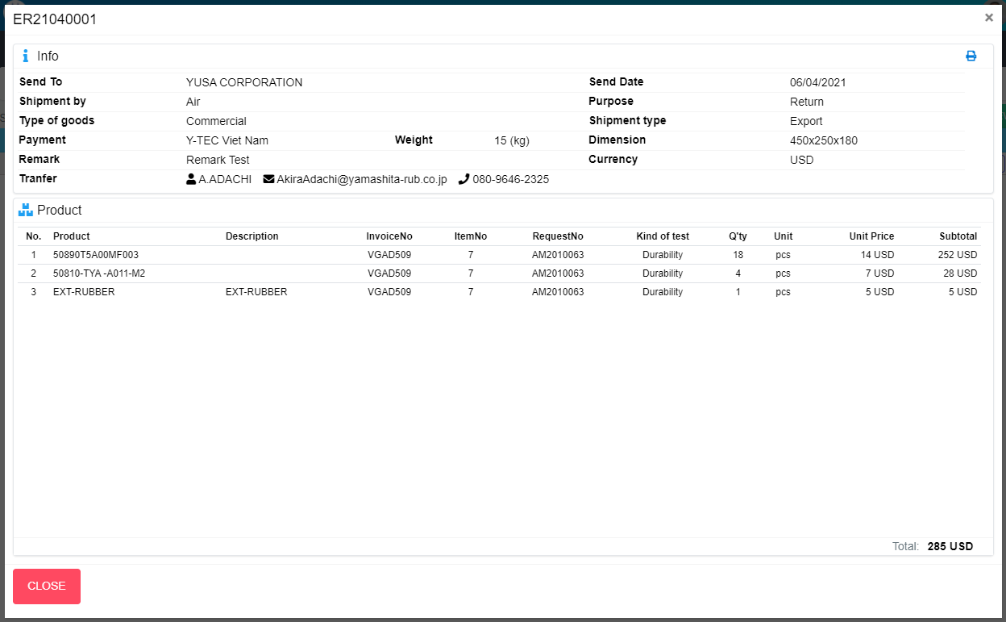
M01
Search name...

M02
M03
IT

M04
M05
SEARCH
M06
M07
Option 1
Option 2
M08
M11
M09
M10
M12
Checkbox 1
Checkbox 2
V
M13
M14

Naming Rule:
- Controls of Main Screen: M01, M02, M03...
- Controls of List (Data Table): L01, L02, L03...
M18
M15
M16
M19
M17

L01
L02
L03
L04
L05
L06
L07
L08
L09
L10
L11

M20

M21

 | Main Screen
 | No |  | Item Name |  | Label |  | Item Type | Input Regulation | Tab Index | I/O | Required | Default Text |  | Length | Note
 | M01 |  | - |  |  |  | Label | Cannot Edit | - | O | - | - |  | - | ERNo
 | M02 |  | - |  | Info |  | Label | Cannot Edit | - | O | - | - |  | - | -
 | M03 |  | - |  |  |  | Button | - | - | I | - | - |  | - | Button Print ER
 | M04 |  | - |  | Send To |  | Label | Cannot Edit | - | O | - | - |  | - | -
 | M05 |  | - |  | Send Date |  | Label | Cannot Edit | - | O | - | - |  | - | -
 | M06 |  | - |  | Shipment by |  | Label | Cannot Edit | - | O | - | - |  | - | -
 | M07 |  | - |  | Purpose |  | Label | Cannot Edit | - | O | - | - |  | - | -
 | M08 |  | - |  | Type of goods |  | Label | Cannot Edit | - | O | - | - |  | - | -
 | M09 |  | - |  | Shipment type |  | Label | Cannot Edit | - | O | - | - |  | - | -
 | M10 |  | - |  | Payment |  | Label | Cannot Edit | - | O | - | - |  | - | -
 | M11 |  | - |  | Weight |  | Label | Cannot Edit | - | O | - | - |  | - | -
 | M12 |  | - |  | Dimension |  | Label | Cannot Edit | - | O | - | - |  | - | -
 | M13 |  | - |  | Remark |  | Label | Cannot Edit | - | O | - | - |  | - | -
 | M14 |  | - |  | Currency |  | Label | Cannot Edit | - | O | - | - |  | - | -
 | M15 |  | - |  | Tranfer |  | Label | Cannot Edit | - | O | - | - |  | - | Receiver
 | M16 |  |  |  | Tranfer |  | Label | Cannot Edit | - | O | - | - |  | - | Mail of receiver
 | M17 |  |  |  | Tranfer |  | Label | Cannot Edit | - | O | - | - |  | - | Phone of receiver
 | M18 |  | - |  | Product |  | Label | Cannot Edit | - | O | - | - |  | - | -
 | M19 |  | - |  |  |  | List | - | - | O | - | - |  | - | Product List
 | M20 |  | - |  | Total |  | Label | Cannot Edit | - | O | - | - |  | - | -
 | M21 |  | - |  | CLOSE |  | Button | - | - | O | - | - |  | - | Button Close

 | Product List
 | No |  | Item Name |  | Label |  | Item Type | Input Regulation | Tab Index | I/O | Required | Default Text |  | Length | Note
 | L01 |  | - |  | No |  | Label | Cannot Edit | - | O | - | - |  | - | -
 | L02 |  | - |  | Product |  | Label | Cannot Edit | - | O | - | - |  | - | -
 | L03 |  | - |  | Description |  | Label | Cannot Edit | - | O | - | - |  | - | -
 | L04 |  | - |  | InvoiceNo |  | Label | Cannot Edit | - | O | - | - |  | - | -
 | L05 |  | - |  | ItemNo |  | Label | Cannot Edit | - | O | - | - |  | - | -
 | L06 |  | - |  | RequestNo |  | Label | Cannot Edit | - | O | - | - |  | - | -
 | L07 |  | - |  | Kind of test |  | Label | Cannot Edit | - | O | - | - |  | - | -
 | L08 |  | - |  | Q'ty |  | Label | Cannot Edit | - | O | - | - |  | - | -
 | L09 |  | - |  | Unit |  | Label | Cannot Edit | - | O | - | - |  | - | -
 | L10 |  | - |  | Unit Price |  | Label | Cannot Edit | - | O | - | - |  | - | -
 | L11 |  | - |  | Subtotal |  | Label | Cannot Edit | - | O | - | - |  | - | -

 | 2. | Description
 |  | 2.1. | Click button "Print" (M03)
 |  |  | Print ER

 |  | 2.3. | Click button "CLOSE" (M21):
 |  |  | Close pop-up Detail ER

CloneER
Screen design |  |  |  |  | System Name |  | Sub System Name |  | Screen ID |  |  |  |  | Screen Name |  |  | Page
 |  |  |  |  | Purchase Processing Managerment |  | ER Management |  | ER002 |  |  |  |  | CloneER

 | 1. | Mockup Screen
 | 1.1. Main Screen
CLONE
M01
M18
M19
Search name...
M02
M20
IT
M03
M04
SEARCH
M05
Option 1
Option 2
M06
M07
Checkbox 1
Checkbox 2
V
M08
M09
L09
L10
L01
L05
Naming Rule:
- Controls of Main Screen: M01, M02, M03...
- Controls of List (Data Table): L01, L02, L03...
M10
L03
L06
M11
L02
L04
L08
L11
L12
L13
L14
L07
M12
M13
M15
M14
M16
M17

N01
N02
N03
N04
N05
N06

M21

M22
M23
ADD NEW

ER2001001
 | Main Screen
 | No |  | Item Name |  |  | Label |  | Item Type | Input Regulation | Tab Index | I/O | Required | Default Text |  | Length | Note
 | M01 |  |  |  |  | Clone |  | Label | Cannot Edit | - | O | - | - |  | - | -
 | M02 |  |  |  |  | Info |  | Label | Cannot Edit | - | O | - | - |  | - | -
 | M03 |  |  |  |  | Send To |  | ComboBox | - | - | I | - | - |  | - | Choose vendor
 | M04 |  |  |  |  | Send Date |  | DateTime | - | - | I | - | - |  | - | -
 | M05 |  |  |  |  | Curency |  | ComboBox | - | - | I | - | - |  | - | Choose currency
 | M06 |  |  |  |  | Shipment by |  | ComboBox | - | - | I | - | - |  | - | Choose shipment by
 | M07 |  |  |  |  | Purpose |  | ComboBox | - | - | I | - | - |  | - | Choose purpose
 | M08 |  |  |  |  | Type of goods |  | ComboBox | - | - | I | - | - |  | - | Choose type of goods
 | M09 |  |  |  |  | Shipment type |  | ComboBox | - | - | I | - | - |  | - | Choose shipment type
 | M10 |  |  |  |  | Payment |  | ComboBox | - | - | I | - | - |  | - | Choose payment
 | M11 |  |  |  |  | Remark |  | TextBox | FullAndhalf | - | I | - | - |  | - | -
 | M12 |  |  |  |  |  |  | ComboBox | - | - | I | - | - |  | - | Select receiver
 | M13 |  |  |  |  |  |  | Label | Cannot Edit | - | O | - | - |  | - | Mail of receiver
 | M14 |  |  |  |  |  |  | Label | Cannot Edit | - | O | - | - |  | - | Phone of reciever
 | M15 |  |  |  |  | Cargo |  | Label | Cannot Edit | - | O | - | - |  | -
 | M16 |  |  |  |  |  |  | Button | - | - | O | - | - |  | - | Button new box
 | M17 |  |  |  |  |  |  | List | - | - | O | - | - |  | - | Box list
 | M18 |  |  |  |  | Product |  | Label | HalfOnly | - | O | - | - |  | - | -
 | M19 |  |  |  |  | New Item |  | Button | HalfOnly | - | O | - | - |  | - | Add new item
 | M20 |  |  |  |  |  |  | List | - | - | O | - | - |  | - | Product list
 | M21 |  |  |  |  | Total |  | Label | Cannot Edit | - | O | - | - |  | -
 | M22 |  |  |  |  | CLOSE |  | Button | - | - | O | - | - |  | - | Button Close
 | M23 |  |  |  |  | ADD NEW |  | Button | - | - | O | - | - |  | - | Button Add New

 | Product List
 | No |  | Item Name |  |  | Label |  | Item Type | Input Regulation | Tab Index | I/O | Required | Default Text |  | Length | Note
 | L01 |  |  |  |  | No |  | Label | Cannot Edit | - | O | - | - |  | -
 | L02 |  |  |  |  | No |  | ComboBox | - | - | I | - | - |  | - | Choose CargoNo
 | L03 |  |  |  |  | Product |  | TextBox | HalfOnly | - | I | - | Name |  | -
 | L04 |  |  |  |  | Product |  | TextBox | HalfOnly | - | I | - | Description |  | -
 | L05 |  |  |  |  | Kind of test |  | TextBox | HalfOnly | - | I | - | - |  | -
 | L06 |  |  |  |  | InvoiceNo |  | TextBox | HalfOnly | - | I | - | InvoiceNo |  | -
 | L07 |  |  |  |  | InvoiceNo |  | TextBox | HalfOnly | - | I | - | RequestNo |  | -
 | L08 |  |  |  |  | ItemNo |  | TextBox | HalfOnly | - | I | - | ItemNo |  | -
 | L09 |  |  |  |  | Q'ty |  | TextBox | HalfOnly | - | I | - | - |  | -
 | L10 |  |  |  |  | Q'ty |  | ComboBox | - | - | I | - | - |  | - | Choose Unit
 | L11 |  |  |  |  | Q'ty |  | TextBox | HalfOnly | - | I | - | - |  | - | Weight
 | L12 |  |  |  |  | Unit Price |  | TextBox | HalfOnly | - | I | - | - |  | - | Choose Unit
 | L13 |  |  |  |  | Subtotal |  | Label | Cannot Edit | - | O | - | - |  | - | Sub Total
 | L14 |  |  |  |  |  |  | Button | Cannot Edit | - | O | - | - |  | - | Button remove Item

 | Cargo List
 | No |  | Item Name |  |  | Label |  | Item Type | Input Regulation | Tab Index | I/O | Required | Default Text |  | Length | Note
 | N01 |  |  |  |  | No |  | Label | Cannot Edit | - | O | - | - |  | -
 | N02 |  |  |  |  | Weight (kg) |  | ComboBox | - | - | I | - | - |  | - | Choose BoxNo
 | N03 |  |  |  |  | Length x Width x Height (mm) |  | TextBox | HalfOnly | - | I | - | Length |  | -
 | N04 |  |  |  |  | Length x Width x Height (mm) |  | TextBox | HalfOnly | - | I | - | Width |  | -
 | N05 |  |  |  |  | Length x Width x Height (mm) |  | TextBox | HalfOnly | - | I | - | Height |  | -
 | N06 |  |  |  |  |  |  | Button | Cannot Edit | - | O | - | - |  | - | Button remove Item

 | 2. | Description
 |  | 2.1. | Click button "Add Item" (M19):
 |  |  | Add new item to product list (M20)

 |  | 2.1. | Click button (L14)
 |  |  | Remove item from product list (M20)

 |  | 2.3. | Click button "Add" (M16):
 |  |  | Add new item to box list (M17)

 |  | 2.4. | Click button (N06)
 |  |  | Add new item to box list (M17)

 |  | 2.5. | Click button "CLOSE" (M22):
 |  |  | Close pop-up Clone ER (Main Screen)

 |  | 2.6. | Click button "ADD NEW" (M23):
 |  |  | ・ | Create new ER
 |  |  | ・ | Close pop-up Clone ER (Main Screen)
 |  |  | ・ | Re-load ER List
 |  |  | ・ | Show message "Add New Item Successfully"

 |  | 2.7 | Define value:
 |  |  | ・ | Currency (M05)
 |  |  |  | Value
 |  |  |  | VND
 |  |  |  | USD
 |  |  |  | JPY

 |  |  | ・ | Shipment by (M06)
 |  |  |  | Value
 |  |  |  | Air
 |  |  |  | Sea
 |  |  |  | Truck

 |  |  | ・ | Purpose (M07)
 |  |  |  | Value
 |  |  |  | Sample/Gif
 |  |  |  | Return
 |  |  |  | Repair

 |  |  | ・ | Type of goods (M08)
 |  |  |  | Value
 |  |  |  | Commercial
 |  |  |  | Non-commercial

 |  |  | ・ | Shipment type (M09)
 |  |  |  | Value
 |  |  |  | Export
 |  |  |  | Temp export and re-import

 |  |  | ・ | Payment (M10)
 |  |  |  | Value
 |  |  |  | Y-TEC Viet Nam
 |  |  |  | Recipient
 |  |  |  | SHA

