Overview
Overview |  |  |  | System Name |  | Sub System Name |  | Screen ID |  | Screen Name | Page
 |  |  |  | Purchase Processing Managerment |  | ER Check |  | ERC001~ERC002

 | 1. | Overview，Purpose，Attention

 |  | Current status:
 |  |  | Old system have many issues, make trouble for end user.

 |  | Purpose of building this system:
 |  |  | Build new systems faster, easier to use
 |  |  | Add more some functions: Import/Export, Supplier Check Management,…

 |  | Evaluate effectiveness:
 |  |  | Save time to create Purchase Request, Purchase Order (20 minutes/1 Purchase Request)

 |  | User flow diagram

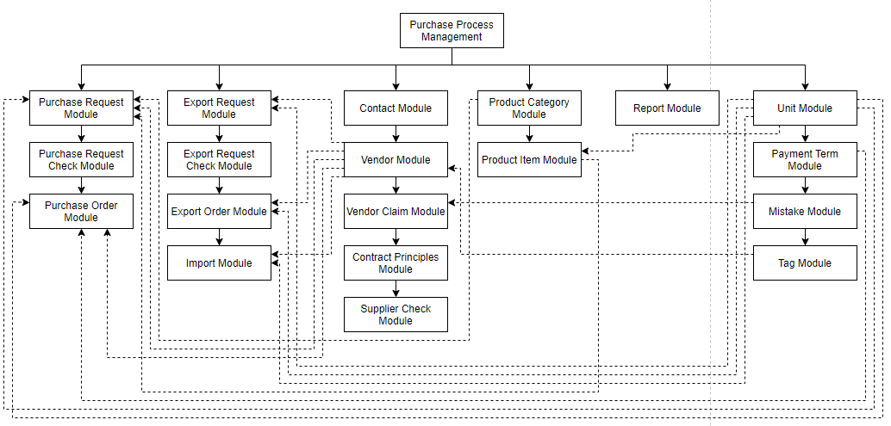

Purchase Order Module

Purchase Request Check Module

 | 2. | History
 | ＮＯ |  | Name |  | Date |  | Review | Date | Note
 | 1 |  | Vũ Đức Phong |  | 24/5/2021
 | 2
 | 3
 | 4
 | 5
 | 6
 | 7
 | 8
 | 9
 | 10

ERCheckList
Screen design |  |  |  |  | System Name |  |  |  | Sub System Name |  | Screen ID |  |  |  |  | Screen Name |  |  | Page
 |  |  |  |  | Purchase Processing Managerment |  |  |  | ER Check |  | ERC001 |  |  |  |  | ERCheckList

Search name...
 | 1. | Mockup Screen
 | 1.1. Main Screen
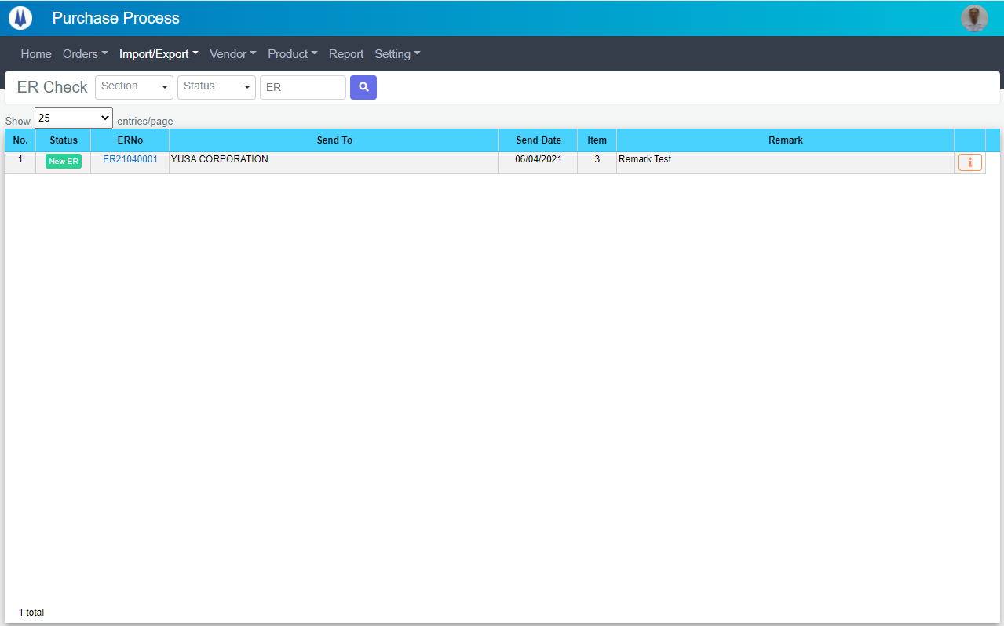
IT

M01
M02
M03
M04
L01
L02
L03
L04
L05
L06
L07
M06
L08
M05
SEARCH
Option 1
Option 2

M07
Checkbox 1
Checkbox 2
V

Naming Rule:
- Controls of Main Screen: M01, M02, M03...
- Controls of List (Data Table): L01, L02, L03...

 | Main Screen
 | No |  | Item Name |  |  |  |  | Label |  | Item Type | Input Regulation | Tab Index | I/O | Required | Default Text |  | Length | Note
 | M01 |  | - |  |  |  |  | PR Check |  | Label | Cannot Edit | - | O | - | - |  | - | -
 | M02 |  | - |  |  |  |  |  |  | ComboBox | - | - | I | - | Section |  | - | -
 | M03 |  | - |  |  |  |  | - |  | ComboBox | - | - | I | - | Status |  | - | -
 | M04 |  | - |  |  |  |  | - |  | TextBox | HalfOnly | - | I | - | ER |  | - | -
 | M05 |  | - |  |  |  |  | - |  | Button | - | - | O | - |  |  | - | Button Search
 | M06 |  | - |  |  |  |  | Show | entries/page |  | ComboBox | - | - | I | - |  |  | - | -
 | M07 |  | - |  |  |  |  |  |  | List | - | - | O | - |  |  | -

 | List
 | No |  | Item Name |  |  |  |  | Label |  | Item Type | Input Regulation | Tab Index | I/O | Required | Default Text |  | Length | Note
 | L01 |  | - |  |  |  |  | No. |  | Label | Cannot Edit | - | O | - | - |  | - | -
 | L02 |  | - |  |  |  |  | Status |  | Label | Cannot Edit | - | O | - | - |  | - | -
 | L03 |  | - |  |  |  |  | ERNo |  | Label | Cannot Edit | - | O | - | - |  | - | -
 | L04 |  | - |  |  |  |  | Send To |  | Label | Cannot Edit | - | O | - | - |  | - | -
 | L05 |  | - |  |  |  |  | Send Date |  | Label | Cannot Edit | - | O | - | - |  | - | -
 | L06 |  | - |  |  |  |  | Item |  | Label | Cannot Edit | - | O | - | - |  | - | -
 | L07 |  | - |  |  |  |  | Remark |  | Label | Cannot Edit | - | O | - | - |  | - | -
 | L08 |  | - |  |  |  |  | - |  | Button | - | - | O | - | - |  | - | Button Detail

 | 2. | Description
 |  |  | 2.1.1. | Click button "Search" (M05):
 |  |  |  | Search ER Check by PIC Group (M02), Status(M03), ERNo (M04)
 |  |  |  | ※ If PIC Group (M02), Status(M03), ERNo (M04) is not input, find all ER Check

 |  |  | 2.1.2. | Combobox Show (M06):
 |  |  |  | ・ | Value:
 |  |  |  |  |  | ・ | 15
 |  |  |  |  |  | ・ | 25
 |  |  |  |  |  | ・ | 50
 |  |  |  | ・ | When changing the value, changes the number of items to be displayed per page.

 |  |  | 2.1.3. | Click button "DETAIL" (L08):
 |  |  |  | Open new pop-up "Detail ER" (Screen ID: ERC002)

DetailER
Screen design |  |  |  | System Name |  | Sub System Name |  | Screen ID |  |  |  |  | Screen Name |  |  | Page
 |  |  |  | Purchase Processing Managerment |  | ER Check |  | ERC002 |  |  |  |  | DetailER

 | 1. | Mockup Screen
 | 1.1. Main Screen
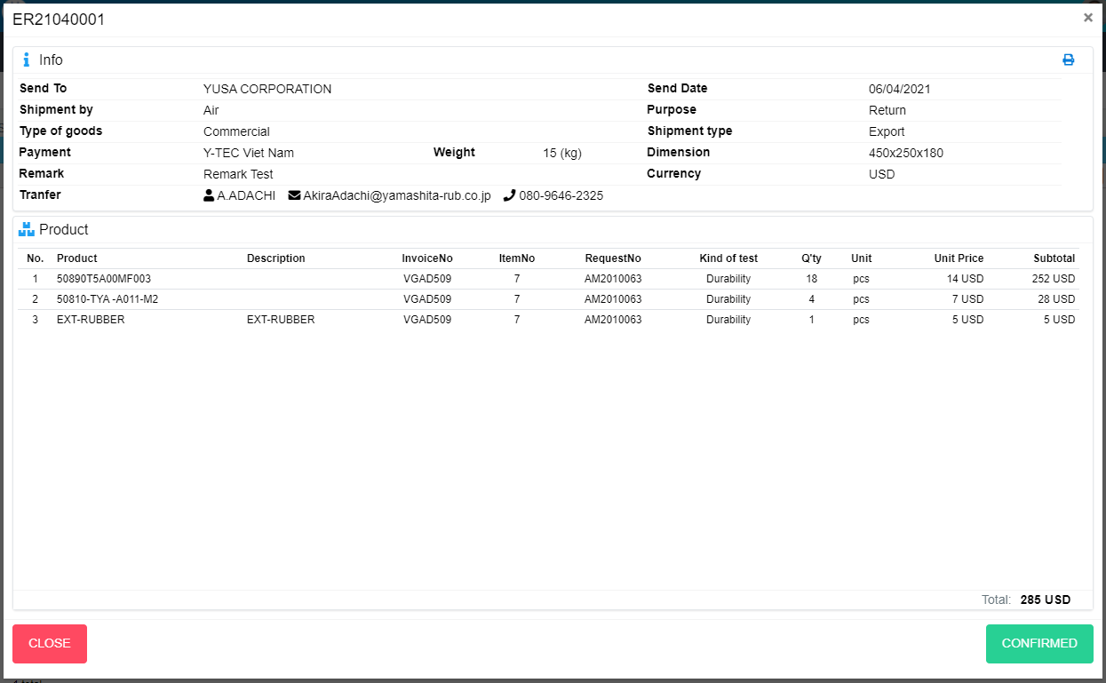
M01
Search name...

M02
M03
IT

M04
M05
SEARCH
M06
M07
Option 1
Option 2
M08
M11
M09
M10
M12
Checkbox 1
Checkbox 2
V
M13
M14

Naming Rule:
- Controls of Main Screen: M01, M02, M03...
- Controls of List (Data Table): L01, L02, L03...
M18
M15
M16
M17

M19
M20
M21
M22
M23
M24
M25
M26
M27
M28
M29

M30

M32
M31

 | Main Screen
 | No |  | Item Name |  | Label |  | Item Type | Input Regulation | Tab Index | I/O | Required | Default Text |  | Length | Note
 | M01 |  | - |  |  |  | Label | Cannot Edit | - | O | - | - |  | - | ERNo
 | M02 |  | - |  | Info |  | Label | Cannot Edit | - | O | - | - |  | - | -
 | M03 |  | - |  |  |  | Button | - | - | I | - | - |  | - | Button Print ER
 | M04 |  | - |  | Send To |  | Label | Cannot Edit | - | O | - | - |  | - | -
 | M05 |  | - |  | Send Date |  | Label | Cannot Edit | - | O | - | - |  | - | -
 | M06 |  | - |  | Shipment by |  | Label | Cannot Edit | - | O | - | - |  | - | -
 | M07 |  | - |  | Purpose |  | Label | Cannot Edit | - | O | - | - |  | - | -
 | M08 |  | - |  | Type of goods |  | Label | Cannot Edit | - | O | - | - |  | - | -
 | M09 |  | - |  | Shipment type |  | Label | Cannot Edit | - | O | - | - |  | - | -
 | M10 |  | - |  | Payment |  | Label | Cannot Edit | - | O | - | - |  | - | -
 | M11 |  | - |  | Weight |  | Label | Cannot Edit | - | O | - | - |  | - | -
 | M12 |  | - |  | Dimension |  | Label | Cannot Edit | - | O | - | - |  | - | -
 | M13 |  | - |  | Remark |  | Label | Cannot Edit | - | O | - | - |  | - | -
 | M14 |  | - |  | Currency |  | Label | Cannot Edit | - | O | - | - |  | - | -
 | M15 |  | - |  |  |  | Label | Cannot Edit | - | O | - | - |  | - | Receiver
 | M16 |  |  |  |  |  | Label | Cannot Edit | - | O | - | - |  | - | Mail of receiver
 | M17 |  |  |  |  |  | Label | Cannot Edit | - | O | - | - |  | - | Phone of receiver
 | M18 |  | - |  | Product |  | Label | Cannot Edit | - | O | - | - |  | - | -
 | M19 |  | - |  | No. |  | Label | Cannot Edit | - | O | - | - |  | - | -
 | M20 |  | - |  | Product |  | Label | Cannot Edit | - | O | - | - |  | - | -
 | M21 |  | - |  | Description |  | Label | Cannot Edit | - | O | - | - |  | - | -
 | M22 |  | - |  | InvoiceNo |  | Label | Cannot Edit | - | O | - | - |  | - | -
 | M23 |  | - |  | ItemNo |  | Label | Cannot Edit | - | O | - | - |  | - | -
 | M24 |  | - |  | RequestNo |  | Label | Cannot Edit | - | O | - | - |  | - | -
 | M25 |  | - |  | Kind of test |  | Label | Cannot Edit | - | O | - | - |  | - | -
 | M26 |  | - |  | Q'ty |  | Label | Cannot Edit | - | O | - | - |  | - | -
 | M27 |  | - |  | Unit |  | Label | Cannot Edit | - | O | - | - |  | - | -
 | M28 |  | - |  | Unit Price |  | Label | Cannot Edit | - | O | - | - |  | - | -
 | M29 |  | - |  | Subtotal |  | Label | Cannot Edit | - | O | - | - |  | - | -
 | M30 |  | - |  | Total |  | Label | Cannot Edit | - | O | - | - |  | - | -
 | M31 |  | - |  | CLOSE |  | Button | - | - | O | - | - |  | - | Button Close
 | M32 |  | - |  | CONFIRMED |  | Button | - | - | O | - | - |  | - | Button Confirmed

 | 2. | Description
 |  | 2.1. | Click button "Print" (M03)
 |  |  | Print ER

 |  | 2.2. | Click button "Confirmed" (M32)
 |  |  | Confirmed this ER
 |  |  | Close pop-up Detail ER (Main Screen)

 |  | 2.3. | Click button "CLOSE" (M31):
 |  |  | Close pop-up Detail ER

