Overview
Overview |  |  |  | System Name |  | Sub System Name |  | Screen ID |  | Screen Name | Page
 |  |  |  |  |  |  |  | IM001~IM005

 | 1. | Overview，Purpose，Attention

 |  | Current status:
 |  |  | Old system have many issues, make trouble for end user.

 |  | Purpose of building this system:
 |  |  | Build new systems faster, easier to use
 |  |  | Add more some functions: Import/Export, Supplier Check Management,…

 |  | Evaluate effectiveness:
 |  |  | Save time to create Purchase Request, Purchase Order (20 minutes/1 Purchase Request)

 |  | User flow diagram
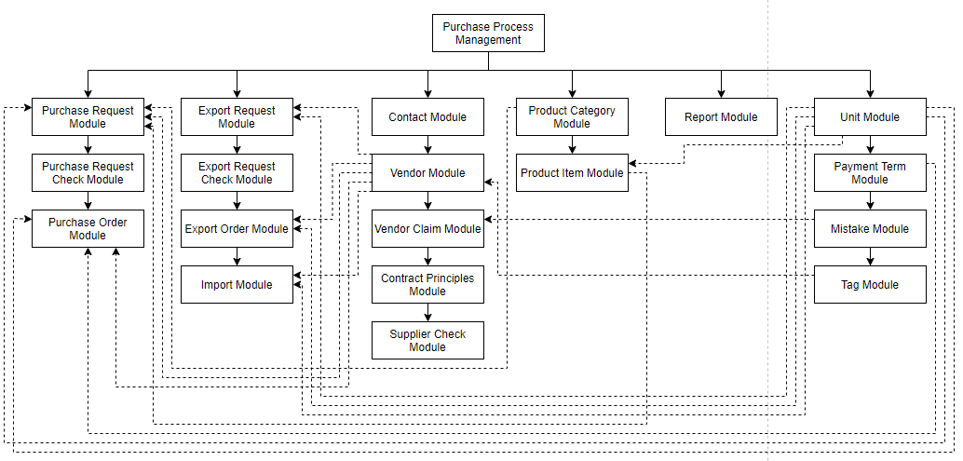

Purchase Order Module

Purchase Request Check Module

 | 2. | History
 | ＮＯ |  | Name |  | Date |  | Review | Date | Note
 | 1 |  | Vũ Đức Phong |  | 24/5/2021
 | 2
 | 3
 | 4
 | 5
 | 6
 | 7
 | 8
 | 9
 | 10

ImportList
Screen design |  |  |  |  | System Name |  |  |  |  | Sub System Name |  | Screen ID |  |  |  |  | Screen Name |  |  | Page
 |  |  |  |  | 0 |  |  |  |  | 0 |  | IM001 |  |  |  |  | ImportList

 | 1. | Mockup Screen
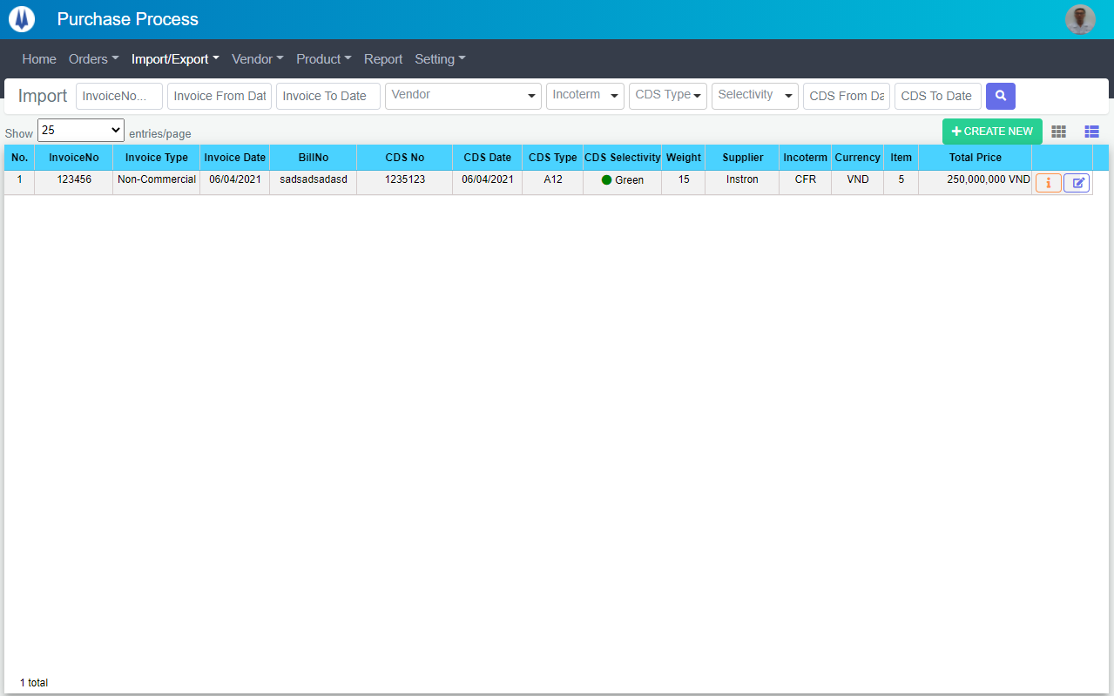
Search name...
IT

M01
M02
M03
M04
M05
L01
L02
L03
L04
L05
L06
L07
L09
M12
L10
L08
M06
L11
M07
M15
M13
L12
L13
L14
L15
L16
L17
M08
M09
M10
M11
SEARCH
Option 1
Option 2
M14
Checkbox 1
Checkbox 2
V

Naming Rule:
- Controls of Main Screen: M01, M02, M03...
- Controls of List (Data Table): L01, L02, L03...

 | Main Screen
 | No |  | Item Name |  |  |  |  | Label |  |  | Item Type | Input Regulation | Tab Index | I/O | Required | Default Text |  | Length | Note
 | M01 |  | - |  |  |  |  | Import |  |  | Label | Cannot Edit | - | O | - | - |  | - | -
 | M02 |  | - |  |  |  |  | - |  |  | TextBox | HalfOnly | - | I | - | InvoiceNo |  | - | -
 | M03 |  | - |  |  |  |  | - |  |  | DateTime | HalfOnly | - | I | - | Invoice From Date |  | - | -
 | M04 |  | - |  |  |  |  | - |  |  | DateTime | HalfOnly | - | I | - | Invoice To Date |  | - | -
 | M05 |  | - |  |  |  |  | - |  |  | ComboBox | - | - | I | - | Vendor |  | - | -
 | M06 |  | - |  |  |  |  | - |  |  | ComboBox | - | - | I | - | Incoterm |  | - | -
 | M07 |  | - |  |  |  |  | - |  |  | ComboBox | - | - | I | - | CDS Type |  | - | -
 | M08 |  | - |  |  |  |  | - |  |  | ComboBox | - | - | I | - | Selectivity |  | - | -
 | M09 |  | - |  |  |  |  | - |  |  | DateTime | HalfOnly | - | I | - | CDS From Date |  | - | -
 | M10 |  | - |  |  |  |  | - |  |  | DateTime | HalfOnly | - | I | - | CDS To Date |  | - | -
 | M11 |  | - |  |  |  |  | - |  |  | Button | - | - | O | - | - |  | - | Button Search
 | M12 |  | - |  |  |  |  | Show | entries/page |  |  | ComboBox | - | - | I | - | - |  | - | -
 | M13 |  | - |  |  |  |  | + CREATE NEW |  |  | Button | - | - | O | - | - |  | - | Button Create New
 | M14 |  | - |  |  |  |  | - |  |  | Button | - | - | O | - | - |  | - | Button Import Item List
 | M15 |  | - |  |  |  |  | - |  |  | List | - | - | O | - | - |  | - | -

 | List
 | No |  | Item Name |  |  |  |  | Label |  |  | Item Type | Input Regulation | Tab Index | I/O | Required | Default Text |  | Length | Note
 | L01 |  | - |  |  |  |  | No. |  |  | Label | Cannot Edit | - | O | - | - |  | - | -
 | L02 |  | - |  |  |  |  | InvoiceNo |  |  | Label | Cannot Edit | - | O | - | - |  | - | -
 | L03 |  | - |  |  |  |  | Invoice Type |  |  | Label | Cannot Edit | - | O | - | - |  | - | -
 | L04 |  | - |  |  |  |  | Invoice Date |  |  | Label | Cannot Edit | - | O | - | - |  | - | -
 | L05 |  | - |  |  |  |  | Bill No |  |  | Label | Cannot Edit | - | O | - | - |  | - | -
 | L06 |  | - |  |  |  |  | CDS No |  |  | Label | Cannot Edit | - | O | - | - |  | - | -
 | L07 |  | - |  |  |  |  | CDS Date |  |  | Label | Cannot Edit | - | O | - | - |  | - | -
 | L08 |  | - |  |  |  |  | CDS Type |  |  | Label | Cannot Edit | - | O | - | - |  | - | -
 | L09 |  | - |  |  |  |  | CDS Selectivity |  |  | Label | Cannot Edit | - | O | - | - |  | - | -
 | L10 |  | - |  |  |  |  | Weight |  |  | Label | Cannot Edit | - | O | - | - |  | - | -
 | L11 |  | - |  |  |  |  | Supplier |  |  | Label | Cannot Edit | - | O | - | - |  | - | -
 | L12 |  | - |  |  |  |  | Incoterm |  |  | Label | Cannot Edit | - | O | - | - |  | - | -
 | L13 |  | - |  |  |  |  | Currency |  |  | Label | Cannot Edit | - | O | - | - |  | - | -
 | L14 |  | - |  |  |  |  | Item |  |  | Label | Cannot Edit | - | O | - | - |  | - | -
 | L15 |  | - |  |  |  |  | Total Price |  |  | Label | Cannot Edit | - | O | - | - |  | - | -
 | L16 |  | - |  |  |  |  | - |  |  | Button | - | - | O | - | - |  | - | Button Detail
 | L17 |  | - |  |  |  |  | - |  |  | Button | - | - | O | - | - |  | - | Button Update

 | 2. | Description
 |  |  | 2.1. | Click button "Search" (M11):
 |  |  |  | Search Import by InvoiceNo (M02), Invoice From Date (M03), Invoice To Date(M04), Vendor(M05), Incoterm(M06),
 |  |  |  |  |  |  |  |  | CDS Type(M07), CDS Selectivity(M08), CDS From Date(M09), CDS To Date(M10)
 |  |  |  | ※ If InvoiceNo (M02), Invoice From Date (M03), Invoice To Date(M04), Vendor(M05), Incoterm(M06),
 |  |  |  |  |  |  |  |  | CDS Type(M07), CDS Selectivity(M08), CDS From Date(M09), CDS To Date(M10) is not input, find all Import

 |  |  | 2.2. | Click button "CREATE NEW" (M13):
 |  |  |  | Open new pop-up "AddNewImport" (Screen ID: IM003)

 |  |  | 2.3. | Combobox Show (M12):
 |  |  |  | ・ | Value:
 |  |  |  |  |  | ・ | 15
 |  |  |  |  |  | ・ | 25
 |  |  |  |  |  | ・ | 50
 |  |  |  | ・ | When changing the value, changes the number of items to be displayed per page.

 |  |  | 2.4. | Click button "DETAIL" (L16):
 |  |  |  | Open new pop-up "DetailImport" (Screen ID: IM005)

 |  |  | 2.5. | Click button "UPDATE" (L17):
 |  |  |  | Open new pop-up "UpdateImport" (Screen ID: IM004)

 |  |  | 2.6. | Click button (M14):
 |  |  |  | Open screen "ImportItemList" (Screen ID: IM002)

ImportItemList
Screen design |  |  |  |  | System Name |  |  |  | Sub System Name |  | Screen ID |  |  |  |  | Screen Name |  |  | Page
 |  |  |  |  | 0 |  |  |  | 0 |  | IM002 |  |  |  |  | ImportItemList

 | 1. | Mockup Screen
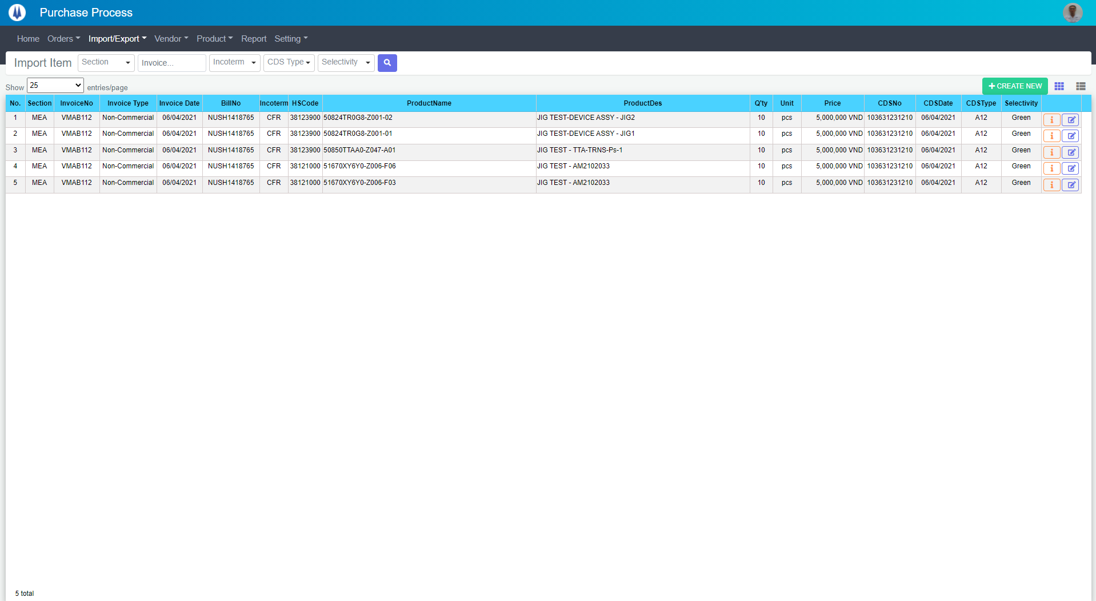
Search name...
M01
M02
M03
M04
M05
L01
L02
L03
L04
L05
L06
L07
L09
M08
L10
L08
M06
L11
M07
M11
M09
M10
L12
L13
L14
L15
L16
L17
L18
L19
IT

SEARCH
Option 1
Option 2

Checkbox 1
Checkbox 2
V

Naming Rule:
- Controls of Main Screen: M01, M02, M03...
- Controls of List (Data Table): L01, L02, L03...

 | Main Screen
 | No |  | Item Name |  |  |  |  | Label |  | Item Type | Input Regulation | Tab Index | I/O | Required | Default Text |  | Length | Note
 | M01 |  | - |  |  |  |  | Import Item |  | Label | Cannot Edit | - | O | - | - |  | - | -
 | M02 |  | - |  |  |  |  | - |  | ComboBox | - | - | I | - | Section |  | - | -
 | M03 |  | - |  |  |  |  | - |  | TextBox | HalfOnly | - | I | - | InvoiceNo |  | - | -
 | M04 |  | - |  |  |  |  | - |  | ComboBox | - | - | I | - | Incoterm |  | - | -
 | M05 |  | - |  |  |  |  | - |  | ComboBox | - | - | I | - | CDS Type |  | - | -
 | M06 |  | - |  |  |  |  | - |  | ComboBox | HalfOnly | - | I | - | Selectivity |  | - | -
 | M07 |  | - |  |  |  |  | - |  | Button | - | - | O | - | - |  | - | Button Search
 | M08 |  | - |  |  |  |  | Show | entries/page |  | ComboBox | - | - | I | - | - |  | - | -
 | M09 |  | - |  |  |  |  | + CREATE NEW |  | Button | - | - | O | - | - |  | - | Button Create New
 | M10 |  | - |  |  |  |  |  |  | Button | - | - | O | - | - |  | - | Button Import List
 | M11 |  | - |  |  |  |  | - |  | List | - | - | O | - | - |  | - | -

 | List
 | No |  | Item Name |  |  |  |  | Label |  | Item Type | Input Regulation | Tab Index | I/O | Required | Default Text |  | Length | Note
 | L01 |  | - |  |  |  |  | No. |  | Label | Cannot Edit | - | O | - | - |  | - | -
 | L02 |  | - |  |  |  |  | Section |  | Label | Cannot Edit | - | O | - | - |  | - | -
 | L03 |  | - |  |  |  |  | InvoiceNo |  | Label | Cannot Edit | - | O | - | - |  | - | -
 | L04 |  | - |  |  |  |  | Invoice Type |  | Label | Cannot Edit | - | O | - | - |  | - | -
 | L05 |  | - |  |  |  |  | Invoice Date |  | Label | Cannot Edit | - | O | - | - |  | - | -
 | L06 |  | - |  |  |  |  | BillNo |  | Label | Cannot Edit | - | O | - | - |  | - | -
 | L07 |  | - |  |  |  |  | Incoterm |  | Label | Cannot Edit | - | O | - | - |  | - | -
 | L08 |  | - |  |  |  |  | HSCode |  | Label | Cannot Edit | - | O | - | - |  | - | -
 | L09 |  | - |  |  |  |  | Product Name |  | Label | Cannot Edit | - | O | - | - |  | - | -
 | L10 |  | - |  |  |  |  | Product Des |  | Label | Cannot Edit | - | O | - | - |  | - | -
 | L11 |  | - |  |  |  |  | Q'ty |  | Label | Cannot Edit | - | O | - | - |  | - | -
 | L12 |  | - |  |  |  |  | Unit |  | Label | Cannot Edit | - | O | - | - |  | - | -
 | L13 |  | - |  |  |  |  | Price |  | Label | Cannot Edit | - | O | - | - |  | - | -
 | L14 |  | - |  |  |  |  | CDSNo |  | Label | Cannot Edit | - | O | - | - |  | - | -
 | L15 |  | - |  |  |  |  | CDSDate |  | Label | Cannot Edit | - | O | - | - |  | - | -
 | L16 |  | - |  |  |  |  | CDSType |  | Label | Cannot Edit | - | O | - | - |  | - | -
 | L17 |  | - |  |  |  |  | Selectivity |  | Label | Cannot Edit | - | O | - | - |  | - | -
 | L18 |  | - |  |  |  |  | - |  | Button | - | - | O | - | - |  | - | Button Detail
 | L19 |  | - |  |  |  |  | - |  | Button | - | - | O | - | - |  | - | Button Update
 | 2. | Description
 |  |  | 2.1. | Click button "Search" (M07):
 |  |  |  | Search Import Item by Section(M02), InvoiceNo(M03), Incoterm(M04), CDS Type(M05), Selectivity(M06)
 |  |  |  | ※ If Section(M02), InvoiceNo(M03), Incoterm(M04), CDS Type(M05), Selectivity(M06) is not input, find all Import Item

 |  |  | 2.2. | Click button "CREATE NEW" (M09):
 |  |  |  | Open new pop-up "AddNewImport" (Screen ID: IM003)

 |  |  | 2.3. | Combobox Show (M08):
 |  |  |  | ・ | Value:
 |  |  |  |  |  | ・ | 15
 |  |  |  |  |  | ・ | 25
 |  |  |  |  |  | ・ | 50
 |  |  |  | ・ | When changing the value, changes the number of items to be displayed per page.

 |  |  | 2.4. | Click button "DETAIL" (L18):
 |  |  |  | Open new pop-up "DetailImport" (Screen ID: IM005)

 |  |  | 2.5. | Click button "UPDATE" (L19):
 |  |  |  | Open new pop-up "UpdateImport" (Screen ID: IM004)

 |  |  | 2.6. | Click button (M10):
 |  |  |  | Open screen "ImportList" (Screen ID: IM001)

AddNewImport
Screen design |  |  |  |  | System Name |  | Sub System Name |  | Screen ID |  |  |  |  | Screen Name |  |  | Page
 |  |  |  |  | 0 |  | 0 |  | IM003 |  |  |  |  | AddNewImport

 | 1. | Mockup Screen
 | 1.1. Main Screen 1
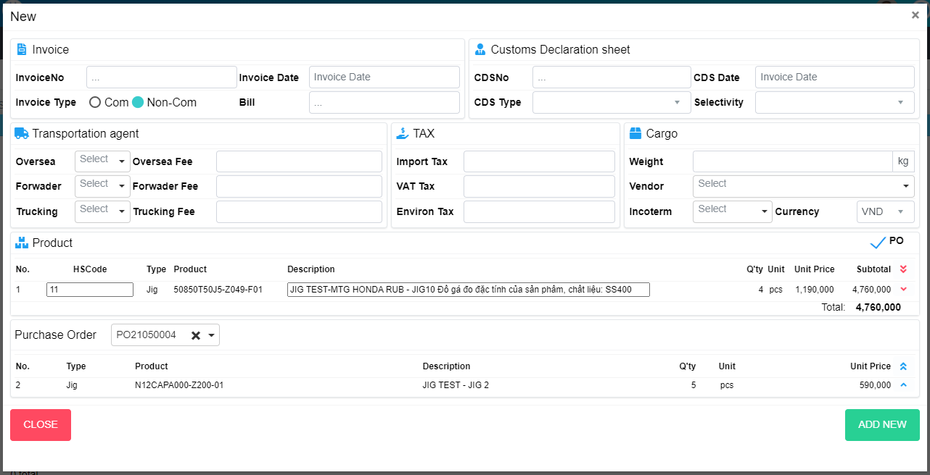
M03
M05
M04
M06
M07
M10
M01
M02
M08
M34
M35
M09
M11
Search name...

IT

SEARCH
Option 1
Option 2

M12
M19
M23
Checkbox 1
Checkbox 2
V
M13
M14
M20
M24

M15
M16
M21
M25
Naming Rule:
- Controls of Main Screen: M01, M02, M03...
- Controls of List (Data Table): L01, L02, L03...

M17
M18
M22
M26
M27

M28
M29
M30
L10
L09
L11
L01
L02
L03
L04
L05
L06
L07
L08
M31
M32
M33
L19
L12
L13
L20
L14
L15
L16
L17
L18

 | Main Screen 1
 | No |  | Item Name |  |  | Label |  | Item Type | Input Regulation | Tab Index | I/O | Required | Default Text |  | Length | Note
 | M01 |  | - |  |  | New |  | Label | Cannot Edit | - | O | - | - |  | - | -
 | M02 |  | - |  |  | Invoice |  | Label | Cannot Edit | - | O | - | - |  | - | -
 | M03 |  | - |  |  | InvoiceNo |  | TextBox | HalfOnly | - | I | - | - |  | - | -
 | M04 |  | - |  |  | Invoice Type |  | RadioButton | - | - | I | - | - |  | - | -
 | M05 |  | - |  |  | Invoice Date |  | DateTime | - | - | I | - | - |  | - | -
 | M06 |  | - |  |  | Bill |  | TextBox | - | - | I | - | - |  | - | -
 | M07 |  | - |  |  | Customs Declaration sheet |  | Label | Cannot Edit | - | O | - | - |  | - | -
 | M08 |  | - |  |  | CDSNo |  | TextBox | HalfOnly | - | I | - | - |  | - | -
 | M09 |  | - |  |  | CDS Type |  | ComboBox | - | - | I | - | - |  | - | -
 | M10 |  | - |  |  | CDS Date |  | DateTime | HalfOnly | - | I | - | - |  | - | -
 | M11 |  | - |  |  | Selectivity |  | ComboBox | - | - | I | - | - |  | - | -
 | M12 |  | - |  |  | Transportation agent |  | Label | Cannot Edit | - | O | - | - |  | - | -
 | M13 |  | - |  |  | Oversea |  | ComboBox | - | - | I | - | - |  | - | -
 | M14 |  | - |  |  | Oversea Fee |  | TextBox | HalfOnly | - | I | - | - |  | - | -
 | M15 |  | - |  |  | Forwader |  | ComboBox | - | - | I | - | - |  | - | -
 | M16 |  | - |  |  | Forwader Fee |  | TextBox | HalfOnly | - | I | - | - |  | - | -
 | M17 |  | - |  |  | Trucking |  | ComboBox | - | - | I | - | - |  | - | -
 | M18 |  | - |  |  | Trucking Fee |  | TextBox | HalfOnly | - | I | - | - |  | - | -
 | M19 |  | - |  |  | TAX |  | Label | Cannot Edit | - | O | - | - |  | - | -
 | M20 |  | - |  |  | Import Tax |  | TextBox | HalfOnly | - | I | - | - |  | - | -
 | M21 |  | - |  |  | VAT Tax |  | TextBox | HalfOnly | - | I | - | - |  | - | -
 | M22 |  | - |  |  | Environ Tax |  | TextBox | HalfOnly | - | I | - | - |  | - | -
 | M23 |  | - |  |  | Cargo |  | Label | Cannot Edit | - | O | - | - |  | - | -
 | M24 |  | - |  |  | Weight |  | TextBox | HalfOnly | - | I | - | - |  | - | -
 | M25 |  | - |  |  | Vendor |  | ComboBox | - | - | I | - | - |  | - | -
 | M26 |  | - |  |  | Incoterm |  | ComboBox | - | - | I | - | - |  | - | -
 | M27 |  | - |  |  | Currency |  | ComboBox | - | - | I | - | - |  | - | -
 | M28 |  | - |  |  | Product |  | Label | Cannot Edit | - | O | - | - |  | - | -
 | M29 |  | - |  |  | PO |  | CheckBox | - | - | O | - | - |  | - | -
 | M30 |  | - |  |  |  |  | List | - | - | O | - | - |  | - | Product List
 | M31 |  | - |  |  | Total |  | Label | - | - | O | - | - |  | - | -
 | M32 |  | - |  |  | Purchase Order |  | ComboBox | - | - | O | - | - |  | - | -
 | M33 |  | - |  |  |  |  | List | - | - | O | - | - |  | - | PO List
 | M34 |  | - |  |  | CLOSE |  | Button | - | - | O | - | - |  | - | Button close
 | M35 |  | - |  |  | ADD NEW |  | Button | - | - | O | - | - |  | - | Button add new

 | Product
 | No |  | Item Name |  |  | Label |  | Item Type | Input Regulation | Tab Index | I/O | Required | Default Text |  | Length | Note
 | L01 |  | - |  |  | No |  | Label | - | - | O | - | - |  | - | -
 | L02 |  | - |  |  | HSCode |  | TextBox | HalfOnly | - | I | - | - |  | - | -
 | L03 |  | - |  |  | Type |  | Label | Cannot Edit | - | O | - | - |  | - | -
 | L04 |  | - |  |  | Product |  | Label | Cannot Edit | - | O | - | - |  | - | -
 | L05 |  | - |  |  | Description |  | TextBox | HalfOnly | - | O | - | - |  | - | -
 | L06 |  | - |  |  | Q'ty |  | Label | Cannot Edit | - | O | - | - |  | - | -
 | L07 |  | - |  |  | Unit |  | Label | Cannot Edit | - | O | - | - |  | - | -
 | L08 |  | - |  |  | Unit Price |  | Label | Cannot Edit | - | O | - | - |  | - | -
 | L09 |  | - |  |  | Subtotal |  | Label | Cannot Edit | - | O | - | - |  | - | -
 | L10 |  | - |  |  |  |  | Button | - | - | O | - | - |  | - | Button remove all
 | L11 |  | - |  |  |  |  | Button | - | - | O | - | - |  | - | Button remove item
 | L12 |  | - |  |  | No |  | Label | Cannot Edit | - | O | - | - |  | - | -
 | L13 |  | - |  |  | Type |  | Label | Cannot Edit | - | O | - | - |  | - | -
 | L14 |  | - |  |  | Product |  | Label | Cannot Edit | - | O | - | - |  | - | -
 | L15 |  | - |  |  | Description |  | Label | Cannot Edit | - | O | - | - |  | - | -
 | L16 |  | - |  |  | Q'ty |  | Label | Cannot Edit | - | O | - | - |  | - | -
 | L17 |  | - |  |  | Unit |  | Label | Cannot Edit | - | O | - | - |  | - | -
 | L18 |  | - |  |  | Unit Price |  | Label | Cannot Edit | - | O | - | - |  | - | -
 | L19 |  | - |  |  |  |  | Button | - | - | O | - | - |  | - | Button add all
 | L20 |  | - |  |  |  |  | Button | - | - | O | - | - |  | - | Button add item

 | 1.2. Main Screen 2
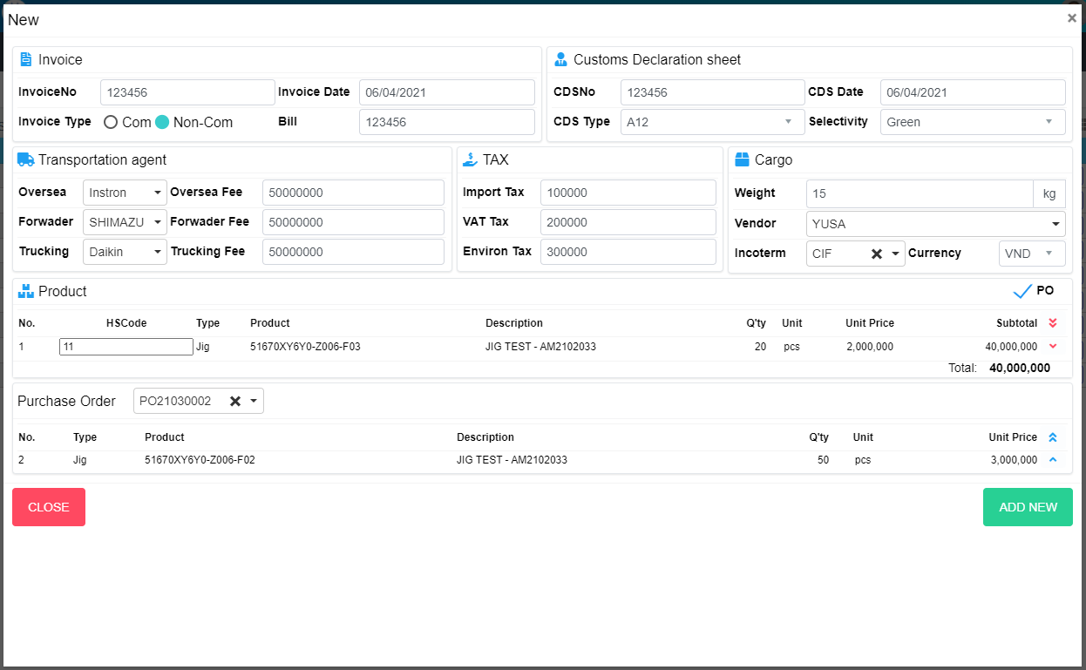
O03
O05
O04
O06
O07
O10
O01
O02
O08
O33
O34
O09
O11

O12
O19
O23
O13
O14
O20
O24

O15
O16
O21
O25

O17
O18
O22
O26
O27

O28
O30
O29
O31

P11
P12

P10
P01
P02
P03
P04
P05
P06
P07
P08
P09
O32

 | Main Screen 2
 | No |  | Item Name |  |  | Label |  | Item Type | Input Regulation | Tab Index | I/O | Required | Default Text |  | Length | Note
 | O01 |  | - |  |  | New |  | Label | Cannot Edit | - | O | - | - |  | - | -
 | O02 |  | - |  |  | Invoice |  | Label | Cannot Edit | - | O | - | - |  | - | -
 | O03 |  | - |  |  | InvoiceNo |  | TextBox | HalfOnly | - | I | - | - |  | - | -
 | O04 |  | - |  |  | Invoice Type |  | RadioButton | - | - | I | - | - |  | - | -
 | O05 |  | - |  |  | Invoice Date |  | DateTime | - | - | I | - | - |  | - | -
 | O06 |  | - |  |  | Bill |  | TextBox | - | - | I | - | - |  | - | -
 | O07 |  | - |  |  | Customs Declaration sheet |  | Label | Cannot Edit | - | O | - | - |  | - | -
 | O08 |  | - |  |  | CDSNo |  | TextBox | HalfOnly | - | I | - | - |  | - | -
 | O09 |  | - |  |  | CDS Type |  | ComboBox | - | - | I | - | - |  | - | -
 | O10 |  | - |  |  | CDS Date |  | DateTime | HalfOnly | - | I | - | - |  | - | -
 | O11 |  | - |  |  | Selectivity |  | ComboBox | - | - | I | - | - |  | - | -
 | O12 |  | - |  |  | Transportation agent |  | Label | Cannot Edit | - | O | - | - |  | - | -
 | M13 |  | - |  |  | Oversea |  | ComboBox | - | - | I | - | - |  | - | -
 | M14 |  | - |  |  | Oversea Fee |  | TextBox | HalfOnly | - | I | - | - |  | - | -
 | M15 |  | - |  |  | Forwader |  | ComboBox | - | - | I | - | - |  | - | -
 | M16 |  | - |  |  | Forwader Fee |  | TextBox | HalfOnly | - | I | - | - |  | - | -
 | M17 |  | - |  |  | Trucking |  | ComboBox | - | - | I | - | - |  | - | -
 | M18 |  | - |  |  | Trucking Fee |  | TextBox | HalfOnly | - | I | - | - |  | - | -
 | O19 |  | - |  |  | TAX |  | Label | Cannot Edit | - | O | - | - |  | - | -
 | O20 |  | - |  |  | Import Tax |  | TextBox | HalfOnly | - | I | - | - |  | - | -
 | O21 |  | - |  |  | VAT Tax |  | TextBox | HalfOnly | - | I | - | - |  | - | -
 | O22 |  | - |  |  | Environ Tax |  | TextBox | HalfOnly | - | I | - | - |  | - | -
 | O23 |  | - |  |  | Cargo |  | Label | Cannot Edit | - | O | - | - |  | - | -
 | O24 |  | - |  |  | Weight |  | TextBox | HalfOnly | - | I | - | - |  | - | -
 | O25 |  | - |  |  | Vendor |  | ComboBox | - | - | I | - | - |  | - | -
 | O26 |  | - |  |  | Incoterm |  | ComboBox | - | - | I | - | - |  | - | -
 | O27 |  | - |  |  | Currency |  | ComboBox | - | - | I | - | - |  | - | -
 | O28 |  | - |  |  | Product |  | Label | Cannot Edit | - | O | - | - |  | - | -
 | O29 |  | - |  |  | Add Item |  | Button | - | - | O | - | - |  | - | Button add item
 | O30 |  | - |  |  | PO |  | CheckBox | - | - | O | - | - |  | - | -
 | O31 |  | - |  |  |  |  | List | - | - | O | - | - |  | - | Product List
 | O32 |  | - |  |  | Total |  | Label | - | - | O | - | - |  | - | -
 | O33 |  | - |  |  | CLOSE |  | Button | - | - | O | - | - |  | - | Button close
 | O34 |  | - |  |  | ADD NEW |  | Button | - | - | O | - | - |  | - | Button add new

 | Product List
 | No |  | Item Name |  |  | Label |  | Item Type | Input Regulation | Tab Index | I/O | Required | Default Text |  | Length | Note
 | P01 |  | - |  |  | No |  | Label | Cannot Edit | - | O | - | - |  | -
 | P02 |  | - |  |  | HSCode |  | TextBox | - | - | I | - | - |  | -
 | P03 |  | - |  |  | Section |  | Combobox | - | - | I | - | - |  | -
 | P04 |  | - |  |  | Code |  | Combobox | - | - | I | - | - |  | -
 | P05 |  | - |  |  | Product |  | TextBox | - | - | I | - | - |  | -
 | P06 |  | - |  |  | Description |  | TextBox | - | - | I | - | - |  | -
 | P07 |  | - |  |  | Q'ty |  | TextBox | - | - | I | - | - |  | -
 | P08 |  | - |  |  |  |  | Combobox | - | - | I | - | - |  | -
 | P09 |  | - |  |  | Unit Price |  | TextBox | - | - | I | - | - |  | -
 | P10 |  | - |  |  | Subtotal |  | Label | Cannot Edit | - | O | - | - |  | -
 | P11 |  | - |  |  |  |  | Button | - | - | O | - | - |  | - | Button delete all
 | P12 |  | - |  |  |  |  | Button | - | - | O | - | - |  | - | Button delete item

 | 2. | Description
 | 2.1. Main Screen 1
 |  | 2.1.1 | Check PO checkbox (M29)
 |  |  | Hide Main Screen 1 and show Main Screen 2

 |  | 2.1.2 | Click button (L10)
 |  |  | Move all item from product list (M30) to PO list (M33)

 |  | 2.1.3 | Click button (L11)
 |  |  | Move item from product list (M30) to PO list (M33)

 |  | 2.1.4 | Click button (L19)
 |  |  | Move all item from PO list (M33) to product list (M30)

 |  | 2.1.5 | Click button (L20)
 |  |  | Add item from PO list (M33) to product list (M30)

 |  | 2.1.6 | Click button "CLOSE" (M34):
 |  |  | Close pop-up Add New Import (Main Screen)

 |  | 2.1.7 | Click button "ADD NEW" (M35):
 |  |  | ・ | Create new Import
 |  |  | ・ | Close pop-up Add New Import (Main Screen)
 |  |  | ・ | Re-load Import List
 |  |  | ・ | Show message "Add New Item Successfully"

 | 2.2. Main Screen 2
 |  | 2.2.1 | Click button "Add Item" (O29)
 |  |  | Add new item to product list (O31)

 |  | 2.2.2 | Check PO checkbox (O30)
 |  |  | Hide Main Screen 2 and show Main Screen 1

 |  | 2.2.3 | Click button (P11)
 |  |  | Delete all item from product list (O31)

 |  | 2.2.4 | Click button (P12)
 |  |  | Delete item from product list (O31)

 |  | 2.2.5 | Click button "CLOSE" (O33):
 |  |  | Close pop-up Add New Import (Main Screen)

 |  | 2.2.6 | Click button "ADD NEW" (O34):
 |  |  | ・ | Create new Import
 |  |  | ・ | Close pop-up Add New Import (Main Screen)
 |  |  | ・ | Re-load Import List
 |  |  | ・ | Show message "Add New Item Successfully"

UpdateImport
Screen design |  |  |  |  | System Name |  | Sub System Name |  | Screen ID |  |  |  |  | Screen Name |  |  | Page
 |  |  |  |  | 0 |  | 0 |  | IM004 |  |  |  |  | UpdateImport

 | 1. | Mockup Screen
 | 1.1. Main Screen 1
Update
M03
M05
M04
M06
M07
M10
M01
M02
M08
M34
M35
M09
M11
Search name...

IT

SEARCH
Option 1
Option 2

M12
M19
M23
Checkbox 1
Checkbox 2
V
M13
M14
M20
M24

M15
M16
M21
M25
Naming Rule:
- Controls of Main Screen: M01, M02, M03...
- Controls of List (Data Table): L01, L02, L03...

M17
M18
M22
M26
M27

M28
M30
M29

L09
L10
L11
L01
L02
L03
L04
L05
L06
L07
L08
M31
M32
M33
L19
L12
L13
L20
L14
L15
L16
L17
L18

 | Main Screen 1
 | No |  | Item Name |  |  | Label |  | Item Type | Input Regulation | Tab Index | I/O | Required | Default Text |  | Length | Note
 | M01 |  | - |  |  | New |  | Label | Cannot Edit | - | O | - | - |  | - | -
 | M02 |  | - |  |  | Invoice |  | Label | Cannot Edit | - | O | - | - |  | - | -
 | M03 |  | - |  |  | InvoiceNo |  | TextBox | HalfOnly | - | I | - | - |  | - | -
 | M04 |  | - |  |  | Invoice Type |  | RadioButton | - | - | I | - | - |  | - | -
 | M05 |  | - |  |  | Invoice Date |  | DateTime | - | - | I | - | - |  | - | -
 | M06 |  | - |  |  | Bill |  | TextBox | - | - | I | - | - |  | - | -
 | M07 |  | - |  |  | Customs Declaration sheet |  | Label | Cannot Edit | - | O | - | - |  | - | -
 | M08 |  | - |  |  | CDSNo |  | TextBox | HalfOnly | - | I | - | - |  | - | -
 | M09 |  | - |  |  | CDS Type |  | ComboBox | - | - | I | - | - |  | - | -
 | M10 |  | - |  |  | CDS Date |  | DateTime | HalfOnly | - | I | - | - |  | - | -
 | M11 |  | - |  |  | Selectivity |  | ComboBox | - | - | I | - | - |  | - | -
 | M12 |  | - |  |  | Transportation agent |  | Label | Cannot Edit | - | O | - | - |  | - | -
 | M13 |  | - |  |  | Oversea |  | ComboBox | - | - | I | - | - |  | - | -
 | M14 |  | - |  |  | Oversea Fee |  | TextBox | HalfOnly | - | I | - | - |  | - | -
 | M15 |  | - |  |  | Forwader |  | ComboBox | - | - | I | - | - |  | - | -
 | M16 |  | - |  |  | Forwader Fee |  | TextBox | HalfOnly | - | I | - | - |  | - | -
 | M17 |  | - |  |  | Trucking |  | ComboBox | - | - | I | - | - |  | - | -
 | M18 |  | - |  |  | Trucking Fee |  | TextBox | HalfOnly | - | I | - | - |  | - | -
 | M19 |  | - |  |  | TAX |  | Label | Cannot Edit | - | O | - | - |  | - | -
 | M20 |  | - |  |  | Import Tax |  | TextBox | HalfOnly | - | I | - | - |  | - | -
 | M21 |  | - |  |  | VAT Tax |  | TextBox | HalfOnly | - | I | - | - |  | - | -
 | M22 |  | - |  |  | Environ Tax |  | TextBox | HalfOnly | - | I | - | - |  | - | -
 | M23 |  | - |  |  | Cargo |  | Label | Cannot Edit | - | O | - | - |  | - | -
 | M24 |  | - |  |  | Weight |  | TextBox | HalfOnly | - | I | - | - |  | - | -
 | M25 |  | - |  |  | Vendor |  | ComboBox | - | - | I | - | - |  | - | -
 | M26 |  | - |  |  | Incoterm |  | ComboBox | - | - | I | - | - |  | - | -
 | M27 |  | - |  |  | Currency |  | ComboBox | - | - | I | - | - |  | - | -
 | M28 |  | - |  |  | Product |  | Label | Cannot Edit | - | O | - | - |  | - | -
 | M29 |  | - |  |  | PO |  | CheckBox | - | - | O | - | - |  | - | -
 | M30 |  | - |  |  |  |  | List | - | - | O | - | - |  | - | Product List
 | M31 |  | - |  |  | Total |  | Label | - | - | O | - | - |  | - | -
 | M32 |  | - |  |  | Purchase Order |  | ComboBox | - | - | O | - | - |  | - | -
 | M33 |  | - |  |  |  |  | List | - | - | O | - | - |  | - | PO List
 | M34 |  | - |  |  | CLOSE |  | Button | - | - | O | - | - |  | - | Button close
 | M35 |  | - |  |  | UPDATE |  | Button | - | - | O | - | - |  | - | Button update

 | Product
 | No |  | Item Name |  |  | Label |  | Item Type | Input Regulation | Tab Index | I/O | Required | Default Text |  | Length | Note
 | L01 |  | - |  |  | No |  | Label | - | - | O | - | - |  | - | -
 | L02 |  | - |  |  | HSCode |  | TextBox | HalfOnly | - | I | - | - |  | - | -
 | L03 |  | - |  |  | Type |  | Label | Cannot Edit | - | O | - | - |  | - | -
 | L04 |  | - |  |  | Product |  | Label | Cannot Edit | - | O | - | - |  | - | -
 | L05 |  | - |  |  | Description |  | TextBox | HalfOnly | - | O | - | - |  | - | -
 | L06 |  | - |  |  | Q'ty |  | Label | Cannot Edit | - | O | - | - |  | - | -
 | L07 |  | - |  |  | Unit |  | Label | Cannot Edit | - | O | - | - |  | - | -
 | L08 |  | - |  |  | Unit Price |  | Label | Cannot Edit | - | O | - | - |  | - | -
 | L09 |  | - |  |  | Subtotal |  | Label | Cannot Edit | - | O | - | - |  | - | -
 | L10 |  | - |  |  |  |  | Button | - | - | O | - | - |  | - | Button remove all
 | L11 |  | - |  |  |  |  | Button | - | - | O | - | - |  | - | Button remove item
 | L12 |  | - |  |  | No |  | Label | Cannot Edit | - | O | - | - |  | - | -
 | L13 |  | - |  |  | Type |  | Label | Cannot Edit | - | O | - | - |  | - | -
 | L14 |  | - |  |  | Product |  | Label | Cannot Edit | - | O | - | - |  | - | -
 | L15 |  | - |  |  | Description |  | Label | Cannot Edit | - | O | - | - |  | - | -
 | L16 |  | - |  |  | Q'ty |  | Label | Cannot Edit | - | O | - | - |  | - | -
 | L17 |  | - |  |  | Unit |  | Label | Cannot Edit | - | O | - | - |  | - | -
 | L18 |  | - |  |  | Unit Price |  | Label | Cannot Edit | - | O | - | - |  | - | -
 | L19 |  | - |  |  |  |  | Button | - | - | O | - | - |  | - | Button add all
 | L20 |  | - |  |  |  |  | Button | - | - | O | - | - |  | - | Button add item

 | 1.2. Main Screen 2
Update
O03
O05
O04
O06
O07
O10
O01
O02
O08
O33
O34
O09
O11

O12
O19
O23
O13
O14
O20
O24

O15
O16
O21
O25

O17
O18
O22
O26
O27

O28
O30
O29
O31

P11
P12

P10
P01
P02
P03
P04
P05
P06
P07
P08
P09
O32

 | Main Screen 2
 | No |  | Item Name |  |  | Label |  | Item Type | Input Regulation | Tab Index | I/O | Required | Default Text |  | Length | Note
 | O01 |  | - |  |  | New |  | Label | Cannot Edit | - | O | - | - |  | - | -
 | O02 |  | - |  |  | Invoice |  | Label | Cannot Edit | - | O | - | - |  | - | -
 | O03 |  | - |  |  | InvoiceNo |  | TextBox | HalfOnly | - | I | - | - |  | - | -
 | O04 |  | - |  |  | Invoice Type |  | RadioButton | - | - | I | - | - |  | - | -
 | O05 |  | - |  |  | Invoice Date |  | DateTime | - | - | I | - | - |  | - | -
 | O06 |  | - |  |  | Bill |  | TextBox | - | - | I | - | - |  | - | -
 | O07 |  | - |  |  | Customs Declaration sheet |  | Label | Cannot Edit | - | O | - | - |  | - | -
 | O08 |  | - |  |  | CDSNo |  | TextBox | HalfOnly | - | I | - | - |  | - | -
 | O09 |  | - |  |  | CDS Type |  | ComboBox | - | - | I | - | - |  | - | -
 | O10 |  | - |  |  | CDS Date |  | DateTime | HalfOnly | - | I | - | - |  | - | -
 | O11 |  | - |  |  | Selectivity |  | ComboBox | - | - | I | - | - |  | - | -
 | O12 |  | - |  |  | Transportation agent |  | Label | Cannot Edit | - | O | - | - |  | - | -
 | M13 |  | - |  |  | Oversea |  | ComboBox | - | - | I | - | - |  | - | -
 | M14 |  | - |  |  | Oversea Fee |  | TextBox | HalfOnly | - | I | - | - |  | - | -
 | M15 |  | - |  |  | Forwader |  | ComboBox | - | - | I | - | - |  | - | -
 | M16 |  | - |  |  | Forwader Fee |  | TextBox | HalfOnly | - | I | - | - |  | - | -
 | M17 |  | - |  |  | Trucking |  | ComboBox | - | - | I | - | - |  | - | -
 | M18 |  | - |  |  | Trucking Fee |  | TextBox | HalfOnly | - | I | - | - |  | - | -
 | O19 |  | - |  |  | TAX |  | Label | Cannot Edit | - | O | - | - |  | - | -
 | O20 |  | - |  |  | Import Tax |  | TextBox | HalfOnly | - | I | - | - |  | - | -
 | O21 |  | - |  |  | VAT Tax |  | TextBox | HalfOnly | - | I | - | - |  | - | -
 | O22 |  | - |  |  | Environ Tax |  | TextBox | HalfOnly | - | I | - | - |  | - | -
 | O23 |  | - |  |  | Cargo |  | Label | Cannot Edit | - | O | - | - |  | - | -
 | O24 |  | - |  |  | Weight |  | TextBox | HalfOnly | - | I | - | - |  | - | -
 | O25 |  | - |  |  | Vendor |  | ComboBox | - | - | I | - | - |  | - | -
 | O26 |  | - |  |  | Incoterm |  | ComboBox | - | - | I | - | - |  | - | -
 | O27 |  | - |  |  | Currency |  | ComboBox | - | - | I | - | - |  | - | -
 | O28 |  | - |  |  | Product |  | Label | Cannot Edit | - | O | - | - |  | - | -
 | O29 |  | - |  |  | Add Item |  | Button | - | - | O | - | - |  | - | Button add item
 | O30 |  | - |  |  | PO |  | CheckBox | - | - | O | - | - |  | - | -
 | O31 |  | - |  |  |  |  | List | - | - | O | - | - |  | - | Product List
 | O32 |  | - |  |  | Total |  | Label | - | - | O | - | - |  | - | -
 | O33 |  | - |  |  | CLOSE |  | Button | - | - | O | - | - |  | - | Button close
 | O34 |  | - |  |  | UPDATE |  | Button | - | - | O | - | - |  | - | Button update

 | Product List
 | No |  | Item Name |  |  | Label |  | Item Type | Input Regulation | Tab Index | I/O | Required | Default Text |  | Length | Note
 | P01 |  | - |  |  | No |  | Label | Cannot Edit | - | O | - | - |  | -
 | P02 |  | - |  |  | HSCode |  | TextBox | - | - | I | - | - |  | -
 | P03 |  | - |  |  | Section |  | Combobox | - | - | I | - | - |  | -
 | P04 |  | - |  |  | Code |  | Combobox | - | - | I | - | - |  | -
 | P05 |  | - |  |  | Product |  | TextBox | - | - | I | - | - |  | -
 | P06 |  | - |  |  | Description |  | TextBox | - | - | I | - | - |  | -
 | P07 |  | - |  |  | Q'ty |  | TextBox | - | - | I | - | - |  | -
 | P08 |  | - |  |  |  |  | Combobox | - | - | I | - | - |  | -
 | P09 |  | - |  |  | Unit Price |  | TextBox | - | - | I | - | - |  | -
 | P10 |  | - |  |  | Subtotal |  | Label | Cannot Edit | - | O | - | - |  | -
 | P11 |  | - |  |  |  |  | Button | - | - | O | - | - |  | - | Button delete all
 | P12 |  | - |  |  |  |  | Button | - | - | O | - | - |  | - | Button delete item

 | 2. | Description
 | 2.1. Main Screen 1
 |  | 2.1.1 | Check PO checkbox (M29)
 |  |  | Hide Main Screen 1 and show Main Screen 2

 |  | 2.1.2 | Click button (L10)
 |  |  | Move all item from product list (M30) to PO list (M33)

 |  | 2.1.3 | Click button (L11)
 |  |  | Move item from product list (M30) to PO list (M33)

 |  | 2.1.4 | Click button (L19)
 |  |  | Move all item from PO list (M33) to product list (M30)

 |  | 2.1.5 | Click button (L20)
 |  |  | Add item from PO list (M33) to product list (M30)

 |  | 2.1.6 | Click button "CLOSE" (M34):
 |  |  | Close pop-up Update Import (Main Screen)

 |  | 2.1.7 | Click button "UPDATE" (M35):
 |  |  | ・ | Update Import
 |  |  | ・ | Close pop-up Update Import (Main Screen)
 |  |  | ・ | Re-load Import List
 |  |  | ・ | Show message "Update Item Successfully"

 | 2.2. Main Screen 2
 |  | 2.2.1 | Click button "Add Item" (O29)
 |  |  | Add new item to product list (O31)

 |  | 2.2.2 | Check PO checkbox (O30)
 |  |  | Hide Main Screen 2 and show Main Screen 1

 |  | 2.2.3 | Click button (P11)
 |  |  | Delete all item from product list (O31)

 |  | 2.2.4 | Click button (P12)
 |  |  | Delete item from product list (O31)

 |  | 2.2.5 | Click button "CLOSE" (O33):
 |  |  | Close pop-up Add New Import (Main Screen)

 |  | 2.2.6 | Click button "UPDATE" (O34):
 |  |  | ・ | Update Import
 |  |  | ・ | Close pop-up Update Import (Main Screen)
 |  |  | ・ | Re-load Import List
 |  |  | ・ | Show message "Update Item Successfully"

DetailImport
Screen design |  |  |  | System Name |  | Sub System Name |  | Screen ID |  |  |  |  | Screen Name |  |  | Page
 |  |  |  | 0 |  | 0 |  | IM005 |  |  |  |  | DetailImport

 | 1. | Mockup Screen
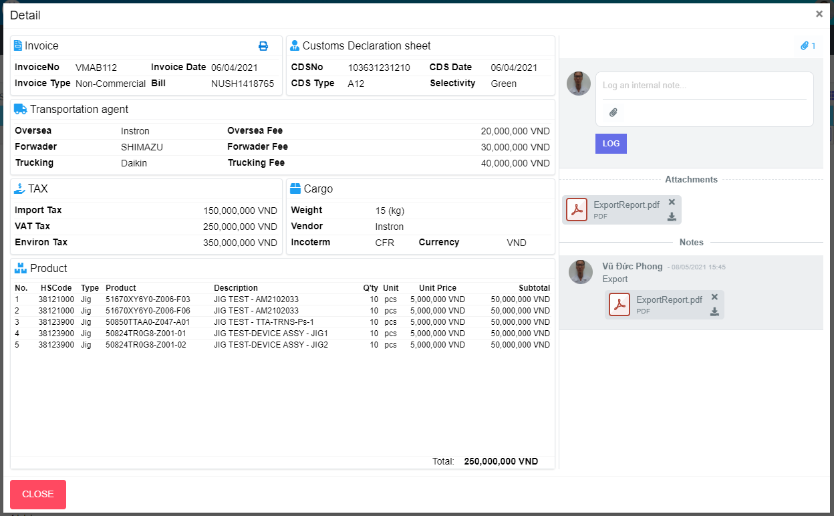
M04
M05
M06
M08
M14
M18
M20
M15
M09
M19
M10
M17
M23
M01
M02
M16
M32
M33
M34
M35
M31
M36
M45
M03
M37
M38
M39
M40
M41
M42
Search name...

IT

SEARCH
Option 1
Option 2
M13
M07
M11
M12
Checkbox 1
Checkbox 2
V

Naming Rule:
- Controls of Main Screen: M01, M02, M03...
- Controls of List (Data Table): L01, L02, L03...

M24

M21
M25
M22
M26
M27
M28

M29
M30

M43
M44

L06
L01
L02
L03
L04
L05
L07
L08
L09

 | Main Screen
 | No |  | Item Name |  | Label |  | Item Type | Input Regulation | Tab Index | I/O | Required | Default Text |  | Length | Note
 | M01 |  | - |  | Update |  | Label | Cannot Edit | - | O | - | - |  | - | -
 | M02 |  | - |  | Invoice |  | Label | Cannot Edit | - | O | - | - |  | - | -
 | M03 |  | - |  |  |  | Button | - | - | O | - | - |  | - | Button Print Invoice
 | M04 |  | - |  | InvoiceNo |  | Label | Cannot Edit | - | O | - | - |  | - | -
 | M05 |  | - |  | Invoice Date |  | Label | Cannot Edit | - | O | - | - |  | - | -
 | M06 |  | - |  | Invoice Type |  | Label | Cannot Edit | - | O | - | - |  | - | -
 | M07 |  | - |  | Bill |  | Label | Cannot Edit | - | O | - | - |  | - | -
 | M08 |  | - |  | Customs Declaration sheet |  | Label | Cannot Edit | - | O | - | - |  | - | -
 | M09 |  | - |  | CDSNo |  | Label | Cannot Edit | - | O | - | - |  | - | -
 | M10 |  | - |  | CDS Date |  | Label | Cannot Edit | - | O | - | - |  | - | -
 | M11 |  | - |  | CDS Type |  | Label | Cannot Edit | - | O | - | - |  | - | -
 | M12 |  | - |  | Selectivity |  | Label | Cannot Edit | - | O | - | - |  | - | -
 | M13 |  | - |  | Transportation agent |  | Label | Cannot Edit | - | O | - | - |  | - | -
 | M14 |  | - |  | Oversea |  | Label | Cannot Edit | - | O | - | - |  | - | -
 | M15 |  | - |  | Forwader |  | Label | Cannot Edit | - | O | - | - |  | - | -
 | M16 |  | - |  | Trucking |  | Label | Cannot Edit | - | O | - | - |  | - | -
 | M17 |  | - |  | Oversea Fee |  | Label | Cannot Edit | - | O | - | - |  | - | -
 | M18 |  | - |  | Forwader Fee |  | Label | Cannot Edit | - | O | - | - |  | - | -
 | M19 |  | - |  | Trucking Fee |  | Label | Cannot Edit | - | O | - | - |  | - | -
 | M20 |  | - |  | TAX |  | Label | Cannot Edit | - | O | - | - |  | - | -
 | M21 |  | - |  | Import Tax |  | Label | Cannot Edit | - | O | - | - |  | - | -
 | M22 |  | - |  | VAT Tax |  | Label | Cannot Edit | - | O | - | - |  | - | -
 | M23 |  | - |  | Environ Tax |  | Label | Cannot Edit | - | O | - | - |  | - | -
 | M24 |  | - |  | Cargo |  | Label | Cannot Edit | - | O | - | - |  | - | -
 | M25 |  | - |  | Weight |  | Label | Cannot Edit | - | O | - | - |  | - | -
 | M26 |  | - |  | Vendor |  | Label | Cannot Edit | - | O | - | - |  | - | -
 | M27 |  | - |  | Incoterm |  | Label | Cannot Edit | - | O | - | - |  | - | -
 | M28 |  | - |  | Currency |  | Label | Cannot Edit | - | O | - | - |  | - | -
 | M29 |  | - |  | Product |  | Label | Cannot Edit | - | O | - | - |  | - | -
 | M30 |  | - |  |  |  | List | - | - | O | - | - |  | - | -
 | M31 |  | - |  | Total |  | Label | Cannot Edit | - | O | - | - |  | - | -
 | M32 |  | - |  |  |  | Button | - | - | O | - | - |  | - | Button Attachments
 | M33 |  | - |  |  |  | TextBox | - | - | I | - | Log and internal log |  | -
 | M34 |  | - |  |  |  | Button | - | - | O | - | - |  | - | Button attachment file
 | M35 |  | - |  | LOG |  | Button | - | - | O | - | - |  | - | Button log
 | M36 |  | - |  | Attachments |  | Label | Cannot Edit | - | I | - | - |  | - | -
 | M37 |  | - |  | - |  | Button | - | - | O | - | - |  | - | Button delete file
 | M38 |  | - |  | - |  | Button | - | - | O | - | - |  | - | Button download file
 | M39 |  | - |  | Notes |  | Label | - | - | I | - | - |  | - | -
 | M40 |  | - |  | - |  | Label | Cannot Edit | - | I | - | - |  | - | Creater name
 | M41 |  | - |  | - |  | Label | Cannot Edit | - | I | - | - |  | - | Create Date
 | M42 |  | - |  | - |  | Label | Cannot Edit | - | I | - | - |  | - | Comment
 | M43 |  | - |  | - |  | Button | - | - | O | - | - |  | - | Button delete file
 | M44 |  | - |  | - |  | Button | - | - | O | - | - |  | - | Button download file
 | M45 |  | - |  | CLOSE |  | Button | - | - | O | - | - |  | - | Button Close

 | List
 | No |  | Item Name |  | Label |  | Item Type | Input Regulation | Tab Index | I/O | Required | Default Text |  | Length | Note
 | L01 |  | - |  | No. |  | Label | Cannot Edit | - | O | - | - |  | - | -
 | L02 |  | - |  | HSCode |  | Label | Cannot Edit | - | O | - | - |  | - | -
 | L03 |  | - |  | Type |  | Label | Cannot Edit | - | O | - | - |  | - | -
 | L04 |  | - |  | Product |  | Label | Cannot Edit | - | O | - | - |  | - | -
 | L05 |  | - |  | Description |  | Label | Cannot Edit | - | O | - | - |  | - | -
 | L06 |  | - |  | Q'ty |  | Label | Cannot Edit | - | O | - | - |  | - | -
 | L07 |  | - |  | Unit |  | Label | Cannot Edit | - | O | - | - |  | - | -
 | L08 |  | - |  | Unit Price |  | Label | Cannot Edit | - | O | - | - |  | - | -
 | L09 |  | - |  | Subtotal |  | Label | Cannot Edit | - | O | - | - |  | - | -

 | 2. | Description
 |  | 2.1.1 | Click button "Print" (M03)
 |  |  | Print Invoice

 |  | 2.1.2 | Click button "CLOSE" (M45):
 |  |  | Close pop-up Detail Import (Main Screen)

 |  | 2.2.1. | Click Button "Attachments" (M32):
 |  |  | Show/Hide attachments area

 |  | 2.2.2. | Click Button "File" (M34):
 |  |  | Choose file which want to upload

 |  | 2.2.3. | Click Button "Log" (M35):
 |  |  | Upload file and comment

 |  | 2.2.4. | Click Button "Remove File" (M37):
 |  |  | Remove file

 |  | 2.2.5. | Click Button "Download File" (M38):
 |  |  | Download file

 |  | 2.2.6. | Click Button "Remove File" (M43):
 |  |  | Remove file

 |  | 2.2.7. | Click Button "Download File" (M44):
 |  |  | Download file

