Overview
Overview |  |  |  | System Name |  | Sub System Name |  | Screen ID |  | Screen Name | Page
 |  |  |  | Purchase Processing Managerment |  | Mistake Type Management |  | MT001~MT003

 | 1. | Overview，Purpose，Attention

 |  | Current status:
 |  |  | Old system have many issues, make trouble for end user.

 |  | Purpose of building this system:
 |  |  | Build new systems faster, easier to use
 |  |  | Add more some functions: Import/Export, Supplier Check Management,…

 |  | Evaluate effectiveness:
 |  |  | Save time to create Purchase Request, Purchase Order (20 minutes/1 Purchase Request)

 |  | User flow diagram

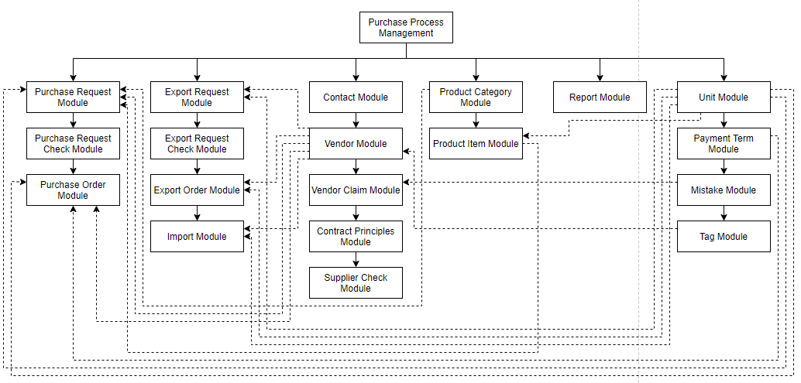

Purchase Order Module

Purchase Request Check Module

 | 2. | History
 | ＮＯ |  | Name |  | Date |  | Review | Date | Note
 | 1 |  | Vũ Đức Phong |  | 24/5/2021
 | 2
 | 3
 | 4
 | 5
 | 6
 | 7
 | 8
 | 9
 | 10

MistakeTypeList
Screen design |  |  |  |  | #REF! |  |  |  | #REF! |  | #REF! |  |  |  |  | #REF! |  |  | #REF!
 |  |  |  |  | #REF! |  |  |  | #REF! |  | MT001 |  |  |  |  | MistakeTypeList

Search name...
 | 1. | Mockup Screen
 | 1.1. Main Screen
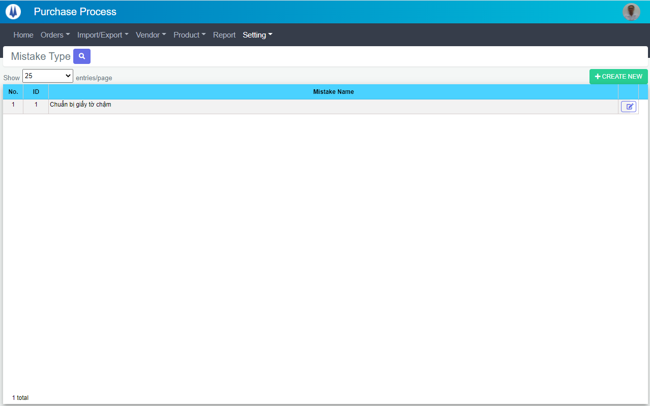
IT

M01
M03
L01
L02
L03
L04
M02
SEARCH
Option 1
Option 2
M04
Checkbox 1
Checkbox 2
V

Naming Rule:
- Controls of Main Screen: M01, M02, M03...
- Controls of List (Data Table): L01, L02, L03...

 | Main Screen
 | No |  | Item Name |  |  |  |  | Label |  | Item Type | Input Regulation | Tab Index | I/O | Required | Default Text |  | Length | Note
 | M01 |  | - |  |  |  |  | Mistake Type |  | Label | Cannot Edit | - | O | - | - |  | - | -
 | M02 |  | - |  |  |  |  | Show | entries/page |  | ComboBox | - | - | I | - |  |  | - | -
 | M03 |  | - |  |  |  |  | + CREATE NEW |  | Button | - | - | O | - |  |  | - | Button Create New
 | M04 |  | - |  |  |  |  | - |  | List | - | - | O | - | - |  | - | -

 | List Item
 | No |  | Item Name |  |  |  |  | Label |  | Item Type | Input Regulation | Tab Index | I/O | Required | Default Value |  | Length | Note
 | L01 |  | - |  |  |  |  | No. |  | Label | Cannot Edit | - | O | - | - |  | - | -
 | L02 |  | - |  |  |  |  | ID |  | Label | Cannot Edit | - | O | - | - |  | - | -
 | L03 |  | - |  |  |  |  | Mistake Name |  | Label | Cannot Edit | - | O | - | - |  | - | -
 | L04 |  | - |  |  |  |  | - |  | Button | - | - | O | - | - |  | - | Button Update

 | 2. | Description
 |  | 2.1. | Click button "CREATE NEW" (M03):
 |  |  | Open new pop-up "Add New Mistake Type" (Screen ID: MT002)

 |  | 2.2. | Combobox Show (M02):
 |  |  | ・ | Value:
 |  |  |  |  |  | ・ | 15
 |  |  |  |  |  | ・ | 25
 |  |  |  |  |  | ・ | 50
 |  |  | ・ | When changing the value, changes the number of items to be displayed per page.

 |  | 2.3. | Click button "UPDATE" (L04):
 |  |  | Open new pop-up "Update Mistake Type" (Screen ID: MT003)

AddNewMistakeType
Screen design |  |  |  |  | System Name |  | Sub System Name |  | Screen ID |  |  |  |  | Screen Name |  |  | Page
 |  |  |  |  | #REF! |  | #REF! |  | MT002 |  |  |  |  | AddNewMistakeType

 |  |  |  |  |  |  |  |  |  |  |  |  |  |  |  |  |  | #REF!
 | 1. | Mockup Screen
 | 1.1. Main Screen
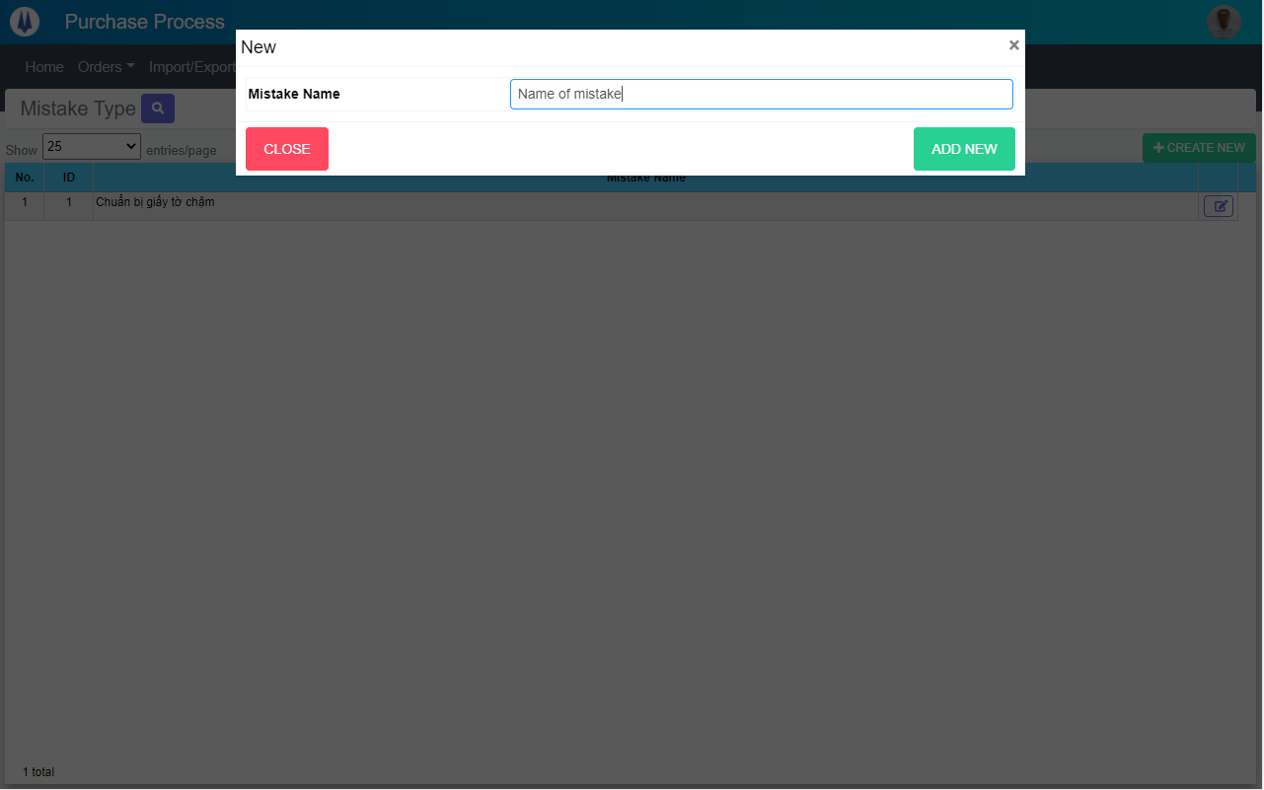
Search name...
M01
IT
M02
SEARCH
Option 1
Option 2
M03
M04
Checkbox 1
Checkbox 2
V

Naming Rule:
- Controls of Main Screen: M01, M02, M03...
- Controls of List (Data Table): L01, L02, L03...

 | Main Screen
 | No |  | Item Name |  |  | Label |  | Item Type | Input Regulation | Tab Index | I/O | Required | Default Text |  | Length | Note
 | M01 |  | - |  |  | New |  | Label | Cannot Edit | - | O | - | - |  | - | -
 | M02 |  | - |  |  | Mistake Name |  | TextBox | FullAndhalf | - | I | - | - |  | - | -
 | M03 |  | - |  |  | CLOSE |  | Button | - | - | O | - | - |  | - | Button Close
 | M04 |  | - |  |  | ADD NEW |  | Button | - | - | O | - | - |  | - | Button Add New

 | 2. | Description
 |  | 2.1. | Click button "CLOSE" (M03):
 |  |  | Close pop-up Add New Mistake Type

 |  | 2.2. | Click button "ADD NEW" (M04):
 |  |  | ・ | Create new Mistake Type
 |  |  | ・ | Close pop-up Add New Mistake Type
 |  |  | ・ | Re-load Mistake Type List
 |  |  | ・ | Show message "Add New Item Successfully"

UpdateMistakeType
Screen design |  |  |  |  | System Name |  | Sub System Name |  | Screen ID |  |  |  |  | Screen Name |  |  | Page
 |  |  |  |  | #REF! |  | #REF! |  | MT003 |  |  |  |  | UpdateMistakeType

 | 1. | Mockup Screen
 | 1.1. Main Screen
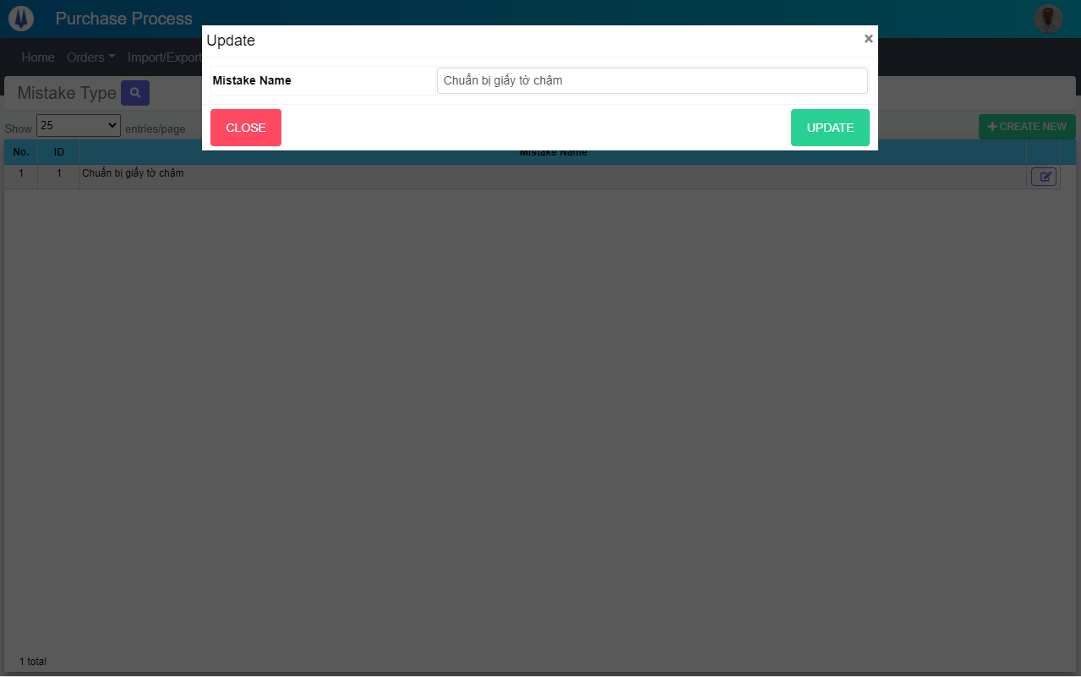
Search name...
M01
IT
M02
SEARCH
M03
M04
Option 1
Option 2

Checkbox 1
Checkbox 2
V

Naming Rule:
- Controls of Main Screen: M01, M02, M03...
- Controls of List (Data Table): L01, L02, L03...

 | Main Screen
 | No |  | Item Name |  |  | Label |  | Item Type | Input Regulation | Tab Index | I/O | Required | Default Text |  | Length | Note
 | M01 |  | - |  |  | Update |  | Label | Cannot Edit | - | O | - | - |  | - | -
 | M02 |  | - |  |  | Mistake Name |  | TextBox | FullAndhalf | - | I | - | - |  | - | -
 | M03 |  | - |  |  | CLOSE |  | Button | - | - | O | - | - |  | - | Button Close
 | M04 |  | - |  |  | UPDATE |  | Button | - | - | O | - | - |  | - | Button Update

 | 2. | Description
 |  | 2.1. | Click button "CLOSE" (M03):
 |  |  | Close pop-up Update Mistake Type

 |  | 2.2. | Click button SAVE" (M04):
 |  |  | ・ | Update Mistake Type
 |  |  | ・ | Close pop-up Update Mistake Type
 |  |  | ・ | Re-load Mistake Type List
 |  |  | ・ | Show message "Update Item Successfully"

