ProductList
Screen design |  |  |  |  | System Name |  |  |  | Sub System Name |  | Screen ID |  |  |  |  | Screen Name |  |  | Page
 |  |  |  |  | Purchase Processing System |  |  |  | Product Management |  | P001 |  |  |  |  | ProductList

 | 1. | Mockup Screen
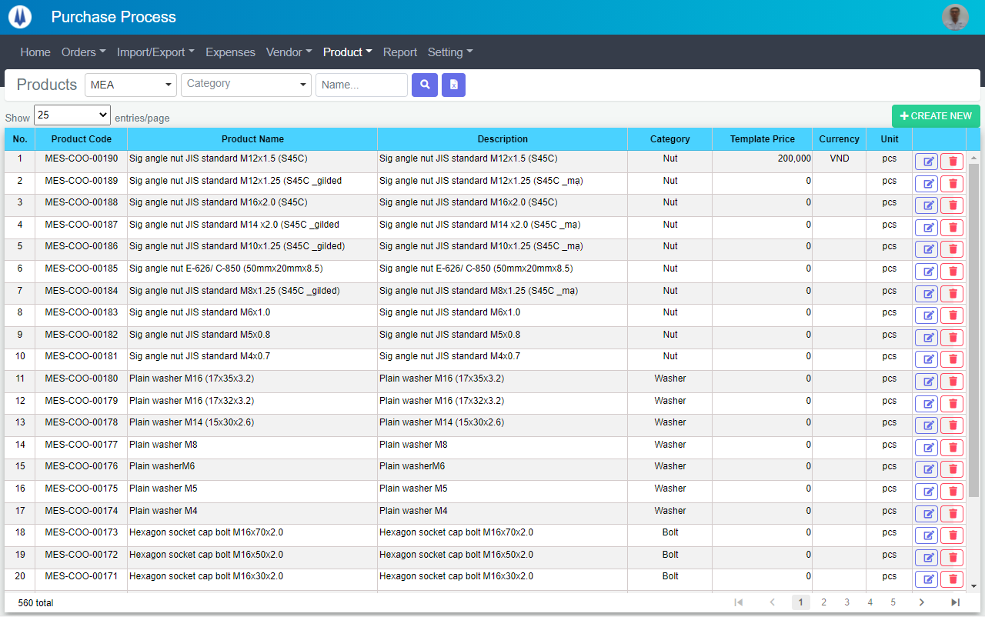
Search name...
M01
M02
M03
M04
L01
L02
L10
L11
M08
M10
M05
L03
L04
L05
L06
L07
M06
M07
L08
L09
IT

SEARCH
Option 1
Option 2

Checkbox 1
Checkbox 2
V

Naming Rule:
- Controls of Main Screen: M01, M02, M03...
- Controls of List (Data Table): L01, L02, L03...

 | Main Screen
 | No |  | Item Name |  |  |  |  | Label |  | Item Type | Input Regulation | Tab Index | I/O | Required | Default Text |  | Length | Note
 | M01 |  | - |  |  |  |  | Product List |  | Label | Cannot Edit | - | O | - | - |  | - | -
 | M02 |  | - |  |  |  |  | - |  | TextBox | HalfOnly | - | I | - | Name… |  | - | -
 | M03 |  | - |  |  |  |  | - |  | ComboBox | HalfOnly | - | I | - | Category |  | - | -
 | M04 |  | - |  |  |  |  | - |  | ComboBox | HalfOnly | - | I | - | - |  | - | PIC Group
 | M05 |  | - |  |  |  |  | - |  | Button | - | - | O | - | - |  | - | Button Search
 | M06 |  | - |  |  |  |  | - |  | Button | - | - | O | - | - |  | - | Button Export Excel
 | M07 |  | - |  |  |  |  | + CREATE NEW |  | Button | - | - | O | - | - |  | - | Button Create New
 | M08 |  | - |  |  |  |  | Show | entries/page |  | ComboBox | - | - | I | - | - |  | - | -
 | M09 |  | - |  |  |  |  | DELETE |  | Button | - | - | O | - | - |  | - | Button Delete
 | M10 |  | - |  |  |  |  | - |  | List | - | - | O | - | - |  | - | -

 | List Item
 | No |  | Item Name |  |  |  |  | Label |  | Item Type | Input Regulation | Tab Index | I/O | Required | Default Value |  | Length | Note
 | L01 |  | - |  |  |  |  | No. |  | Label | Cannot Edit | - | O | - | - |  | - | -
 | L02 |  | - |  |  |  |  | Product Code |  | Label | Cannot Edit | - | O | - | - |  | - | -
 | L03 |  | - |  |  |  |  | Product Name |  | Label | Cannot Edit | - | O | - | - |  | - | -
 | L04 |  | - |  |  |  |  | Description |  | Label | Cannot Edit | - | O | - | - |  | - | -
 | L05 |  | - |  |  |  |  | Type |  | Label | Cannot Edit | - | O | - | - |  | - | -
 | L06 |  | - |  |  |  |  | Category |  | Label | Cannot Edit | - | O | - | - |  | - | -
 | L07 |  | - |  |  |  |  | Template Price |  | Label | Cannot Edit | - | O | - | - |  | - | -
 | L08 |  | - |  |  |  |  | Currency |  | Label | Cannot Edit | - | O | - | - |  | - | -
 | L09 |  | - |  |  |  |  | Unit |  | Label | Cannot Edit | - | O | - | - |  | - | -
 | L10 |  | - |  |  |  |  | - |  | Button | - | - | O | - | - |  | - | Button Edit
 | L11 |  | - |  |  |  |  | - |  | CheckBox | - | - | O | - | - |  | - | For Delete

 | 2. | Description
 |  | 2.1. | Click button "Search" (M05):
 |  |  | Search Product by Product Name (M02), Category (M03), Type (M04)
 |  |  | ※ If Product Name (M02), Category (M03), Type (M04) is not input, find all Product

 |  | 2.2. | Click button "Export Excel" (M06):
 |  |  | Export all Products on the List (M10) to file excel

 |  | 2.3. | Click button "CREATE NEW" (M07):
 |  |  | Open new pop-up "Add New Product" (Screen ID: P002)

 |  | 2.4. | Combobox Show (M08):
 |  |  | ・ | Value:
 |  |  |  |  |  | ・ | 15
 |  |  |  |  |  | ・ | 25
 |  |  |  |  |  | ・ | 50
 |  |  |  |  |  | ・ | 100
 |  |  | ・ | When changing the value, changes the number of items to be displayed per page.

 |  | 2.5. | Click button "EDIT" (L10):
 |  |  | Open new pop-up "Update Product" (Screen ID: P003)

 |  | 2.6. | Select checkbox (L11):
 |  |  | Select item for delete

 |  | 2.7. | Click button "DELETE" (M09):
 |  |  | Open message box "Are you sure delete this Product?"
 |  |  | ・ | Select "Yes": Delete selected record, close message box.
 |  |  | ・ | Select "No": Close message box.

AddNewProduct
Screen design |  |  |  |  | System Name |  | Sub System Name |  | Screen ID |  |  |  |  | Screen Name |  |  | Page
 |  |  |  |  | Purchase Processing System |  | Product Management |  | P002 |  |  |  |  | AddNewProduct

 | 1. | Mockup Screen
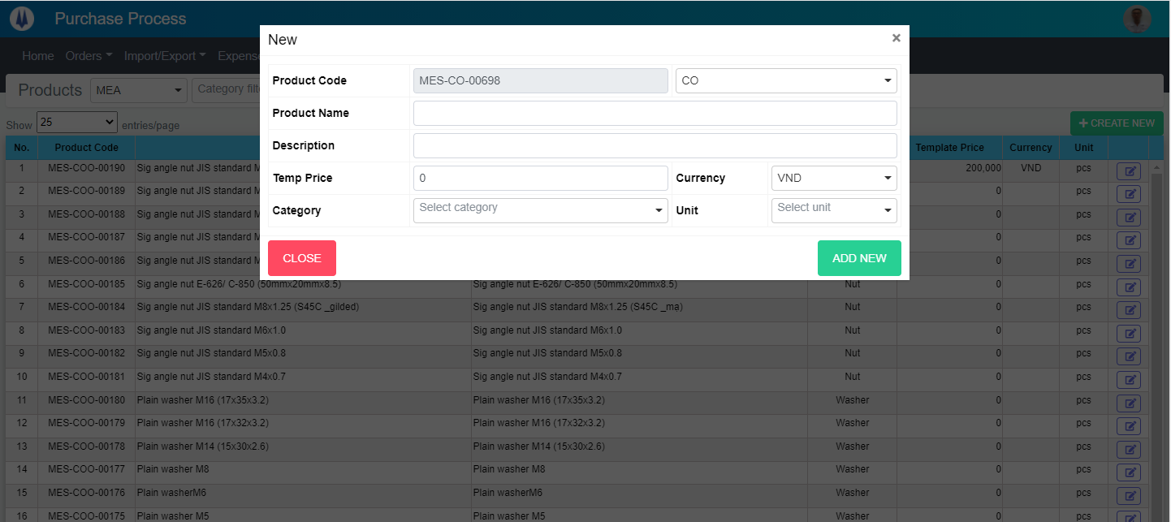
Search name...

IT

SEARCH
Option 1
Option 2

Checkbox 1
Checkbox 2
V

Naming Rule:
- Controls of Main Screen: M01, M02, M03...
- Controls of List (Data Table): L01, L02, L03...

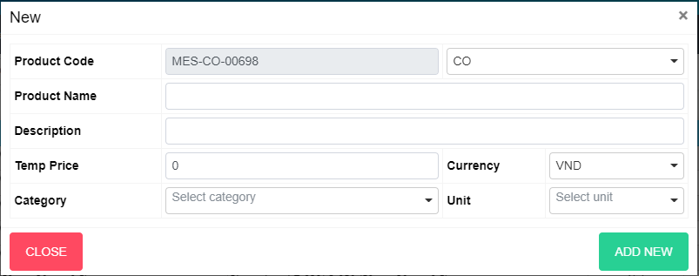
M02
M04
M06
M03
M10
M05
M11
M01
M12

M09

M08

 | Main Screen
 | No |  | Item Name |  |  | Label |  | Item Type | Input Regulation | Tab Index | I/O | Required | Default Text |  | Length | Note
 | M01 |  | - |  |  | New |  | Label | Cannot Edit | - | O | - | - |  | - | -
 | M02 |  | - |  |  | Product Code |  | TextBox | Cannot Edit |  | O | O | - |  | - | -
 | M03 |  | - |  |  | Product Name |  | TextBox | HalfOnly | 1 | I | O | - |  | - | -
 | M04 |  | - |  |  | Temp Price |  | TextBox | HalfOnly | 2 | I | - | - |  | - | -
 | M05 |  | - |  |  | Currency |  | ComboBox | HalfOnly | 3 | I | - | - |  | - | -
 | M06 |  | - |  |  | Unit Packing |  | ComboBox | HalfOnly | 4 | I | - | - |  | - | -
 | M07 |  | - |  |  | Type |  | ComboBox | HalfOnly | 5 | I | - | - |  | - | -
 | M08 |  | - |  |  | Category |  | ComboBox | HalfOnly | 6 | I | - | - |  | - | -
 | M09 |  | - |  |  | Description |  | TextBox | HalfOnly | 7 | I | - | - |  | - | -
 | M10 |  | - |  |  | CLOSE |  | Button | - | 8 | O | - | - |  | - | Button Close
 | M11 |  | - |  |  | ADD NEW |  | Button | - | 9 | O | - | - |  | - | Button Add New
 | M12 |  | - |  |  |  |  | ComboBox | - |  | I | - | - |  | - | -

 | 2. | Description
 |  | 2.1. | Click button "CLOSE" (M10):
 |  |  | Close current pop-up

 |  | 2.2. | Click button "ADD NEW" (M11):
 |  |  | ・ | Create new Product
 |  |  | ・ | Close current pop-up
 |  |  | ・ | Re-load Product List
 |  |  | ・ | Show message "Add New Successfully"

UpdateProduct
Screen design |  |  |  |  | System Name |  | Sub System Name |  | Screen ID |  |  |  |  | Screen Name |  |  | Page
 |  |  |  |  | Purchase Processing System |  | Product Management |  | P003 |  |  |  |  | UpdateProduct

 | 1. | Mockup Screen
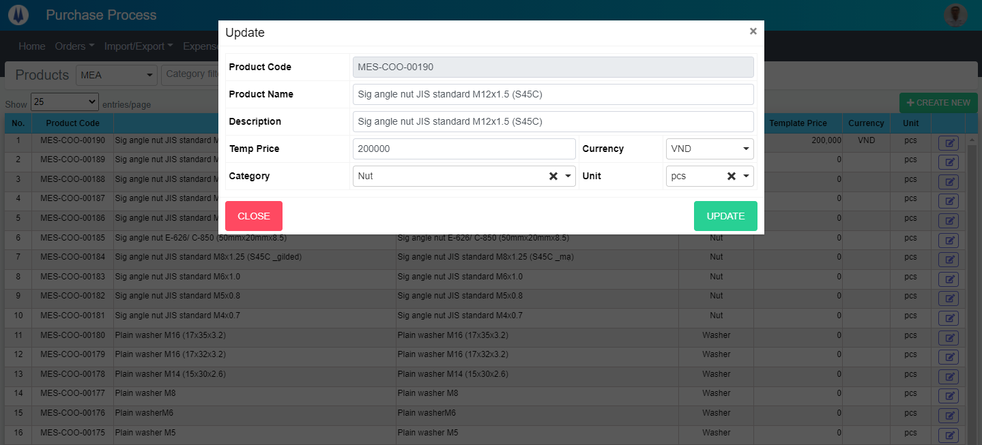
Search name...

IT

SEARCH
Option 1
Option 2

Checkbox 1
Checkbox 2
V

Naming Rule:
- Controls of Main Screen: M01, M02, M03...
- Controls of List (Data Table): L01, L02, L03...

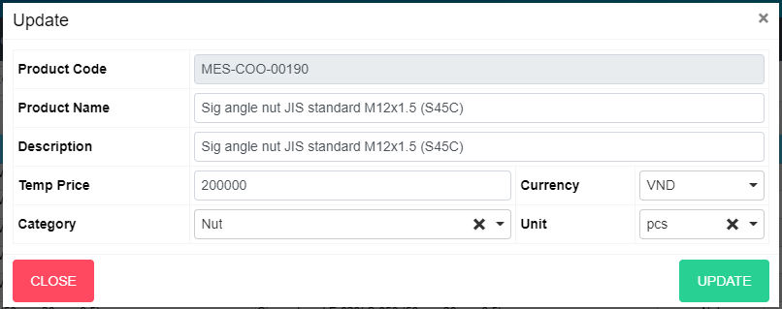
M02
M04
M06
M03
M10
M05
M11
M01

M09

M08

 | Main Screen
 | No |  | Item Name |  |  | Label |  | Item Type | Input Regulation | Tab Index | I/O | Required | Default Text |  | Length | Note
 | M01 |  | - |  |  | Update |  | Label | Cannot Edit | - | O | - | - |  | - | -
 | M02 |  | - |  |  | Product Code |  | TextBox | Cannot Edit |  | O | O | - |  | - | -
 | M03 |  | - |  |  | Product Name |  | TextBox | HalfOnly | 1 | I | O | - |  | - | -
 | M04 |  | - |  |  | Temp Price |  | TextBox | HalfOnly | 2 | I | - | - |  | - | -
 | M05 |  | - |  |  | Currency |  | ComboBox | HalfOnly | 3 | I | - | - |  | - | -
 | M06 |  | - |  |  | Unit Packing |  | ComboBox | HalfOnly | 4 | I | - | - |  | - | -
 | M07 |  | - |  |  | Type |  | ComboBox | HalfOnly | 5 | I | - | - |  | - | -
 | M08 |  | - |  |  | Category |  | ComboBox | HalfOnly | 6 | I | - | - |  | - | -
 | M09 |  | - |  |  | Description |  | TextBox | HalfOnly | 7 | I | - | - |  | - | -
 | M10 |  | - |  |  | CLOSE |  | Button | - | 8 | O | - | - |  | - | Button Close
 | M11 |  | - |  |  | UPDATE |  | Button | - | 9 | O | - | - |  | - | Button Update

 | 2. | Description
 |  | 2.1. | Click button "CLOSE" (M10):
 |  |  | Close current pop-up

 |  | 2.2. | Click button "UPDATE" (M11):
 |  |  | ・ | Update Product
 |  |  | ・ | Close current pop-up
 |  |  | ・ | Re-load Product List
 |  |  | ・ | Show message "Update Successfully"

