POList
Screen design |  |  |  |  | System Name |  |  |  | Sub System Name |  | Screen ID |  |  |  |  | Screen Name |  |  | Page
 |  |  |  |  | Purchase Process Managerment |  |  |  | PO Management |  | PO001 |  |  |  |  | POList

 | 1. | Mockup Screen
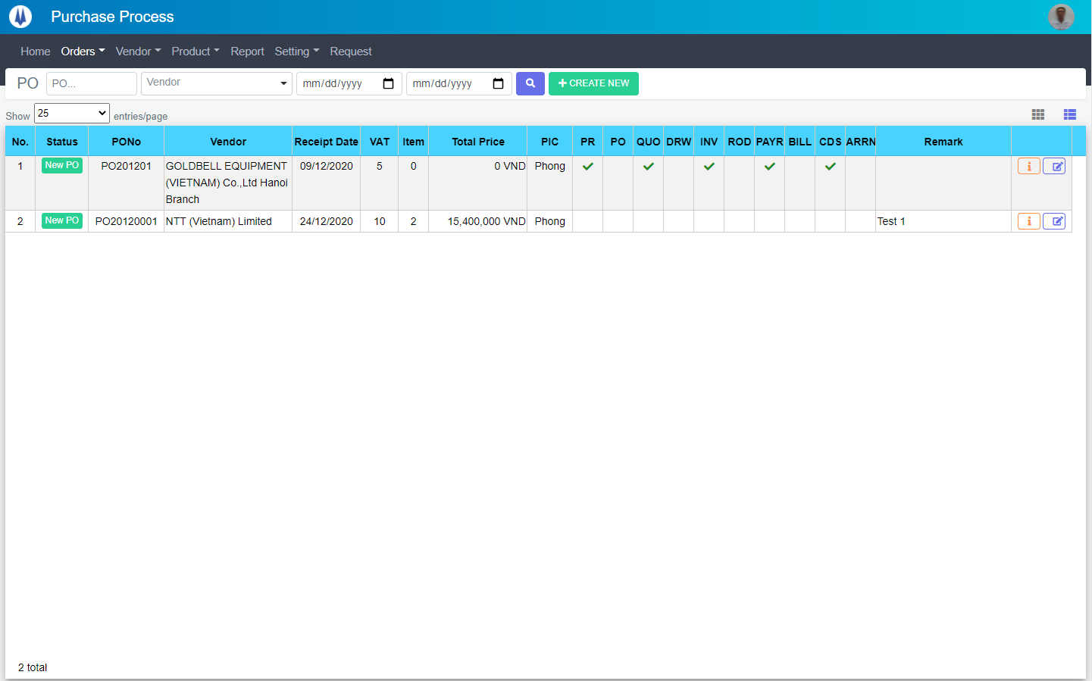
M01
M02
M03
M04
M05
L01
L02
L03
L04
L05
L06
L07
L09
L21
M08
L10
L08
M06
L11
M07
L22
L23
M09
L12
L13
L14
L15
L16
L17
L18
L19
L20
Search name...
IT

SEARCH
Option 1
Option 2

Checkbox 1
Checkbox 2
V

Naming Rule:
- Controls of Main Screen: M01, M02, M03...
- Controls of List (Data Table): L01, L02, L03...

 | Main Screen
 | No |  | Item Name |  |  |  |  | Label |  | Item Type | Input Regulation | Tab Index | I/O | Required | Default Text |  | Length | Note
 | M01 |  | - |  |  |  |  | Purchase Request |  | Label | Cannot Edit | - | O | - | - |  | - | -
 | M02 |  | - |  |  |  |  | - |  | TextBox | HalfOnly | - | I | - | PO |  | - | -
 | M03 |  | - |  |  |  |  | - |  | ComboBox | - | - | I | - | Vendor |  | - | -
 | M04 |  | - |  |  |  |  | - |  | TextBox | HalfOnly | - | I | - | - |  | - | Receipt From Date
 | M05 |  | - |  |  |  |  | - |  | TextBox | HalfOnly | - | I | - | - |  | - | Receipt To Date
 | M06 |  | - |  |  |  |  | - |  | Button | - | - | O | - | - |  | - | Button Search
 | M07 |  | - |  |  |  |  | + CREATE NEW |  | Button | - | - | O | - | - |  | - | Button Create New
 | M08 |  | - |  |  |  |  | Show | entries/page |  | ComboBox | - | - | I | - | - |  | - | -
 | M09 |  | - |  |  |  |  | - |  | Button | - | - | O | - | - |  | - | Button PO Item List
 | M10 |  | - |  |  |  |  | - |  | List | - | - | O | - | - |  | - | -

 | List
 | No |  | Item Name |  |  |  |  | Label |  | Item Type | Input Regulation | Tab Index | I/O | Required | Default Text |  | Length | Note
 | L01 |  | - |  |  |  |  | No. |  | Label | Cannot Edit | - | O | - | - |  | - | -
 | L02 |  | - |  |  |  |  | Status |  | Label | Cannot Edit | - | O | - | - |  | - | -
 | L03 |  | - |  |  |  |  | PONo |  | Label | Cannot Edit | - | O | - | - |  | - | -
 | L04 |  | - |  |  |  |  | Vendor |  | Label | Cannot Edit | - | O | - | - |  | - | -
 | L05 |  | - |  |  |  |  | Receipt Date |  | Label | Cannot Edit | - | O | - | - |  | - | -
 | L06 |  | - |  |  |  |  | VAT |  | Label | Cannot Edit | - | O | - | - |  | - | -
 | L07 |  | - |  |  |  |  | Item |  | Label | Cannot Edit | - | O | - | - |  | - | -
 | L08 |  | - |  |  |  |  | Total Price |  | Label | Cannot Edit | - | O | - | - |  | - | -
 | L09 |  | - |  |  |  |  | PIC |  | Label | Cannot Edit | - | O | - | - |  | - | -
 | L10 |  | - |  |  |  |  | PR |  | Label | Cannot Edit | - | O | - | - |  | - | PR
 | L11 |  | - |  |  |  |  | PO |  | Label | Cannot Edit | - | O | - | - |  | - | PO
 | L12 |  | - |  |  |  |  | QUO |  | Label | Cannot Edit | - | O | - | - |  | - | Quotation
 | L13 |  | - |  |  |  |  | DRW |  | Label | Cannot Edit | - | O | - | - |  | - | Drawing
 | L14 |  | - |  |  |  |  | INV |  | Label | Cannot Edit | - | O | - | - |  | - | Invoice
 | L15 |  | - |  |  |  |  | ROD |  | Label | Cannot Edit | - | O | - | - |  | - | Receipt Of Delivery
 | L16 |  | - |  |  |  |  | PAYR |  | Label | Cannot Edit | - | O | - | - |  | - | Payment Request
 | L17 |  | - |  |  |  |  | BILL |  | Label | Cannot Edit | - | O | - | - |  | - | Bill
 | L18 |  | - |  |  |  |  | CDS |  | Label | Cannot Edit | - | O | - | - |  | - | Customs Declaration Sheet
 | L19 |  | - |  |  |  |  | ARRN |  | Label | Cannot Edit | - | O | - | - |  | - | Arrial Notice
 | L20 |  | - |  |  |  |  | Remark |  | Label | Cannot Edit | - | O | - | - |  | - | -
 | L21 |  | - |  |  |  |  | - |  | Button | - | - | O | - | - |  | - | Button Detail
 | L22 |  | - |  |  |  |  | - |  | Button | - | - | O | - | - |  | - | Button Update

 | 2. | Description
 | 2.1.Main Screen
 |  |  | 2.1.1. | Click button "Search" (M06):
 |  |  |  | Search request info by PO No (M02), Vendor (M03), Receipt From Date(M04), Receipt To Date(M05)

 |  |  | 2.1.2. | Click button "CREATE NEW" (M07):
 |  |  |  | Open new pop-up "AddNewPO" (Screen ID: PO003)

 |  |  | 2.1.3. | Combobox Show (M08):
 |  |  |  | ・ | Value:
 |  |  |  |  |  | ・ | 15
 |  |  |  |  |  | ・ | 25
 |  |  |  |  |  | ・ | 50
 |  |  |  | ・ | When changing the value, changes the number of items to be displayed per page.

 |  |  | 2.1.4. | Click button "DETAIL" (L21):
 |  |  |  | Open new pop-up "DetailPO" (Screen ID: PO005)

 |  |  | 2.1.5. | Click button "EDIT" (L22):
 |  |  |  | Open new pop-up "UpdatePO" (Screen ID: PO004)

 |  |  | 2.1.6. | Click button (M09):
 |  |  |  | Open screen "POItemList" (Screen ID: PO002)

POItemList
Screen design |  |  |  |  | System Name |  |  |  | Sub System Name |  | Screen ID |  |  |  |  | Screen Name |  |  | Page
 |  |  |  |  | Purchase Process Managerment |  |  |  | PO Management |  | PO002 |  |  |  |  | POItemList

 | 1. | Mockup Screen
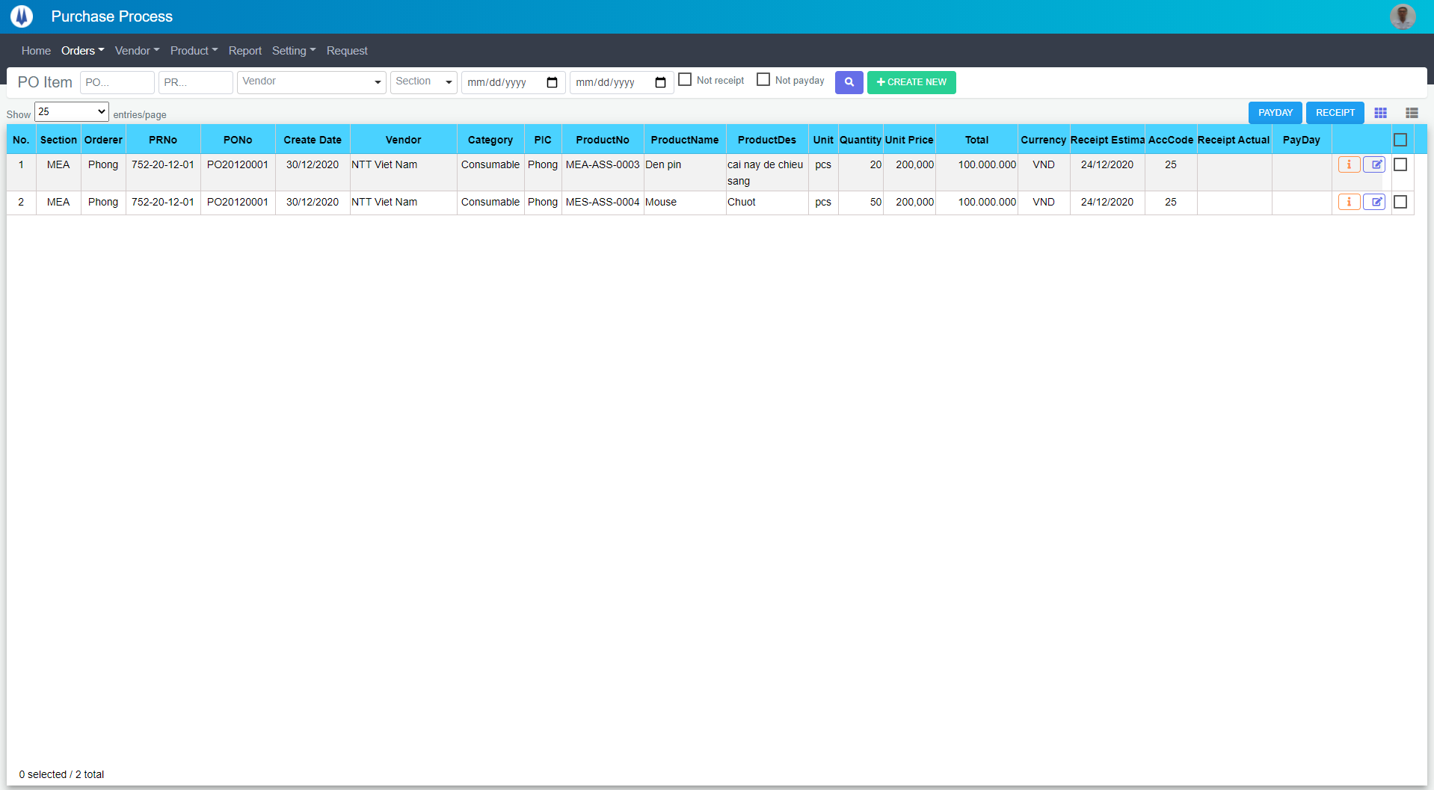
M01
M02
M03
M04
M05
L01
L02
L03
L04
L05
L06
L07
L09
L23
M12
L10
L08
M06
L11
M07
M08
L24
M16
M09
M13
M14
M15
L12
L13
L14
L15
L16
L17
L18
L19
L20
L21
L22
M10
M11
Search name...
IT

SEARCH
Option 1
Option 2

Checkbox 1
Checkbox 2
V

Naming Rule:
- Controls of Main Screen: M01, M02, M03...
- Controls of List (Data Table): L01, L02, L03...

 | Main Screen
 | No |  | Item Name |  |  |  |  | Label |  | Item Type | Input Regulation | Tab Index | I/O | Required | Default Text |  | Length | Note
 | M01 |  | - |  |  |  |  | Purchase Request |  | Label | Cannot Edit | - | O | - | - |  | - | -
 | M02 |  | - |  |  |  |  | - |  | ComboBox | - | - | I | - | - |  | - | -
 | M03 |  | - |  |  |  |  | - |  | TextBox | HalfOnly | - | I | - | PO |  | - | -
 | M04 |  | - |  |  |  |  | - |  | TextBox | HalfOnly | - | I | - | PR |  | - | -
 | M05 |  | - |  |  |  |  | - |  | ComboBox | - | - | O | - | Vendor |  | - | -
 | M06 |  | - |  |  |  |  | - |  | TextBox | HalfOnly | - | I | - | - |  | - | Receipt From Date
 | M07 |  | - |  |  |  |  | - |  | TextBox | HalfOnly | - | I | - | - |  | - | Receipt To Date
 | M08 |  | - |  |  |  |  | Not receipt |  | CheckBox | - | - | I | - | - |  | -
 | M09 |  | - |  |  |  |  | Not pay |  | CheckBox | - | - | I | - | - |  | -
 | M10 |  | - |  |  |  |  | - |  | Button | - | - | O | - | - |  | - | Button Search
 | M11 |  | - |  |  |  |  | + CREATE NEW |  | Button | - | - | O | - | - |  | - | Button Create New
 | M12 |  | - |  |  |  |  | Show | entries/page |  | ComboBox | - | - | I | - | - |  | - | -
 | M13 |  | - |  |  |  |  | PAYDAY |  | Button | - | - | O | - | - |  | - | Button Payday
 | M14 |  | - |  |  |  |  | RECEIPT |  | Button | - | - | O | - | - |  | - | Button Receipt
 | M15 |  | - |  |  |  |  |  |  | Button | - | - | O | - | - |  | - | Button PO List
 | M16 |  | - |  |  |  |  | - |  | List | - | - | O | - | - |  | - | -

 | List
 | No |  | Item Name |  |  |  |  | Label |  | Item Type | Input Regulation | Tab Index | I/O | Required | Default Text |  | Length | Note
 | L01 |  | - |  |  |  |  | No. |  | Label | Cannot Edit | - | O | - | - |  | - | -
 | L02 |  | - |  |  |  |  | Section |  | Label | Cannot Edit | - | O | - | - |  | - | -
 | L03 |  | - |  |  |  |  | Orderer |  | Label | Cannot Edit | - | O | - | - |  | - | -
 | L04 |  | - |  |  |  |  | PRNo |  | Label | Cannot Edit | - | O | - | - |  | - | -
 | L05 |  | - |  |  |  |  | PONo |  | Label | Cannot Edit | - | O | - | - |  | - | -
 | L06 |  | - |  |  |  |  | Create Date |  | Label | Cannot Edit | - | O | - | - |  | - | -
 | L07 |  | - |  |  |  |  | Vendor |  | Label | Cannot Edit | - | O | - | - |  | - | -
 | L08 |  | - |  |  |  |  | Category |  | Label | Cannot Edit | - | O | - | - |  | - | -
 | L09 |  | - |  |  |  |  | PIC |  | Label | Cannot Edit | - | O | - | - |  | - | -
 | L10 |  | - |  |  |  |  | ProductNo |  | Label | Cannot Edit | - | O | - | - |  | - | -
 | L11 |  | - |  |  |  |  | Product Name |  | Label | Cannot Edit | - | O | - | - |  | - | -
 | L12 |  | - |  |  |  |  | Product Des |  | Label | Cannot Edit | - | O | - | - |  | - | -
 | L13 |  | - |  |  |  |  | Unit |  | Label | Cannot Edit | - | O | - | - |  | - | -
 | L14 |  | - |  |  |  |  | Quantity |  | Label | Cannot Edit | - | O | - | - |  | - | -
 | L15 |  | - |  |  |  |  | Unit Price |  | Label | Cannot Edit | - | O | - | - |  | - | -
 | L16 |  | - |  |  |  |  | Total |  | Label | Cannot Edit | - | O | - | - |  | - | -
 | L17 |  | - |  |  |  |  | Currency |  | Label | Cannot Edit | - | O | - | - |  | - | -
 | L18 |  | - |  |  |  |  | Receipt Estimate Date |  | Label | Cannot Edit | - | O | - | - |  | - | -
 | L19 |  | - |  |  |  |  | AccCode |  | Label | Cannot Edit | - | O | - | - |  | - | -
 | L20 |  | - |  |  |  |  | Receipt Actual Date |  | Label | Cannot Edit | - | O | - | - |  | - | -
 | L21 |  | - |  |  |  |  | PayDay |  | Label | Cannot Edit | - | O | - | - |  | - | -
 | L22 |  | - |  |  |  |  | - |  | Button | - | - | O | - | - |  | - | Button Detail
 | L23 |  | - |  |  |  |  | - |  | Button | - | - | O | - | - |  | - | Button Edit
 | L24 |  | - |  |  |  |  |  |  | CheckBox | - | - | O | - | - |  | - | Check All
 | 2. | Description
 | 2.1.Main Screen
 |  |  | 2.1.1. | Click button "Search" (M10):
 |  |  |  | Search request info by PO No (M02), PRNO(M03), Vendor (M04), Section(M05), Receipt From Date(M06), Receipt To Date(M07)

 |  |  | 2.1.2. | Click button "CREATE NEW" (M11):
 |  |  |  | Open new pop-up "AddNewPO" (Screen ID: PO003)

 |  |  | 2.1.3. | Combobox Show (M12):
 |  |  |  | ・ | Value:
 |  |  |  |  |  | ・ | 15
 |  |  |  |  |  | ・ | 25
 |  |  |  |  |  | ・ | 50
 |  |  |  | ・ | When changing the value, changes the number of items to be displayed per page.

 |  |  | 2.1.4. | Click button "DETAIL" (L22):
 |  |  |  | Open new pop-up "DetailPO" (Screen ID: PO005)

 |  |  | 2.1.5. | Click button "EDIT" (L23):
 |  |  |  | Open new pop-up "UpdatePO" (Screen ID: PO004)

 |  |  | 2.1.6. | Click button (M15):
 |  |  |  | Open screen "POList" (Screen ID: PO001)

 |  |  | 2.1.7. | Click button (M11):
 |  |  |  | Open new pop-up "Payday" (Screen ID: PO009)

 |  |  | 2.1.8. | Click button (M12):
 |  |  |  | Open new pop-up "Receipt" (Screen ID: PO010)

AddNewPO
Screen design |  |  |  |  | System Name |  | Sub System Name |  | Screen ID |  |  |  |  | Screen Name |  |  | Page
 |  |  |  |  | Purchase Process Managerment |  | PO Management |  | PO003 |  |  |  |  | AddNewPO

 | 1. | Mockup Screen
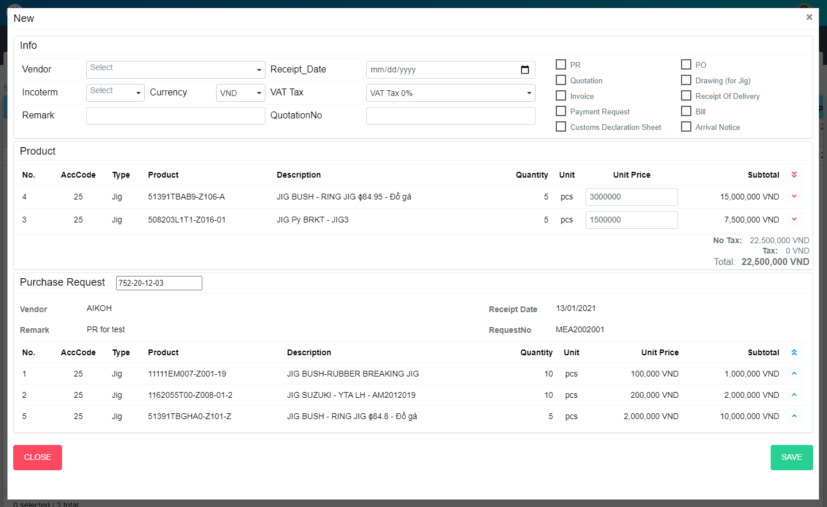
M03
M04
M05
M06
N01
N02
M07
N06
M09
N04
N03
N05
N07
M01
M02
M08
L01
L02
N08
N09
N10
N11
N12
N14
N15
N16
N13
L03
L04
L05
L06
L07
L08
L09
L10
L11
L12
L13
L14
L15
L16
L17
L18
ADD NEW
M10
M11
M12
M13
M14
M15
M16
M17
M18
M19
Search name...

IT

SEARCH
Option 1
Option 2

Checkbox 1
Checkbox 2
V

Naming Rule:
- Controls of Main Screen: M01, M02, M03...
- Controls of List (Data Table): L01, L02, L03...

 | Main Screen
 | No |  | Item Name |  |  | Label |  | Item Type | Input Regulation | Tab Index | I/O | Required | Default Text |  | Length | Note
 | M01 |  | - |  |  | New |  | Label | Cannot Edit | - | O | - | - |  | - | -
 | M02 |  | - |  |  | Info |  | Label | Cannot Edit | - | O | - | - |  | - | -
 | M03 |  | - |  |  | Vendor |  | ComboBox | - | - | I | - | - |  | - | Choose Vendor
 | M04 |  | - |  |  | Incoterm |  | ComboBox | - | - | I | - | - |  | - | Choose Incoterm
 | M05 |  | - |  |  | Remark |  | TextBox | HalfOnly | - | I | - | - |  | - | -
 | M06 |  | - |  |  | Currency |  | ComboBox | - | - | I | - | - |  | - | Choose Currency
 | M07 |  | - |  |  | Receipt Date |  | DateTime | - | - | I | - | - |  | - | -
 | M08 |  | - |  |  | VAT Tax |  | ComboBox | - | - | I | - | - |  | - | Choose VAT
 | M09 |  | - |  |  | QuotationNo |  | TextBox | HalfOnly | - | I | - | - |  | - | -
 | M10 |  | - |  |  | PR |  | CheckBox | - | - | I | - | - |  | - | -
 | M11 |  | - |  |  | Quotation |  | CheckBox | - | - | I | - | - |  | - | -
 | M12 |  | - |  |  | Invoice |  | CheckBox | - | - | I | - | - |  | - | -
 | M13 |  | - |  |  | Payment Request |  | CheckBox | - | - | I | - | - |  | - | -
 | M14 |  | - |  |  | Customs Declaration Sheet |  | CheckBox | - | - | I | - | - |  | - | -
 | M15 |  | - |  |  | PO |  | CheckBox | - | - | I | - | - |  | - | -
 | M16 |  | - |  |  | Drawing (for Jig) |  | CheckBox | - | - | I | - | - |  | - | -
 | M17 |  | - |  |  | Receipt Of Delivery |  | CheckBox | - | - | I | - | - |  | - | -
 | M18 |  | - |  |  | Bill |  | CheckBox | - | - | I | - | - |  | - | -
 | M19 |  | - |  |  | Arrival Notice |  | CheckBox | - | - | I | - | - |  | - | -

 | Product
 | No |  | Item Name |  |  | Label |  | Item Type | Input Regulation | Tab Index | I/O | Required | Default Text |  | Length | Note
 | N01 |  | - |  |  | Product |  | Label | Cannot Edit | - | O | - | - |  | - | -
 | N02 |  | - |  |  | No |  | Label | Cannot Edit | - | O | - | - |  | - | -
 | N03 |  | - |  |  | AccCode |  | Label | Cannot Edit | - | O | - | - |  | - | -
 | N04 |  | - |  |  | Type |  | Label | Cannot Edit | - | O | - | - |  | - | -
 | N05 |  | - |  |  | Product |  | Label | Cannot Edit | - | O | - | - |  | - | -
 | N06 |  | - |  |  | Description |  | Label | Cannot Edit | - | O | - | - |  | - | -
 | N07 |  | - |  |  | Quantity |  | Label | Cannot Edit | - | O | - | - |  | - | -
 | N08 |  | - |  |  | Unit |  | Label | Cannot Edit | - | O | - | - |  | - | -
 | N09 |  | - |  |  | Unit Price |  | Label | Cannot Edit | - | O | - | - |  | - | -
 | N10 |  | - |  |  | Subtotal |  | Label | Cannot Edit | - | O | - | - |  | - | -
 | N11 |  | - |  |  |  |  | Button | - | - | O | - | - |  | - | Button Remove All
 | N12 |  | - |  |  |  |  | TextBox | - | - | I | - | - |  | - | -
 | N13 |  | - |  |  |  |  | Button | - | - | O | - | - |  | - | Button Remove Item
 | N14 |  | - |  |  | No Tax |  | Label | - | - | O | - | - |  | - | -
 | N15 |  | - |  |  | Tax |  | Label | - | - | O | - | - |  | - | -
 | N16 |  | - |  |  | Total |  | Label | - | - | O | - | - |  | - | -

 | Purchase Request
 | No |  | Item Name |  |  | Label |  | Item Type | Input Regulation | Tab Index | I/O | Required | Default Text |  | Length | Note
 | L01 |  | - |  |  |  |  | ComboBox | HalfOnly | - | I | - | - |  | - | Input PRNo
 | L02 |  | - |  |  | Vendor |  | Label | Cannot Edit | - | O | - | - |  | - | -
 | L03 |  | - |  |  | Remark |  | Label | Cannot Edit | - | O | - | - |  | - | -
 | L04 |  | - |  |  | Receipt Date |  | Label | Cannot Edit | - | O | - | - |  | - | -
 | L05 |  | - |  |  | RequestNo |  | Label | Cannot Edit | - | O | - | - |  | - | -
 | L06 |  | - |  |  | No |  | Label | Cannot Edit | - | O | - | - |  | - | -
 | L07 |  | - |  |  | AccCode |  | Label | Cannot Edit | - | O | - | - |  | - | -
 | L08 |  | - |  |  | Type |  | Label | Cannot Edit | - | O | - | - |  | - | -
 | L09 |  | - |  |  | Product |  | Label | Cannot Edit | - | O | - | - |  | - | -
 | L10 |  | - |  |  | Description |  | Label | Cannot Edit | - | O | - | - |  | - | -
 | L11 |  | - |  |  | Quantity |  | Label | Cannot Edit | - | O | - | - |  | - | -
 | L12 |  | - |  |  | Unit |  | Label | Cannot Edit | - | O | - | - |  | - | -
 | L13 |  | - |  |  | Unit Price |  | Label | Cannot Edit | - | O | - | - |  | - | -
 | L14 |  | - |  |  | Subtotal |  | Label | Cannot Edit | - | O | - | - |  | - | -
 | L15 |  | - |  |  |  |  | Button | - | - | O | - | - |  | - | Button Select All
 | L16 |  | - |  |  |  |  | Button | - | - | O | - | - |  | - | Button Add Item
 | L17 |  | - |  |  | CLOSE |  | Button | - | - | O | - | - |  | - | Button Close
 | L18 |  | - |  |  | ADD NEW |  | Button | - | - | O | - | - |  | - | Button Add New

 | 2. | Description
 |  | 2.1 | Choose PRNo (L01)
 |  |  | Show all items in this PR (PR already confirmed and item not include in any PO)

 |  | 2.2 | Click button (N11)
 |  |  | Remove all item from product list

 |  | 2.3 | Click button (N13)
 |  |  | Remove item from product list

 |  | 2.4 | Click button (L15)
 |  |  | Add all item to product list

 |  | 2.5 | Click button (L16)
 |  |  | Add item to product list

 |  | 2.6 | Click button "CLOSE" (L17):
 |  |  | Close pop-up Add New PO (Main Screen)

 |  | 2.7 | Click button "ADD NEW" (L18):
 |  |  | ・ | Create new PO
 |  |  | ・ | Update Price and Currency of each Product
 |  |  | ・ | Close pop-up Add New PO (Main Screen)
 |  |  | ・ | Re-load PO List
 |  |  | ・ | Show message "Add New Item Successfully"

UpdatePO
Screen design |  |  |  |  | System Name |  | Sub System Name |  | Screen ID |  |  |  |  | Screen Name |  |  | Page
 |  |  |  |  | Purchase Process Managerment |  | PO Management |  | PO004 |  |  |  |  | UpdatePO

 | 1. | Mockup Screen
M03
M04
M05
M06
N01
N02
M07
N06
M09
N04
N03
N05
N07
M01
M02
M08
L01
L02
N08
N09
N10
N11
N12
N14
N15
N16
N13
L03
L04
L05
L06
L07
L08
L09
L10
L11
L12
L13
L14
L15
L16
L17
L18
UPDATE
Search name...

IT

SEARCH
Option 1
Option 2

Checkbox 1
Checkbox 2
V

Naming Rule:
- Controls of Main Screen: M01, M02, M03...
- Controls of List (Data Table): L01, L02, L03...

 | Main Screen
 | No |  | Item Name |  |  | Label |  | Item Type | Input Regulation | Tab Index | I/O | Required | Default Text |  | Length | Note
 | M01 |  | - |  |  | - |  | Label | Cannot Edit | - | O | - | - |  | - | PONo
 | M02 |  | - |  |  | Info |  | Label | Cannot Edit | - | O | - | - |  | - | -
 | M03 |  | - |  |  | Vendor |  | ComboBox | - | - | I | - | - |  | - | Choose Vendor
 | M04 |  | - |  |  | Incoterm |  | ComboBox | - | - | I | - | - |  | - | Choose Incoterm
 | M05 |  | - |  |  | Remark |  | TextBox | HalfOnly | - | I | - | - |  | - | -
 | M06 |  | - |  |  | Currency |  | ComboBox | - | - | I | - | - |  | - | Choose Currency
 | M07 |  | - |  |  | Receipt Date |  | DateTime | - | - | I | - | - |  | - | -
 | M08 |  | - |  |  | VAT Tax |  | ComboBox | - | - | I | - | - |  | - | Choose VAT
 | M09 |  | - |  |  | QuotationNo |  | TextBox | HalfOnly | - | I | - | - |  | - | -
 | M10 |  | - |  |  | PR |  | CheckBox | - | - | I | - | - |  | - | -
 | M11 |  | - |  |  | Quotation |  | CheckBox | - | - | I | - | - |  | - | -
 | M12 |  | - |  |  | Invoice |  | CheckBox | - | - | I | - | - |  | - | -
 | M13 |  | - |  |  | Payment Request |  | CheckBox | - | - | I | - | - |  | - | -
 | M14 |  | - |  |  | Customs Declaration Sheet |  | CheckBox | - | - | I | - | - |  | - | -
 | M15 |  | - |  |  | PO |  | CheckBox | - | - | I | - | - |  | - | -
 | M16 |  | - |  |  | Drawing (for Jig) |  | CheckBox | - | - | I | - | - |  | - | -
 | M17 |  | - |  |  | Receipt Of Delivery |  | CheckBox | - | - | I | - | - |  | - | -
 | M18 |  | - |  |  | Bill |  | CheckBox | - | - | I | - | - |  | - | -
 | M19 |  | - |  |  | Arrival Notice |  | CheckBox | - | - | I | - | - |  | - | -

 | Product
 | No |  | Item Name |  |  | Label |  | Item Type | Input Regulation | Tab Index | I/O | Required | Default Text |  | Length | Note
 | N01 |  | - |  |  | Product |  | Label | Cannot Edit | - | O | - | - |  | - | -
 | N02 |  | - |  |  | No |  | Label | Cannot Edit | - | O | - | - |  | - | -
 | N03 |  | - |  |  | AccCode |  | Label | Cannot Edit | - | O | - | - |  | - | -
 | N04 |  | - |  |  | Type |  | Label | Cannot Edit | - | O | - | - |  | - | -
 | N05 |  | - |  |  | Product |  | Label | Cannot Edit | - | O | - | - |  | - | -
 | N06 |  | - |  |  | Description |  | Label | Cannot Edit | - | O | - | - |  | - | -
 | N07 |  | - |  |  | Quantity |  | Label | Cannot Edit | - | O | - | - |  | - | -
 | N08 |  | - |  |  | Unit |  | Label | Cannot Edit | - | O | - | - |  | - | -
 | N09 |  | - |  |  | Unit Price |  | Label | Cannot Edit | - | O | - | - |  | - | -
 | N10 |  | - |  |  | Subtotal |  | Label | Cannot Edit | - | O | - | - |  | - | -
 | N11 |  | - |  |  |  |  | Button | - | - | O | - | - |  | - | Button Remove All
 | N12 |  | - |  |  |  |  | TextBox | - | - | I | - | - |  | - | -
 | N13 |  | - |  |  |  |  | Button | - | - | O | - | - |  | - | Button Remove Item
 | N14 |  | - |  |  | No Tax |  | Label | - | - | O | - | - |  | - | -
 | N15 |  | - |  |  | Tax |  | Label | - | - | O | - | - |  | - | -
 | N16 |  | - |  |  | Total |  | Label | - | - | O | - | - |  | - | -

 | Purchase Request
 | No |  | Item Name |  |  | Label |  | Item Type | Input Regulation | Tab Index | I/O | Required | Default Text |  | Length | Note
 | L01 |  | - |  |  |  |  | ComboBox | HalfOnly | - | I | - | - |  | - | Input PRNo
 | L02 |  | - |  |  | Vendor |  | Label | Cannot Edit | - | O | - | - |  | - | -
 | L03 |  | - |  |  | Remark |  | Label | Cannot Edit | - | O | - | - |  | - | -
 | L04 |  | - |  |  | Receipt Date |  | Label | Cannot Edit | - | O | - | - |  | - | -
 | L05 |  | - |  |  | RequestNo |  | Label | Cannot Edit | - | O | - | - |  | - | -
 | L06 |  | - |  |  | No |  | Label | Cannot Edit | - | O | - | - |  | - | -
 | L07 |  | - |  |  | AccCode |  | Label | Cannot Edit | - | O | - | - |  | - | -
 | L08 |  | - |  |  | Type |  | Label | Cannot Edit | - | O | - | - |  | - | -
 | L09 |  | - |  |  | Product |  | Label | Cannot Edit | - | O | - | - |  | - | -
 | L10 |  | - |  |  | Description |  | Label | Cannot Edit | - | O | - | - |  | - | -
 | L11 |  | - |  |  | Quantity |  | Label | Cannot Edit | - | O | - | - |  | - | -
 | L12 |  | - |  |  | Unit |  | Label | Cannot Edit | - | O | - | - |  | - | -
 | L13 |  | - |  |  | Unit Price |  | Label | Cannot Edit | - | O | - | - |  | - | -
 | L14 |  | - |  |  | Subtotal |  | Label | Cannot Edit | - | O | - | - |  | - | -
 | L15 |  | - |  |  |  |  | Button | - | - | O | - | - |  | - | Button Select All
 | L16 |  | - |  |  |  |  | Button | - | - | O | - | - |  | - | Button Add Item
 | L17 |  | - |  |  | CLOSE |  | Button | - | - | O | - | - |  | - | Button Close
 | L18 |  | - |  |  | SAVE |  | Button | - | - | O | - | - |  | - | Button Save

 | 2. | Description
 |  | 2.1 | Choose PRNo (L01)
 |  |  | Show all items in this PR (PR already confirmed and item not include in any PO)

 |  | 2.2 | Click button (N11)
 |  |  | Remove all item from product list

 |  | 2.3 | Click button (N13)
 |  |  | Remove item from product list

 |  | 2.4 | Click button (L15)
 |  |  | Add all item to product list

 |  | 2.5 | Click button (L16)
 |  |  | Add item to product list

 |  | 2.6 | Click button "CLOSE" (L17):
 |  |  | Close pop-up UpdatePO (Main Screen)

 |  | 2.7 | Click button "UPDATE" (L18):
 |  |  | ・ | Update PO
 |  |  | ・ | Update Price and Currency of each Product
 |  |  | ・ | Close pop-up UpdatePO (Main Screen)
 |  |  | ・ | Re-load PO List
 |  |  | ・ | Show message "Update Item Successfully"

DetailPO
Screen design |  |  |  | System Name |  | Sub System Name |  | Screen ID |  |  |  |  | Screen Name |  |  | Page
 |  |  |  | Purchase Process Managerment |  | PO Management |  | PO005 |  |  |  |  | DetailPO

 | 1. | Mockup Screen
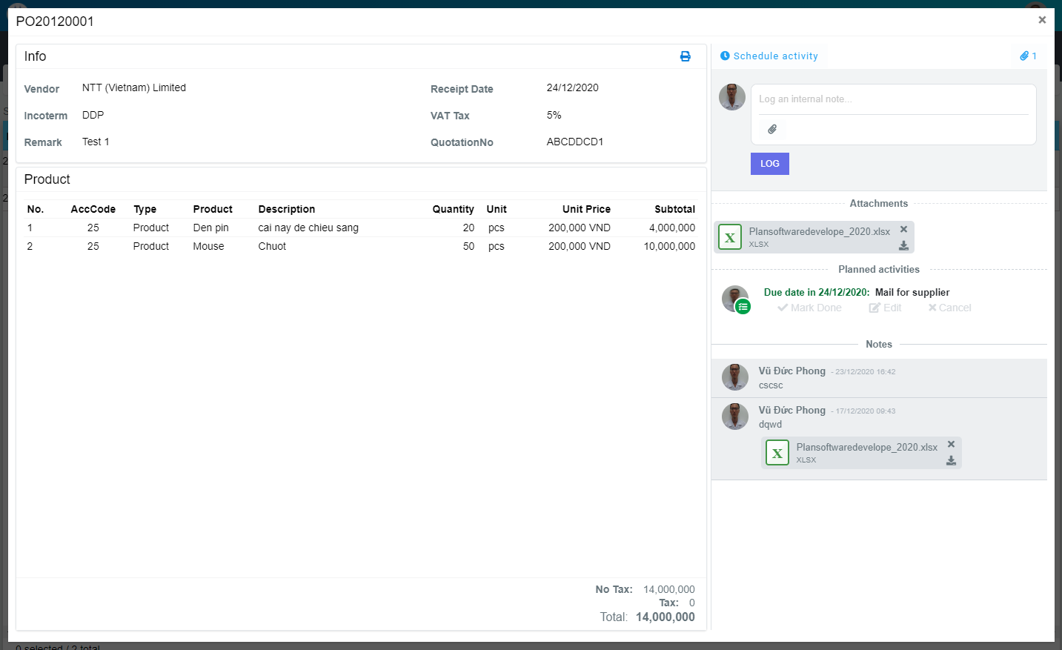
M04
M05
M06
M07
M10
M14
M16
M11
M08
M15
M09
M13
M17
M01
M02
M12
L01
L02
L03
L04
L05
M20
M21
M22
L06
L07
L08
M23
M03
L09
L10
L11
L12
L13
L14
L15
L16
L16
L18
Search name...

IT

SEARCH
Option 1
Option 2

Checkbox 1
Checkbox 2
V

M18
M19
Naming Rule:
- Controls of Main Screen: M01, M02, M03...
- Controls of List (Data Table): L01, L02, L03...

 | Main Screen
 | No |  | Item Name |  | Label |  | Item Type | Input Regulation | Tab Index | I/O | Required | Default Text |  | Length | Note
 | M01 |  | - |  |  |  | Label | Cannot Edit | - | O | - | - |  | - | PO No
 | M02 |  | - |  | Info |  | Label | Cannot Edit | - | O | - | - |  | - | -
 | M03 |  | - |  |  |  | Button | - | - | O | - | - |  | - | Button Print PO
 | M04 |  | - |  | Vendor |  | Label | Cannot Edit | - | O | - | - |  | - | -
 | M05 |  | - |  | Incoterm |  | Label | Cannot Edit | - | O | - | - |  | - | -
 | M06 |  | - |  | Remark |  | Label | Cannot Edit | - | O | - | - |  | - | -
 | M07 |  | - |  | Receipt Date |  | Label | Cannot Edit | - | O | - | - |  | - | -
 | M08 |  | - |  | VAT Tax |  | Label | Cannot Edit | - | O | - | - |  | - | -
 | M09 |  | - |  | QuotationNo |  | Label | Cannot Edit | - | O | - | - |  | - | -
 | M10 |  | - |  | Product |  | Label | Cannot Edit | - | O | - | - |  | - | -
 | M11 |  | - |  | No |  | Label | Cannot Edit | - | O | - | - |  | - | -
 | M12 |  | - |  | AccCode |  | Label | Cannot Edit | - | O | - | - |  | - | -
 | M13 |  | - |  | Type |  | Label | Cannot Edit | - | O | - | - |  | - | -
 | M14 |  | - |  | Product |  | Label | Cannot Edit | - | O | - | - |  | - | -
 | M15 |  | - |  | Description |  | Label | Cannot Edit | - | O | - | - |  | - | -
 | M16 |  | - |  | Quantity |  | Label | Cannot Edit | - | O | - | - |  | - | -
 | M17 |  | - |  | Unit |  | Label | Cannot Edit | - | O | - | - |  | - | -
 | M18 |  | - |  | Unit Price |  | Label | Cannot Edit | - | O | - | - |  | - | -
 | M19 |  | - |  | Subtotal |  | Label | Cannot Edit | - | O | - | - |  | - | -
 | M20 |  | - |  | NoTax |  | Label | Cannot Edit | - | O | - | - |  | - | -
 | M21 |  | - |  | Tax |  | Label | Cannot Edit | - | O | - | - |  | - | -
 | M22 |  | - |  | Total |  | Label | Cannot Edit | - | O | - | - |  | - | -
 | M23 |  | - |  | CLOSE |  | Button | - | - | O | - | - |  | - | Button Close

 | Note
 | No |  | Item Name |  | Label |  | Item Type | Input Regulation | Tab Index | I/O | Required | Default Text |  | Length | Note
 | L01 |  | - |  | Schedule activity |  | Button | - | - | O | - | - |  | - | Button create schedule activity
 | L02 |  | - |  |  |  | Button | - | - | O | - | - |  | - | Button Attachments
 | L03 |  | - |  |  |  | TextBox | - | - | I | - | Log and internal log |  | -
 | L04 |  | - |  |  |  | Button | - | - | O | - | - |  | - | Button attachment file
 | L05 |  | - |  | LOG |  | Button | - | - | O | - | - |  | - | Button log
 | L06 |  | - |  | Attachments |  | Label | Cannot Edit | - | I | - | - |  | - | -
 | L07 |  | - |  | - |  | Button | - | - | O | - | - |  | - | Button delete file
 | L08 |  | - |  | - |  | Button | - | - | O | - | - |  | - | Button download file
 | L09 |  | - |  | Planned activities |  | Label | Cannot Edit | - | I | - | - |  | - | -
 | L10 |  | - |  | - |  | Label | Cannot Edit | - | I | - | - |  | - | Due date
 | L11 |  | - |  | - |  | Label | Cannot Edit | - | I | - | - |  | - | Activities action
 | L12 |  | - |  | Mark Done |  | Button | - | - | O | - | - |  | - | Button mark done schedule
 | L13 |  | - |  | Edit |  | Button | - | - | O | - | - |  | - | Button edit schedule
 | L14 |  | - |  | Cancel |  | Button | - | - | O | - | - |  | - | Button cancel schedule
 | L15 |  | - |  | Notes |  | Label | - | - | I | - | - |  | - | -
 | L16 |  | - |  | - |  | Label | Cannot Edit | - | I | - | - |  | - | Creater name
 | L17 |  | - |  | - |  | Label | Cannot Edit | - | I | - | - |  | - | Create Date
 | L18 |  | - |  | - |  | Label | Cannot Edit | - | I | - | - |  | - | Comment

 | 2. | Description
 | 2.1.Main Screen
 |  | 2.1.1 | Click button "Print" (M03)
 |  |  | Print PO

 |  | 2.1.2 | Click button "CLOSE" (M23):
 |  |  | Close pop-up Detail PO (Main Screen)

 | 2.2.Note screen
 |  | 2.2.1. | Click Button "Create Schedule Activity" (L01):
 |  |  | Open new pop-up "AddNewSchedule" (Screen ID: PO006)

 |  | 2.2.2. | Click Button "Attachments" (L02):
 |  |  | Show/Hide attachments area

 |  | 2.2.3. | Click Button "File" (L04):
 |  |  | Choose file which want to upload

 |  | 2.2.4. | Click Button "Log" (L05):
 |  |  | Upload file and comment

 |  | 2.2.5. | Click Button "Remove File" (L07):
 |  |  | Remove file

 |  | 2.2.6. | Click Button "Download File" (L08):
 |  |  | Download file

 |  | 2.2.7. | Click Button "Mark Done" (L12):
 |  |  | Open new pop-up "MarkDoneSchedule" (Screen ID: PO008)

 |  | 2.2.8. | Click Button "Edit schedule" (L13):
 |  |  | Open new pop-up "UpdateSchedule" (Screen ID: PO007)

 |  | 2.2.9. | Click Button "Cancel schedule" (L14):
 |  |  | Cancel schedule

AddNewSchedule
Screen design |  |  |  | System Name |  | Sub System Name |  | Screen ID |  |  |  |  | Screen Name |  |  | Page
 |  |  |  | Purchase Process Managerment |  | PO Management |  | PO006 |  |  |  |  | AddNewSchedule

 | 1. | Mockup Screen
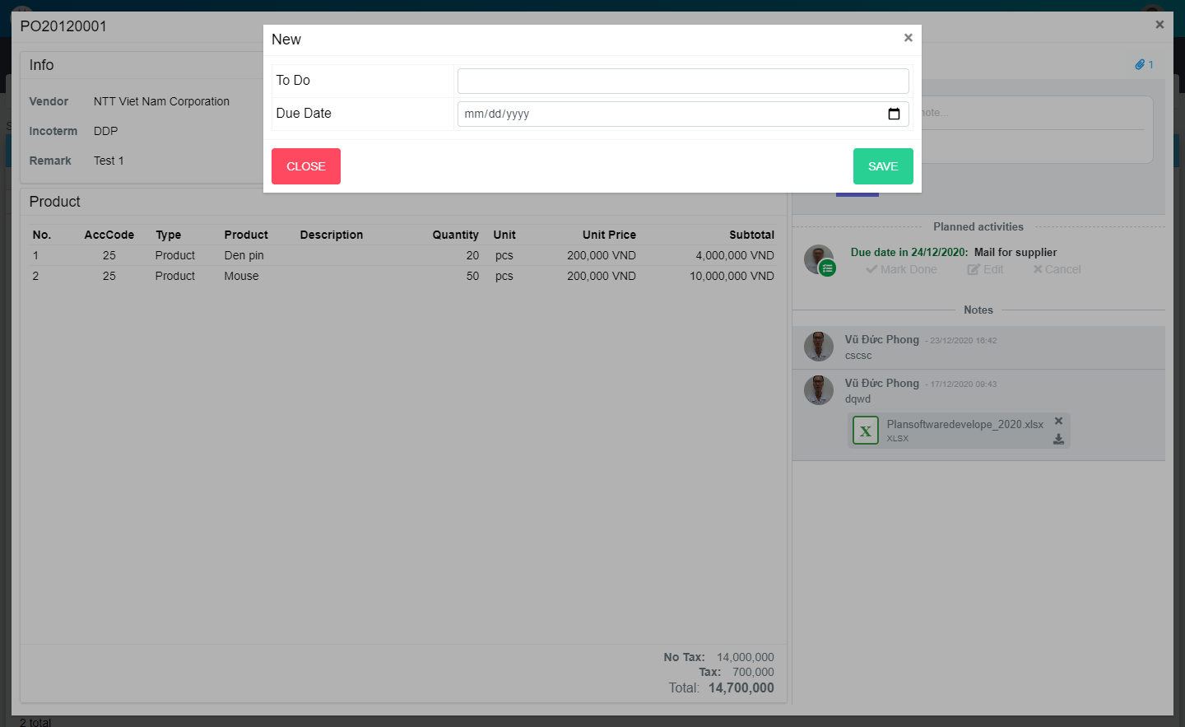
Search name...

IT

SEARCH
Option 1
Option 2

ADD NEW
Checkbox 1
Checkbox 2
V

Naming Rule:
- Controls of Main Screen: M01, M02, M03...
- Controls of List (Data Table): L01, L02, L03...

M04
M05
M02
M03
M01

ADD NEW

 | Main Screen
 | No |  | Item Name |  | Label |  | Item Type | Input Regulation | Tab Index | I/O | Required | Default Text |  | Length | Note
 | M01 |  | - |  | New |  | Label | Cannot Edit | - | O | - | - |  | - | -
 | M02 |  | - |  | To Do |  | TextBox | FullAndhalf | - | I | - | - |  | - | -
 | M03 |  | - |  | Due Date |  | TextBox | HalfOnly | - | I | O | - |  | - | -
 | M04 |  | - |  | CLOSE |  | Button | - | - | O | - | - |  | - | Button Close
 | M05 |  | - |  | ADD NEW |  | Button | - | - | O | - | - |  | - | Button ADD NEW

 | 2. | Description
 |  | 2.1 | Click button "CLOSE" (M04):
 |  |  | Close pop-up AddNewSchedule

 |  | 2.2 | Click button "ADD NEW" (M05):
 |  |  | Create new schedule
 |  |  | Close pop-up AddNewSchedule

UpdateSchedule
Screen design |  |  |  | System Name |  | Sub System Name |  | Screen ID |  |  |  |  | Screen Name |  |  | Page
 |  |  |  | Purchase Process Managerment |  | PO Management |  | PO007 |  |  |  |  | UpdateSchedule

 | 1. | Mockup Screen
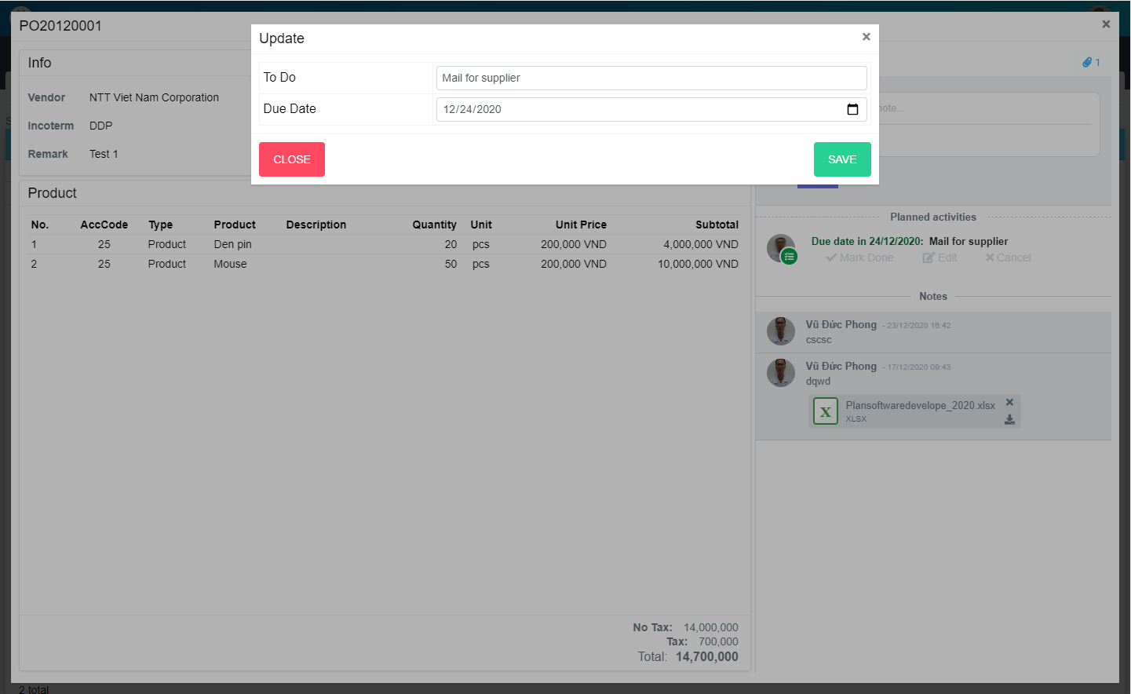
Search name...

IT

SEARCH
Option 1
Option 2

UPDATE
Checkbox 1
Checkbox 2
V

Naming Rule:
- Controls of Main Screen: M01, M02, M03...
- Controls of List (Data Table): L01, L02, L03...

M01
M02
M03
M04
M05

UPDATE

 | Main Screen
 | No |  | Item Name |  | Label |  | Item Type | Input Regulation | Tab Index | I/O | Required | Default Text |  | Length | Note
 | M01 |  | - |  | Update |  | Label | Cannot Edit | - | O | - | - |  | - | -
 | M02 |  | - |  | To Do |  | TextBox | FullAndhalf | - | I | - | - |  | - | -
 | M03 |  | - |  | Due Date |  | TextBox | HalfOnly | - | I | O | - |  | - | -
 | M04 |  | - |  | CLOSE |  | Button | - | - | O | - | - |  | - | Button Close
 | M05 |  | - |  | UPDATE |  | Button | - | - | O | - | - |  | - | Button Update

 | 2. | Description
 |  | 2.1. | Click button "CLOSE" (M04):
 |  |  | Close pop-up UpdateSchedule

 |  | 2.2. | Click button "UPDATE" (M05):
 |  |  | Update schedule
 |  |  | Close pop-up UpdateSchedule

MarkDoneSchedule
Screen design |  |  |  | System Name |  | Sub System Name |  | Screen ID |  |  |  |  | Screen Name |  |  | Page
 |  |  |  | Purchase Process Managerment |  | PO Management |  | PO008 |  |  |  |  | MarkDoneSchedule

 | 1. | Mockup Screen
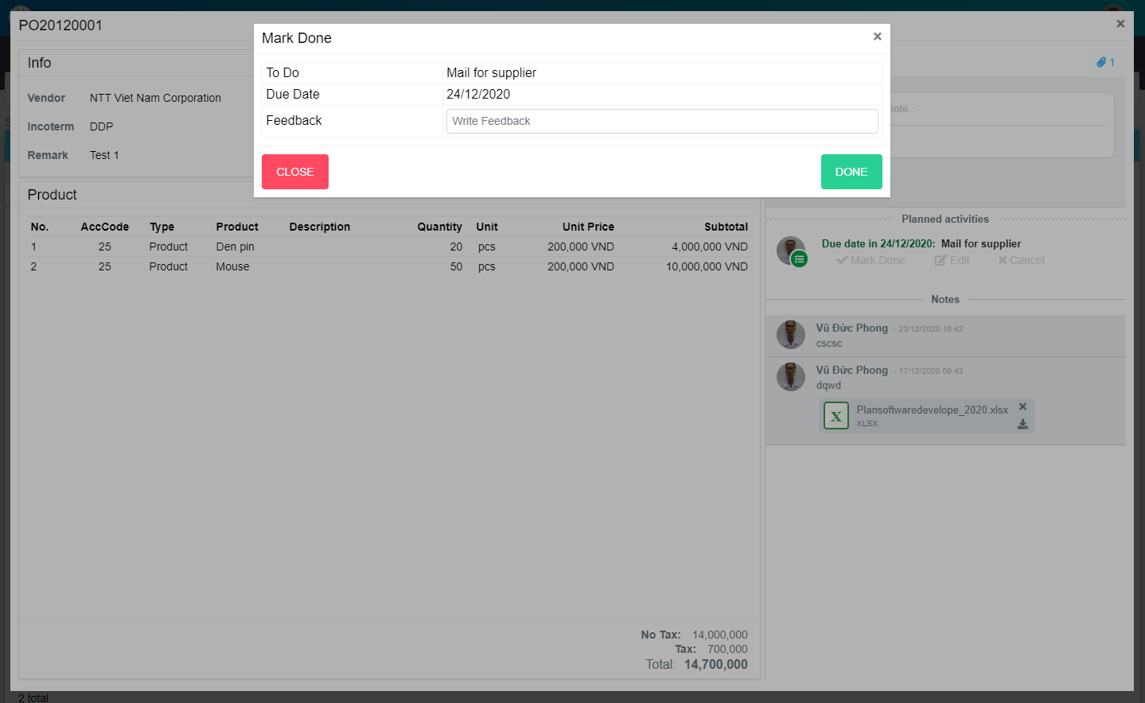
Search name...

IT

SEARCH
Option 1
Option 2

Checkbox 1
Checkbox 2
V

Naming Rule:
- Controls of Main Screen: M01, M02, M03...
- Controls of List (Data Table): L01, L02, L03...

M03
M04
M06
M01
M02
M05

 | Main Screen
 | No |  | Item Name |  | Label |  | Item Type | Input Regulation | Tab Index | I/O | Required | Default Text |  | Length | Note
 | M01 |  | - |  | Update |  | Label | Cannot Edit | - | O | - | - |  | - | -
 | M02 |  | - |  | To Do |  | Label | - | - | O | - | - |  | - | -
 | M03 |  | - |  | Due Date |  | Label | - | - | O | - | - |  | - | -
 | M04 |  | - |  |  |  | TextBox | FullAndhalf | - | I | - | - |  | - | -
 | M04 |  | - |  | CLOSE |  | Button | - | - | O | - | - |  | - | Button Close
 | M06 |  | - |  | DONE |  | Button | - | - | O | - | - |  | - | Button Done

 | 2. | Description
 |  | 2.1. | Click button "CLOSE" (M05):
 |  |  | Close pop-up MarkDoneSchedule

 |  | 2.2. | Click button "DONE" (M06):
 |  |  | Mark Done schedule
 |  |  | Close pop-up MarkDoneSchedule

Payday
Screen design |  |  |  | System Name |  | Sub System Name |  | Screen ID |  |  |  |  | Screen Name |  |  | Page
 |  |  |  | Purchase Process Managerment |  | PO Management |  | PO009 |  |  |  |  | Payday

 | 1. | Mockup Screen
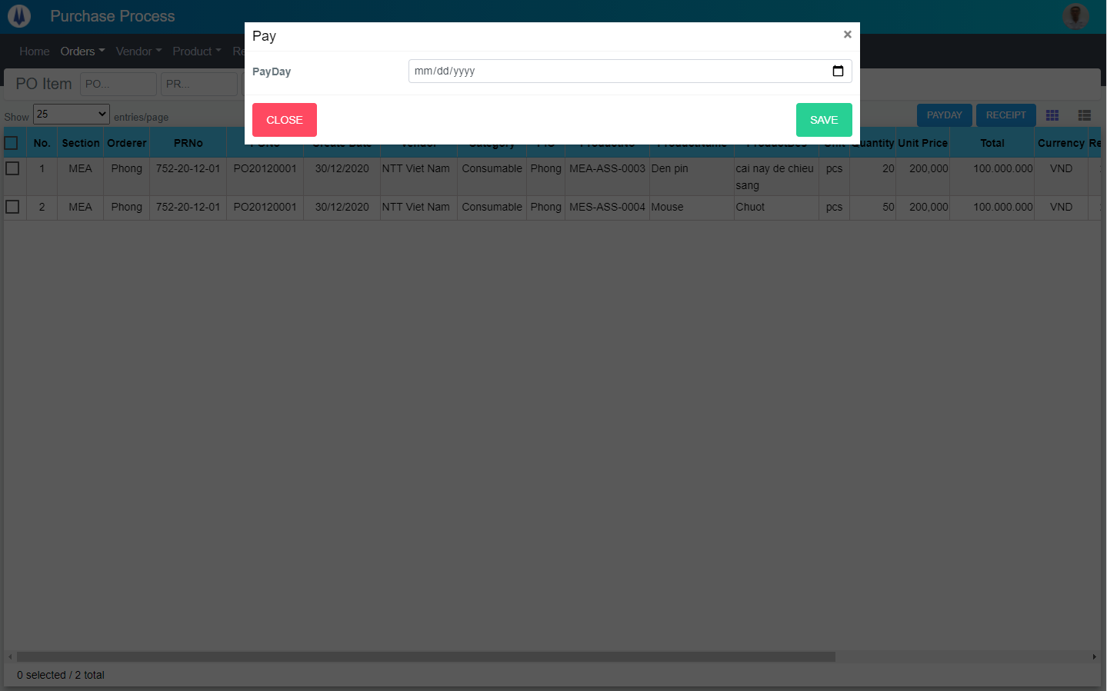
Search name...

IT

SEARCH
UPDATE
Option 1
Option 2

Checkbox 1
Checkbox 2
V

Naming Rule:
- Controls of Main Screen: M01, M02, M03...
- Controls of List (Data Table): L01, L02, L03...

M03
M04
M01
M02

UPDATE

 | Main Screen
 | No |  | Item Name |  | Label |  | Item Type | Input Regulation | Tab Index | I/O | Required | Default Text |  | Length | Note
 | M01 |  | - |  | Pay |  | Label | Cannot Edit | - | O | - | - |  | - | -
 | M02 |  | - |  | PayDay |  | TextBox | FullAndhalf | - | I | - | - |  | - | -
 | M03 |  | - |  | CLOSE |  | Button | - | - | O | - | - |  | - | Button Close
 | M04 |  | - |  | UPDATE |  | Button | - | - | O | - | - |  | - | Button Update

 | 2. | Description
 |  | 2.1. | Click button "CLOSE" (M03):
 |  |  | Close pop-up "Payday"

 |  | 2.2. | Click button "UPDATE" (M04):
 |  |  | Save payday
 |  |  | Close pop-up "Payday"

Receipt
Screen design |  |  |  | System Name |  | Sub System Name |  | Screen ID |  |  |  |  | Screen Name |  |  | Page
 |  |  |  | Purchase Process Managerment |  | PO Management |  | PO010 |  |  |  |  | Receipt

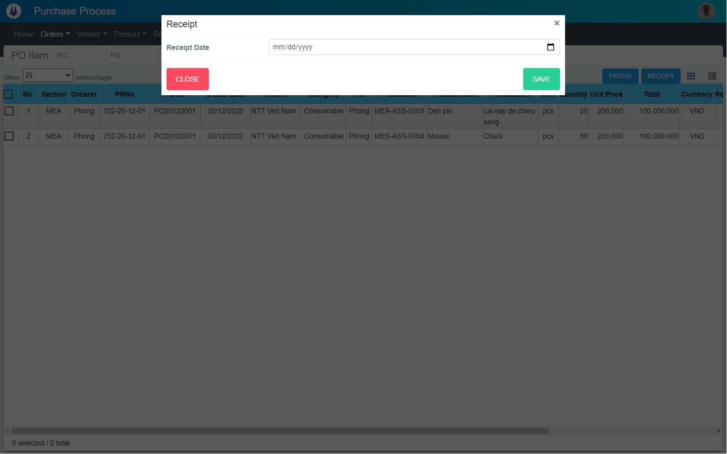
 | 1. | Mockup Screen
Search name...

IT

SEARCH
UPDATE
Option 1
Option 2

Checkbox 1
Checkbox 2
V

Naming Rule:
- Controls of Main Screen: M01, M02, M03...
- Controls of List (Data Table): L01, L02, L03...

M03
M04
M01
M02

UPDATE

 | Main Screen
 | No |  | Item Name |  | Label |  | Item Type | Input Regulation | Tab Index | I/O | Required | Default Text |  | Length | Note
 | M01 |  | - |  | Receipt |  | Label | Cannot Edit | - | O | - | - |  | - | -
 | M02 |  | - |  | Receipt Date |  | TextBox | FullAndhalf | - | I | - | - |  | - | -
 | M03 |  | - |  | CLOSE |  | Button | - | - | O | - | - |  | - | Button Close
 | M04 |  | - |  | UPDATE |  | Button | - | - | O | - | - |  | - | Button Update

 | 2. | Description
 |  | 2.1. | Click button "CLOSE" (M03):
 |  |  | Close pop-up "Receipt"

 |  | 2.2. | Click button "UPDATE" (M04):
 |  |  | Save receipt date
 |  |  | Close pop-up "Receipt"

