PRList
Screen design |  |  |  |  | System Name |  |  |  | Sub System Name |  | Screen ID |  |  |  |  | Screen Name |  |  | Page
 |  |  |  |  | Purchase Process Managerment |  |  |  | PR Management |  | PR001 |  |  |  |  | PRList

Search name...
 | 1. | Mockup Screen
 | 1.1. Main Screen
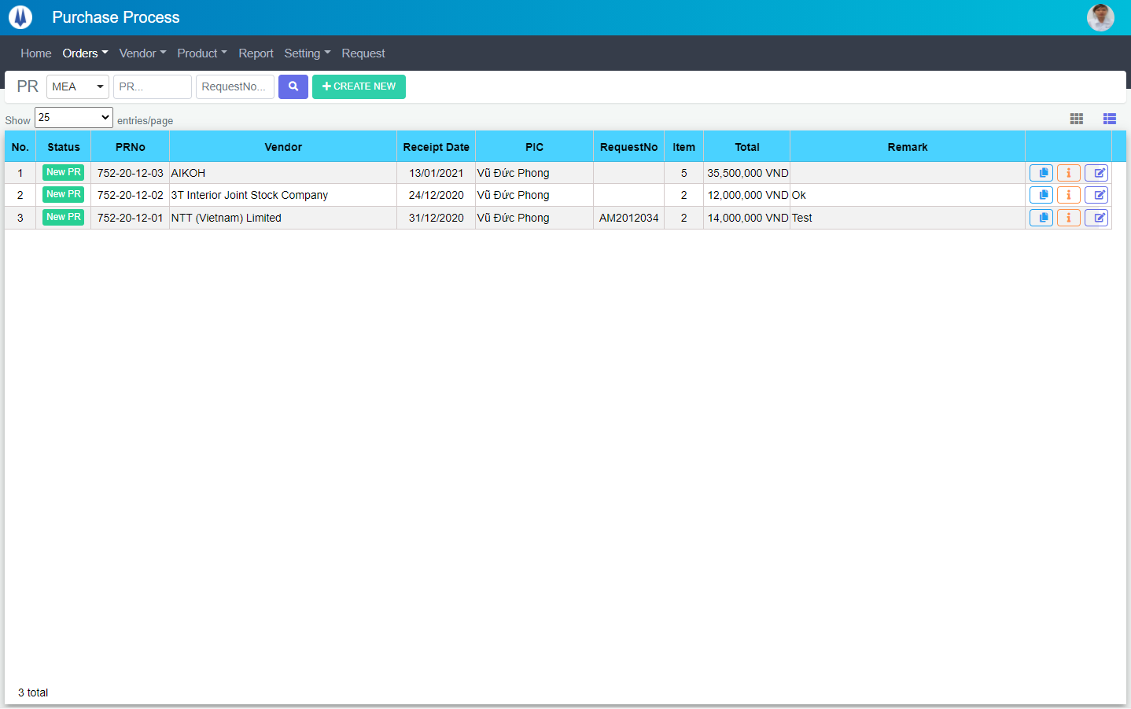
IT

M01
M02
M03
M04
M05
L01
L02
L03
L04
L05
L06
L07
L09
L12
M07
L10
L08
M06
L11
SEARCH
M08
Option 1
Option 2
M09
Checkbox 1
Checkbox 2
V
L13

Naming Rule:
- Controls of Main Screen: M01, M02, M03...
- Controls of List (Data Table): L01, L02, L03...

 | Main Screen
 | No |  | Item Name |  |  |  |  | Label |  | Item Type | Input Regulation | Tab Index | I/O | Required | Default Text |  | Length | Note
 | M01 |  | - |  |  |  |  | PR |  | Label | Cannot Edit | - | O | - | - |  | - | -
 | M02 |  | - |  |  |  |  |  |  | ComboBox | - | - | I | - | - |  | - | -
 | M03 |  | - |  |  |  |  | - |  | TextBox | HalfOnly | - | I | - | PR… |  | - | -
 | M04 |  | - |  |  |  |  | - |  | TextBox | HalfOnly | - | I | - | RequestNo… |  | - | -
 | M05 |  | - |  |  |  |  | - |  | Button | - | - | O | - |  |  | - | Button Search
 | M06 |  | - |  |  |  |  | + CREATE NEW |  | Button | - | - | O | - |  |  | - | Button Create New
 | M07 |  | - |  |  |  |  | Show | entries/page |  | ComboBox | - | - | I | - |  |  | - | -
 | M08 |  | - |  |  |  |  |  |  | Button | - | - | O | - |  |  | - | Button PR Item List
 | M09 |  | - |  |  |  |  |  |  | List | - | - | O | - |  |  | - | -

 | List
 | No |  | Item Name |  |  |  |  | Label |  | Item Type | Input Regulation | Tab Index | I/O | Required | Default Text |  | Length | Note
 | L01 |  | - |  |  |  |  | No. |  | Label | Cannot Edit | - | O | - | - |  | - | -
 | L02 |  | - |  |  |  |  | Status |  | Label | Cannot Edit | - | O | - | - |  | - | -
 | L03 |  | - |  |  |  |  | PRNo |  | Label | Cannot Edit | - | O | - | - |  | - | -
 | L04 |  | - |  |  |  |  | Vendor |  | Label | Cannot Edit | - | O | - | - |  | - | -
 | L05 |  | - |  |  |  |  | Receipt Date |  | Label | Cannot Edit | - | O | - | - |  | - | -
 | L06 |  | - |  |  |  |  | PIC |  | Label | Cannot Edit | - | O | - | - |  | - | -
 | L07 |  | - |  |  |  |  | RequestNo |  | Label | Cannot Edit | - | O | - | - |  | - | -
 | L08 |  | - |  |  |  |  | Item |  | Label | Cannot Edit | - | O | - | - |  | - | -
 | L09 |  | - |  |  |  |  | Total |  | Label | Cannot Edit | - | O | - | - |  | - | -
 | L10 |  | - |  |  |  |  | Remark |  | Label | Cannot Edit | - | O | - | - |  | - | -
 | L11 |  | - |  |  |  |  | - |  | Button | - | - | O | - | - |  | - | Button Detail
 | L12 |  | - |  |  |  |  | - |  | Button | - | - | O | - | - |  | - | Button Update
 | L13 |  | - |  |  |  |  | - |  | Button | - | - | O | - | - |  | - | Button Clone

 | 2. | Description
 | 2.1.Main Screen
 |  |  | 2.1.1. | Click button "Search" (M05):
 |  |  |  | Search request info by PIC Group (M02), PR No (M03), RequestNo (M04)
 |  |  |  | ※ If PIC Group (M02), PR No (M03), RequestNo (M04) is not input, find all PR

 |  |  | 2.1.2. | Click button "CREATE NEW" (M06):
 |  |  |  | Open new pop-up "Add New PR" (Screen ID: PR003)

 |  |  | 2.1.3. | Combobox Show (M07):
 |  |  |  | ・ | Value:
 |  |  |  |  |  | ・ | 15
 |  |  |  |  |  | ・ | 25
 |  |  |  |  |  | ・ | 50
 |  |  |  | ・ | When changing the value, changes the number of items to be displayed per page.

 |  |  | 2.1.4. | Click button "DETAIL" (L11):
 |  |  |  | Open new pop-up "Detail PR" (Screen ID: PR005)

 |  |  | 2.1.5. | Click button "EDIT" (L12):
 |  |  |  | Open new pop-up "Update PR" (Screen ID: PR004)

 |  |  | 2.1.6. | Click button (M08):
 |  |  |  | Open screen "PR Item List" (Screen ID: PR002)

 |  |  | 2.1.7. | Click button (L13):
 |  |  |  | Open new pop-up "Clone PR" (Screen ID: PR006)

PRItemList
Screen design |  |  |  |  | System Name |  |  |  | Sub System Name |  | Screen ID |  |  |  |  | Screen Name |  |  | Page
 |  |  |  |  | Purchase Process Managerment |  |  |  | PR Management |  | PR002 |  |  |  |  | PRItemList

Search name...
 | 1. | Mockup Screen
 | 1.1. Main Screen
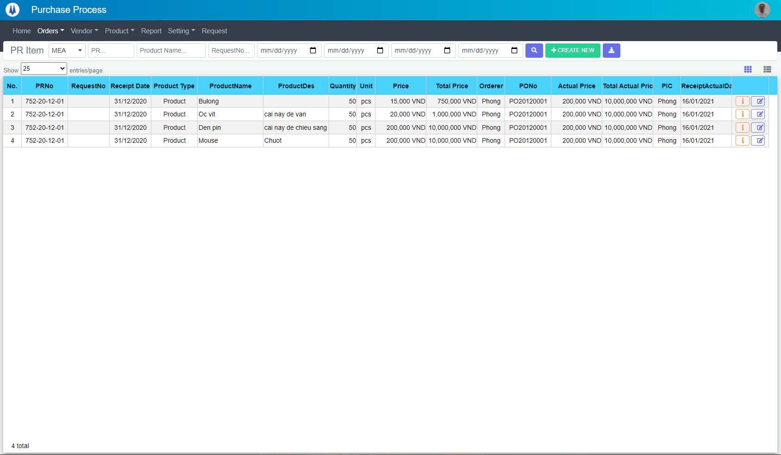
IT
M01
M02
M03
M04
M05
L01
L02
L03
L04
L05
L06
L07
L09
L19
M13
L10
L08
M06
L18
M07
M08
M09
M10
M11
M12
M14
SEARCH
M15
Option 1
Option 2

Checkbox 1
Checkbox 2
V
L11
L12
L13
L14
L15
L16
L17

Naming Rule:
- Controls of Main Screen: M01, M02, M03...
- Controls of List (Data Table): L01, L02, L03...

 | Main Screen
 | No |  | Item Name |  |  |  |  | Label |  | Item Type | Input Regulation | Tab Index | I/O | Required | Default Text |  | Length | Note
 | M01 |  | - |  |  |  |  | PR Item |  | Label | Cannot Edit | - | O | - | - |  | - | -
 | M02 |  | - |  |  |  |  |  |  | ComboBox | - | - | I | - | - |  | - | -
 | M03 |  | - |  |  |  |  | - |  | TextBox | HalfOnly | - | I | - | PR… |  | - | -
 | M04 |  | - |  |  |  |  | - |  | TextBox | HalfOnly | - | I | - | ProductName |  | - | -
 | M05 |  | - |  |  |  |  | - |  | TextBox | HalfOnly | - | I | - | RequestNo… |  | - | -
 | M06 |  | - |  |  |  |  | - |  | DateTime | HalfOnly | - | I | - | - |  | - | Receipt From Date
 | M07 |  | - |  |  |  |  | - |  | DateTime | HalfOnly | - | I | - | - |  | - | Receipt To Date
 | M08 |  | - |  |  |  |  | - |  | DateTime | HalfOnly | - | I | - | - |  | - | Receipt Actual From Date
 | M09 |  | - |  |  |  |  | - |  | DateTime | HalfOnly | - | I | - | - |  | - | Receipt Actual To Date
 | M10 |  | - |  |  |  |  | - |  | Button | - | - | O | - |  |  | - | Button Search
 | M11 |  | - |  |  |  |  | + CREATE NEW |  | Button | - | - | O | - |  |  | - | Button Create New
 | M12 |  | - |  |  |  |  | - |  | Button | - | - | O | - |  |  | - | Button Export Excel
 | M13 |  | - |  |  |  |  | Show | entries/page |  | ComboBox | - | - | I | - |  |  | - | -
 | M14 |  | - |  |  |  |  |  |  | Button | - | - | O | - |  |  | - | Button PR List
 | M15 |  | - |  |  |  |  |  |  | List | - | - | O | - |  |  | - | -

 | List
 | No |  | Item Name |  |  |  |  | Label |  | Item Type | Input Regulation | Tab Index | I/O | Required | Default Text |  | Length | Note
 | L01 |  | - |  |  |  |  | No. |  | Label | Cannot Edit | - | O | - | - |  | - | -
 | L03 |  | - |  |  |  |  | PRNo |  | Label | Cannot Edit | - | O | - | - |  | - | -
 | L04 |  | - |  |  |  |  | RequestNo |  | Label | Cannot Edit | - | O | - | - |  | - | -
 | L05 |  | - |  |  |  |  | Receipt Date |  | Label | Cannot Edit | - | O | - | - |  | - | -
 | L06 |  | - |  |  |  |  | Product Type |  | Label | Cannot Edit | - | O | - | - |  | - | -
 | L06 |  | - |  |  |  |  | ProductName |  | Label | Cannot Edit | - | O | - | - |  | - | -
 | L07 |  | - |  |  |  |  | ProductDes |  | Label | Cannot Edit | - | O | - | - |  | - | -
 | L08 |  | - |  |  |  |  | Quantity |  | Label | Cannot Edit | - | O | - | - |  | - | -
 | L09 |  | - |  |  |  |  | Unit |  | Label | Cannot Edit | - | O | - | - |  | - | -
 | L10 |  | - |  |  |  |  | Price |  | Label | Cannot Edit | - | O | - | - |  | - | -
 | L11 |  | - |  |  |  |  | Total Price |  | Label | Cannot Edit | - | O | - | - |  | - | -
 | L12 |  | - |  |  |  |  | Orderer |  | Label | Cannot Edit | - | O | - | - |  | - | -
 | L13 |  | - |  |  |  |  | PONo |  | Label | Cannot Edit | - | O | - | - |  | - | -
 | L14 |  | - |  |  |  |  | Actual Price |  | Label | Cannot Edit | - | O | - | - |  | - | -
 | L15 |  | - |  |  |  |  | Total Actual Price |  | Label | Cannot Edit | - | O | - | - |  | - | -
 | L16 |  | - |  |  |  |  | PIC |  | Label | Cannot Edit | - | O | - | - |  | - | -
 | L17 |  | - |  |  |  |  | Receipt Actual Date |  | Label | Cannot Edit | - | O | - | - |  | - | -
 | L18 |  | - |  |  |  |  | - |  | Button | - | - | O | - | - |  | - | Button Detail
 | L19 |  | - |  |  |  |  | - |  | Button | - | - | O | - | - |  | - | Button Update

 | 2. | Description
 | 2.1.Main Screen
 |  |  | 2.1.1. | Click button "Search" (M10):
 |  |  |  | Search request info by PIC Group (M02), PRNo (M03), Product Name (M04), RequestNo (M05),
 |  |  |  |  | Receipt From Date (M06), Receipt To Date (M07), Receipt Actual From Date (M08), Receipt Actual To Date (M09)
 |  |  |  | ※ If PIC Group (M02), PRNo (M03), Product Name (M04), RequestNo (M05),
 |  |  |  |  | Receipt From Date (M06), Receipt To Date (M07), Receipt Actual From Date (M08), Receipt Actual To Date (M09) is not input, find all PR Item

 |  |  | 2.1.2. | Click button "CREATE NEW" (M11):
 |  |  |  | Open new pop-up "Add New PR" (Screen ID: PR003)

 |  |  | 2.1.3. | Combobox Show (M13):
 |  |  |  | ・ | Value:
 |  |  |  |  |  | ・ | 15
 |  |  |  |  |  | ・ | 25
 |  |  |  |  |  | ・ | 50
 |  |  |  | ・ | When changing the value, changes the number of items to be displayed per page.

 |  |  | 2.1.4. | Click button "DETAIL" (L18):
 |  |  |  | Open new pop-up "Detail PR" (Screen ID: PR005)

 |  |  | 2.1.5. | Click button "EDIT" (L19):
 |  |  |  | Open new pop-up "Update PR" (Screen ID: PR004)

 |  |  | 2.1.6. | Click button (M14):
 |  |  |  | Open screen "PR Item List" (Screen ID: PR001)

 |  |  | 2.1.7. | Click button (M12):
 |  |  |  | Export list to excel file

AddNewPR
Screen design |  |  |  |  | System Name |  | Sub System Name |  | Screen ID |  |  |  |  | Screen Name |  |  | Page
 |  |  |  |  | Purchase Process Managerment |  | PR Management |  | PR003 |  |  |  |  | AddNewPR

 | 1. | Mockup Screen
 | 1.1. Main Screen
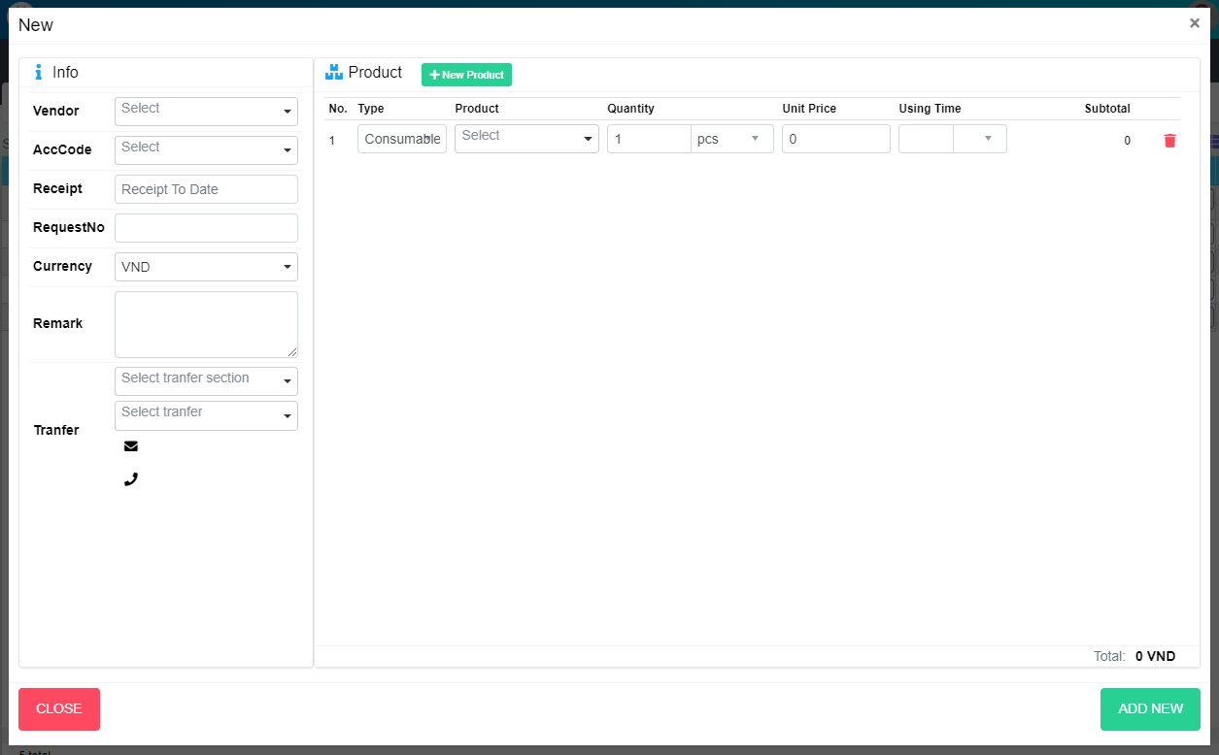
M01
Search name...
M13
M14
IT
M02
M15
M17
M18
M20
M21
M22
M23
M03
SEARCH
M25
Option 1
Option 2

M04
M24
M26
M27
M29
M30
M31
M32
M33
M34
M35
Checkbox 1
Checkbox 2
V

M06
Naming Rule:
- Controls of Main Screen: M01, M02, M03...
- Controls of List (Data Table): L01, L02, L03...
M07

M05

M09
M10

M08
M11
M12

M37
M36

M39
M38

 | Main Screen
 | No |  | Item Name |  |  | Label |  | Item Type | Input Regulation | Tab Index | I/O | Required | Default Text |  | Length | Note
 | M01 |  |  |  |  | New |  | Label | Cannot Edit | - | O | - | - |  | - | -
 | M02 |  |  |  |  | Info |  | Label | Cannot Edit | - | O | - | - |  | - | -
 | M03 |  |  |  |  | Vendor |  | ComboBox | - | - | I | - | - |  | - | Choose vendor
 | M04 |  |  |  |  | Receipt Date |  | DateTime | - | - | I | - | - |  | - | -
 | M05 |  |  |  |  | Remark |  | TextBox | FullAndhalf | - | I | - | - |  | - | -
 | M06 |  |  |  |  | RequestNo |  | TextBox | HalfOnly | - | I | - | - |  | - | -
 | M07 |  |  |  |  | Curency |  | ComboBox | - | - | I | - | - |  | - | Choose currency
 | M08 |  |  |  |  | Tranfer |  | Label | Cannot Edit | - | O | - | - |  | -
 | M09 |  |  |  |  |  |  | ComboBox | - | - | I | - | - |  | - | Select section of receiver
 | M10 |  |  |  |  |  |  | ComboBox | - | - | I | - | - |  | - | Select receiver
 | M11 |  |  |  |  |  |  | Label | Cannot Edit | - | O | - | - |  | - | Mail of receiver
 | M12 |  |  |  |  |  |  | Label | Cannot Edit | - | O | - | - |  | - | Phone of reciever
 | M13 |  |  |  |  | Product |  | Label | Cannot Edit | - | O | - | - |  | - | -
 | M14 |  |  |  |  | New Product |  | Button | Cannot Edit | - | O | - | - |  | - | Create new product
 | M15 |  |  |  |  | No |  | Label | Cannot Edit | - | O | - | - |  | - | -
 | M16 |  |  |  |  | AccCode |  | Label | Cannot Edit | - | O | - | - |  | - | -
 | M17 |  |  |  |  | Type |  | Label | Cannot Edit | - | O | - | - |  | - | -
 | M18 |  |  |  |  | Product |  | Label | Cannot Edit | - | O | - | - |  | - | -
 | M19 |  |  |  |  | Description |  | Label | Cannot Edit | - | O | - | - |  | - | -
 | M20 |  |  |  |  | Quantity |  | Label | Cannot Edit | - | O | - | - |  | - | -
 | M21 |  |  |  |  | Unit Price |  | Label | Cannot Edit | - | O | - | - |  | - | -
 | M22 |  |  |  |  | Using Time |  | Label | Cannot Edit | - | O | - | - |  | - | -
 | M23 |  |  |  |  | Subtotal |  | Label | Cannot Edit | - | O | - | - |  | - | -
 | M24 |  |  |  |  |  |  | Label | Cannot Edit | - | O | - | - |  | - | No
 | M25 |  |  |  |  |  |  | ComboBox | Cannot Edit | - | I | - | - |  | - | Choose Account Code
 | M26 |  |  |  |  |  |  | ComboBox | Cannot Edit | - | I | - | - |  | - | Choose Product Type
 | M27 |  |  |  |  |  |  | ComboBox | Cannot Edit | - | I | - | - |  | - | Choose Product
 | M28 |  |  |  |  |  |  | Label | Cannot Edit | - | O | - | - |  | - | Product Description
 | M29 |  |  |  |  |  |  | TextBox | Cannot Edit | - | I | - | - |  | - | Input quantity
 | M30 |  |  |  |  |  |  | ComboBox | Cannot Edit | - | I | - | - |  | - | Choose Unit
 | M31 |  |  |  |  |  |  | TextBox | Cannot Edit | - | I | - | - |  | - | Input Unit Price
 | M32 |  |  |  |  |  |  | TextBox | HalfOnly | - | I | - | - |  | - | Choose Using Time
 | M33 |  |  |  |  |  |  | ComboBox | - | - | I | - | - |  | - | Choose Using Type
 | M34 |  |  |  |  |  |  | Label | Cannot Edit | - | O | - | - |  | - | Sub Total
 | M35 |  |  |  |  |  |  | Button | - | - | O | - | - |  | - | Button Delete Item
 | M36 |  |  |  |  | Total |  | Label | Cannot Edit | - | O | - | - |  | -
 | M37 |  |  |  |  | Total + Currency |  | Label | Cannot Edit | - | O | - | - |  | -
 | M38 |  |  |  |  | CLOSE |  | Button | - | - | O | - | - |  | - | Button Close
 | M39 |  |  |  |  | ADD NEW |  | Button | - | - | O | - | - |  | - | Button Save

 | 2. | Description
 |  | 2.1. | Select product combobox (M27):
 |  |  | Add one more row in product list
 |  |  | Auto fill data in Description label (M28)

 |  | 2.2 | Click button (M35)
 |  |  | Remove row from product list

 |  | 2.3. | Click button "CLOSE" (M38):
 |  |  | Close pop-up Add New PR (Main Screen)

 |  | 2.4. | Click button "ADD NEW" (M39):
 |  |  | ・ | Create new PR
 |  |  | ・ | Close pop-up Add New PR (Main Screen)
 |  |  | ・ | Re-load PR List
 |  |  | ・ | Show message "Add New Item Successfully"

 |  | 2.5. | Click button "Add Product" (M14):
 |  |  | Open pop-up Add New Product (P002)

UpdatePR
Screen design |  |  |  |  | System Name |  | Sub System Name |  | Screen ID |  |  |  |  | Screen Name |  |  | Page
 |  |  |  |  | Purchase Process Managerment |  | PR Management |  | PR004 |  |  |  |  | UpdatePR

 | 1. | Mockup Screen
 | 1.1. Main Screen
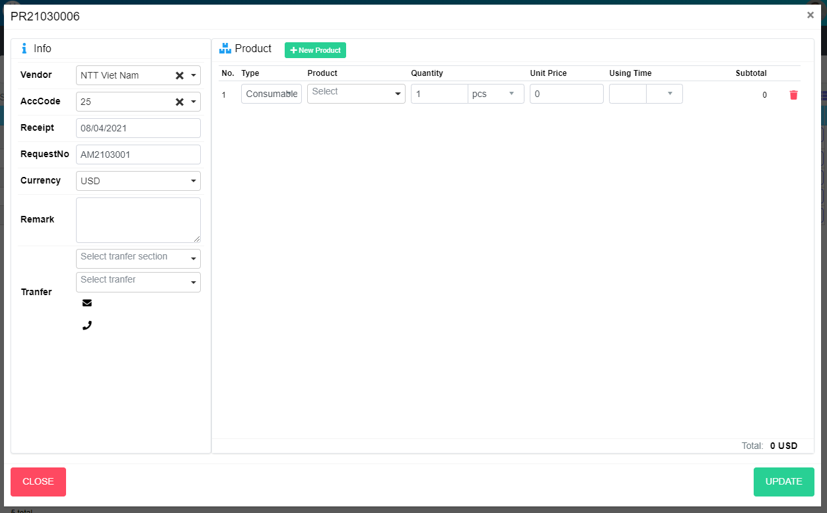
M01
Search name...
M13
M14
IT
M03
M02
M15
M17
M18
M20
M21
M22
M23
SEARCH
M25
Option 1
Option 2

M04
M24
M26
M27
M29
M30
M31
M32
M33
M34
M35
Checkbox 1
Checkbox 2
V

M06
M07
Naming Rule:
- Controls of Main Screen: M01, M02, M03...
- Controls of List (Data Table): L01, L02, L03...

M05

M09

M10

M08
M11
M12

M37
M36

M38
M39
UPDATE

 | Main Screen
 | No |  | Item Name |  |  | Label |  | Item Type | Input Regulation | Tab Index | I/O | Required | Default Text |  | Length | Note
 | M01 |  | - |  |  |  |  | Label | Cannot Edit | - | O | - | - |  | - | PRNo
 | M02 |  |  |  |  | Info |  | Label | Cannot Edit | - | O | - | - |  | - | -
 | M03 |  |  |  |  | Vendor |  | ComboBox | - | - | I | - | - |  | - | Choose vendor
 | M04 |  |  |  |  | Receipt Date |  | DateTime | - | - | I | - | - |  | - | -
 | M05 |  |  |  |  | Remark |  | TextBox | FullAndhalf | - | I | - | - |  | - | -
 | M06 |  |  |  |  | RequestNo |  | TextBox | HalfOnly | - | I | - | - |  | - | -
 | M07 |  |  |  |  | Curency |  | ComboBox | - | - | I | - | - |  | - | Choose currency
 | M08 |  |  |  |  | Tranfer |  | Label | Cannot Edit | - | O | - | - |  | -
 | M09 |  |  |  |  |  |  | ComboBox | - | - | I | - | - |  | - | Select section of receiver
 | M10 |  |  |  |  |  |  | ComboBox | - | - | I | - | - |  | - | Select receiver
 | M11 |  |  |  |  |  |  | Label | Cannot Edit | - | O | - | - |  | - | Mail of receiver
 | M12 |  |  |  |  |  |  | Label | Cannot Edit | - | O | - | - |  | - | Phone of reciever
 | M13 |  |  |  |  | Product |  | Label | Cannot Edit | - | O | - | - |  | - | -
 | M14 |  |  |  |  | New Product |  | Button | Cannot Edit | - | O | - | - |  | - | Create new product
 | M15 |  |  |  |  | No |  | Label | Cannot Edit | - | O | - | - |  | - | -
 | M16 |  |  |  |  | AccCode |  | Label | Cannot Edit | - | O | - | - |  | - | -
 | M17 |  |  |  |  | Type |  | Label | Cannot Edit | - | O | - | - |  | - | -
 | M18 |  |  |  |  | Product |  | Label | Cannot Edit | - | O | - | - |  | - | -
 | M19 |  |  |  |  | Description |  | Label | Cannot Edit | - | O | - | - |  | - | -
 | M20 |  |  |  |  | Quantity |  | Label | Cannot Edit | - | O | - | - |  | - | -
 | M21 |  |  |  |  | Unit Price |  | Label | Cannot Edit | - | O | - | - |  | - | -
 | M22 |  |  |  |  | Using Time |  | Label | Cannot Edit | - | O | - | - |  | - | -
 | M23 |  |  |  |  | Subtotal |  | Label | Cannot Edit | - | O | - | - |  | - | -
 | M24 |  |  |  |  |  |  | Label | Cannot Edit | - | O | - | - |  | - | No
 | M25 |  |  |  |  |  |  | ComboBox | Cannot Edit | - | I | - | - |  | - | Choose Account Code
 | M26 |  |  |  |  |  |  | ComboBox | Cannot Edit | - | I | - | - |  | - | Choose Product Type
 | M27 |  |  |  |  |  |  | ComboBox | Cannot Edit | - | I | - | - |  | - | Choose Product
 | M28 |  |  |  |  |  |  | Label | Cannot Edit | - | O | - | - |  | - | Product Description
 | M29 |  |  |  |  |  |  | TextBox | Cannot Edit | - | I | - | - |  | - | Input quantity
 | M30 |  |  |  |  |  |  | ComboBox | Cannot Edit | - | I | - | - |  | - | Choose Unit
 | M31 |  |  |  |  |  |  | TextBox | Cannot Edit | - | I | - | - |  | - | Input Unit Price
 | M32 |  |  |  |  |  |  | TextBox | HalfOnly | - | I | - | - |  | - | Choose Using Time
 | M33 |  |  |  |  |  |  | ComboBox | - | - | I | - | - |  | - | Choose Using Type
 | M34 |  |  |  |  | Sub Total |  | Label | Cannot Edit | - | O | - | - |  | - | Sub Total
 | M35 |  |  |  |  | Sub Total + Currency |  | Button | - | - | O | - | - |  | - | Button Delete Item
 | M36 |  |  |  |  | Total |  | Label | Cannot Edit | - | O | - | - |  | -
 | M37 |  |  |  |  | Total + Currency |  | Label | Cannot Edit | - | O | - | - |  | -
 | M38 |  |  |  |  | CLOSE |  | Button | - | - | O | - | - |  | - | Button Close
 | M39 |  |  |  |  | UPDATE |  | Button | - | - | O | - | - |  | - | Button Update

 | 2. | Description
 |  | 2.1. | Select product combobox (M27):
 |  |  | Add one more row in product list
 |  |  | Auto fill data in Description label (M28)

 |  | 2.2 | Click button (M35)
 |  |  | Remove row from product list

 |  | 2.3. | Click button "CLOSE" (M38):
 |  |  | Close pop-up Update PR (Main Screen)

 |  | 2.4. | Click button "UPDATE" (M39):
 |  |  | ・ | Update PR
 |  |  | ・ | Close pop-up Update PR
 |  |  | ・ | Re-load PR List
 |  |  | ・ | Show message "Update Item Successfully"

 |  | 2.5. | Click button "Add Product" (M14):
 |  |  | Open pop-up Add New Product (P002)

DetailPR
Screen design |  |  |  | System Name |  | Sub System Name |  | Screen ID |  |  |  |  | Screen Name |  |  | Page
 |  |  |  | Purchase Process Managerment |  | PR Management |  | PR005 |  |  |  |  | DetailPR

 | 1. | Mockup Screen
 | 1.1. Main Screen
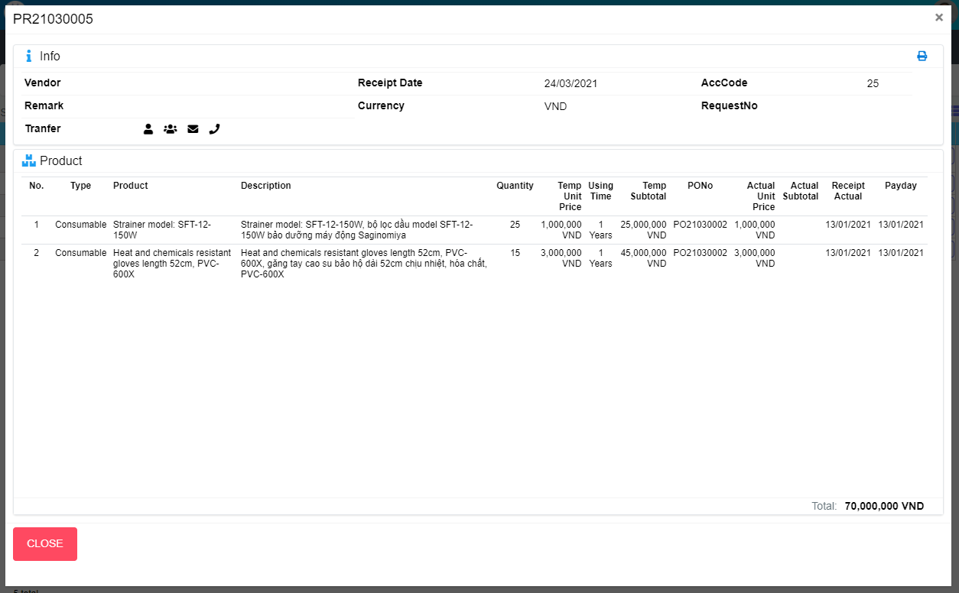
M01
Search name...

M02
M03
IT

M04
M05
M16
SEARCH
M06
M08
M07
Option 1
Option 2
M09
M10
M11
M12
M13
Order
Phong
M32
Checkbox 1
Checkbox 2
V
M14
M17
M18
M19
M20
M21
M22
M23
M24
M25
M26
M27
M28
M15
Naming Rule:
- Controls of Main Screen: M01, M02, M03...
- Controls of List (Data Table): L01, L02, L03...

M29
M30

M31

 | Main Screen
 | No |  | Item Name |  | Label |  | Item Type | Input Regulation | Tab Index | I/O | Required | Default Text |  | Length | Note
 | M01 |  | - |  |  |  | Label | Cannot Edit | - | O | - | - |  | - | PRNo
 | M02 |  | - |  | Info |  | Label | Cannot Edit | - | O | - | - |  | - | -
 | M03 |  | - |  |  |  | Button | - | - | I | - | - |  | - | Button Print PR
 | M04 |  | - |  | Vendor |  | Label | Cannot Edit | - | O | - | - |  | - | -
 | M05 |  | - |  | Receipt Date |  | Label | Cannot Edit | - | O | - | - |  | - | -
 | M06 |  | - |  | RequestNo |  | Label | Cannot Edit | - | O | - | - |  | - | -
 | M07 |  | - |  | Remark |  | Label | Cannot Edit | - | O | - | - |  | - | -
 | M08 |  | - |  | Currency |  | Label | Cannot Edit | - | O | - | - |  | - | -
 | M09 |  | - |  | Tranfer |  | Label | Cannot Edit | - | O | - | - |  | - | -
 | M10 |  | - |  |  |  | Label | Cannot Edit | - | O | - | - |  | - | Receiver
 | M11 |  | - |  |  |  | Label | Cannot Edit | - | O | - | - |  | - | Section of receiver
 | M12 |  |  |  |  |  | Label | Cannot Edit | - | O | - | - |  | - | Mail of receiver
 | M13 |  |  |  |  |  | Label | Cannot Edit | - | O | - | - |  | - | Phone of receiver
 | M14 |  | - |  | Product |  | Label | Cannot Edit | - | O | - | - |  | - | -
 | M15 |  | - |  | No |  | Label | Cannot Edit | - | O | - | - |  | - | -
 | M16 |  | - |  | AccCode |  | Label | Cannot Edit | - | O | - | - |  | - | -
 | M17 |  | - |  | Type |  | Label | Cannot Edit | - | O | - | - |  | - | -
 | M18 |  | - |  | Product |  | Label | Cannot Edit | - | O | - | - |  | - | -
 | M19 |  | - |  | Description |  | Label | Cannot Edit | - | O | - | - |  | - | -
 | M20 |  | - |  | Quantity |  | Label | Cannot Edit | - | O | - | - |  | - | -
 | M21 |  | - |  | Temp Unit Price |  | Label | Cannot Edit | - | O | - | - |  | - | -
 | M22 |  | - |  | Using Time |  | Label | Cannot Edit | - | O | - | - |  | - | -
 | M23 |  | - |  | Temp Subtotal |  | Label | Cannot Edit | - | O | - | - |  | - | -
 | M24 |  | - |  | PONo |  | Label | Cannot Edit | - | O | - | - |  | - | -
 | M25 |  | - |  | Actual Unit Price |  | Label | Cannot Edit | - | O | - | - |  | - | -
 | M26 |  | - |  | Actual Subtotal |  | Label | Cannot Edit | - | O | - | - |  | - | -
 | M27 |  | - |  | Receipt Actual Date |  | Label | Cannot Edit | - | O | - | - |  | - | -
 | M28 |  | - |  | Payday |  | Label | Cannot Edit | - | O | - | - |  | - | -
 | M29 |  | - |  | Total |  | Label | Cannot Edit | - | O | - | - |  | - | -
 | M30 |  | - |  | Total + Currency |  | Label | - | - | O | - | - |  | - | -
 | M31 |  | - |  | CLOSE |  | Button | - | - | O | - | - |  | - | Button Close
 | M32 |  | - |  | Order |  | Label | Cannot Edit | - | O | - | - |  | - | -

 | 2. | Description
 |  | 2.1. | Click button "Print" (M03)
 |  |  | Print PR

 |  | 2.3. | Click button "CLOSE" (M31):
 |  |  | Close pop-up Detail PR

ClonePR
Screen design |  |  |  |  | System Name |  | Sub System Name |  | Screen ID |  |  |  |  | Screen Name |  |  | Page
 |  |  |  |  | Purchase Process Managerment |  | PR Management |  | PR006 |  |  |  |  | ClonePR

 | 1. | Mockup Screen
 | 1.1. Main Screen
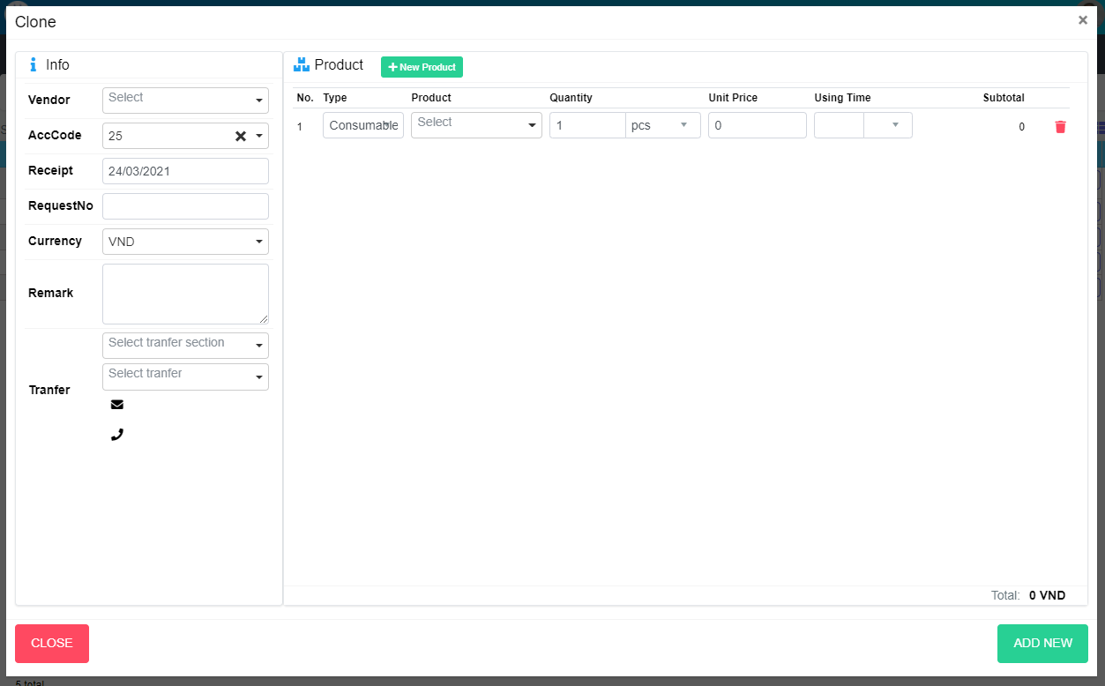
M01
Search name...
M13
M14
IT
M03
M02
M15
M17
M18
M20
M21
M22
M23
SEARCH
M25
Option 1
Option 2

M04
M24
M26
M27
M29
M30
M31
M32
M33
M34
M35
Checkbox 1
Checkbox 2
V

M06
Naming Rule:
- Controls of Main Screen: M01, M02, M03...
- Controls of List (Data Table): L01, L02, L03...
M07

M05

M09

M10

M08
M11
M12

M37
M36

M38
M39

 | Main Screen
 | No |  | Item Name |  |  | Label |  | Item Type | Input Regulation | Tab Index | I/O | Required | Default Text |  | Length | Note
 | M01 |  |  |  |  | Clone |  | Label | Cannot Edit | - | O | - | - |  | - | -
 | M02 |  |  |  |  | Info |  | Label | Cannot Edit | - | O | - | - |  | - | -
 | M03 |  |  |  |  | Vendor |  | ComboBox | - | - | I | - | - |  | - | Choose vendor
 | M04 |  |  |  |  | Receipt Date |  | DateTime | - | - | I | - | - |  | - | -
 | M05 |  |  |  |  | Remark |  | TextBox | FullAndhalf | - | I | - | - |  | - | -
 | M06 |  |  |  |  | RequestNo |  | TextBox | HalfOnly | - | I | - | - |  | - | -
 | M07 |  |  |  |  | Curency |  | ComboBox | - | - | I | - | - |  | - | Choose currency
 | M08 |  |  |  |  | Tranfer |  | Label | Cannot Edit | - | O | - | - |  | -
 | M09 |  |  |  |  |  |  | ComboBox | - | - | I | - | - |  | - | Select section of receiver
 | M10 |  |  |  |  |  |  | ComboBox | - | - | I | - | - |  | - | Select receiver
 | M11 |  |  |  |  |  |  | Label | Cannot Edit | - | O | - | - |  | - | Mail of receiver
 | M12 |  |  |  |  |  |  | Label | Cannot Edit | - | O | - | - |  | - | Phone of reciever
 | M13 |  |  |  |  | Product |  | Label | Cannot Edit | - | O | - | - |  | - | -
 | M14 |  |  |  |  | New Product |  | Button | Cannot Edit | - | O | - | - |  | - | Create new product
 | M15 |  |  |  |  | No |  | Label | Cannot Edit | - | O | - | - |  | - | -
 | M16 |  |  |  |  | AccCode |  | Label | Cannot Edit | - | O | - | - |  | - | -
 | M17 |  |  |  |  | Type |  | Label | Cannot Edit | - | O | - | - |  | - | -
 | M18 |  |  |  |  | Product |  | Label | Cannot Edit | - | O | - | - |  | - | -
 | M19 |  |  |  |  | Description |  | Label | Cannot Edit | - | O | - | - |  | - | -
 | M20 |  |  |  |  | Quantity |  | Label | Cannot Edit | - | O | - | - |  | - | -
 | M21 |  |  |  |  | Unit Price |  | Label | Cannot Edit | - | O | - | - |  | - | -
 | M22 |  |  |  |  | Using Time |  | Label | Cannot Edit | - | O | - | - |  | - | -
 | M23 |  |  |  |  | Subtotal |  | Label | Cannot Edit | - | O | - | - |  | - | -
 | M24 |  |  |  |  |  |  | Label | Cannot Edit | - | O | - | - |  | - | No
 | M25 |  |  |  |  |  |  | ComboBox | Cannot Edit | - | I | - | - |  | - | Choose Account Code
 | M26 |  |  |  |  |  |  | ComboBox | Cannot Edit | - | I | - | - |  | - | Choose Product Type
 | M27 |  |  |  |  |  |  | ComboBox | Cannot Edit | - | I | - | - |  | - | Choose Product
 | M28 |  |  |  |  |  |  | Label | Cannot Edit | - | O | - | - |  | - | Product Description
 | M29 |  |  |  |  |  |  | TextBox | Cannot Edit | - | I | - | - |  | - | Input quantity
 | M30 |  |  |  |  |  |  | ComboBox | Cannot Edit | - | I | - | - |  | - | Choose Unit
 | M31 |  |  |  |  |  |  | TextBox | Cannot Edit | - | I | - | - |  | - | Input Unit Price
 | M32 |  |  |  |  |  |  | TextBox | HalfOnly | - | I | - | - |  | - | Choose Using Time
 | M33 |  |  |  |  |  |  | ComboBox | - | - | I | - | - |  | - | Choose Using Type
 | M34 |  |  |  |  |  |  | Label | Cannot Edit | - | O | - | - |  | - | Sub Total
 | M35 |  |  |  |  |  |  | Button | - | - | O | - | - |  | - | Button Delete Item
 | M36 |  |  |  |  | Total |  | Label | Cannot Edit | - | O | - | - |  | -
 | M37 |  |  |  |  | Total + Currency |  | Label | Cannot Edit | - | O | - | - |  | -
 | M38 |  |  |  |  | CLOSE |  | Button | - | - | O | - | - |  | - | Button Close
 | M39 |  |  |  |  | ADD NEW |  | Button | - | - | O | - | - |  | - | Button Save

 | 2. | Description
 |  | 2.1. | Select product combobox (M27):
 |  |  | Add one more row in product list
 |  |  | Auto fill data in Description label (M28)

 |  | 2.2 | Click button (M35)
 |  |  | Remove row from product list

 |  | 2.3. | Click button "CLOSE" (M38):
 |  |  | Close pop-up Clone PR (Main Screen)

 |  | 2.4. | Click button "ADD NEW" (M39):
 |  |  | ・ | Create new PR
 |  |  | ・ | Close pop-up Clone PR (Main Screen)
 |  |  | ・ | Re-load PR List
 |  |  | ・ | Show message "Add New Item Successfully"

 |  | 2.5. | Click button "Add Product" (M14):
 |  |  | Open pop-up Add New Product (P002)

