PRCheckList
Screen design |  |  |  |  | System Name |  |  |  | Sub System Name |  | Screen ID |  |  |  |  | Screen Name |  |  | Page
 |  |  |  |  | Purchase Process Managerment |  |  |  | PR Check |  | PRC001 |  |  |  |  | PRCheckList

Search name...
 | 1. | Mockup Screen
 | 1.1. Main Screen
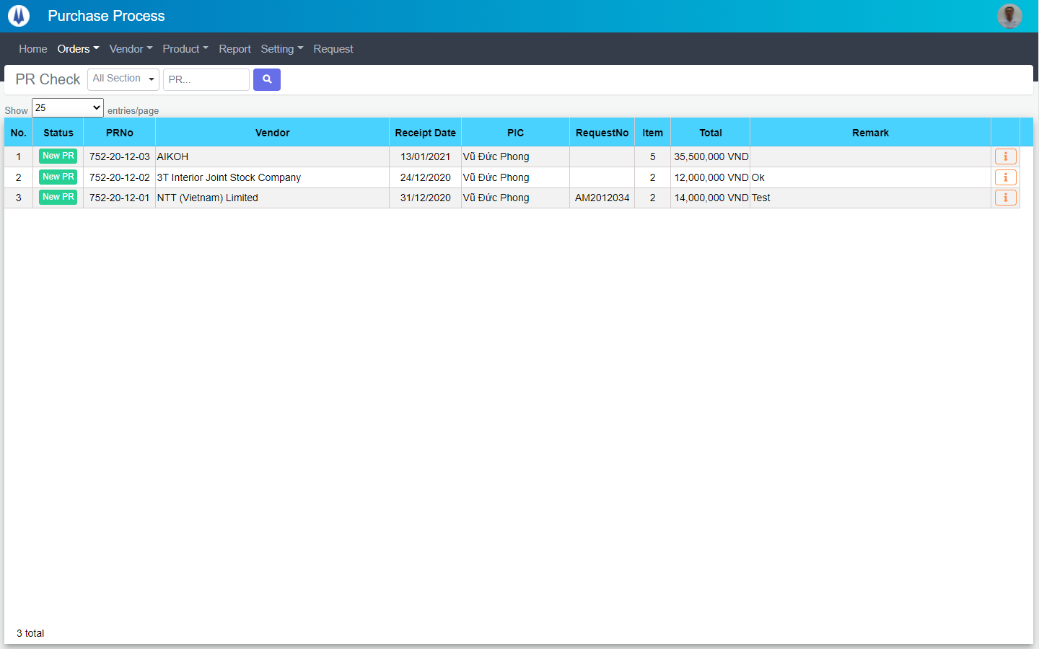
IT

M01
M02
M03
M04
L01
L02
L03
L04
L05
L06
L07
L09
M05
L10
L08
L11
SEARCH
Option 1
Option 2
M06
Checkbox 1
Checkbox 2
V

Naming Rule:
- Controls of Main Screen: M01, M02, M03...
- Controls of List (Data Table): L01, L02, L03...

 | Main Screen
 | No |  | Item Name |  |  |  |  | Label |  | Item Type | Input Regulation | Tab Index | I/O | Required | Default Text |  | Length | Note
 | M01 |  | - |  |  |  |  | PR Check |  | Label | Cannot Edit | - | O | - | - |  | - | -
 | M02 |  | - |  |  |  |  |  |  | ComboBox | - | - | I | - | - |  | - | -
 | M03 |  | - |  |  |  |  | - |  | TextBox | HalfOnly | - | I | - | PR… |  | - | -
 | M04 |  | - |  |  |  |  | - |  | Button | - | - | O | - |  |  | - | Button Search
 | M05 |  | - |  |  |  |  | Show | entries/page |  | ComboBox | - | - | I | - |  |  | - | -
 | M06 |  | - |  |  |  |  |  |  | List | - | - | O | - |  |  | - | Button PR Item List

 | List
 | No |  | Item Name |  |  |  |  | Label |  | Item Type | Input Regulation | Tab Index | I/O | Required | Default Text |  | Length | Note
 | L01 |  | - |  |  |  |  | No. |  | Label | Cannot Edit | - | O | - | - |  | - | -
 | L02 |  | - |  |  |  |  | Status |  | Label | Cannot Edit | - | O | - | - |  | - | -
 | L03 |  | - |  |  |  |  | PRNo |  | Label | Cannot Edit | - | O | - | - |  | - | -
 | L04 |  | - |  |  |  |  | Vendor |  | Label | Cannot Edit | - | O | - | - |  | - | -
 | L05 |  | - |  |  |  |  | Receipt Date |  | Label | Cannot Edit | - | O | - | - |  | - | -
 | L06 |  | - |  |  |  |  | PIC |  | Label | Cannot Edit | - | O | - | - |  | - | -
 | L07 |  | - |  |  |  |  | RequestNo |  | Label | Cannot Edit | - | O | - | - |  | - | -
 | L08 |  | - |  |  |  |  | Item |  | Label | Cannot Edit | - | O | - | - |  | - | -
 | L09 |  | - |  |  |  |  | Total |  | Label | Cannot Edit | - | O | - | - |  | - | -
 | L10 |  | - |  |  |  |  | Remark |  | Label | Cannot Edit | - | O | - | - |  | - | -
 | L11 |  | - |  |  |  |  | - |  | Button | - | - | O | - | - |  | - | Button Detail

 | 2. | Description
 | 2.1.Main Screen
 |  |  | 2.1.1. | Click button "Search" (M04):
 |  |  |  | Search request info by PIC Group (M02), PR No (M03)

 |  |  | 2.1.2. | Combobox Show (M05):
 |  |  |  | ・ | Value:
 |  |  |  |  |  | ・ | 15
 |  |  |  |  |  | ・ | 25
 |  |  |  |  |  | ・ | 50
 |  |  |  | ・ | When changing the value, changes the number of items to be displayed per page.

 |  |  | 2.1.3. | Click button "DETAIL" (L11):
 |  |  |  | Open new pop-up "Detail PR" (Screen ID: PRC002)

DetailPR
Screen design |  |  |  | System Name |  | Sub System Name |  | Screen ID |  |  |  |  | Screen Name |  |  | Page
 |  |  |  | Purchase Process Managerment |  | PR Check |  | PRC002 |  |  |  |  | DetailPR

 | 1. | Mockup Screen
 | 1.1. Main Screen
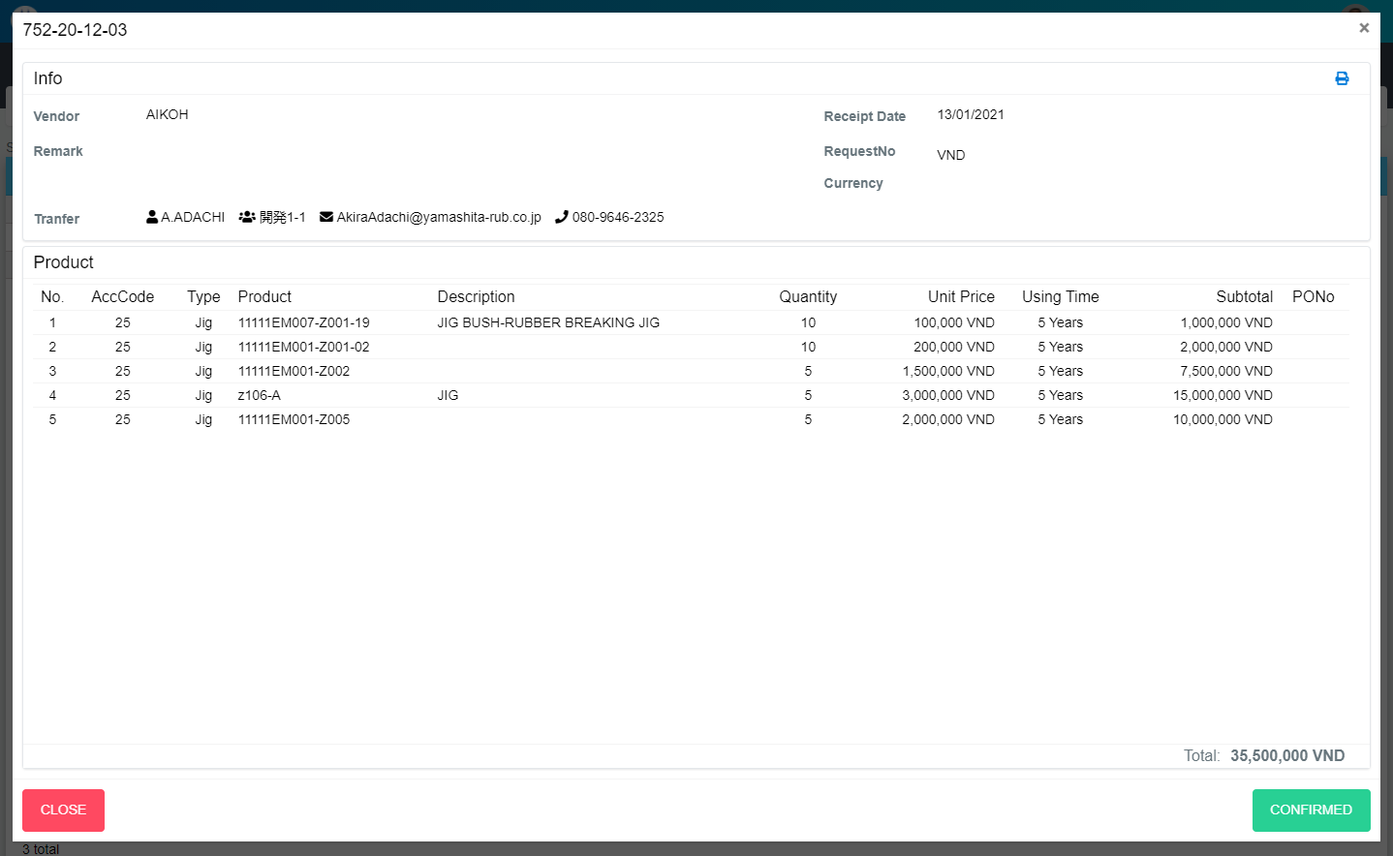
M01
Search name...

M03
IT
M02
M04
M05
SEARCH
M06
M07
Option 1
Option 2

M09
M10
M11
M12
M13
M08
Checkbox 1
Checkbox 2
V

M14
M15
M16
M17
M18
M21
M22
M23
M24
Naming Rule:
- Controls of Main Screen: M01, M02, M03...
- Controls of List (Data Table): L01, L02, L03...
M19
M20

M25
M26

M28
M27

 | Main Screen
 | No |  | Item Name |  | Label |  | Item Type | Input Regulation | Tab Index | I/O | Required | Default Text |  | Length | Note
 | M01 |  | - |  | New |  | Label | Cannot Edit | - | O | - | - |  | - | -
 | M02 |  | - |  | Info |  | Label | Cannot Edit | - | O | - | - |  | - | -
 | M03 |  | - |  |  |  | Button | - | - | I | - | - |  | - | Button Print PR
 | M04 |  | - |  | Vendor |  | Label | Cannot Edit | - | O | - | - |  | - | -
 | M05 |  | - |  | Receipt Date |  | Label | Cannot Edit | - | O | - | - |  | - | -
 | M06 |  | - |  | RequestNo |  | Label | Cannot Edit | - | O | - | - |  | - | -
 | M07 |  | - |  | Remark |  | Label | Cannot Edit | - | O | - | - |  | - | -
 | M08 |  | - |  | Currency |  | Label | Cannot Edit | - | O | - | - |  | - | -
 | M09 |  | - |  | Tranfer |  | Label | Cannot Edit | - | O | - | - |  | - | -
 | M10 |  | - |  |  |  | Label | Cannot Edit | - | O | - | - |  | - | Section of receiver
 | M11 |  | - |  |  |  | Label | Cannot Edit | - | O | - | - |  | - | Receiver
 | M12 |  |  |  |  |  | Label | Cannot Edit | - | O | - | - |  | - | Mail of receiver
 | M13 |  |  |  |  |  | Label | Cannot Edit | - | O | - | - |  | - | Phone of receiver
 | M14 |  | - |  | Product |  | Label | Cannot Edit | - | O | - | - |  | - | -
 | M15 |  | - |  | No |  | Label | Cannot Edit | - | O | - | - |  | - | -
 | M16 |  | - |  | AccCode |  | Label | Cannot Edit | - | O | - | - |  | - | -
 | M17 |  | - |  | Type |  | Label | Cannot Edit | - | O | - | - |  | - | -
 | M18 |  | - |  | Product |  | Label | Cannot Edit | - | O | - | - |  | - | -
 | M19 |  | - |  | Description |  | Label | Cannot Edit | - | O | - | - |  | - | -
 | M20 |  | - |  | Quantity |  | Label | Cannot Edit | - | O | - | - |  | - | -
 | M21 |  | - |  | Unit Price |  | Label | Cannot Edit | - | O | - | - |  | - | -
 | M22 |  | - |  | Using Time |  | Label | Cannot Edit | - | O | - | - |  | - | -
 | M23 |  | - |  | Subtotal |  | Label | Cannot Edit | - | O | - | - |  | - | -
 | M24 |  | - |  | PONo |  | Label | Cannot Edit | - | O | - | - |  | - | -
 | M25 |  | - |  | Total |  | Label | Cannot Edit | - | O | - | - |  | - | -
 | M26 |  | - |  |  |  | Label | - | - | O | - | - |  | - | -
 | M27 |  | - |  | CLOSE |  | Button | - | - | O | - | - |  | - | Button Close
 | M28 |  | - |  | CONFIRMED |  | Button | - | - | O | - | - |  | - | Button Confirmed

 | 2. | Description
 |  | 2.1. | Click button "CONFIRMED" (M28)
 |  |  | Confirmed this PR
 |  |  | Close pop-up Detail PR (Main Screen)

 |  | 2.2. | Click button "CLOSE" (M27):
 |  |  | Close pop-up Detail PR (Main Screen)

