ReportList
Screen design |  |  |  | System Name |  | Sub System Name |  | Screen ID |  |  |  |  | Screen Name |  |  | Page
 |  |  |  | Purchase Processing System |  | Report |  | R001 |  |  |  |  | ReportList

 | 1. | Mockup Screen
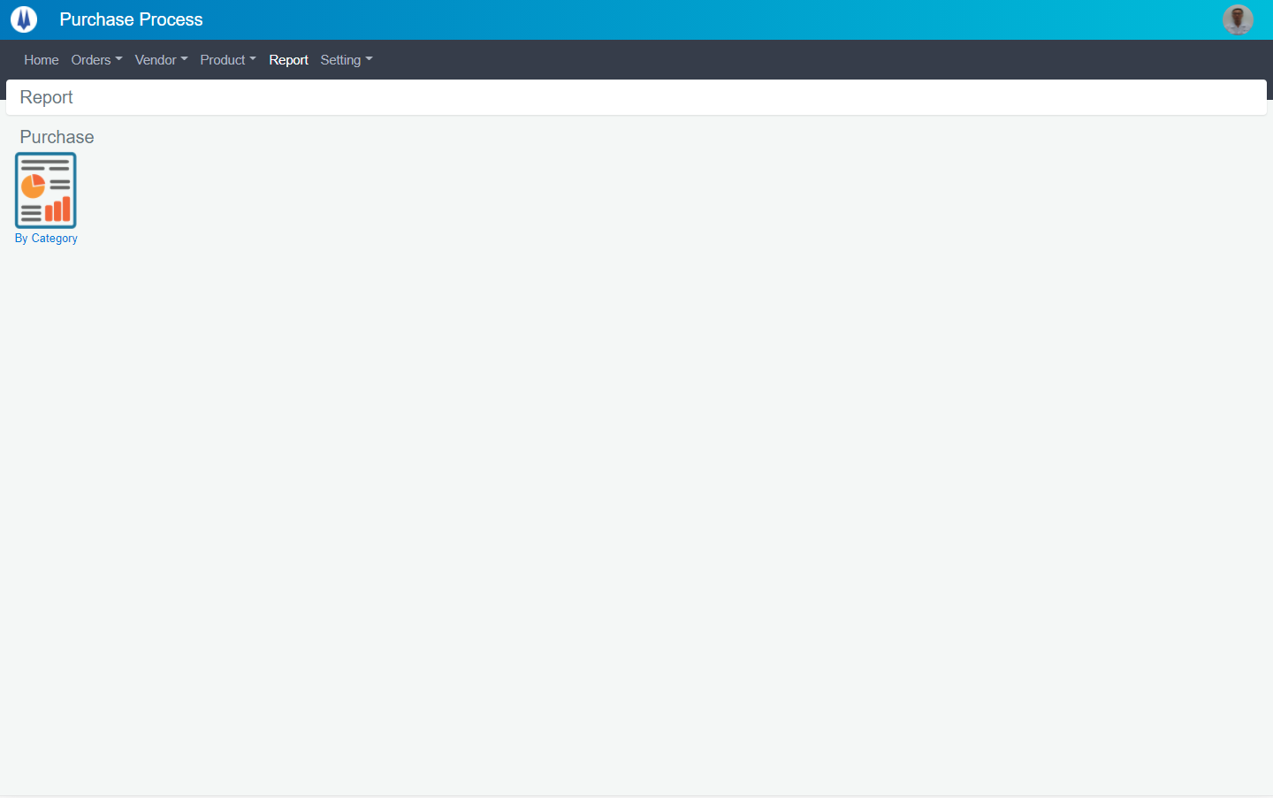
Search name...

IT
M01
SEARCH
Option 1
Option 2

M02
Checkbox 1
Checkbox 2
V

Naming Rule:
- Controls of Main Screen: M01, M02, M03...
- Controls of List (Data Table): L01, L02, L03...

 | Main Screen
 | No |  | Item Name |  | Label |  | Item Type | Input Regulation | Tab Index | I/O | Required | Default Text |  | Length | Note
 | M01 |  | - |  | Report |  | Label | Cannot Edit | - | O | - | - |  | - | -
 | M02 |  | - |  | By Category |  | Button | - | - | I | - | - |  | - | Button go category report

 | 2. | Description
 |  | 2.1. | Click button (M02):
 |  |  | Go to screen "PurchaseByCategory" (Screen ID: R002)

PurchaseByCategory
Screen design |  |  |  | System Name |  | Sub System Name |  | Screen ID |  |  |  |  | Screen Name |  |  | Page
 |  |  |  | Purchase Processing System |  | Report |  | R002 |  |  |  |  | PurchaseByCategory

 | 1. | Mockup Screen
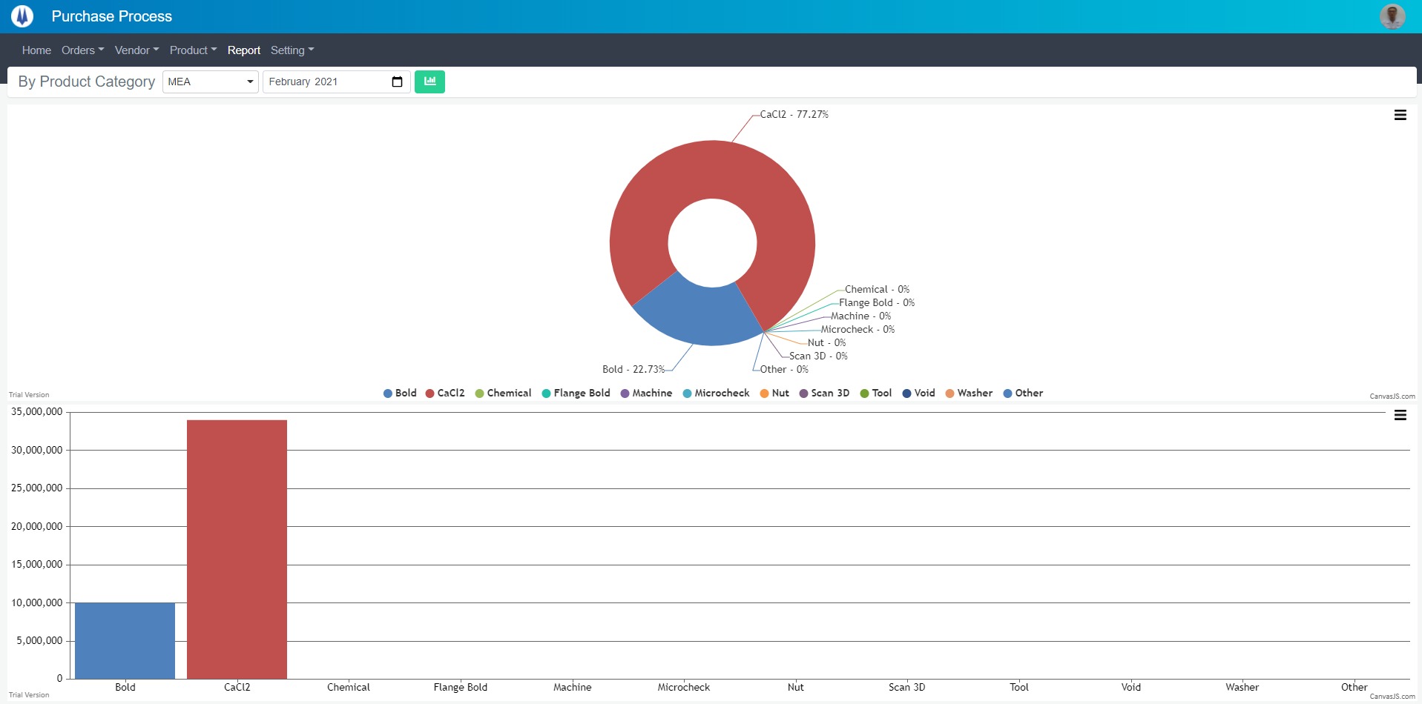
Search name...

IT
M01
M02
M03
M04
SEARCH
Option 1
Option 2
M05
Checkbox 1
Checkbox 2
V

Naming Rule:
- Controls of Main Screen: M01, M02, M03...
- Controls of List (Data Table): L01, L02, L03...

M06

 | Main Screen
 | No |  | Item Name |  | Label |  | Item Type | Input Regulation | Tab Index | I/O | Required | Default Text |  | Length | Note
 | M01 |  | - |  | By Product Category |  | Label | Cannot Edit | - | O | - | - |  | - | -
 | M02 |  | - |  |  |  | ComboBox | - | - | I | - | - |  | - | -
 | M03 |  | - |  |  |  | TextBox | - | - | I | - | - |  | - | -
 | M04 |  | - |  |  |  | Button | - | - | O | - | - |  | - | Button show chart
 | M05 |  | - |  |  |  | Chart | - | - | O | - | - |  | - | Donut Chart
 | M06 |  | - |  |  |  | Chart | - | - | O | - | - |  | - | Column Chart

 | 2. | Description
 |  | 2.1. | Click button (M04):
 |  |  | Show chart (M05) and (M06)

