Overview
Overview |  |  |  | System Name |  | Sub System Name |  | Screen ID |  | Screen Name | Page
 |  |  |  | Purchase Processing Managerment |  | Supplier Check Management |  | SC001~SC004

 | 1. | Overview，Purpose，Attention

 |  | Current status:
 |  |  | Old system have many issues, make trouble for end user.

 |  | Purpose of building this system:
 |  |  | Build new systems faster, easier to use
 |  |  | Add more some functions: Import/Export, Supplier Check Management,…

 |  | Evaluate effectiveness:
 |  |  | Save time to create Purchase Request, Purchase Order (20 minutes/1 Purchase Request)

 |  | User flow diagram
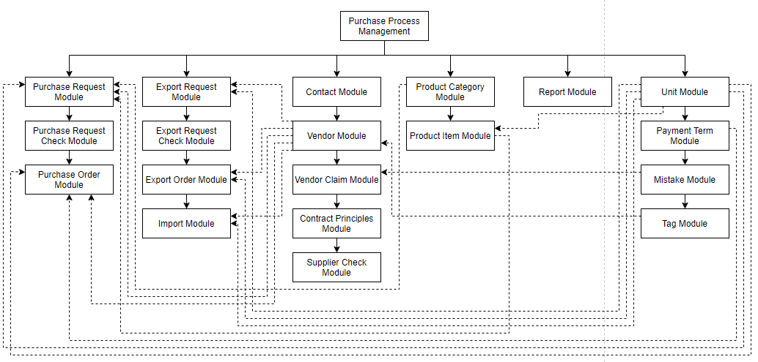

Purchase Order Module

Purchase Request Check Module

 | 2. | History
 | ＮＯ |  | Name |  | Date |  | Review | Date | Note
 | 1 |  | Vũ Đức Phong |  | 24/5/2021
 | 2
 | 3
 | 4
 | 5
 | 6
 | 7
 | 8
 | 9
 | 10

SupplierCheckList
Screen design |  |  |  |  | System Name |  |  |  | Sub System Name |  | Screen ID |  |  |  |  | Screen Name |  |  | Page
 |  |  |  |  | Purchase Processing Managerment |  |  |  | Supplier Check Management |  | SC001 |  |  |  |  | SupplierCheckList

 | 1. | Mockup Screen
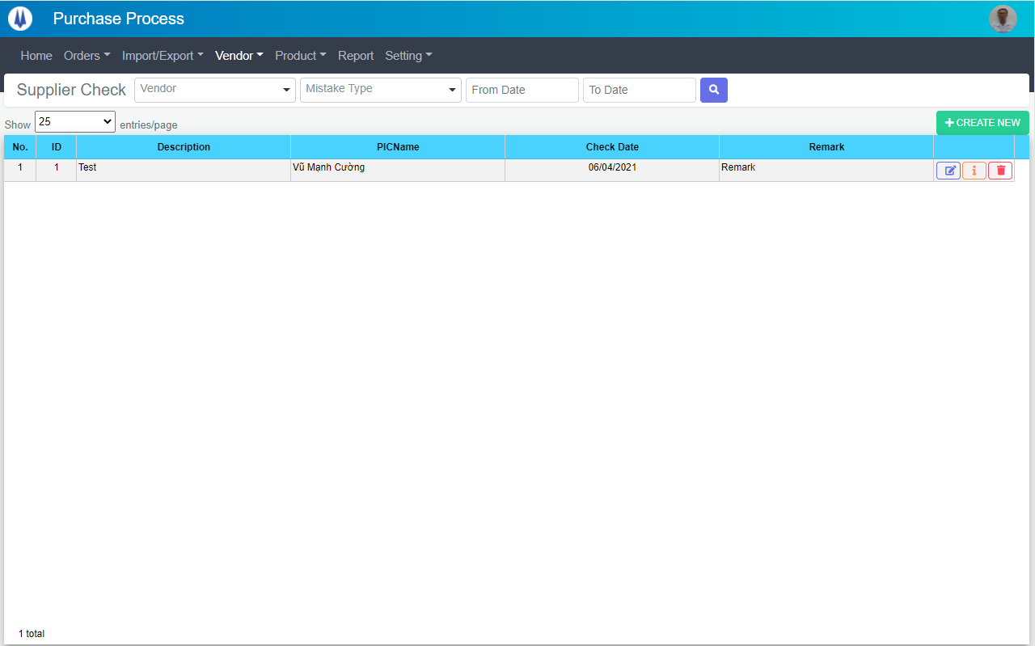
Search name...
IT

M01
M02
M03
M04
M05
L01
L02
L03
L04
L05
L06
L07
L09
M07
L08
M06
M09
M08
SEARCH
Option 1
Option 2

Checkbox 1
Checkbox 2
V

Naming Rule:
- Controls of Main Screen: M01, M02, M03...
- Controls of List (Data Table): L01, L02, L03...

 | Main Screen
 | No |  | Item Name |  |  |  |  | Label |  | Item Type | Input Regulation | Tab Index | I/O | Required | Default Text |  | Length | Note
 | M01 |  | - |  |  |  |  | Supplier Check |  | Label | Cannot Edit | - | O | - | - |  | - | -
 | M02 |  | - |  |  |  |  | - |  | ComboBox | - | - | I | - | Vendor |  | - | -
 | M03 |  | - |  |  |  |  | - |  | ComboBox | - | - | I | - | Mistake Type |  | - | -
 | M04 |  | - |  |  |  |  | - |  | DateTime | HalfOnly | - | I | - | - |  | - | Check From Date
 | M05 |  | - |  |  |  |  | - |  | DateTime | HalfOnly | - | I | - | - |  | - | Check To Date
 | M06 |  | - |  |  |  |  | - |  | Button | - | - | O | - | - |  | - | Button Search
 | M07 |  | - |  |  |  |  | Show | entries/page |  | ComboBox | - | - | I | - | - |  | - | -
 | M08 |  | - |  |  |  |  | + CREATE NEW |  | Button | - | - | O | - | - |  | - | Button Create New
 | M09 |  | - |  |  |  |  | - |  | List | - | - | O | - | - |  | - | -

 | List
 | No |  | Item Name |  |  |  |  | Label |  | Item Type | Input Regulation | Tab Index | I/O | Required | Default Text |  | Length | Note
 | L01 |  | - |  |  |  |  | No. |  | Label | Cannot Edit | - | O | - | - |  | - | -
 | L02 |  | - |  |  |  |  | ID |  | Label | Cannot Edit | - | O | - | - |  | - | -
 | L03 |  | - |  |  |  |  | Description |  | Label | Cannot Edit | - | O | - | - |  | - | -
 | L04 |  | - |  |  |  |  | PICName |  | Label | Cannot Edit | - | O | - | - |  | - | -
 | L05 |  | - |  |  |  |  | Check Date |  | Label | Cannot Edit | - | O | - | - |  | - | -
 | L06 |  | - |  |  |  |  | Remark |  | Label | Cannot Edit | - | O | - | - |  | - | -
 | L07 |  | - |  |  |  |  | - |  | Button | - | - | O | - | - |  | - | Button Update
 | L08 |  | - |  |  |  |  | - |  | Button | - | - | O | - | - |  | - | Button Detail
 | L09 |  | - |  |  |  |  | - |  | Button | - | - | O | - | - |  | - | Button Delete

 | 2. | Description
 | 2.1.Main Screen
 |  |  | 2.1.1. | Click button "Search" (M06):
 |  |  |  | Search supplier check by Vendor (M02), Mistake Type (M03), Check From Date(M04), Check To Date(M05)
 |  |  |  | ※ If Vendor (M02), Mistake Type (M03), Check From Date(M04), Check To Date(M05) is not input, find all supplier check

 |  |  | 2.1.2. | Click button "CREATE NEW" (M08):
 |  |  |  | Open new pop-up "AddNewSupplierCheck" (Screen ID: SC002)

 |  |  | 2.1.3. | Combobox Show (M07):
 |  |  |  | ・ | Value:
 |  |  |  |  |  | ・ | 15
 |  |  |  |  |  | ・ | 25
 |  |  |  |  |  | ・ | 50
 |  |  |  | ・ | When changing the value, changes the number of items to be displayed per page.

 |  |  | 2.1.4. | Click button "DETAIL" (L08):
 |  |  |  | Open new pop-up "DetailSupplierCheck" (Screen ID: SC004)

 |  |  | 2.1.5. | Click button "EDIT" (L07):
 |  |  |  | Open new pop-up "UpdateSupplierCheck" (Screen ID: SC003)

 |  |  | 2.1.6. | Click button "DELETE" (L09):
 |  |  |  | Open message box "Are you sure delete this supplier check?"
 |  |  |  | ・ | Select "Yes": Delete selected record, close message box.
 |  |  |  | ・ | Select "No": Close message box.

AddNewSupplierCheck
Screen design |  |  |  |  | System Name |  | Sub System Name |  | Screen ID |  |  |  |  | Screen Name |  |  | Page
 |  |  |  |  | Purchase Processing Managerment |  | Supplier Check Management |  | SC002 |  |  |  |  | AddNewSupplierCheck

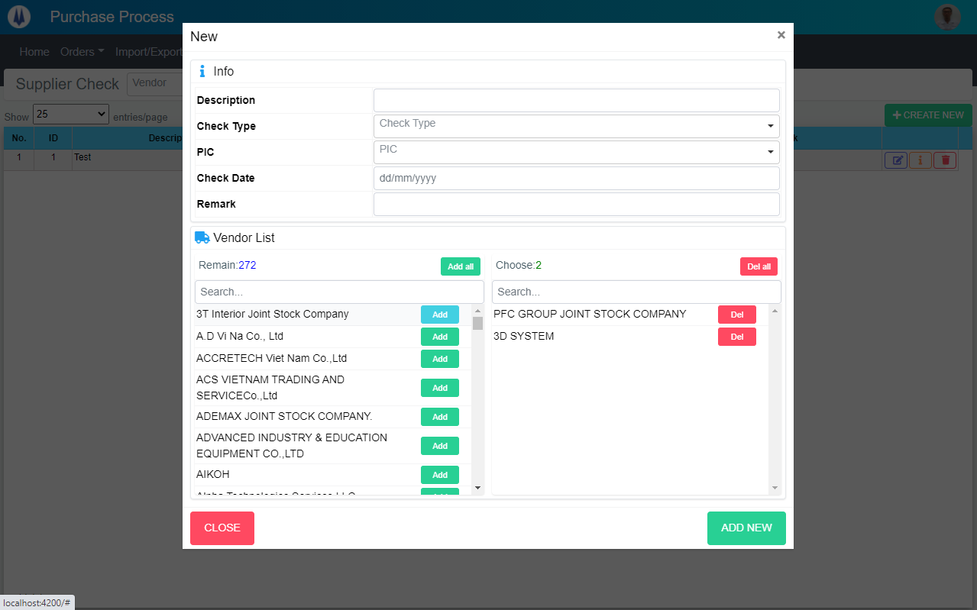
 | 1. | Mockup Screen
Search name...
M03
M04
M05
M06
M07
M01
M02
M09
M10
M11
M12
M13
M14
M16
M18
M19
M20
IT

SEARCH
Option 1
Option 2

Checkbox 1
Checkbox 2
V

Naming Rule:
- Controls of Main Screen: M01, M02, M03...
- Controls of List (Data Table): L01, L02, L03...

M08

M15

M17

Update
UPDATE

 | Main Screen
 | No |  | Item Name |  |  | Label |  | Item Type | Input Regulation | Tab Index | I/O | Required | Default Text |  | Length | Note
 | M01 |  | - |  |  | New |  | Label | Cannot Edit | - | O | - | - |  | - | -
 | M02 |  | - |  |  | Info |  | Label | Cannot Edit | - | O | - | - |  | - | -
 | M03 |  | - |  |  | Description |  | TextBox | FullAndhalf | - | I | - | - |  | - | -
 | M04 |  | - |  |  | Check Type |  | ComboBox | - | - | I | - | - |  | - | Choose check type
 | M05 |  | - |  |  | PIC |  | ComboBox | - | - | I | - | - |  | - | Choose PIC
 | M06 |  | - |  |  | Check Date |  | DateTime | - | - | I | - | - |  | - | -
 | M07 |  | - |  |  | Remark |  | TextBox | - | - | I | - | - |  | - | -
 | M08 |  | - |  |  | Vendor List |  | Label | Cannot Edit | - | O | - | - |  | - | -
 | M09 |  | - |  |  | Remain |  | Label | Cannot Edit | - | O | - | - |  | - | -
 | M10 |  | - |  |  | Add all |  | Button | - | - | O | - | - |  | - | Button add all
 | M11 |  | - |  |  | Choose |  | Label | Cannot Edit | - | O | - | - |  | - | -
 | M12 |  | - |  |  | Del all |  | Button | - | - | O | - | - |  | - | Button del all
 | M13 |  | - |  |  |  |  | TextBox | FullAndhalf | - | I | - | - |  | - | Filter vendor in remain list
 | M14 |  | - |  |  |  |  | TextBox | FullAndhalf | - | I | - | - |  | - | Filter vendor in choose list
 | M15 |  | - |  |  |  |  | List | - | - | O | - | - |  | - | Remain list
 | M16 |  | - |  |  |  |  | List | - | - | O | - | - |  | - | Choose list
 | M17 |  | - |  |  | Add |  | Button | - | - | O | - | - |  | - | Button add item
 | M18 |  | - |  |  | Del |  | Button | - | - | O | - | - |  | - | Button remove item
 | M19 |  | - |  |  | CLOSE |  | Button | - | - | O | - | - |  | - | Button Close
 | M20 |  | - |  |  | ADD NEW |  | Button | - | - | O | - | - |  | - | Button Add New

 | 2. | Description
 |  | 2.1 | Click button "Add all" (M10)
 |  |  | Move all item(only filter) from Remain list (M15) to Choose list (M16)
 |  |  | Update remain(M09) and choose(M11)

 |  | 2.2 | Click button "Del all" (M12)
 |  |  | Move all item(only filter) from Choose list (M16) to Remain list (M15)
 |  |  | Update remain(M09) and choose(M11)

 |  | 2.3 | Input Search (M13)
 |  |  | Filter remain list (M15)

 |  | 2.4 | Input Search (M14)
 |  |  | Filter choose list (M16)

 |  | 2.5 | Click button "Add" (M16)
 |  |  | Move item (selected) from Remain list (M15) to Choose list (M16)
 |  |  | Update remain(M09) and choose(M11)

 |  | 2.6 | Click button "Del" (M17)
 |  |  | Move item (selected) from Choose list (M16) to Remain list (M15)
 |  |  | Update remain(M09) and choose(M11)

 |  | 2.7 | Click button "CLOSE" (M19):
 |  |  | Close pop-up Add New Supplier Check (Main Screen)

 |  | 2.8 | Click button "ADD NEW" (M20):
 |  |  | ・ | Create new Supplier check
 |  |  | ・ | Close pop-up Add New Supplier Check (Main Screen)
 |  |  | ・ | Re-load Supplier Check List
 |  |  | ・ | Show message "Add New Item Successfully"

UpdateSupplierCheck
Screen design |  |  |  |  | System Name |  | Sub System Name |  | Screen ID |  |  |  |  | Screen Name |  |  | Page
 |  |  |  |  | Purchase Processing Managerment |  | Supplier Check Management |  | SC003 |  |  |  |  | UpdateSupplierCheck

 | 1. | Mockup Screen
Search name...
Update
M03
M04
M05
M06
M07
M01
M02
M09
M10
M11
M12
M13
M14
M16
M18
M19
M20
IT

SEARCH
Option 1
Option 2

Checkbox 1
Checkbox 2
V

Naming Rule:
- Controls of Main Screen: M01, M02, M03...
- Controls of List (Data Table): L01, L02, L03...

M08

M15

M17

UPDATE

 | Main Screen
 | No |  | Item Name |  |  | Label |  | Item Type | Input Regulation | Tab Index | I/O | Required | Default Text |  | Length | Note
 | M01 |  | - |  |  | Update |  | Label | Cannot Edit | - | O | - | - |  | - | -
 | M02 |  | - |  |  | Info |  | Label | Cannot Edit | - | O | - | - |  | - | -
 | M03 |  | - |  |  | Description |  | TextBox | FullAndhalf | - | I | - | - |  | - | -
 | M04 |  | - |  |  | Check Type |  | ComboBox | - | - | I | - | - |  | - | Choose check type
 | M05 |  | - |  |  | PIC |  | ComboBox | - | - | I | - | - |  | - | Choose PIC
 | M06 |  | - |  |  | Check Date |  | DateTime | - | - | I | - | - |  | - | -
 | M07 |  | - |  |  | Remark |  | TextBox | - | - | I | - | - |  | - | -
 | M08 |  | - |  |  | Vendor List |  | Label | Cannot Edit | - | O | - | - |  | - | -
 | M09 |  | - |  |  | Remain |  | Label | Cannot Edit | - | O | - | - |  | - | -
 | M10 |  | - |  |  | Add all |  | Button | - | - | O | - | - |  | - | Button add all
 | M11 |  | - |  |  | Choose |  | Label | Cannot Edit | - | O | - | - |  | - | -
 | M12 |  | - |  |  | Del all |  | Button | - | - | O | - | - |  | - | Button del all
 | M13 |  | - |  |  |  |  | TextBox | FullAndhalf | - | I | - | - |  | - | Filter vendor in remain list
 | M14 |  | - |  |  |  |  | TextBox | FullAndhalf | - | I | - | - |  | - | Filter vendor in choose list
 | M15 |  | - |  |  |  |  | List | - | - | O | - | - |  | - | Remain list
 | M16 |  | - |  |  |  |  | List | - | - | O | - | - |  | - | Choose list
 | M17 |  | - |  |  | Add |  | Button | - | - | O | - | - |  | - | Button add item
 | M18 |  | - |  |  | Del |  | Button | - | - | O | - | - |  | - | Button remove item
 | M19 |  | - |  |  | CLOSE |  | Button | - | - | O | - | - |  | - | Button Close
 | M20 |  | - |  |  | UPDATE |  | Button | - | - | O | - | - |  | - | Button Update

 | 2. | Description
 |  | 2.1 | Click button "Add all" (M10)
 |  |  | Move all item(only filter) from Remain list (M15) to Choose list (M16)
 |  |  | Update remain(M09) and choose(M11)

 |  | 2.2 | Click button "Del all" (M12)
 |  |  | Move all item(only filter) from Choose list (M16) to Remain list (M15)
 |  |  | Update remain(M09) and choose(M11)

 |  | 2.3 | Input Search (M13)
 |  |  | Filter remain list (M15)

 |  | 2.4 | Input Search (M14)
 |  |  | Filter choose list (M16)

 |  | 2.5 | Click button "Add" (M16)
 |  |  | Move item (selected) from Remain list (M15) to Choose list (M16)
 |  |  | Update remain(M09) and choose(M11)

 |  | 2.6 | Click button "Del" (M17)
 |  |  | Move item (selected) from Choose list (M16) to Remain list (M15)
 |  |  | Update remain(M09) and choose(M11)

 |  | 2.7 | Click button "CLOSE" (M19):
 |  |  | Close pop-up Add New Supplier Check (Main Screen)

 |  | 2.8 | Click button "UPDATE" (M20):
 |  |  | ・ | Update Supplier check
 |  |  | ・ | Close pop-up Update Supplier Check (Main Screen)
 |  |  | ・ | Re-load Supplier Check List
 |  |  | ・ | Show message "Update Item Successfully"

DetailSupplierCheck
Screen design |  |  |  | System Name |  | Sub System Name |  | Screen ID |  |  |  |  | Screen Name |  |  | Page
 |  |  |  | Purchase Processing Managerment |  | Supplier Check Management |  | SC004 |  |  |  |  | DetailSupplierCheck

 | 1. | Mockup Screen
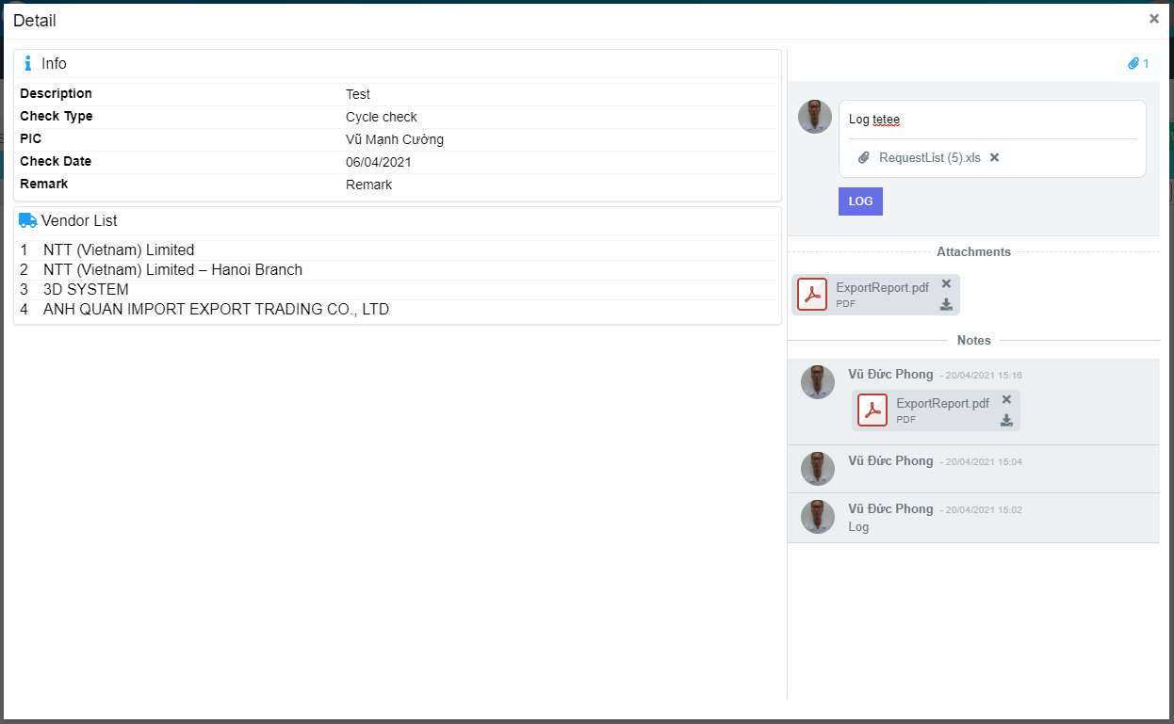
M01
Search name...
M12
M02
IT

M03
SEARCH
M04
M13
Option 1
Option 2
M05
M15
M06
M14
Checkbox 1
Checkbox 2
V
M07
M16
M08
M09
Naming Rule:
- Controls of Main Screen: M01, M02, M03...
- Controls of List (Data Table): L01, L02, L03...
M17

M18
M19

M10
M11
M20

M21
M22

M23

 | Main Screen
 | No |  | Item Name |  | Label |  | Item Type | Input Regulation | Tab Index | I/O | Required | Default Text |  | Length | Note
 | M01 |  | - |  | Detail |  | Label | Cannot Edit | - | O | - | - |  | - | -
 | M02 |  | - |  | Info |  | Label | Cannot Edit | - | O | - | - |  | - | -
 | M03 |  | - |  | Description |  | Label | Cannot Edit | - | O | - | - |  | - | -
 | M04 |  | - |  | Check Type |  | Label | Cannot Edit | - | O | - | - |  | - | -
 | M05 |  | - |  | PIC |  | Label | Cannot Edit | - | O | - | - |  | - | -
 | M06 |  | - |  | Check Date |  | Label | Cannot Edit | - | O | - | - |  | - | -
 | M07 |  | - |  | Remark |  | Label | Cannot Edit | - | O | - | - |  | - | -
 | M08 |  | - |  | Vendor List |  | Label | Cannot Edit | - | O | - | - |  | - | -
 | M09 |  | - |  |  |  | List | Cannot Edit | - | O | - | - |  | - | Vendor list
 | M10 |  | - |  |  |  | Label | Cannot Edit | - | O | - | - |  | - | No.
 | M11 |  | - |  |  |  | Label | Cannot Edit | - | O | - | - |  | - | Vendor name
 | M12 |  | - |  |  |  | Button | - | - | O | - | - |  | - | Button Attachments
 | M13 |  | - |  |  |  | TextBox | - | - | I | - | Log and internal log |  | -
 | M14 |  | - |  |  |  | Button | - | - | O | - | - |  | - | Button attachment file
 | M15 |  | - |  |  |  | Button | - | - | O | - | - |  | - | Button remove attachment file
 | M16 |  | - |  | LOG |  | Button | - | - | O | - | - |  | - | Button log
 | M17 |  | - |  | Attachments |  | Label | Cannot Edit | - | I | - | - |  | - | -
 | M18 |  | - |  | - |  | Button | - | - | O | - | - |  | - | Button delete file
 | M19 |  | - |  | - |  | Button | - | - | O | - | - |  | - | Button download file
 | M20 |  | - |  | Notes |  | Label | - | - | I | - | - |  | - | -
 | M21 |  | - |  | - |  | Label | Cannot Edit | - | I | - | - |  | - | Creater name
 | M22 |  | - |  | - |  | Label | Cannot Edit | - | I | - | - |  | - | Create Date
 | M23 |  | - |  | - |  | Label | Cannot Edit | - | I | - | - |  | - | Comment

 | 2. | Description
 |  | 2.1 | Click Button "Attachments" (M12):
 |  |  | Show/Hide attachments area

 |  | 2.2 | Click Button "File" (M14):
 |  |  | Choose file which want to upload

 |  | 2.3. | Click Button "Log" (M16):
 |  |  | Upload file and comment

 |  | 2.4. | Click Button "Remove File" (M18):
 |  |  | Delete file

 |  | 2.5. | Click Button "Download File" (M19):
 |  |  | Download file

