UnitList
Screen design |  |  |  |  | System Name |  |  |  | Sub System Name |  | Screen ID |  |  |  |  | Screen Name |  |  | Page
 |  |  |  |  | Purchase Process Managerment |  |  |  | Unit Management |  | U001 |  |  |  |  | UnitList

Search name...
 | 1. | Mockup Screen
 | 1.1. Main Screen
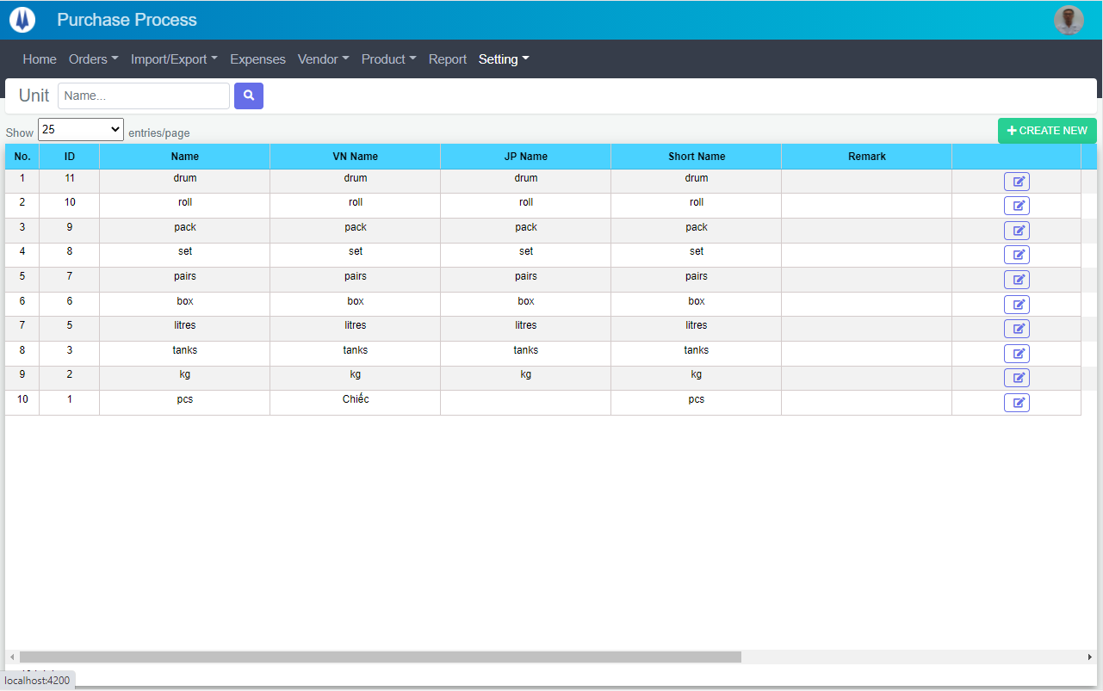
IT

M01
M02
M03
M04
L01
L02
L03
L04
L05
M05
SEARCH
Option 1
Option 2
M06
Checkbox 1
Checkbox 2
V

L06
L07
Naming Rule:
- Controls of Main Screen: M01, M02, M03...
- Controls of List (Data Table): L01, L02, L03...
L08

 | Main Screen
 | No |  | Item Name |  |  |  |  | Label |  | Item Type | Input Regulation | Tab Index | I/O | Required | Default Text |  | Length | Note
 | M01 |  | - |  |  |  |  | Unit |  | Label | Cannot Edit | - | O | - | - |  | - | -
 | M02 |  | - |  |  |  |  | - |  | TextBox | - | - | I | - | Name |  | - | -
 | M03 |  | - |  |  |  |  | - |  | Button | - | - | O | - |  |  | - | Button Search
 | M04 |  | - |  |  |  |  | + CREATE NEW |  | Button | - | - | O | - |  |  | - | Button Create New
 | M05 |  | - |  |  |  |  | Show | entries/page |  | ComboBox | - | - | I | - |  |  | - | -
 | M06 |  | - |  |  |  |  | - |  | List | - | - | O | - | - |  | - | -

 | List Item
 | No |  | Item Name |  |  |  |  | Label |  | Item Type | Input Regulation | Tab Index | I/O | Required | Default Value |  | Length | Note
 | L01 |  | - |  |  |  |  | No. |  | Label | Cannot Edit | - | O | - | - |  | - | -
 | L02 |  | - |  |  |  |  | ID |  | Label | Cannot Edit | - | O | - | - |  | - | -
 | L03 |  | - |  |  |  |  | Name |  | Label | Cannot Edit | - | O | - | - |  | - | -
 | L04 |  | - |  |  |  |  | Vn Name |  | Label | Cannot Edit | - | O | - | - |  | - | -
 | L05 |  | - |  |  |  |  | JP Name |  | Label | Cannot Edit | - | O | - | - |  | - | -
 | L06 |  | - |  |  |  |  | Short Name |  | Label | Cannot Edit | - | O | - | - |  | - | -
 | L07 |  | - |  |  |  |  | Remark |  | Label | Cannot Edit | - | O | - | - |  | - | -
 | L08 |  | - |  |  |  |  | - |  | Button | - | - | O | - | - |  | - | Button Update

 | 2. | Description
 |  | 2.1. | Click button "Search" (M03):
 |  |  | Search Unit info by Unit Name (M02)
 |  |  | ※ If M02 not input, find all the Unit

 |  | 2.2. | Click button "CREATE NEW" (M04):
 |  |  | Open new pop-up "Add New Unit" (Screen ID: U002)

 |  | 2.3. | Combobox Show (M05):
 |  |  | ・ | Value:
 |  |  |  |  |  | ・ | 15
 |  |  |  |  |  | ・ | 25
 |  |  |  |  |  | ・ | 50
 |  |  | ・ | When changing the value, changes the number of items to be displayed per page.

 |  | 2.4. | Click button "EDIT" (L08):
 |  |  | Open new pop-up "Update Unit" (Screen ID: U003)

AddNewUnit
Screen design |  |  |  |  | System Name |  | Sub System Name |  | Screen ID |  |  |  |  | Screen Name |  |  | Page
 |  |  |  |  | Purchase Process Managerment |  | Unit Management |  | U002 |  |  |  |  | AddNewUnit

 | 1. | Mockup Screen
 | 1.1. Main Screen
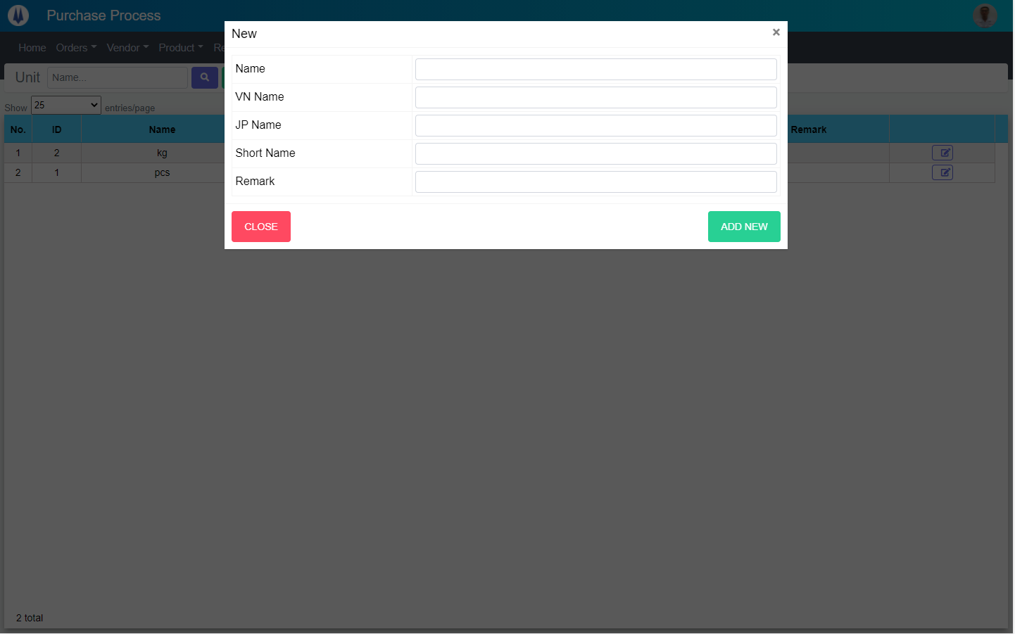
Search name...
M01
IT
M02
M03
SEARCH
Option 1
Option 2
M04
Checkbox 1
Checkbox 2
V
M05
M06
Naming Rule:
- Controls of Main Screen: M01, M02, M03...
- Controls of List (Data Table): L01, L02, L03...

M07
M08

 | Main Screen
 | No |  | Item Name |  |  | Label |  | Item Type | Input Regulation | Tab Index | I/O | Required | Default Text |  | Length | Note
 | M01 |  | - |  |  | New |  | Label | Cannot Edit | - | O | - | - |  | - | -
 | M02 |  | - |  |  | Name |  | TextBox | FullAndhalf | - | I | O | - |  | - | -
 | M03 |  | - |  |  | VN Name |  | TextBox | FullAndhalf | - | I | - | - |  | - | -
 | M04 |  | - |  |  | JP Name |  | TextBox | FullAndhalf | - | I | - | - |  | - | -
 | M05 |  | - |  |  | Short Name |  | TextBox | FullAndhalf | - | I | O | - |  | - | -
 | M06 |  | - |  |  | Remark |  | TextBox | FullAndhalf | - | I | - | - |  | - | -
 | M07 |  | - |  |  | CLOSE |  | Button | - | - | O | - | - |  | - | Button Close
 | M08 |  | - |  |  | ADD NEW |  | Button | - | - | O | - | - |  | - | Button Save

 | 2. | Description
 |  | 2.1. | Click button "CLOSE" (M07):
 |  |  | Close pop-up Add New Unit

 |  | 2.2. | Click button SAVE" (M08):
 |  |  | ・ | Create new Unit
 |  |  | ・ | Close pop-up Add New Unit
 |  |  | ・ | Re-load Unit List
 |  |  | ・ | Show message "Add New Item Successfully"

UpdateUnit
Screen design |  |  |  |  | System Name |  | Sub System Name |  | Screen ID |  |  |  |  | Screen Name |  |  | Page
 |  |  |  |  | Purchase Process Managerment |  | Unit Management |  | U003 |  |  |  |  | UpdateUnit

 | 1. | Mockup Screen
 | 1.1. Main Screen
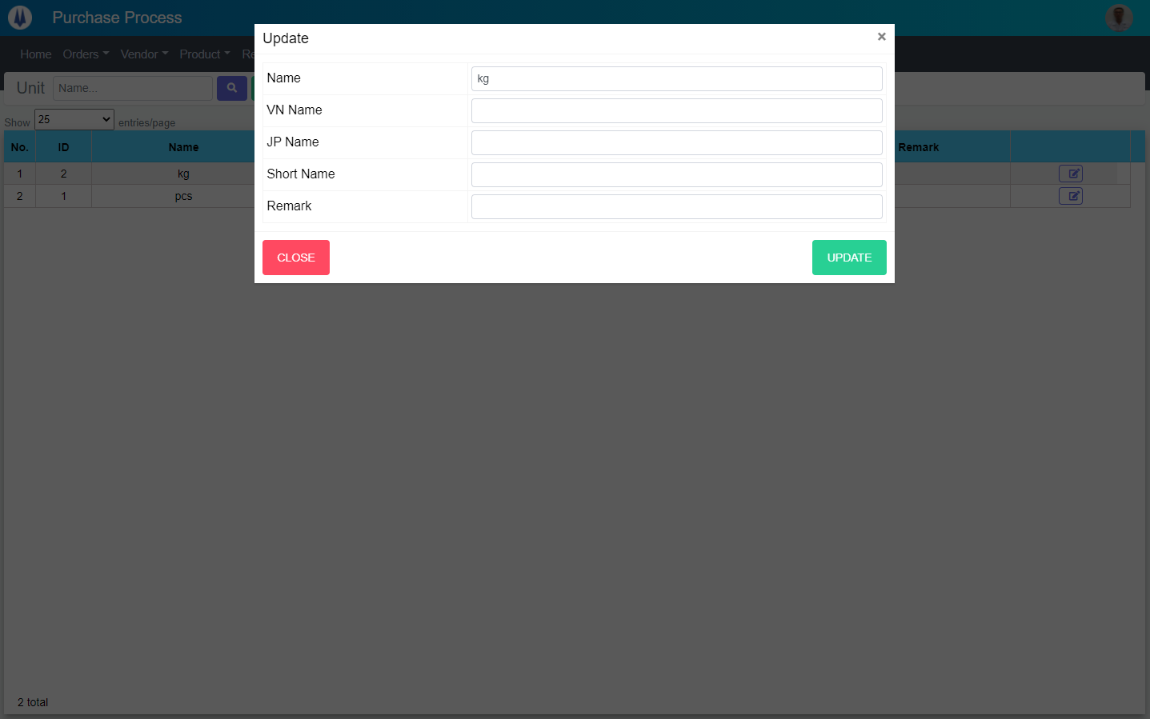
Search name...
M01
IT
M02
M03
SEARCH
Option 1
Option 2
M04
Checkbox 1
Checkbox 2
V
M05
M06
Naming Rule:
- Controls of Main Screen: M01, M02, M03...
- Controls of List (Data Table): L01, L02, L03...

M07
M08

 | Main Screen
 | No |  | Item Name |  |  | Label |  | Item Type | Input Regulation | Tab Index | I/O | Required | Default Text |  | Length | Note
 | M01 |  | - |  |  | Update |  | Label | Cannot Edit | - | O | - | - |  | - | -
 | M02 |  | - |  |  | Name |  | TextBox | FullAndhalf | - | I | O | - |  | - | -
 | M03 |  | - |  |  | VN Name |  | TextBox | FullAndhalf | - | I | - | - |  | - | -
 | M04 |  | - |  |  | JP Name |  | TextBox | FullAndhalf | - | I | - | - |  | - | -
 | M05 |  | - |  |  | Short Name |  | TextBox | FullAndhalf | - | I | - | - |  | - | -
 | M06 |  | - |  |  | Remark |  | TextBox | FullAndhalf | - | I | - | - |  | - | -
 | M07 |  | - |  |  | CLOSE |  | Button | - | - | O | - | - |  | - | Button Close
 | M08 |  | - |  |  | UPDATE |  | Button | - | - | O | - | - |  | - | Button Save

 | 2. | Description
 |  | 2.1. | Click button "CLOSE" (M07):
 |  |  | Close pop-up Update Unit

 |  | 2.2. | Click button SAVE" (M08):
 |  |  | ・ | Update Unit
 |  |  | ・ | Close pop-up Update Unit
 |  |  | ・ | Re-load Unit List
 |  |  | ・ | Show message "Update Item Successfully"

