VendorList
Screen design |  |  |  |  | System Name |  |  |  | Sub System Name |  | Screen ID |  |  |  |  | Screen Name |  |  | Page
 |  |  |  |  | Purchase Process Managerment |  |  |  | Vendor Management |  | V001 |  |  |  |  | VendorList

Search name...
 | 1. | Mockup Screen
 | 1.1. Main Screen
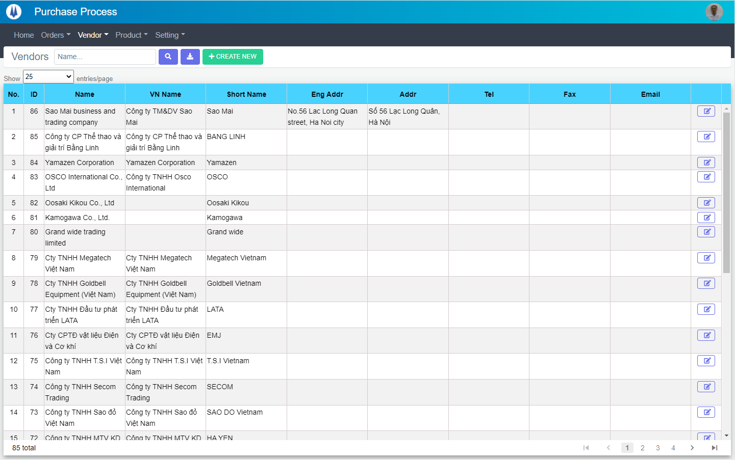
M01
M02
M03
M04
M05
L01
L02
L03
L04
L05
L06
L07
L09
L11
M06
L10
L08
M07
IT

SEARCH
Option 1
Option 2

Checkbox 1
Checkbox 2
V

Naming Rule:
- Controls of Main Screen: M01, M02, M03...
- Controls of List (Data Table): L01, L02, L03...

 | Main Screen 1
 | No |  | Item Name |  |  |  |  | Label |  | Item Type | Input Regulation | Tab Index | I/O | Required | Default Text |  | Length | Note
 | M01 |  | - |  |  |  |  | Vendors |  | Label | Cannot Edit | - | O | - | - |  | - | -
 | M02 |  | - |  |  |  |  | - |  | TextBox | HalfOnly | - | I | - | Name… |  | - | -
 | M03 |  | - |  |  |  |  | - |  | Button | - | - | O | - |  |  | - | Button Search
 | M04 |  | - |  |  |  |  | - |  | Button | - | - | O | - |  |  | - | Button Export Excel
 | M05 |  | - |  |  |  |  | + CREATE NEW |  | Button | - | - | O | - |  |  | - | Button Create New
 | M06 |  | - |  |  |  |  | Show | entries/page |  | ComboBox | - | - | I | - |  |  | - | -
 | M07 |  | - |  |  |  |  | - |  | List | - | - | O | - | - |  | - | -

 | List Item
 | No |  | Item Name |  |  |  |  | Label |  | Item Type | Input Regulation | Tab Index | I/O | Required | Default Value |  | Length | Note
 | L01 |  | - |  |  |  |  | No. |  | Label | Cannot Edit | - | O | - | - |  | - | -
 | L02 |  | - |  |  |  |  | ID |  | Label | Cannot Edit | - | O | - | - |  | - | -
 | L03 |  | - |  |  |  |  | Name |  | Label | Cannot Edit | - | O | - | - |  | - | -
 | L04 |  | - |  |  |  |  | VN Name |  | Label | Cannot Edit | - | O | - | - |  | - | -
 | L05 |  | - |  |  |  |  | Short Name |  | Label | Cannot Edit | - | O | - | - |  | - | -
 | L06 |  | - |  |  |  |  | Eng Addr |  | Label | Cannot Edit | - | O | - | - |  | - | -
 | L07 |  | - |  |  |  |  | Addr |  | Label | Cannot Edit | - | O | - | - |  | - | -
 | L08 |  | - |  |  |  |  | Tel |  | Label | Cannot Edit | - | O | - | - |  | - | -
 | L09 |  | - |  |  |  |  | Fax |  | Label | Cannot Edit | - | O | - | - |  | - | -
 | L10 |  | - |  |  |  |  | Email |  | Label | Cannot Edit | - | O | - | - |  | - | -
 | L11 |  | - |  |  |  |  | - |  | Button | - | - | O | - | - |  | - | Button Update

 | 2. | Description
 |  | 2.1. | Click button "Search" (M03):
 |  |  | Search Vendor info by Vendor Name (M02)
 |  |  | ※ If M02 not input, find all the Vendor

 |  | 2.2. | Click button "Export Excel" (M04):
 |  |  | Export all Vendor on the List (M07) to file excel

 |  | 2.3. | Click button "CREATE NEW" (M05):
 |  |  | Open new pop-up "Add New Vendor" (Screen ID: V002)

 |  | 2.4. | Combobox Show (M06):
 |  |  | ・ | Value:
 |  |  |  |  |  | ・ | 15
 |  |  |  |  |  | ・ | 25
 |  |  |  |  |  | ・ | 50
 |  |  | ・ | When changing the value, changes the number of items to be displayed per page.

 |  | 2.5. | Click button "EDIT" (L11):
 |  |  | Open new pop-up "Update Request" (Screen ID: V003)

AddNewVendor
Screen design |  |  |  |  | System Name |  | Sub System Name |  | Screen ID |  |  |  |  | Screen Name |  |  | Page
 |  |  |  |  | Purchase Process Managerment |  | Vendor Management |  | V002 |  |  |  |  | AddNewVendor

 | 1. | Mockup Screen
 | 1.1. Main Screen
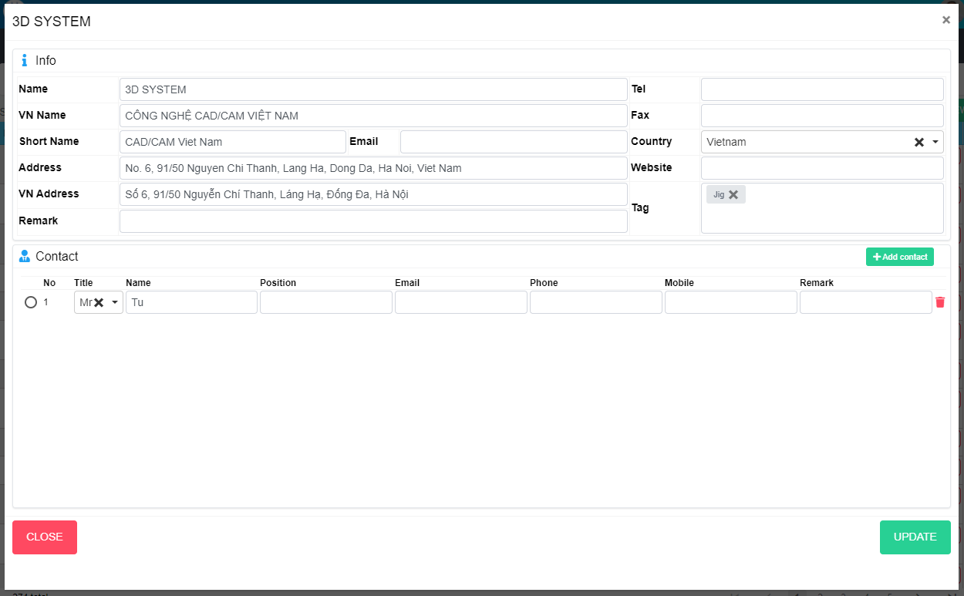
NEW
M05
M04
M06
M07
M08
M09
M10
M11
M12
M14
M03
M04
M05
M08
M06
M07
M09
M11
M10
M12
M03
M13
M02
M01
L01
Search name...

IT

SEARCH
Option 1
Option 2

M13
Checkbox 1
Checkbox 2
V

Naming Rule:
- Controls of Main Screen: M01, M02, M03...
- Controls of List (Data Table): L01, L02, L03...
M14

L02

ADD NEW

ADD NEW

 | Main Screen
 | No |  | Item Name |  |  | Label |  | Item Type | Input Regulation | Tab Index | I/O | Required | Default Text |  | Length | Note
 | M01 |  | - |  |  | New |  | Label | Cannot Edit | - | O | - | - |  | - | -
 | M02 |  | - |  |  | Info |  | Label | Cannot Edit | - | O | - | - |  | - | -
 | M03 |  | - |  |  | Name |  | TextBox | FullAndhalf | - | I | O | - |  | - | -
 | M04 |  | - |  |  | VN Name |  | TextBox | FullAndhalf | - | I | - | - |  | - | -
 | M05 |  | - |  |  | Short Name |  | TextBox | FullAndhalf | - | I | - | - |  | - | -
 | M06 |  | - |  |  | Address |  | TextBox | FullAndhalf | - | I | - | - |  | - | -
 | M07 |  | - |  |  | Vn Address |  | TextBox | FullAndhalf | - | I | - | - |  | - | -
 | M08 |  | - |  |  | Tel |  | TextBox | HalfOnly | - | I | - | - |  | - | -
 | M09 |  | - |  |  | Fax |  | TextBox | HalfOnly | - | I | - | - |  | - | -
 | M10 |  | - |  |  | Email |  | TextBox | HalfOnly | - | I | - | dd/MM/yyyy |  | - | -
 | M11 |  | - |  |  | Website Link |  | TextBox | HalfOnly | - | I | - | - |  | - | -
 | M12 |  | - |  |  | Remark |  | TextBox | FullAndhalf | - | I | - | - |  | - | -
 | M13 |  | - |  |  | Country |  | ComboBox | - | - | I | - | - |  | - | -
 | M14 |  | - |  |  | Tag |  | ComboBox | - | - | I | - | - |  | - | -

 | Contact list
 | No |  | Item Name |  |  | Label |  | Item Type | Input Regulation | Tab Index | I/O | Required | Default Text |  | Length | Note
 | L01 |  | - |  |  | Contact |  | Label | Cannot Edit | - | I | - | - |  | - | -
 | L02 |  | - |  |  | Add contact |  | Button | - | - | I | - | - |  | - | Button Add contact
 | L03 |  | - |  |  |  |  | RadioButton | - | - | O |  |  |  |  | Choose main contact
 | L04 |  | - |  |  | No |  | Label | Cannot Edit | - | O
 | L05 |  | - |  |  | Title |  | ComboBox |  | - | I |  |  |  |  | Choose title
 | L06 |  | - |  |  | Name |  | TextBox |  | - | I
 | L07 |  | - |  |  | Position |  | TextBox |  | - | I
 | L08 |  | - |  |  | Email |  | TextBox |  | - | I
 | L09 |  | - |  |  | Phone |  | TextBox |  | - | I
 | L10 |  | - |  |  | Mobile |  | TextBox |  | - | I
 | L11 |  | - |  |  | Remark |  | TextBox |  | - | I
 | L12 |  | - |  |  |  |  | Button | - | - | I |  |  |  |  | Button remove contact
 | L13 |  | - |  |  | CLOSE |  | Button | - | - | O | - | - |  | - | Button Close
 | L14 |  | - |  |  | UPDATE |  | Button | - | - | O | - | - |  | - | Button Save

 | 2. | Description
 |  | 2.1. | Click button "Add contact" (L02)
 |  |  | Add one more row in contact list

 |  | 2.2 | Click button (L12)
 |  |  | Remove row from contact list

 |  | 2.3. | Click button "CLOSE" (L13):
 |  |  | Close pop-up Add New Vendor (Main Screen)

 |  | 2.4. | Click button SAVE" (L14):
 |  |  | ・ | Create new Vendor
 |  |  | ・ | Close pop-up Add New Vendor (Main Screen)
 |  |  | ・ | Re-load Vendor List
 |  |  | ・ | Show message "Add New Item Successfully"

UpdateVendor
Screen design |  |  |  |  | System Name |  | Sub System Name |  | Screen ID |  |  |  |  | Screen Name |  |  | Page
 |  |  |  |  | Purchase Process Managerment |  | Vendor Management |  | V003 |  |  |  |  | UpdateVendor

 | 1. | Mockup Screen
 | 1.1. Main Screen
M05
M04
M06
M07
M08
M09
M10
M11
M12
M14
M03
M04
M05
M08
M06
M07
M09
M11
M10
M12
M03
M13
M01
M02
L01
Search name...

IT

SEARCH
Option 1
Option 2

M13
Checkbox 1
Checkbox 2
V

Naming Rule:
- Controls of Main Screen: M01, M02, M03...
- Controls of List (Data Table): L01, L02, L03...
M14

L02

 | Main Screen
 | No |  | Item Name |  |  | Label |  | Item Type | Input Regulation | Tab Index | I/O | Required | Default Text |  | Length | Note
 | M01 |  | - |  |  | New |  | Label | Cannot Edit | - | O | - | - |  | - | -
 | M02 |  | - |  |  | Info |  | Label | Cannot Edit | - | O | - | - |  | - | -
 | M03 |  | - |  |  | Name |  | TextBox | FullAndhalf | - | I | O | - |  | - | -
 | M04 |  | - |  |  | VN Name |  | TextBox | FullAndhalf | - | I | - | - |  | - | -
 | M05 |  | - |  |  | Short Name |  | TextBox | FullAndhalf | - | I | - | - |  | - | -
 | M06 |  | - |  |  | Address |  | TextBox | FullAndhalf | - | I | - | - |  | - | -
 | M07 |  | - |  |  | Vn Address |  | TextBox | FullAndhalf | - | I | - | - |  | - | -
 | M08 |  | - |  |  | Tel |  | TextBox | HalfOnly | - | I | - | - |  | - | -
 | M09 |  | - |  |  | Fax |  | TextBox | HalfOnly | - | I | - | - |  | - | -
 | M10 |  | - |  |  | Email |  | TextBox | HalfOnly | - | I | - | dd/MM/yyyy |  | - | -
 | M11 |  | - |  |  | Website Link |  | TextBox | HalfOnly | - | I | - | - |  | - | -
 | M12 |  | - |  |  | Remark |  | TextBox | FullAndhalf | - | I | - | - |  | - | -
 | M13 |  | - |  |  | Country |  | ComboBox | - | - | I | - | - |  | - | -
 | M14 |  | - |  |  | Tag |  | ComboBox | - | - | I | - | - |  | - | -

 | Contact list
 | No |  | Item Name |  |  | Label |  | Item Type | Input Regulation | Tab Index | I/O | Required | Default Text |  | Length | Note
 | L01 |  | - |  |  | Contact |  | Label | Cannot Edit | - | I | - | - |  | - | -
 | L02 |  | - |  |  | Add contact |  | Button | - | - | I | - | - |  | - | Button Add contact
 | L03 |  | - |  |  |  |  | RadioButton | - | - | O |  |  |  |  | Choose main contact
 | L04 |  | - |  |  | No |  | Label | Cannot Edit | - | O
 | L05 |  | - |  |  | Title |  | ComboBox |  | - | I |  |  |  |  | Choose title
 | L06 |  | - |  |  | Name |  | TextBox |  | - | I
 | L07 |  | - |  |  | Position |  | TextBox |  | - | I
 | L08 |  | - |  |  | Email |  | TextBox |  | - | I
 | L09 |  | - |  |  | Phone |  | TextBox |  | - | I
 | L10 |  | - |  |  | Mobile |  | TextBox |  | - | I
 | L11 |  | - |  |  | Remark |  | TextBox |  | - | I
 | L12 |  | - |  |  |  |  | Button | - | - | I |  |  |  |  | Button remove contact
 | L13 |  | - |  |  | CLOSE |  | Button | - | - | O | - | - |  | - | Button Close
 | L14 |  | - |  |  | UPDATE |  | Button | - | - | O | - | - |  | - | Button Save

 | 2. | Description
 |  | 2.1. | Click button "Add contact" (L02)
 |  |  | Add one more row in contact list

 |  | 2.2 | Click button (L12)
 |  |  | Remove row from contact list

 |  | 2.3. | Click button "CLOSE" (L13):
 |  |  | Close pop-up Update Vendor (Main Screen)

 |  | 2.4. | Click button SAVE" (L14):
 |  |  | ・ | Create new Vendor
 |  |  | ・ | Close pop-up Update Vendor (Main Screen)
 |  |  | ・ | Re-load Vendor List
 |  |  | ・ | Show message "Update Item Successfully"

