Screen Design
Screen design |  |  | System Name |  | Sub System Name |  | Screen ID |  |  |  |  | Screen Name |  |  | Page
 |  |  | Internal Website |  | Equipment |  | E001 |  |  |  |  | Equipment List

Naming Rule:
- Controls of Main Screen: M01, M02, M03...
- Controls of List (Data Table): L01, L02, L03...
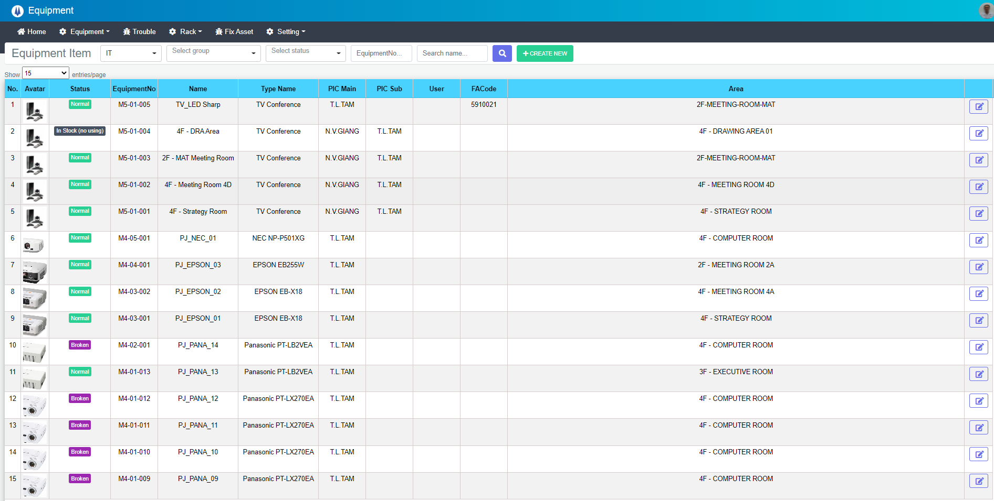
2020年10月05日 11:00
M01
M02
M03
M04
M05
M06
M07
M08
M09
M10
M11
L01
L02
L03
L04
L05
L06
L07
L08
L09
L10
L11
L12
M12
M14
M13

 | Main Screen
 | No | Item Name |  | Label |  | Item Type | Input Regulation | Tab Index | I/O | Required | Default Text |  | Length | Note
 | M01 | lblEquipmentItem |  | Equipment Item |  | Label | Cannot Edit | - | O | - | - |  | - | -
 | M02 | cboSection |  | - |  | ComboBox | - | 1 | I | ● | - |  | - | -
 | M03 | cboGroup |  | - |  | ComboBox | - | 2 | I | - | Select group |  | - | -
 | M04 | cboStatus |  | - |  | ComboBox | - | 3 | I | - | Select status |  | - | -
 | M05 | txtEquipmentNo |  | - |  | TextBox | HalfOnly | 4 | I | - | EquipmentNo… |  | - | -
 | M06 | txtEquipmentName |  | - |  | TextBox | HalfOnly | 5 | I | - | Search name… |  | - | -
 | M07 | btnSearch |  | - |  | Button | - | 6 | - | - | - |  | - | -
 | M08 | btnCreateNew |  | - |  | Button | - | 7 | - | - | - |  | - | CREATE NEW
 | M09 | dtDatetimeSystem |  | - |  | DateTime | Cannot Edit | - | O | - | - |  | - | Get current system time Format: yyyy年MM月dd日 hh:mm
 | M10 | cboShow |  | Show |  | ComboBox | - | 8 | I | ● | - |  | - | -
 | M11 | lblEntriesPage |  | entries/page |  | Label | Cannot Edit | - | O | - | - |  | - | -
 | M12 | lblTotal |  | total |  | Label | Cannot Edit | - | O | - | - |  | - | Format: Count Item + " total"
 | M13 | Gridview |  | - |  | List | - | 9 | O | - | - |  | - | -
 | M14 | pgPage |  | - |  | Paging | - | 10 | O | - | - |  | - | -

 | List Equipment Item
 | No | Item Name |  | Label |  | Item Type | Input Regulation | Tab Index | I/O | Required | Default Value |  | Length | Note
 | L01 | lblNo |  | No. |  | Label | Cannot Edit | - | O | - | - |  | - | -
 | L02 | lblAvatar |  | Avatar |  | Label | Cannot Edit | - | O | - | - |  | - | -
 | L03 | lblStatus |  | Status |  | Label | Cannot Edit | - | O | - | - |  | - | -
 | L04 | lblEquipmentNo |  | EquipmentNo |  | Label | Cannot Edit | - | O | - | - |  | - | -
 | L05 | lblName |  | Name |  | Label | Cannot Edit | - | O | - | - |  | - | -
 | L06 | lblTypeName |  | Type Name |  | Label | Cannot Edit | - | O | - | - |  | - | -
 | L07 | lblPICMain |  | PIC Main |  | Label | Cannot Edit | - | O | - | - |  | - | -
 | L08 | lblPICSub |  | PIC Sub |  | Label | Cannot Edit | - | O | - | - |  | - | -
 | L09 | lblUser |  | User |  | Label | Cannot Edit | - | O | - | - |  | - | -
 | L10 | lblFACode |  | FACode |  | Label | Cannot Edit | - | O | - | - |  | - | -
 | L11 | lblArea |  | Area |  | Label | Cannot Edit | - | O | - | - |  | - | -
 | L12 | btnEdit |  | - |  | Button | - | - | - | - | - |  | - | -

DB Diagram
Detail Function |  | System Name | Sub System Name | Screen ID | Screen Name | Page
 |  | Internal Website | Equipment | E001 | Equipment List

 | Diagram

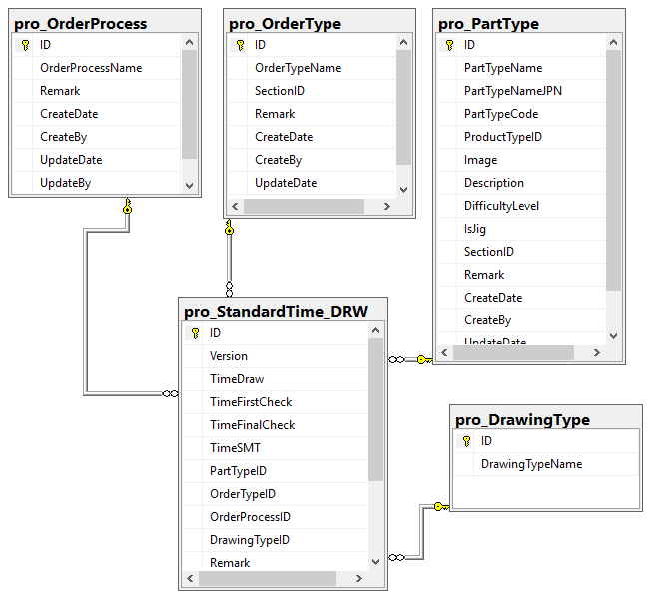
pro_OrderProcess. ID
pro_StandardTime.OrderID
pro_OrderType. ID
pro_StandardTime.OrderTypeID
pro_DrawingType. ID
pro_StandardTime.DrawingTypeID
pro_PartType. ID
pro_StandardTime.PartTypeID

