Screen Design
Screen design |  |  | System Name |  | Sub System Name |  | Screen ID |  |  |  |  | Screen Name |  |  | Page
 |  |  | Purchase Processing Managerment |  | Contract Principles Management |  | CP002~CP003 |  |  |  |  | Add New Contract ~ Update Contract

Naming Rule:
- Controls of Main Screen: M01, M02, M03...
- Controls of List (Data Table): L01, L02, L03...
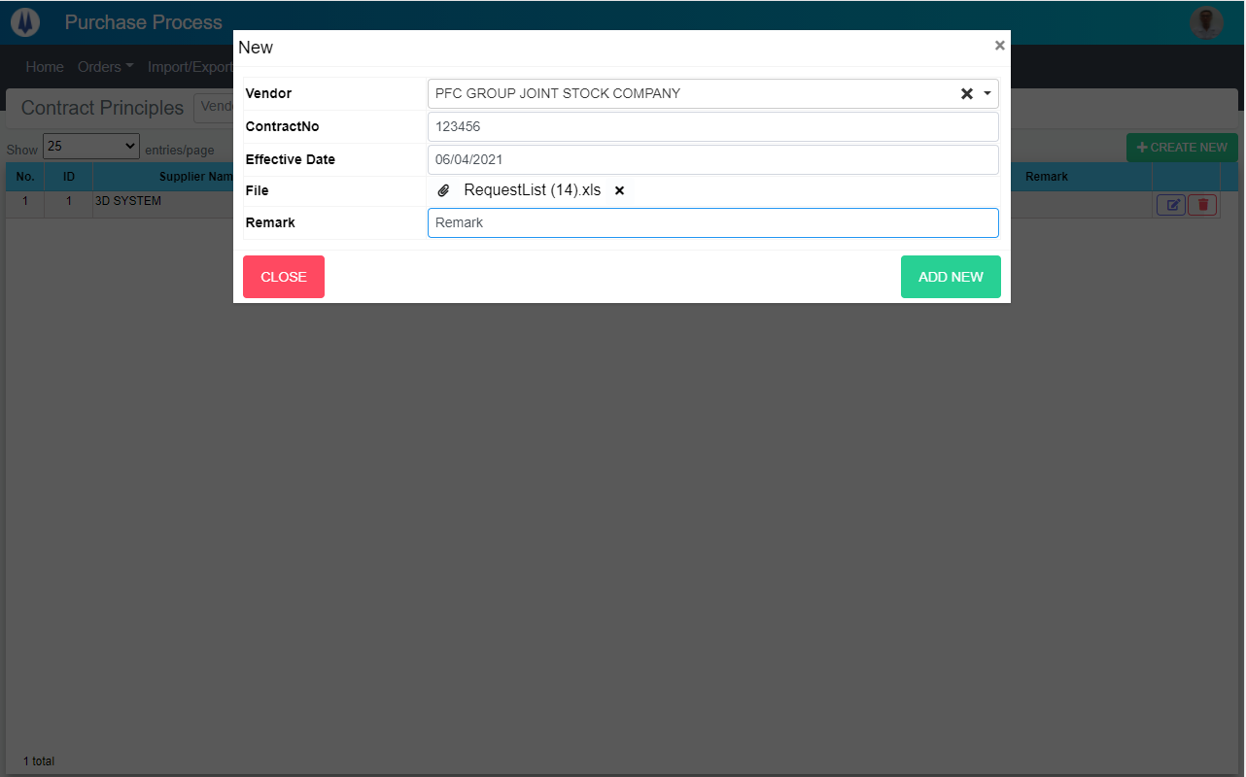
M01

M02
M03

M04
M06
M07
M05

M08
M09
M10

 | Main Screen
 | No | Item Name |  | Label |  | Item Type | Input Regulation | Tab Index | I/O | Required | Default Text |  | Length | Note
 | M01 | - |  | New |  | Label | Cannot Edit | - | O | - | - |  | - | -
 | M02 | - |  | Vendor |  | ComboBox | - | - | I | - | - |  | - | -
 | M03 | - |  | ContractNo |  | TextBox | - | - | I | - | - |  | - | -
 | M04 | - |  | Effective Date |  | DateTime | - | - | I | - | - |  | - | -
 | M05 |  |  | File |  | Button | - | - | O | - | - |  | - | Button Choose File
 | M06 | - |  |  |  | Label | - | - | O | - | - |  | - | File Name
 | M07 | - |  |  |  | Button | - | - | O | - | - |  | - | Remove File
 | M08 | - |  | Remark |  | TextBox | - | - | I | - | - |  | - | -
 | M09 | - |  | CLOSE |  | Button | - | - | O | - | - |  | - | Button Close
 | M10 | - |  | ADD NEW |  | Button | - | - | O | - | - |  | - | Button Add New

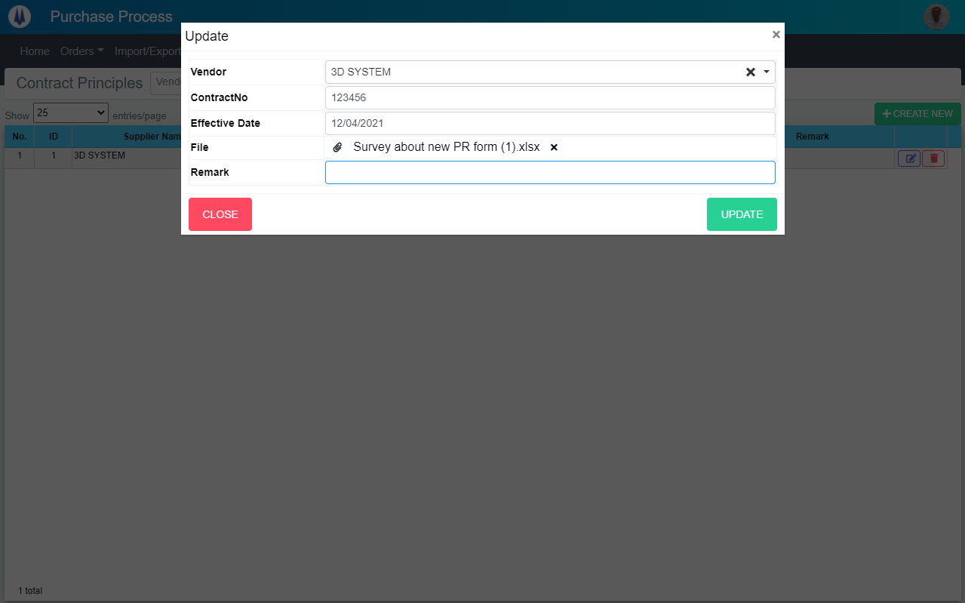

M02
M03

M04
M06
M07
M05

M08
M09
M10

 | Main Screen
 | No | Item Name |  | Label |  | Item Type | Input Regulation | Tab Index | I/O | Required | Default Text |  | Length | Note
 | M01 | - |  | Update |  | Label | Cannot Edit | - | O | - | - |  | - | -
 | M02 | - |  | Vendor |  | ComboBox | - | - | I | - | - |  | - | -
 | M03 | - |  | ContractNo |  | TextBox | - | - | I | - | - |  | - | -
 | M04 | - |  | Effective Date |  | DateTime | - | - | I | - | - |  | - | -
 | M05 |  |  | File |  | Button | - | - | O | - | - |  | - | Button Choose File
 | M06 | - |  |  |  | Label | - | - | O | - | - |  | - | File Name
 | M07 | - |  |  |  | Button | - | - | O | - | - |  | - | Remove File
 | M08 | - |  | Remark |  | TextBox | - | - | I | - | - |  | - | -
 | M09 | - |  | CLOSE |  | Button | - | - | O | - | - |  | - | Button Close
 | M10 | - |  | UPDATE |  | Button | - | - | O | - | - |  | - | Button Update

DB Diagram
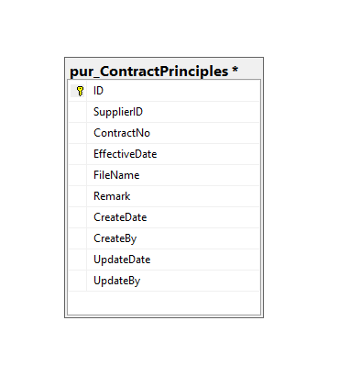
Detail Function |  | System Name | Sub System Name | Screen ID | Screen Name | Page
 |  | Purchase Processing Managerment | Contract Principles Management | CP002~CP003 | Add New Contract ~ Update Contract

 | Diagram

