Screen Design
Screen design |  |  | System Name |  | Sub System Name |  | Screen ID |  |  |  |  | Screen Name |  |  | Page
 |  |  | Purchase Processing Managerment |  | EO Management |  | EO001 |  |  |  |  | EO List

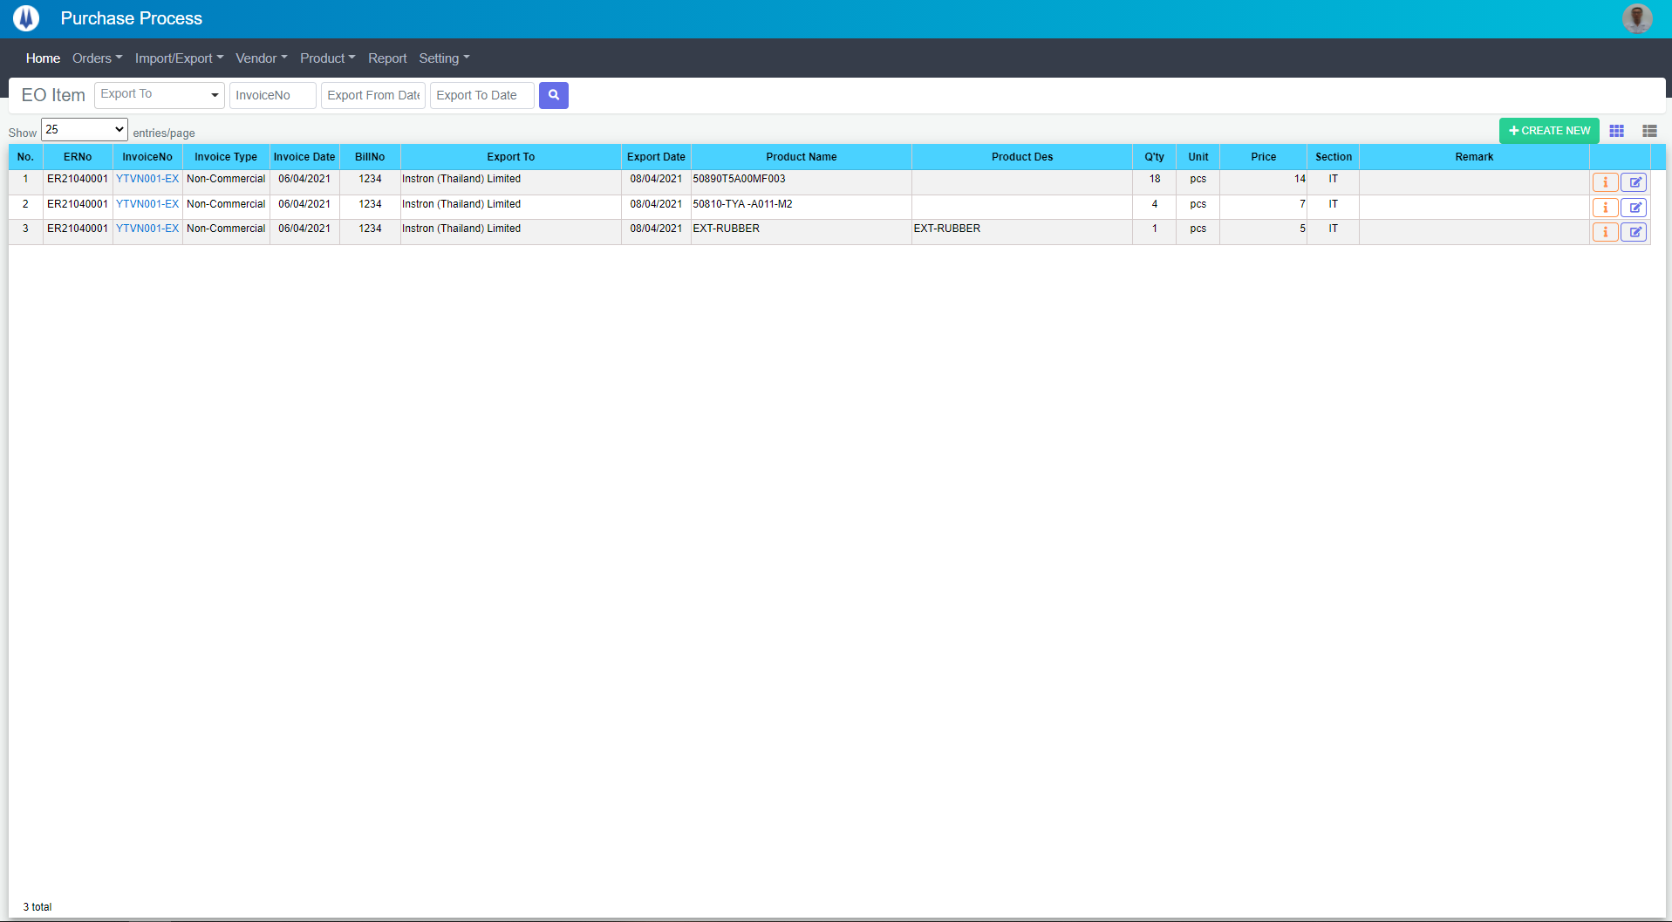
M01
M02
M03
M04
M05
L01
L02
L03
L04
L05
L06
L07
L09
L16
M07
L10
L08
M06
L11
L17
M10
M08
M09
L12
L13
L14
L15
Naming Rule:
- Controls of Main Screen: M01, M02, M03...
- Controls of List (Data Table): L01, L02, L03...

 | Main Screen
 | No | Item Name |  | Label |  | Item Type | Input Regulation | Tab Index | I/O | Required | Default Text |  | Length | Note
 | M01 | - |  | EO Item |  | Label | Cannot Edit | - | O | - | - |  | - | -
 | M02 | - |  | - |  | ComboBox | - | - | I | - | Export To |  | - | -
 | M03 | - |  | - |  | TextBox | HalfOnly | - | I | - | InvoiceNo |  | -
 | M04 | - |  | - |  | DateTime | HalfOnly | - | I | - | Export From Date |  | -
 | M05 | - |  | - |  | DateTime | HalfOnly | - | I | - | Export To Date |  | -
 | M06 | - |  | - |  | Button | - | - | O | - | - |  | - | Button Search
 | M07 | - |  | Show | entries/page |  | ComboBox | - | - | I | - | - |  | - | -
 | M08 | - |  | + CREATE NEW |  | Button | - | - | O | - | - |  | - | Button Create New
 | M09 | - |  | - |  | Button | - | - | O | - | - |  | - | Button EO Item List
 | M10 | - |  | - |  | List | - | - | O | - | - |  | - | -

 | List Item
 | No | Item Name |  | Label |  | Item Type | Input Regulation | Tab Index | I/O | Required | Default Value |  | Length | Note
 | L01 | - |  | No. |  | Label | Cannot Edit | - | O | - | - |  | - | -
 | L02 | - |  | ERNo |  | Label | Cannot Edit | - | O | - | - |  | - | -
 | L03 | - |  | InvoiceNo |  | Label | Cannot Edit | - | O | - | - |  | - | -
 | L04 | - |  | Invoice Type |  | Label | Cannot Edit | - | O | - | - |  | - | -
 | L05 | - |  | Invoice Date |  | Label | Cannot Edit | - | O | - | - |  | - | -
 | L06 | - |  | BillNo |  | Label | Cannot Edit | - | O | - | - |  | - | -
 | L07 | - |  | Export To |  | Label | Cannot Edit | - | O | - | - |  | - | -
 | L08 | - |  | Export Date |  | Label | Cannot Edit | - | O | - | - |  | - | -
 | L09 | - |  | Product Name |  | Label | Cannot Edit | - | O | - | - |  | - | -
 | L10 | - |  | Product Des |  | Label | Cannot Edit | - | O | - | - |  | - | -
 | L11 | - |  | Q'ty |  | Label | Cannot Edit | - | O | - | - |  | - | -
 | L12 | - |  | Unit |  | Label | Cannot Edit | - | O | - | - |  | - | -
 | L13 | - |  | Price |  | Label | Cannot Edit | - | O | - | - |  | - | -
 | L14 | - |  | Section |  | Label | Cannot Edit | - | O | - | - |  | - | -
 | L15 | - |  | Remark |  | Label | Cannot Edit | - | O | - | - |  | - | -
 | L16 | - |  | - |  | Button | - | - | O | - | - |  | - | Button Detail
 | L17 | - |  | - |  | Button | - | - | O | - | - |  | - | Button Update

DB Diagram
Detail Function |  | System Name | Sub System Name | Screen ID | Screen Name | Page
 |  | Purchase Processing Managerment | EO Management | EO001 | EO List

 | Diagram

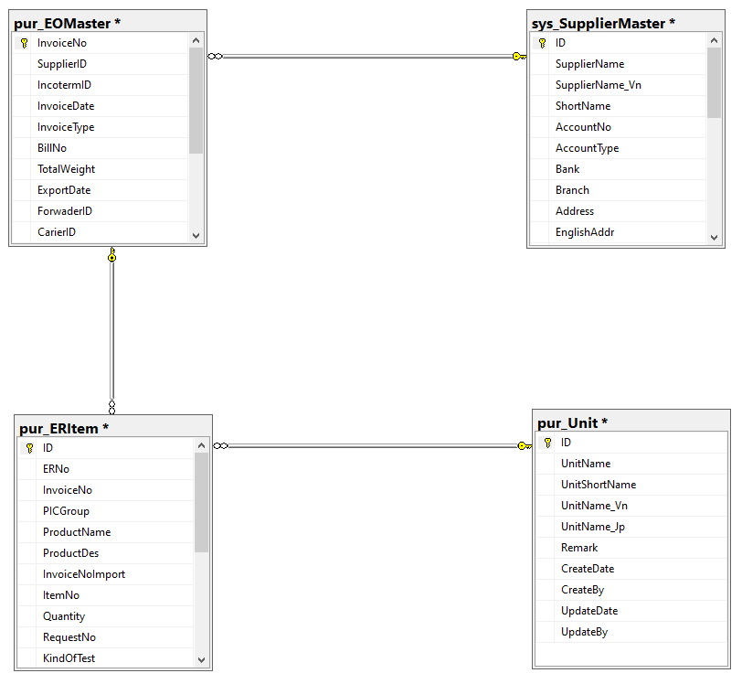

pur_EOMaster. SupplierID
sys_SupplierMaster. ID

pur_ERItem. InvoiceNo
pur_EOMaster. InvoiceNo

pur_ERItem. UnitID
pur_Unit. ID

