Screen Design
Screen design |  |  | System Name |  | Sub System Name |  | Screen ID |  |  |  |  | Screen Name |  |  | Page
 |  |  | Purchase Processing Managerment |  | EO Management |  | EO003~EO004 |  |  |  |  | Add New EO ~ Update EO

Naming Rule:
- Controls of Main Screen: M01, M02, M03...
- Controls of List (Data Table): L01, L02, L03...
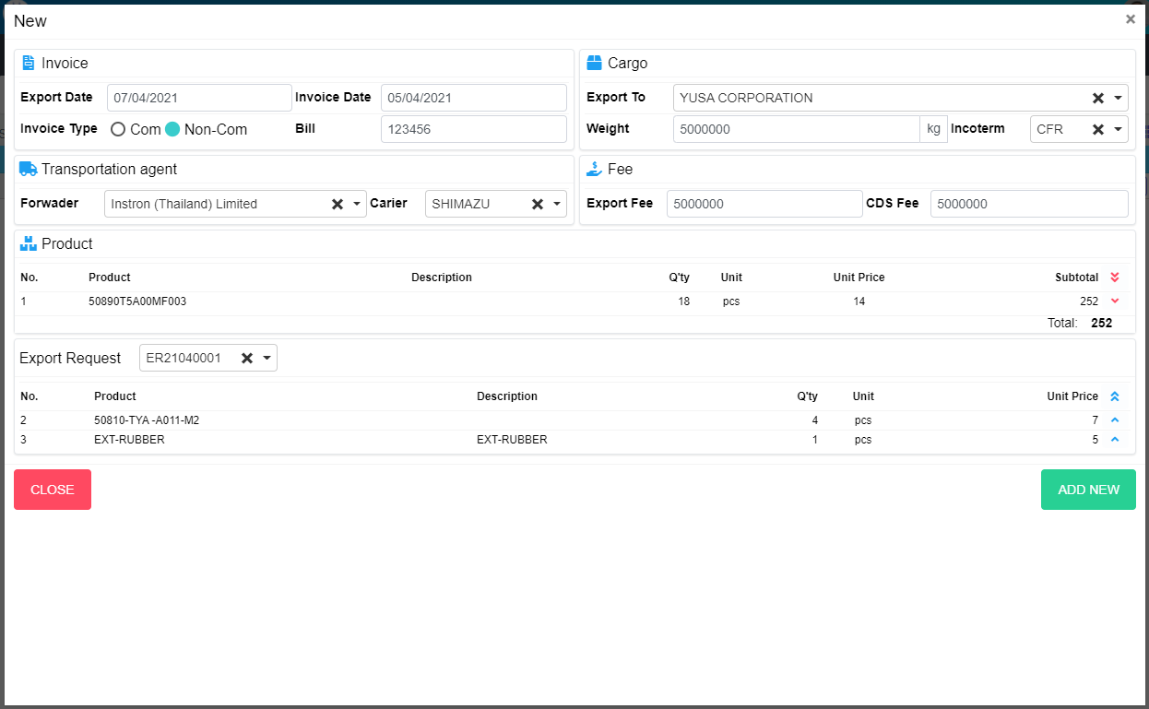
N07
L02
L01
M03
M04
M05
M06
M10
M11
M07
M15
M13
M12
M14
M01
M02
M08
M19
M21
M22
M09
M16
N01
N02
N03
N04
N05
N06
N08
N09
M18
L03
L04
L05
L07
L08
L06
M17
M20

 | Main Screen
 | No | Item Name |  | Label |  | Item Type | Input Regulation | Tab Index | I/O | Required | Default Text |  | Length | Note
 | M01 | - |  | New |  | Label | Cannot Edit | - | O | - | - |  | - | -
 | M02 | - |  | Invoice |  | Label | Cannot Edit | - | O | - | - |  | - | -
 | M03 | - |  | Export Date |  | DateTime | - | - | I | - | - |  | - | -
 | M04 | - |  | Invoice Type |  | RadioButton | - | - | I | - | - |  | - | Choose Invoice Type
 | M05 | - |  | Invoice Date |  | DateTime | HalfOnly | - | I | - | - |  | - | -
 | M06 | - |  | Bill |  | TextBox | - | - | I | - | - |  | - | -
 | M07 | - |  | Export To |  | ComboBox | - | - | I | - | - |  | - | Choose vendor
 | M08 | - |  | Weight |  | TextBox | - | - | I | - | - |  | - | -
 | M09 | - |  | Incoterm |  | ComboBox | HalfOnly | - | I | - | - |  | - | Choose incoterm
 | M10 | - |  | Transpotation agent |  | Label | Cannot Edit | - | I | - | - |  | - | -
 | M11 | - |  | Forwader |  | ComboBox | - | - | I | - | - |  | - | Choose forwader
 | M12 | - |  | Carier |  | ComboBox | - | - | I | - | - |  | - | Choose carier
 | M13 | - |  | Fee |  | Label | Cannot Edit | - | I | - | - |  | - | -
 | M14 | - |  | Export Fee |  | TextBox | - | - | I | - | - |  | - | -
 | M15 | - |  | CDS Fee |  | TextBox | - | - | I | - | - |  | - | -
 | M16 | - |  | Product |  | Label | Cannot Edit | - | O | - | - |  | - | -
 | M17 | - |  |  |  | List | - | - | O | - | - |  | - | Product List
 | M18 | - |  | Total |  | Label | - | - | O | - | - |  | - | -
 | M19 | - |  | Export Request |  | ComboBox | HalfOnly | - | I | - | - |  | - | Choose ERNo
 | M20 | - |  |  |  | List | - | - | O | - | - |  | - | Export Request List
 | M21 | - |  | CLOSE |  | Button | - | - | O | - | - |  | - | Button Close
 | M22 | - |  | ADD NEW |  | Button | - | - | O | - | - |  | - | Button Add New

 | Product
 | No | Item Name |  | Label |  | Item Type | Input Regulation | Tab Index | I/O | Required | Default Text |  | Length | Note
 | N01 | - |  | No |  | Label | Cannot Edit | - | O | - | - |  | - | -
 | N02 | - |  | Product |  | Label | Cannot Edit | - | O | - | - |  | - | -
 | N03 | - |  | Description |  | Label | Cannot Edit | - | O | - | - |  | - | -
 | N04 | - |  | Q'ty |  | Label | Cannot Edit | - | O | - | - |  | - | -
 | N05 | - |  | Unit |  | Label | Cannot Edit | - | O | - | - |  | - | -
 | N06 | - |  | Unit Price |  | Label | Cannot Edit | - | O | - | - |  | - | -
 | N07 | - |  | Subtotal |  | Label | Cannot Edit | - | O | - | - |  | - | -
 | N08 | - |  |  |  | Button | - | - | O | - | - |  | - | Button Remove All
 | N09 | - |  |  |  | Button | - | - | O | - | - |  | - | Button Remove Item

 | Export Request
 | No | Item Name |  | Label |  | Item Type | Input Regulation | Tab Index | I/O | Required | Default Text |  | Length | Note
 | L01 | - |  | No |  | Label | Cannot Edit | - | O | - | - |  | - | -
 | L02 | - |  | Product |  | Label | Cannot Edit | - | O | - | - |  | - | -
 | L03 | - |  | Description |  | Label | Cannot Edit | - | O | - | - |  | - | -
 | L04 | - |  | Q'ty |  | Label | Cannot Edit | - | O | - | - |  | - | -
 | L05 | - |  | Unit |  | Label | Cannot Edit | - | O | - | - |  | - | -
 | L06 | - |  | Unit Price |  | Label | Cannot Edit | - | O | - | - |  | - | -
 | L07 | - |  |  |  | Button | - | - | O | - | - |  | - | Button Select All
 | L08 | - |  |  |  | Button | - | - | O | - | - |  | - | Button Add Item

M09
M16
N01
N02
N03
N04
N05
N06
N07
M17
M03
M04
M05
M06
M10
M11
M07
M15
M13
M12
M14
M01
M02
M08
M19
M21
M22
N08
N09
M18
L03
L04
L05
L02
L01
L07
L08
L06
M20

 | Main Screen
 | No | Item Name |  | Label |  | Item Type | Input Regulation | Tab Index | I/O | Required | Default Text |  | Length | Note
 | M01 | - |  | Update |  | Label | Cannot Edit | - | O | - | - |  | - | -
 | M02 | - |  | Invoice |  | Label | Cannot Edit | - | O | - | - |  | - | -
 | M03 | - |  | Export Date |  | DateTime | - | - | I | - | - |  | - | -
 | M04 | - |  | Invoice Type |  | RadioButton | - | - | I | - | - |  | - | Choose Invoice Type
 | M05 | - |  | Invoice Date |  | DateTime | HalfOnly | - | I | - | - |  | - | -
 | M06 | - |  | Bill |  | TextBox | - | - | I | - | - |  | - | -
 | M07 | - |  | Export To |  | ComboBox | - | - | I | - | - |  | - | Choose vendor
 | M08 | - |  | Weight |  | TextBox | - | - | I | - | - |  | - | -
 | M09 | - |  | Incoterm |  | ComboBox | HalfOnly | - | I | - | - |  | - | Choose incoterm
 | M10 | - |  | Transpotation agent |  | Label | Cannot Edit | - | I | - | - |  | - | -
 | M11 | - |  | Forwader |  | ComboBox | - | - | I | - | - |  | - | Choose forwader
 | M12 | - |  | Carier |  | ComboBox | - | - | I | - | - |  | - | Choose carier
 | M13 | - |  | Fee |  | Label | Cannot Edit | - | I | - | - |  | - | -
 | M14 | - |  | Export Fee |  | TextBox | - | - | I | - | - |  | - | -
 | M15 | - |  | CDS Fee |  | TextBox | - | - | I | - | - |  | - | -
 | M16 | - |  | Product |  | Label | Cannot Edit | - | O | - | - |  | - | -
 | M17 | - |  |  |  | List | - | - | O | - | - |  | - | Product List
 | M18 | - |  | Total |  | Label | - | - | O | - | - |  | - | -
 | M19 | - |  | Export Request |  | ComboBox | HalfOnly | - | I | - | - |  | - | Choose ERNo
 | M20 | - |  |  |  | List | - | - | O | - | - |  | - | Export Request List
 | M21 | - |  | CLOSE |  | Button | - | - | O | - | - |  | - | Button Close
 | M22 | - |  | UPDATE |  | Button | - | - | O | - | - |  | - | Button Update

 | Product
 | No | Item Name |  | Label |  | Item Type | Input Regulation | Tab Index | I/O | Required | Default Text |  | Length | Note
 | N01 | - |  | No |  | Label | Cannot Edit | - | O | - | - |  | - | -
 | N02 | - |  | Product |  | Label | Cannot Edit | - | O | - | - |  | - | -
 | N03 | - |  | Description |  | Label | Cannot Edit | - | O | - | - |  | - | -
 | N04 | - |  | Q'ty |  | Label | Cannot Edit | - | O | - | - |  | - | -
 | N05 | - |  | Unit |  | Label | Cannot Edit | - | O | - | - |  | - | -
 | N06 | - |  | Unit Price |  | Label | Cannot Edit | - | O | - | - |  | - | -
 | N07 | - |  | Subtotal |  | Label | Cannot Edit | - | O | - | - |  | - | -
 | N08 | - |  |  |  | Button | - | - | O | - | - |  | - | Button Remove All
 | N09 | - |  |  |  | Button | - | - | O | - | - |  | - | Button Remove Item

 | Export Request
 | No | Item Name |  | Label |  | Item Type | Input Regulation | Tab Index | I/O | Required | Default Text |  | Length | Note
 | L01 | - |  | No |  | Label | Cannot Edit | - | O | - | - |  | - | -
 | L02 | - |  | Product |  | Label | Cannot Edit | - | O | - | - |  | - | -
 | L03 | - |  | Description |  | Label | Cannot Edit | - | O | - | - |  | - | -
 | L04 | - |  | Q'ty |  | Label | Cannot Edit | - | O | - | - |  | - | -
 | L05 | - |  | Unit |  | Label | Cannot Edit | - | O | - | - |  | - | -
 | L06 | - |  | Unit Price |  | Label | Cannot Edit | - | O | - | - |  | - | -
 | L07 | - |  |  |  | Button | - | - | O | - | - |  | - | Button Select All
 | L08 | - |  |  |  | Button | - | - | O | - | - |  | - | Button Add Item

DB Diagram

Detail Function |  | System Name | Sub System Name | Screen ID | Screen Name | Page
 |  | Purchase Processing Managerment | EO Management | EO003~EO004 | Add New EO ~ Update EO

 | Diagram

