Screen Design
Screen design |  |  | System Name |  | Sub System Name |  | Screen ID |  |  |  |  | Screen Name |  |  | Page
 |  |  | Purchase Processing Managerment |  | ER Management |  | ER002~ER003~ER005 |  |  |  |  | Add New ER ~ Update ER ~ Clone ER

Naming Rule:
- Controls of Main Screen: M01, M02, M03...
- Controls of List (Data Table): L01, L02, L03...
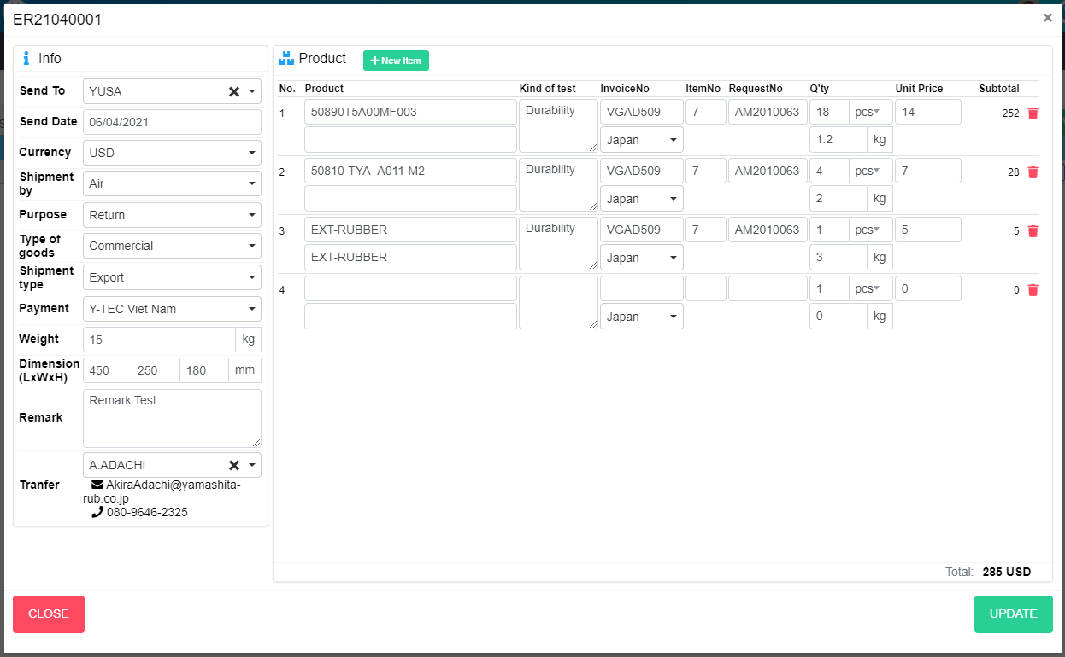
ADD NEW
M24
M03
M04
M05
M06
M10
M07
M15
M09
M11
M13
M23
M01
M02
M08
M14
M16
M17
M12
M18
M19
M20
L02
M22
M21
L10
L08
L09
L01
L03
L04
L05
L06
L07
L11
L12
L13
L14
NEW

 | Main Screen
 | No | Item Name |  | Label |  | Item Type | Input Regulation | Tab Index | I/O | Required | Default Text |  | Length | Note
 | M01 |  |  | New |  | Label | Cannot Edit | - | O | - | - |  | - | -
 | M02 |  |  | Info |  | Label | Cannot Edit | - | O | - | - |  | - | -
 | M03 |  |  | Send To |  | ComboBox | - | - | I | - | - |  | - | Choose vendor
 | M04 |  |  | Send Date |  | DateTime | - | - | I | - | - |  | - | -
 | M05 |  |  | Curency |  | ComboBox | - | - | I | - | - |  | - | Choose currency
 | M06 |  |  | Shipment by |  | ComboBox | - | - | I | - | - |  | - | Choose shipment by
 | M07 |  |  | Purpose |  | ComboBox | - | - | I | - | - |  | - | Choose purpose
 | M08 |  |  | Type of goods |  | ComboBox | - | - | I | - | - |  | - | Choose type of goods
 | M09 |  |  | Shipment type |  | ComboBox | - | - | I | - | - |  | - | Choose shipment type
 | M10 |  |  | Payment |  | ComboBox | - | - | I | - | - |  | - | Choose payment
 | M11 |  |  | Weight |  | TextBox | - | - | I | - | - |  | - | -
 | M12 |  |  | Dimension |  | TextBox | - | - | I | - | - |  | - | Input length of box
 | M13 |  |  | Dimension |  | TextBox | - | - | I | - | - |  | - | Input weight of box
 | M14 |  |  | Dimension |  | TextBox | - | - | I | - | - |  | - | Input height of box
 | M15 |  |  | Remark |  | TextBox | FullAndhalf | - | I | - | - |  | - | -
 | M16 |  |  |  |  | ComboBox | - | - | I | - | - |  | - | Select receiver
 | M17 |  |  |  |  | Label | Cannot Edit | - | O | - | - |  | - | Mail of receiver
 | M18 |  |  |  |  | Label | Cannot Edit | - | O | - | - |  | - | Phone of reciever
 | M19 |  |  | Product |  | Label | HalfOnly | - | O | - | - |  | - | -
 | M20 |  |  | New Item |  | Button | HalfOnly | - | O | - | - |  | - | Add new item
 | M21 |  |  |  |  | List | - | - | O | - | - |  | - | -
 | M22 |  |  | Total |  | Label | Cannot Edit | - | O | - | - |  | -
 | M23 |  |  | CLOSE |  | Button | - | - | O | - | - |  | - | Button Close
 | M24 |  |  | ADD NEW |  | Button | - | - | O | - | - |  | - | Button Add New

 | Product List
 | No | Item Name |  | Label |  | Item Type | Input Regulation | Tab Index | I/O | Required | Default Text |  | Length | Note
 | L01 |  |  | No |  | Label | Cannot Edit | - | O | - | - |  | -
 | L02 |  |  | Product |  | TextBox | HalfOnly | - | I | - | - |  | -
 | L03 |  |  | Product |  | TextBox | HalfOnly | - | I | - | - |  | -
 | L04 |  |  | InvoiceNo |  | TextBox | HalfOnly | - | I | - | - |  | -
 | L05 |  |  | InvoiceNo |  | ComboBox | - | - | I | - | - |  | - | Choose Contry
 | L06 |  |  | ItemNo |  | TextBox | HalfOnly | - | I | - | - |  | -
 | L07 |  |  | RequestNo |  | TextBox | HalfOnly | - | I | - | - |  | -
 | L08 |  |  | Kind of test |  | TextBox | HalfOnly | - | I | - | - |  | -
 | L09 |  |  | Q'ty |  | TextBox | HalfOnly | - | I | - | - |  | -
 | L10 |  |  | Q'ty |  | ComboBox | - | - | I | - | - |  | - | Choose Unit
 | L11 |  |  | Q'ty |  | TextBox | HalfOnly | - | I | - | - |  | - | Weight
 | L12 |  |  | Unit Price |  | TextBox | HalfOnly | - | I | - | - |  | - | Choose Unit
 | L13 |  |  | Subtotal |  | Label | Cannot Edit | - | O | - | - |  | - | Sub Total
 | L14 |  |  |  |  | Button | Cannot Edit | - | O | - | - |  | - | Button remove Item

M24
M03
M04
M05
M06
M10
M07
M15
M09
M11
M13
M23
M01
M02
M08
M14
M16
M17
M12
M18
M19
M20
L02
M22
M21
L10
L08
L09
L01
L03
L04
L05
L06
L07
L11
L12
L13
L14

 | Main Screen
 | No | Item Name |  | Label |  | Item Type | Input Regulation | Tab Index | I/O | Required | Default Text |  | Length | Note
 | M01 |  |  | New |  | Label | Cannot Edit | - | O | - | - |  | - | -
 | M02 |  |  | Info |  | Label | Cannot Edit | - | O | - | - |  | - | -
 | M03 |  |  | Send To |  | ComboBox | - | - | I | - | - |  | - | Choose vendor
 | M04 |  |  | Send Date |  | DateTime | - | - | I | - | - |  | - | -
 | M05 |  |  | Curency |  | ComboBox | - | - | I | - | - |  | - | Choose currency
 | M06 |  |  | Shipment by |  | ComboBox | - | - | I | - | - |  | - | Choose shipment by
 | M07 |  |  | Purpose |  | ComboBox | - | - | I | - | - |  | - | Choose purpose
 | M08 |  |  | Type of goods |  | ComboBox | - | - | I | - | - |  | - | Choose type of goods
 | M09 |  |  | Shipment type |  | ComboBox | - | - | I | - | - |  | - | Choose shipment type
 | M10 |  |  | Payment |  | ComboBox | - | - | I | - | - |  | - | Choose payment
 | M11 |  |  | Weight |  | TextBox | - | - | I | - | - |  | - | -
 | M12 |  |  | Dimension |  | TextBox | - | - | I | - | - |  | - | Input length of box
 | M13 |  |  | Dimension |  | TextBox | - | - | I | - | - |  | - | Input weight of box
 | M14 |  |  | Dimension |  | TextBox | - | - | I | - | - |  | - | Input height of box
 | M15 |  |  | Remark |  | TextBox | FullAndhalf | - | I | - | - |  | - | -
 | M16 |  |  |  |  | ComboBox | - | - | I | - | - |  | - | Select receiver
 | M17 |  |  |  |  | Label | Cannot Edit | - | O | - | - |  | - | Mail of receiver
 | M18 |  |  |  |  | Label | Cannot Edit | - | O | - | - |  | - | Phone of reciever
 | M19 |  |  | Product |  | Label | HalfOnly | - | O | - | - |  | - | -
 | M20 |  |  | New Item |  | Button | HalfOnly | - | O | - | - |  | - | Add new item
 | M21 |  |  |  |  | List | - | - | O | - | - |  | - | -
 | M22 |  |  | Total |  | Label | Cannot Edit | - | O | - | - |  | -
 | M23 |  |  | CLOSE |  | Button | - | - | O | - | - |  | - | Button Close
 | M24 |  |  | UPDATE |  | Button | - | - | O | - | - |  | - | Button Update

 | Product List
 | No | Item Name |  | Label |  | Item Type | Input Regulation | Tab Index | I/O | Required | Default Text |  | Length | Note
 | L01 |  |  | No |  | Label | Cannot Edit | - | O | - | - |  | -
 | L02 |  |  | Product |  | TextBox | HalfOnly | - | I | - | - |  | -
 | L03 |  |  | Product |  | TextBox | HalfOnly | - | I | - | - |  | -
 | L04 |  |  | InvoiceNo |  | TextBox | HalfOnly | - | I | - | - |  | -
 | L05 |  |  | InvoiceNo |  | ComboBox | - | - | I | - | - |  | - | Choose Contry
 | L06 |  |  | ItemNo |  | TextBox | HalfOnly | - | I | - | - |  | -
 | L07 |  |  | RequestNo |  | TextBox | HalfOnly | - | I | - | - |  | -
 | L08 |  |  | Kind of test |  | TextBox | HalfOnly | - | I | - | - |  | -
 | L09 |  |  | Q'ty |  | TextBox | HalfOnly | - | I | - | - |  | -
 | L10 |  |  | Q'ty |  | ComboBox | - | - | I | - | - |  | - | Choose Unit
 | L11 |  |  | Q'ty |  | TextBox | HalfOnly | - | I | - | - |  | - | Weight
 | L12 |  |  | Unit Price |  | TextBox | HalfOnly | - | I | - | - |  | - | Choose Unit
 | L13 |  |  | Subtotal |  | Label | Cannot Edit | - | O | - | - |  | - | Sub Total
 | L14 |  |  |  |  | Button | Cannot Edit | - | O | - | - |  | - | Button remove Item

ADD NEW
M24
M03
M04
M05
M06
M10
M07
M15
M09
M11
M13
M23
M01
M02
M08
M14
M16
M17
M12
M18
M19
M20
L02
M22
M21
L10
L08
L09
L01
L03
L04
L05
L06
L07
L11
L12
L13
L14
CLONE

 | Main Screen
 | No | Item Name |  | Label |  | Item Type | Input Regulation | Tab Index | I/O | Required | Default Text |  | Length | Note
 | M01 |  |  | Clone |  | Label | Cannot Edit | - | O | - | - |  | - | -
 | M02 |  |  | Info |  | Label | Cannot Edit | - | O | - | - |  | - | -
 | M03 |  |  | Send To |  | ComboBox | - | - | I | - | - |  | - | Choose vendor
 | M04 |  |  | Send Date |  | DateTime | - | - | I | - | - |  | - | -
 | M05 |  |  | Curency |  | ComboBox | - | - | I | - | - |  | - | Choose currency
 | M06 |  |  | Shipment by |  | ComboBox | - | - | I | - | - |  | - | Choose shipment by
 | M07 |  |  | Purpose |  | ComboBox | - | - | I | - | - |  | - | Choose purpose
 | M08 |  |  | Type of goods |  | ComboBox | - | - | I | - | - |  | - | Choose type of goods
 | M09 |  |  | Shipment type |  | ComboBox | - | - | I | - | - |  | - | Choose shipment type
 | M10 |  |  | Payment |  | ComboBox | - | - | I | - | - |  | - | Choose payment
 | M11 |  |  | Weight |  | TextBox | - | - | I | - | - |  | - | -
 | M12 |  |  | Dimension |  | TextBox | - | - | I | - | - |  | - | Input length of box
 | M13 |  |  | Dimension |  | TextBox | - | - | I | - | - |  | - | Input weight of box
 | M14 |  |  | Dimension |  | TextBox | - | - | I | - | - |  | - | Input height of box
 | M15 |  |  | Remark |  | TextBox | FullAndhalf | - | I | - | - |  | - | -
 | M16 |  |  |  |  | ComboBox | - | - | I | - | - |  | - | Select receiver
 | M17 |  |  |  |  | Label | Cannot Edit | - | O | - | - |  | - | Mail of receiver
 | M18 |  |  |  |  | Label | Cannot Edit | - | O | - | - |  | - | Phone of reciever
 | M19 |  |  | Product |  | Label | HalfOnly | - | O | - | - |  | - | -
 | M20 |  |  | New Item |  | Button | HalfOnly | - | O | - | - |  | - | Add new item
 | M21 |  |  |  |  | List | - | - | O | - | - |  | - | -
 | M22 |  |  | Total |  | Label | Cannot Edit | - | O | - | - |  | -
 | M23 |  |  | CLOSE |  | Button | - | - | O | - | - |  | - | Button Close
 | M24 |  |  | ADD NEW |  | Button | - | - | O | - | - |  | - | Button Add New

 | Product List
 | No | Item Name |  | Label |  | Item Type | Input Regulation | Tab Index | I/O | Required | Default Text |  | Length | Note
 | L01 |  |  | No |  | Label | Cannot Edit | - | O | - | - |  | -
 | L02 |  |  | Product |  | TextBox | HalfOnly | - | I | - | - |  | -
 | L03 |  |  | Product |  | TextBox | HalfOnly | - | I | - | - |  | -
 | L04 |  |  | InvoiceNo |  | TextBox | HalfOnly | - | I | - | - |  | -
 | L05 |  |  | InvoiceNo |  | ComboBox | - | - | I | - | - |  | - | Choose Contry
 | L06 |  |  | ItemNo |  | TextBox | HalfOnly | - | I | - | - |  | -
 | L07 |  |  | RequestNo |  | TextBox | HalfOnly | - | I | - | - |  | -
 | L08 |  |  | Kind of test |  | TextBox | HalfOnly | - | I | - | - |  | -
 | L09 |  |  | Q'ty |  | TextBox | HalfOnly | - | I | - | - |  | -
 | L10 |  |  | Q'ty |  | ComboBox | - | - | I | - | - |  | - | Choose Unit
 | L11 |  |  | Q'ty |  | TextBox | HalfOnly | - | I | - | - |  | - | Weight
 | L12 |  |  | Unit Price |  | TextBox | HalfOnly | - | I | - | - |  | - | Choose Unit
 | L13 |  |  | Subtotal |  | Label | Cannot Edit | - | O | - | - |  | - | Sub Total
 | L14 |  |  |  |  | Button | Cannot Edit | - | O | - | - |  | - | Button remove Item

DB Diagram
Detail Function |  | System Name | Sub System Name | Screen ID | Screen Name | Page
 |  | Purchase Processing Managerment | ER Management | ER002~ER003~ER005 | Add New ER ~ Update ER ~ Clone ER

 | Diagram

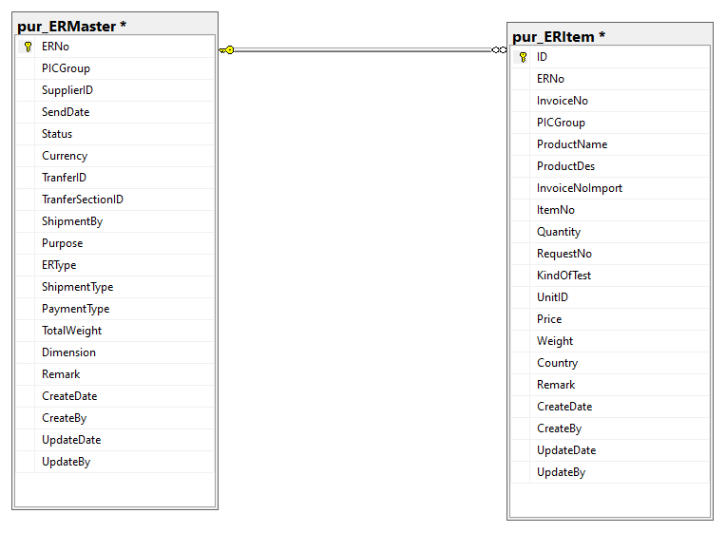
pur_ERItem. ERNo
pur_ERMaster. ERNo

