Screen Design
Screen design |  |  | System Name |  | Sub System Name |  | Screen ID |  |  |  |  | Screen Name |  |  | Page
 |  |  | Purchase Processing Managerment |  | ER Check |  | ERC002 |  |  |  |  | Detail ER

Naming Rule:
- Controls of Main Screen: M01, M02, M03...
- Controls of List (Data Table): L01, L02, L03...
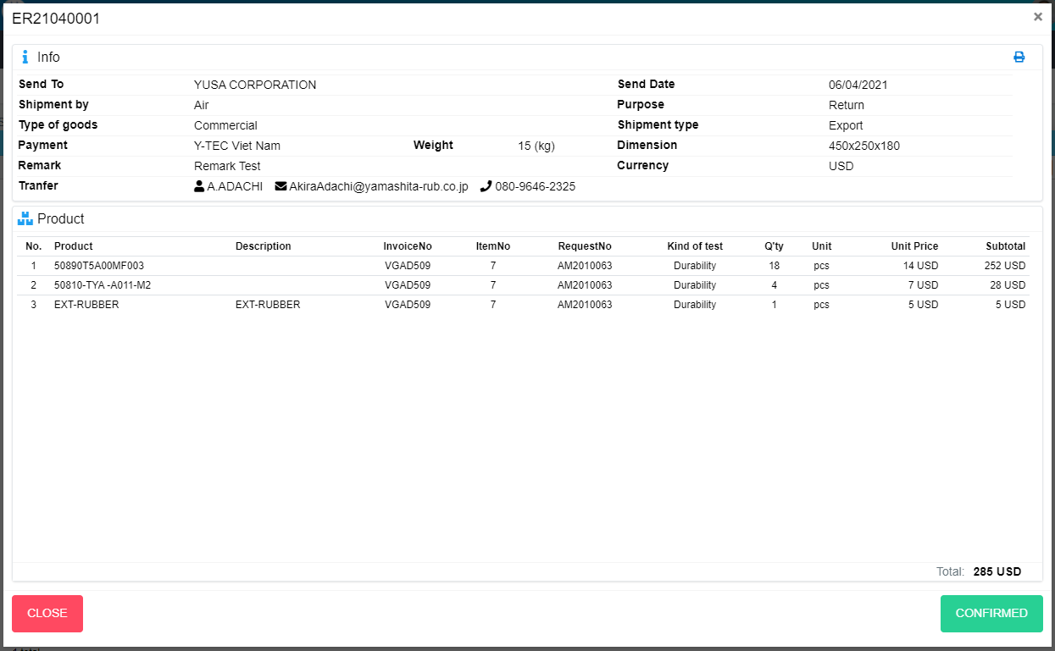
M04
M05
M06
M07
M14
M15
M12
M16
M17
M31
M01
M02
M13
M03
M08
M09
M10
M18
M11
M19
M20
M21
M22
M23
M24
M25
M26
M27
M28
M29
M30
M32

 | Main Screen
 | No | Item Name |  | Label |  | Item Type | Input Regulation | Tab Index | I/O | Required | Default Text |  | Length | Note
 | M01 | - |  |  |  | Label | Cannot Edit | - | O | - | - |  | - | ERNo
 | M02 | - |  | Info |  | Label | Cannot Edit | - | O | - | - |  | - | -
 | M03 | - |  |  |  | Button | - | - | I | - | - |  | - | Button Print ER
 | M04 | - |  | Send To |  | Label | Cannot Edit | - | O | - | - |  | - | -
 | M05 | - |  | Send Date |  | Label | Cannot Edit | - | O | - | - |  | - | -
 | M06 | - |  | Shipment by |  | Label | Cannot Edit | - | O | - | - |  | - | -
 | M07 | - |  | Purpose |  | Label | Cannot Edit | - | O | - | - |  | - | -
 | M08 | - |  | Type of goods |  | Label | Cannot Edit | - | O | - | - |  | - | -
 | M09 | - |  | Shipment type |  | Label | Cannot Edit | - | O | - | - |  | - | -
 | M10 | - |  | Payment |  | Label | Cannot Edit | - | O | - | - |  | - | -
 | M11 | - |  | Weight |  | Label | Cannot Edit | - | O | - | - |  | - | -
 | M12 | - |  | Dimension |  | Label | Cannot Edit | - | O | - | - |  | - | -
 | M13 | - |  | Remark |  | Label | Cannot Edit | - | O | - | - |  | - | -
 | M14 | - |  | Currency |  | Label | Cannot Edit | - | O | - | - |  | - | -
 | M15 | - |  |  |  | Label | Cannot Edit | - | O | - | - |  | - | Receiver
 | M16 |  |  |  |  | Label | Cannot Edit | - | O | - | - |  | - | Mail of receiver
 | M17 |  |  |  |  | Label | Cannot Edit | - | O | - | - |  | - | Phone of receiver
 | M18 | - |  | Product |  | Label | Cannot Edit | - | O | - | - |  | - | -
 | M19 | - |  | No. |  | Label | Cannot Edit | - | O | - | - |  | - | -
 | M20 | - |  | Product |  | Label | Cannot Edit | - | O | - | - |  | - | -
 | M21 | - |  | Description |  | Label | Cannot Edit | - | O | - | - |  | - | -
 | M22 | - |  | InvoiceNo |  | Label | Cannot Edit | - | O | - | - |  | - | -
 | M23 | - |  | ItemNo |  | Label | Cannot Edit | - | O | - | - |  | - | -
 | M24 | - |  | RequestNo |  | Label | Cannot Edit | - | O | - | - |  | - | -
 | M25 | - |  | Kind of test |  | Label | Cannot Edit | - | O | - | - |  | - | -
 | M26 | - |  | Q'ty |  | Label | Cannot Edit | - | O | - | - |  | - | -
 | M27 | - |  | Unit |  | Label | Cannot Edit | - | O | - | - |  | - | -
 | M28 | - |  | Unit Price |  | Label | Cannot Edit | - | O | - | - |  | - | -
 | M29 | - |  | Subtotal |  | Label | Cannot Edit | - | O | - | - |  | - | -
 | M30 | - |  | Total |  | Label | Cannot Edit | - | O | - | - |  | - | -
 | M31 | - |  | CLOSE |  | Button | - | - | O | - | - |  | - | Button Close
 | M32 | - |  | CONFIRMED |  | Button | - | - | O | - | - |  | - | Button Confirmed

DB Diagram
Detail Function |  | System Name | Sub System Name | Screen ID | Screen Name | Page
 |  | Purchase Processing Managerment | ER Check | ERC002 | Detail ER

 | Diagram

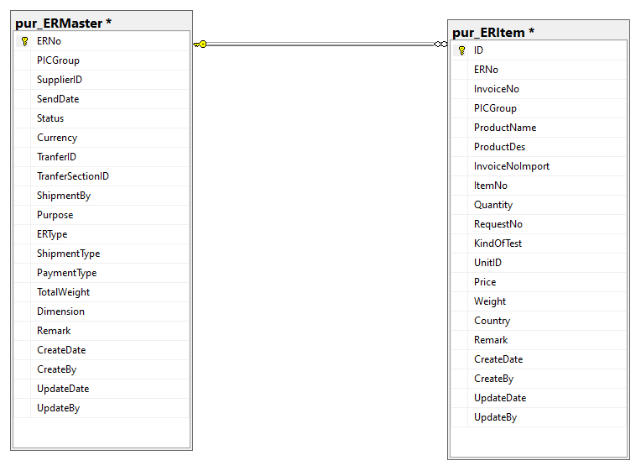
pur_ERItem. ERNo
pur_ERMaster. ERNo

