Screen Design
Screen design |  |  | System Name |  | Sub System Name |  | Screen ID |  |  |  |  | Screen Name |  |  | Page
 |  |  | Purchase Processing Managerment |  | Mistake Type Management |  | MT002~MT003 |  |  |  |  | Add New Mistake Type ~ Update Mistake Type

Naming Rule:
- Controls of Main Screen: M01, M02, M03...
- Controls of List (Data Table): L01, L02, L03...
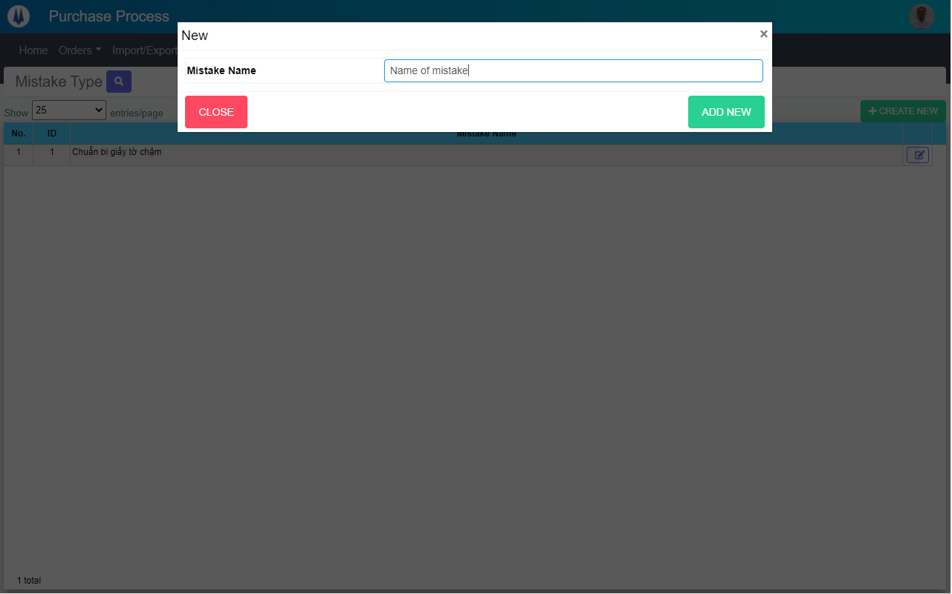
M01

M02

M03
M04

 | Main Screen
 | No | Item Name |  | Label |  | Item Type | Input Regulation | Tab Index | I/O | Required | Default Text |  | Length | Note
 | M01 | - |  | New |  | Label | Cannot Edit | - | O | - | - |  | - | -
 | M02 | - |  | Mistake Name |  | TextBox | FullAndhalf | - | I | - | - |  | - | -
 | M03 | - |  | CLOSE |  | Button | - | - | O | - | - |  | - | Button Close
 | M04 | - |  | ADD NEW |  | Button | - | - | O | - | - |  | - | Button Add New

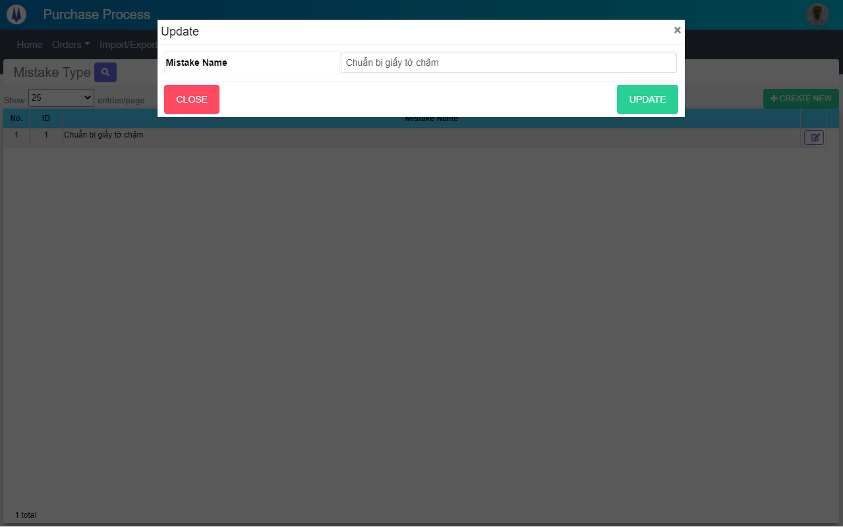
M01

M02

M03
M04

 | Main Screen
 | No | Item Name |  | Label |  | Item Type | Input Regulation | Tab Index | I/O | Required | Default Text |  | Length | Note
 | M01 | - |  | Update |  | Label | Cannot Edit | - | O | - | - |  | - | -
 | M02 | - |  | Mistake Name |  | TextBox | FullAndhalf | - | I | - | - |  | - | -
 | M03 | - |  | CLOSE |  | Button | - | - | O | - | - |  | - | Button Close
 | M04 | - |  | UPDATE |  | Button | - | - | O | - | - |  | - | Button Update

DB Diagram
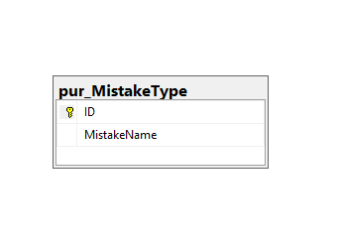
Detail Function |  | System Name | Sub System Name | Screen ID | Screen Name | Page
 |  | Purchase Processing Managerment | Mistake Type Management | MT002~MT003 | Add New Mistake Type ~ Update Mistake Type

 | Diagram

