(Flow example)
Example |  | System Name |  | Sub System Name |  |  | Screen ID |  |  |  |  |  |  | Screen Name |  |  | Page
 |  | Purchase Process Managerment |  | Unit Management |  |  | U003 |  |  |  |  |  |  | Update Unit

 | Flow Symbol |  | Name |  | Description

 |  |  | 開始/終了(Begin / End) |  | フローチャートの最初と最後に使用

 |  |  | 処理 (Process) |  | 計算や代入，入力や出力など

 |  |  | ループの開始 (Start Loop)

 |  |  |  |  |  | ２つの部分からなり、ループの始めと終わりです
 |  |  | ループの終了(Stop Loop)

 |  |  | 判断 (If...Else) |  | 条件によって分岐
 |  |  |  |  | （if文等）

 |  |  | 入出力 (Input / Output)

 |  |  | 関数 (Function / Procedure) |  | 関数の呼び出し処理

 |  |  | Try…Catch
 |  |  |  |  |  | エラーをキャッチする
 |  |  |  |  |  | 3つの部分からなり、Try, CatchとEnd Tryです
 |  |  | End Try

 |  |  | Databases

 |  |  | 書類 (Document)

 |  |  | 複数書類 (Documents)

 | Example
Begin
1. Read File Equipment (Excel)
2. Read File Successfully
2.1. Call Function F010
End
Try
Catch
End Try
4. Close Screen
3. Error Process
2.2. Call Function F020
No
Yes

 |  |  |  |  |  |  |  | 1. | Read file excel
 |  |  |  |  |  |  |  |  | Path: \\Document\Equipment\Equipment.xlsx

Click then refer to sheet F010
 |  |  |  |  |  |  |  | 2. | If read file successfully then
 |  |  |  |  |  |  |  |  | EquipmentDataTable = Content of Equipment File
 |  |  |  |  |  |  |  |  | 2.1. |  | Call function F010 - Insert Equipment
 |  |  |  |  |  |  |  |  |  | Call Function F010
 |  |  |  |  |  |  |  |  |  | Class |  | Equipment
 |  |  |  |  |  |  |  |  |  | Method |  | InsertEquipment
 |  |  |  |  |  |  |  |  |  | Parameter |  | Data table |  |  | In | EquipmentDataTable (Get from [2])
 |  |  |  |  |  |  |  |  |  | Return |  | -

 |  |  |  |  |  |  |  |  | 2.2. |  | Call function F020 - Open Insert Equipment Screen
 |  |  |  |  |  |  |  |  |  | Call Function F020
 |  |  |  |  |  |  |  |  |  | Class |  | Equipment
 |  |  |  |  |  |  |  |  |  | Method |  | OpenInsertEquipmentScreen
 |  |  |  |  |  |  |  |  |  | Parameter |  | - |  |  | - | -
 |  |  |  |  |  |  |  |  |  | Return |  | -

 |  |  |  |  |  |  |  | 3. | Error Process
 |  |  |  |  |  |  |  |  | Display error message
 |  |  |  |  |  |  |  |  |  | Background-color message |  |  | Red
 |  |  |  |  |  |  |  |  |  | Message Color |  |  | White
 |  |  |  |  |  |  |  |  |  | Message ID |  |  | M0001
 |  |  |  |  |  |  |  |  |  | Fill up |  |  | %1＝User Name
 |  |  |  |  |  |  |  |  |  | Message Content |  |  | Hi %1! We are sorry an error has occurred

 |  |  |  |  |  |  |  | 4. | Close current screen

Screen Design
Screen design |  |  |  | System Name |  | Sub System Name |  | Screen ID |  |  |  |  | Screen Name |  |  | Page
 |  |  |  | Purchase Process Managerment |  | Unit Management |  | U003 |  |  |  |  | Screen Design

 | 1. | Mockup Screen
 | 1.1. Main Screen
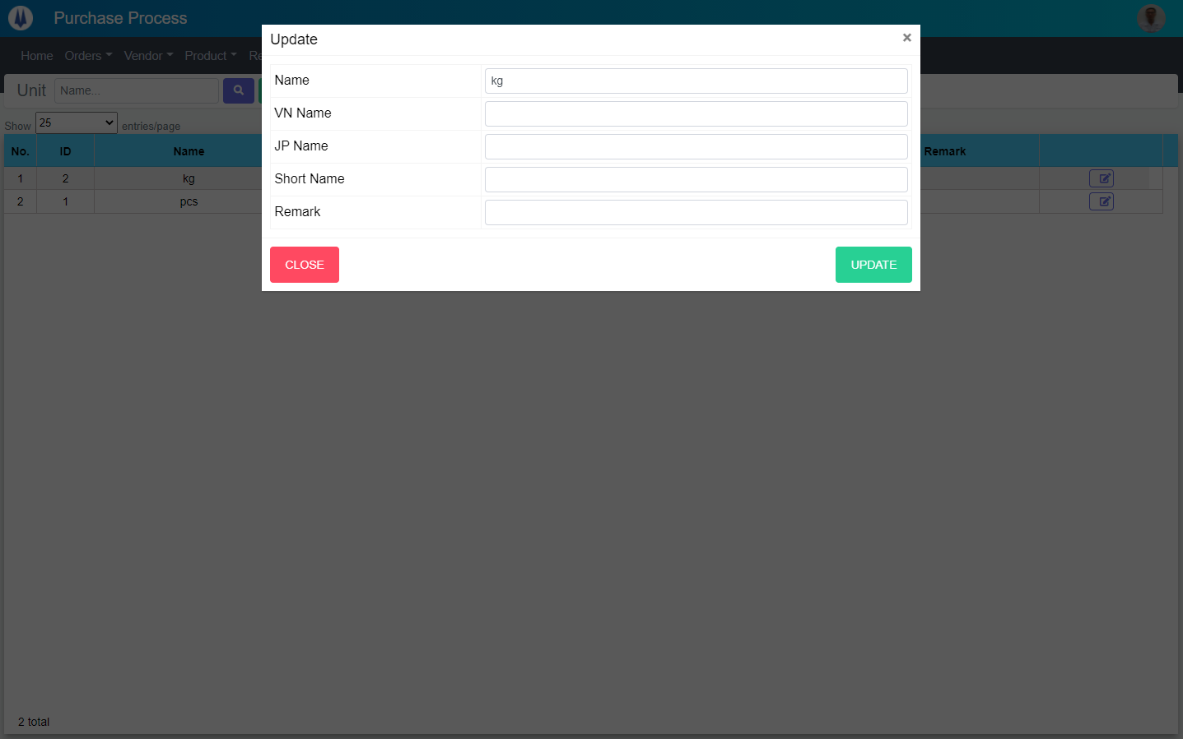
Search name...
M01
IT
M02
M03
SEARCH
Option 1
Option 2
M04
Checkbox 1
Checkbox 2
V
M05
M06
Naming Rule:
- Controls of Main Screen: M01, M02, M03...
- Controls of List (Data Table): L01, L02, L03...

M07
M08

 | Main Screen
 | No |  | Item Name |  | Label |  | Item Type | Input Regulation | Tab Index | I/O | Required | Default Text |  | Length | Note
 | M01 |  | - |  | Update |  | Label | Cannot Edit | - | O | - | - |  | - | -
 | M02 |  | - |  | Name |  | TextBox | FullAndhalf | - | I | O | - |  | - | -
 | M03 |  | - |  | VN Name |  | TextBox | FullAndhalf | - | I | - | - |  | - | -
 | M04 |  | - |  | JP Name |  | TextBox | FullAndhalf | - | I | - | - |  | - | -
 | M05 |  | - |  | Short Name |  | TextBox | FullAndhalf | - | I | - | - |  | - | -
 | M06 |  | - |  | Remark |  | TextBox | FullAndhalf | - | I | - | - |  | - | -
 | M07 |  | - |  | CLOSE |  | Button | - | - | O | - | - |  | - | Button Close
 | M08 |  | - |  | UPDATE |  | Button | - | - | O | - | - |  | - | Button Save

Event List
Event List |  |  | System Name |  | Sub System Name | Screen ID |  |  | Screen Name |  | Page
 |  |  | Purchase Process Managerment |  | Unit Management | U003 |  |  | Update Unit

Naming Rule:
- FC: Front end Component
- FS: Front end Service
- BS: Back end Service
- BS: Back en Controller
- Step: 10 unit
 | Front - End
 |  | Event List (Component)
 |  | Event ID |  | Function Name |  |  | Event |  |  | Note
 |  | FC000 |  | onLoadData |  |  | Get unit info
 |  | FC010
 |  | FC020
 |  | FC030
 |  | FC040
 |  | FC050
 |  | FC060
 |  | FC070
 |  | FC080
 |  | FC090
 |  | FC100
 |  | FC110 |  | onAcceptBtnModalClick() |  |  | Update unit |  |  | -

 |  | Function List (Service)
 |  | Function ID |  | Function Name |  |  |  | Note
 |  | FS000 |  | Unit_GetByID
 |  | FS010 |  | Unit_Edit
 |  | FS020
 |  | FS030
 |  | FS040
 |  | FS050
 |  | FS060
 |  | FS070
 |  | FS080
 |  | FS090
 |  | FS100

 | Back - End
 |  | Function List (Controller)
 |  | Function ID |  | Function Name |  |  |  | Note
 |  | BC000 |  | Unit_GetByID
 |  | BC010 |  | Unit_Edit
 |  | BC020
 |  | BC030
 |  | BC040
 |  | BC050
 |  | BC060
 |  | BC070
 |  | BC080
 |  | BC090
 |  | BC100

 |  | Function List (Service)
 |  | Function ID |  | Function Name |  |  |  | Note
 |  | BS000 |  | Unit_GetByID
 |  | BS010 |  | Unit_Edit
 |  | BS020
 |  | BS030
 |  | BS040
 |  | BS050
 |  | BS060
 |  | BS070
 |  | BS080
 |  | BS090
 |  | BS090

FC110
Detail Function |  | System Name |  | Sub System Name |  | Screen ID |  |  |  |  |  |  | Screen Name | Page
 |  | Purchase Process Managerment |  | Unit Management |  | U003 |  |  |  |  |  |  | Update Unit

 | Event/Function ID |  | Function Name |  | Event |  |  |  |  |  |  | Note
 | FC110 |  | onAcceptBtnModalClick() |  | Update unit |  |  |  |  |  |  | -

 | Parameter |  |  |  | Type |  |  |  |  |  |  | Note
 | data |  |  |  | any

 | Flow Process |  |  |  |  | Detail Process

Begin
data.ErrorCode
== "00"
End
No
Yes
1.1.
1. Set value
 |  |  |  |  |  |  | 1. | Class |  |  | UnitEditComponent
 |  |  |  |  |  |  |  | Method |  |  | Unit_Edit
 |  |  |  |  |  |  |  | Parameter |  |  | ID
 |  |  |  |  |  |  |  |  |  |  | UnitName
 |  |  |  |  |  |  |  |  |  |  | UnitShortName
 |  |  |  |  |  |  |  |  |  |  | UnitName_Vn
 |  |  |  |  |  |  |  |  |  |  | UnitName_Jp
 |  |  |  |  |  |  |  |  |  |  | Remark
 |  |  |  |  |  |  |  |  |  |  | UpdateBy
 |  |  |  |  |  |  |  | Return |  |  | data
 |  |  |  |  |  |  |  | 1.1. | If data.ErrorCode = 00
 |  |  |  |  |  |  |  |  |  | Show success message
 |  |  |  |  |  |  |  |  |  | Hide this modal
 |  |  |  |  |  |  |  | 1.2. | If data.ErrorCode != 00
 |  |  |  |  |  |  |  |  |  | Show error message

1.2.

